Sheet1
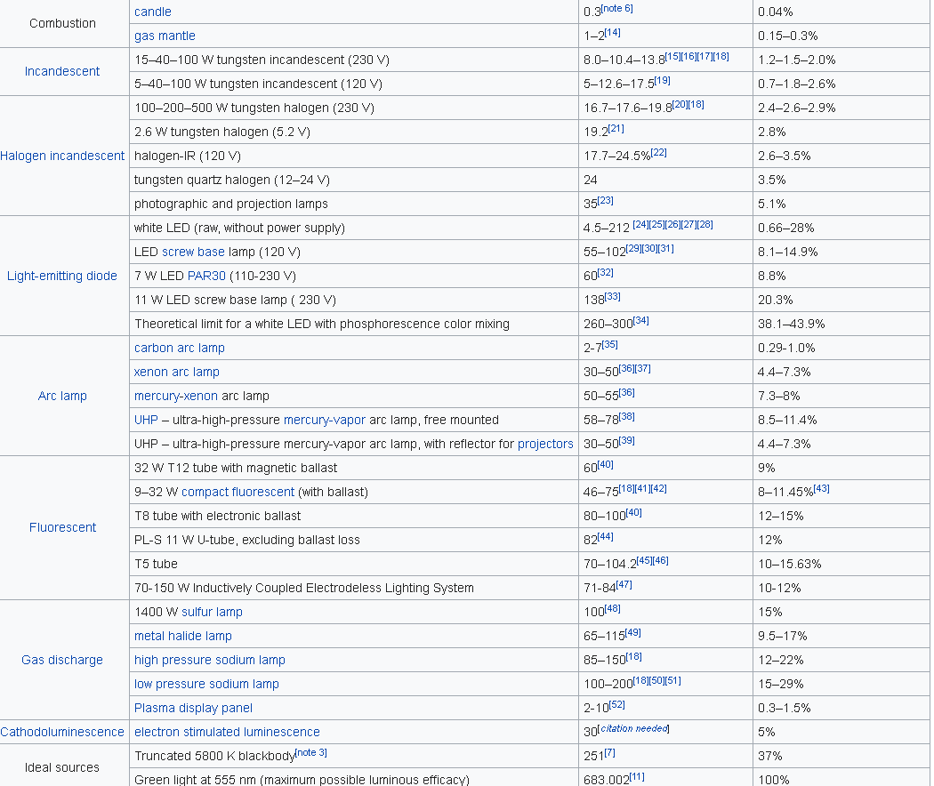
Calulating lighting efficiencies
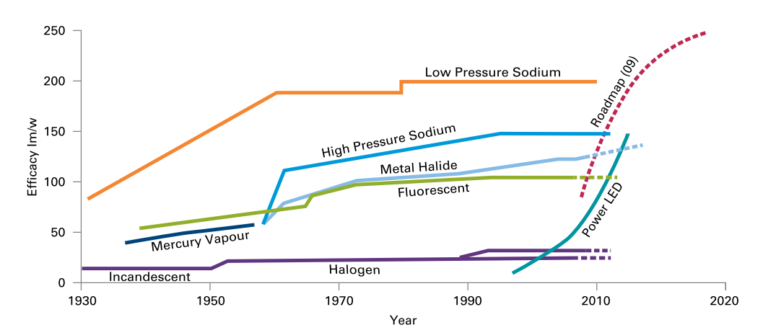
 | Source (Carbon Trust 2011): Bright ideas for efficient illumination |  |  |  |  | and wikipedia: https://en.wikipedia.org/wiki/Luminous_efficacy

 |  | Efficayy | Efficiency | Future luminous efficacy
 |  | 683 | 1
 | Light bulb | 20 | 0.029282576867 | 23 | 0.033674963397
 | Halogen | 25 | 0.036603221083 | 50 | 0.073206442167
 | Light saving | 150 | 0.2196193265 | 200 | 0.29282576867
 | Flureescent | 100 | 0.14641288433 | 150 | 0.2196193265
 | LED | 150 | 0.2196193265 | 300 | 0.439238653

