original
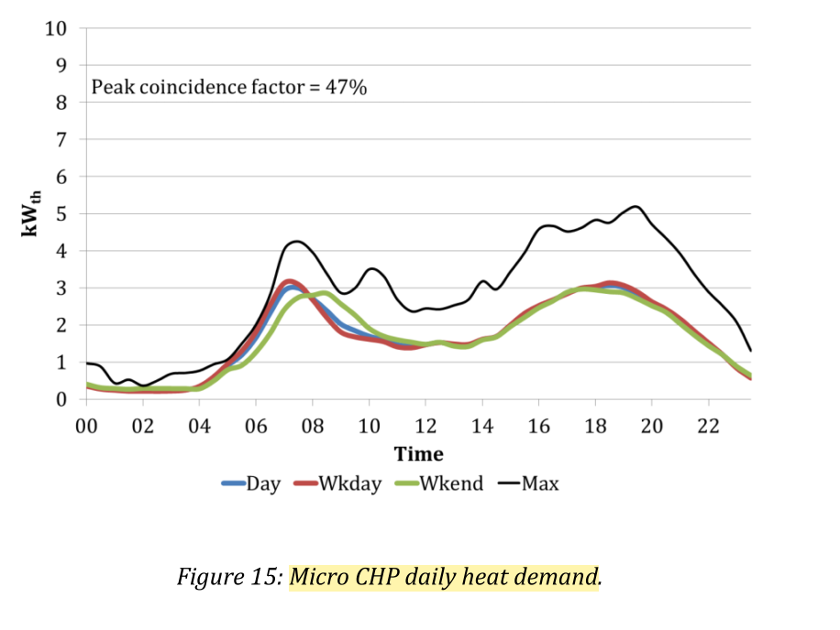
 | 1 | 1 | 2 | 2 | 3 | 3 | 4 | 4 | 5 | 5 | 6 | 6 | 7 | 7 | 8 | 8 | 9 | 9 | 10 | 10 | 11 | 11 | 12 | 12 | 13 | 13 | 14 | 14 | 15 | 15 | 16 | 16 | 17 | 17 | 18 | 18 | 19 | 19 | 20 | 20 | 21 | 21 | 22 | 22 | 23 | 23 | 24 | 24
READ FROM CHART
 | 0 | 1 | 2 | 3 | 4 | 5 | 6 | 7 | 8 | 9 | 10 | 11 | 12 | 13 | 14 | 15 | 16 | 17 | 18 | 19 | 20 | 21 | 22 | 23 | SUM
Day | 0.4 | 0.3 | 0.2 | 0.2 | 0.2 | 0.9 | 1.9 | 3 | 2.8 | 2 | 1.7 | 1.5 | 1.5 | 1.5 | 1.5 | 1.7 | 2.4 | 2.9 | 3 | 3 | 2.6 | 2 | 1.5 | 0.6 | 39.3
Wkday | 0.4 | 0.3 | 0.2 | 0.2 | 0.2 | 0.9 | 2 | 3.2 | 2.8 | 1.8 | 1.7 | 1.5 | 1.5 | 1.5 | 1.5 | 1.7 | 2.4 | 2.9 | 3 | 3.1 | 2.6 | 2 | 1.5 | 0.6 | 39.5
Wkend | 0.4 | 0.3 | 0.2 | 0.2 | 0.2 | 0.9 | 1 | 2.5 | 2.8 | 2.8 | 2 | 1.6 | 1.5 | 1.5 | 1.5 | 1.7 | 2.4 | 2.9 | 3 | 3 | 2.6 | 2 | 1.5 | 0.6 | 39.1
PEAK | 1 | 0.5 | 0.3 | 0.8 | 0.8 | 1 | 1.8 | 4.2 | 4 | 2.9 | 3.3 | 2.4 | 2.3 | 2.5 | 3.1 | 3.2 | 4.5 | 4.7 | 4.7 | 4.9 | 4.8 | 3.9 | 2.9 | 1.2 | 65.7

in %
 | 0 | 1 | 2 | 3 | 4 | 5 | 6 | 7 | 8 | 9 | 10 | 11 | 12 | 13 | 14 | 15 | 16 | 17 | 18 | 19 | 20 | 21 | 22 | 23 | SUM
Wkday | 0.010126582278 | 0.0075949367089 | 0.0050632911392 | 0.0050632911392 | 0.0050632911392 | 0.022784810127 | 0.050632911392 | 0.081012658228 | 0.070886075949 | 0.045569620253 | 0.043037974684 | 0.037974683544 | 0.037974683544 | 0.037974683544 | 0.037974683544 | 0.043037974684 | 0.060759493671 | 0.073417721519 | 0.075949367089 | 0.078481012658 | 0.06582278481 | 0.050632911392 | 0.037974683544 | 0.015189873418 | 1
Wkend | 0.010230179028 | 0.0076726342711 | 0.0051150895141 | 0.0051150895141 | 0.0051150895141 | 0.023017902813 | 0.02557544757 | 0.063938618926 | 0.071611253197 | 0.071611253197 | 0.051150895141 | 0.040920716113 | 0.038363171355 | 0.038363171355 | 0.038363171355 | 0.04347826087 | 0.061381074169 | 0.074168797954 | 0.076726342711 | 0.076726342711 | 0.066496163683 | 0.051150895141 | 0.038363171355 | 0.015345268542 | 1
peak | 0.015220700152 | 0.0076103500761 | 0.0045662100457 | 0.012176560122 | 0.012176560122 | 0.015220700152 | 0.027397260274 | 0.063926940639 | 0.060882800609 | 0.044140030441 | 0.050228310502 | 0.036529680365 | 0.03500761035 | 0.038051750381 | 0.047184170472 | 0.048706240487 | 0.068493150685 | 0.071537290715 | 0.071537290715 | 0.074581430746 | 0.073059360731 | 0.059360730594 | 0.044140030441 | 0.018264840183 | 1

Load profiles for micro CHP
All sites daily heat demand Oct 2006 to March 2007
Data from email with Robert Sansom
Source: Sansom, R. (2014). Decarbonising low grade heat for low carbon future. Imperial College London.

