Original
daytype | 0 | 1 | 2 | 3 | 4 | 5 | 6 | 7 | 8 | 9 | 10 | 11 | 12 | 13 | 14 | 15 | 16 | 17 | 18 | 19 | 20 | 21 | 22 | 23
workday | 0.024041213509 | 0.028620492272 | 0.028620492272 | 0.034344590727 | 0.034344590727 | 0.040068689181 | 0.045792787636 | 0.068689181454 | 0.077275329136 | 0.05151688609 | 0.040068689181 | 0.034344590727 | 0.037206639954 | 0.034344590727 | 0.0314825415 | 0.028620492272 | 0.035489410418 | 0.042930738409 | 0.047510017172 | 0.054378935318 | 0.05151688609 | 0.05151688609 | 0.045792787636 | 0.0314825415
holiday | 0.022187004754 | 0.026413100898 | 0.026413100898 | 0.026413100898 | 0.031695721078 | 0.031695721078 | 0.042260961437 | 0.063391442155 | 0.058108821976 | 0.047543581616 | 0.042260961437 | 0.042260961437 | 0.042260961437 | 0.042260961437 | 0.036978341257 | 0.042260961437 | 0.047543581616 | 0.052826201796 | 0.05705229794 | 0.052826201796 | 0.047543581616 | 0.050184891706 | 0.042260961437 | 0.025356576862
peak_day | 0.028880866426 | 0.032490974729 | 0.032490974729 | 0.032490974729 | 0.036101083032 | 0.039711191336 | 0.043321299639 | 0.050541516245 | 0.064981949458 | 0.057761732852 | 0.050541516245 | 0.043321299639 | 0.039711191336 | 0.036101083032 | 0.036101083032 | 0.036101083032 | 0.036101083032 | 0.043321299639 | 0.050541516245 | 0.050541516245 | 0.050541516245 | 0.043321299639 | 0.036101083032 | 0.028880866426

absolute | (by factor 10 to copy values)
Medium Winter weekday | 4.2 | 5 | 5 | 6 | 6 | 7 | 8 | 12 | 13.5 | 9 | 7 | 6 | 6.5 | 6 | 5.5 | 5 | 6.2 | 7.5 | 8.3 | 9.5 | 9 | 9 | 8 | 5.5 | 174.7
Medium winter weekend day | 4.2 | 5 | 5 | 5 | 6 | 6 | 8 | 12 | 11 | 9 | 8 | 8 | 8 | 8 | 7 | 8 | 9 | 10 | 10.8 | 10 | 9 | 9.5 | 8 | 4.8 | 189.3
Cold winter weekday | 8 | 9 | 9 | 9 | 10 | 11 | 12 | 14 | 18 | 16 | 14 | 12 | 11 | 10 | 10 | 10 | 10 | 12 | 14 | 14 | 14 | 12 | 10 | 8 | 277

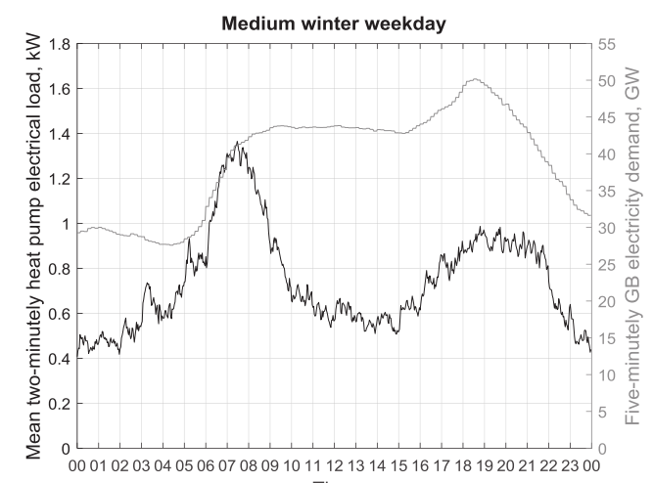
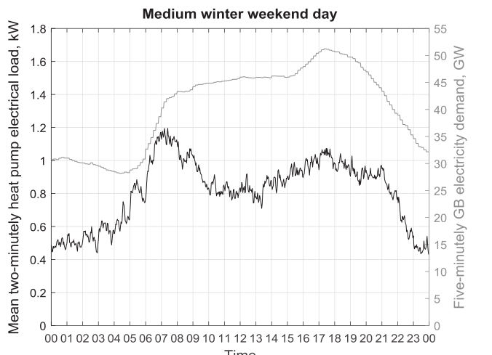
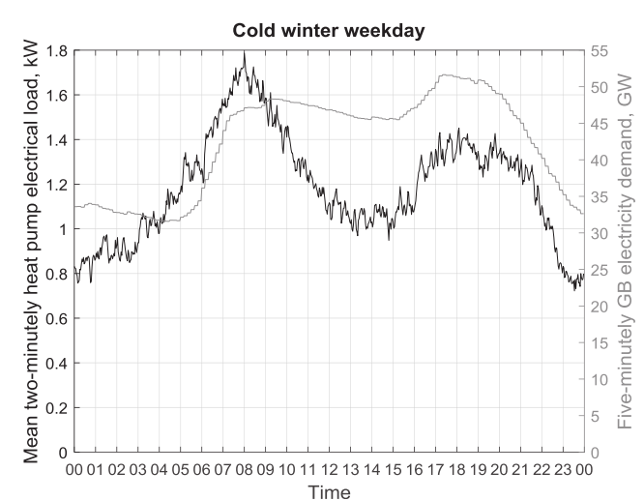

Load profiles for domestic heat pumps
Love, J., Smith, A. Z. P., Watson, S., Oikonomou, E., Summerfield, A., Gleeson, C., … Lowe, R. (2017). The addition of heat pump electricity load profiles to GB electricity demand: Evidence from a heat pump field trial. Applied Energy, 204, 332–342. https://doi.org/10.1016/j.apenergy.2017.07.026

