original
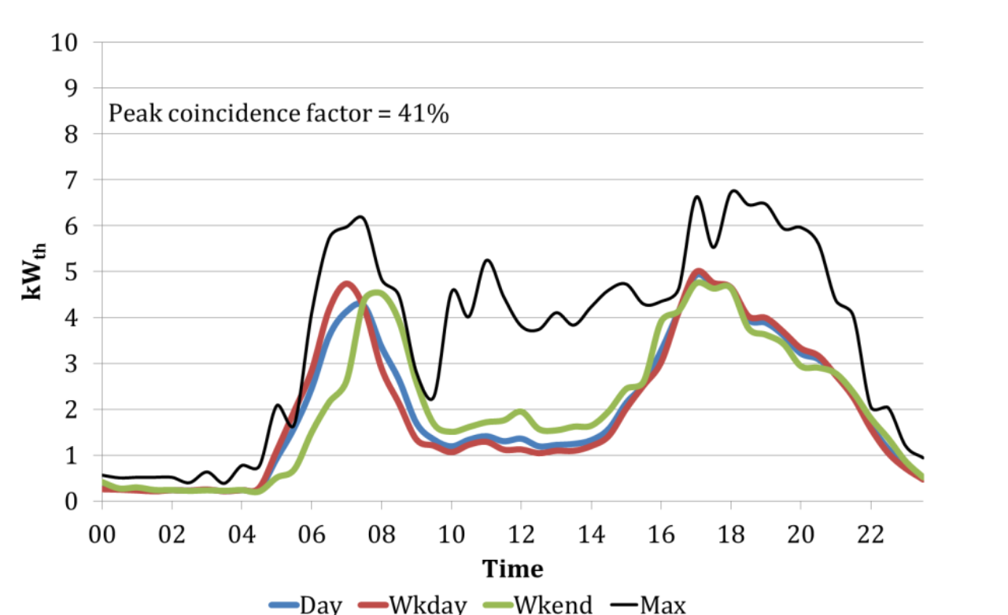
 | 0 | 1 | 2 | 3 | 4 | 5 | 6 | 7 | 8 | 9 | 10 | 11 | 12 | 13 | 14 | 15 | 16 | 17 | 18 | 19 | 20 | 21 | 22 | 23 | SUM
Wkday | 0.2 | 0.2 | 0.2 | 0.2 | 0.2 | 1.1 | 3 | 4.8 | 2.6 | 1.2 | 1.1 | 1.3 | 1.1 | 1.2 | 1.2 | 2 | 3 | 4.8 | 4.7 | 3.9 | 3.1 | 2.9 | 1.9 | 0.5 | 46.4
Wkend | 0.2 | 0.2 | 0.2 | 0.2 | 0.2 | 0.6 | 1 | 2.5 | 4.5 | 2.5 | 1.5 | 1.6 | 2 | 1.6 | 1.6 | 2.1 | 4 | 4.8 | 4.7 | 3.7 | 3.1 | 2.9 | 1.9 | 0.5 | 48.1
Load profiles for gas boilers
All sites daily heat demand Oct 2006 to March 2007
Data from email with Robert Sansom
Source: Sansom, R. (2014). Decarbonising low grade heat for low carbon future. Imperial College London.

in %
 | 0 | 1 | 2 | 3 | 4 | 5 | 6 | 7 | 8 | 9 | 10 | 11 | 12 | 13 | 14 | 15 | 16 | 17 | 18 | 19 | 20 | 21 | 22 | 23 | SUM
Wkday | 0.0043103448276 | 0.0043103448276 | 0.0043103448276 | 0.0043103448276 | 0.0043103448276 | 0.023706896552 | 0.064655172414 | 0.10344827586 | 0.056034482759 | 0.025862068966 | 0.023706896552 | 0.028017241379 | 0.023706896552 | 0.025862068966 | 0.025862068966 | 0.043103448276 | 0.064655172414 | 0.10344827586 | 0.10129310345 | 0.084051724138 | 0.066810344828 | 0.0625 | 0.040948275862 | 0.010775862069 | 1
Wkend | 0.004158004158 | 0.004158004158 | 0.004158004158 | 0.004158004158 | 0.004158004158 | 0.012474012474 | 0.02079002079 | 0.051975051975 | 0.093555093555 | 0.051975051975 | 0.031185031185 | 0.033264033264 | 0.04158004158 | 0.033264033264 | 0.033264033264 | 0.043659043659 | 0.08316008316 | 0.099792099792 | 0.097713097713 | 0.076923076923 | 0.064449064449 | 0.060291060291 | 0.039501039501 | 0.010395010395 | 1

PEAK READ FROM CHART
 | 0 | 1 | 2 | 3 | 4 | 5 | 6 | 7 | 8 | 9 | 10 | 11 | 12 | 13 | 14 | 15 | 16 | 17 | 18 | 19 | 20 | 21 | 22 | 23
absolute | 0.5 | 0.5 | 0.5 | 0.5 | 1.8 | 2.1 | 4.2 | 6 | 4.8 | 3 | 4.6 | 5 | 3.8 | 4 | 4.2 | 4.7 | 4.3 | 6.6 | 6.8 | 6.5 | 5.9 | 5 | 2 | 1.1 | 88.4
percent | 0.0056561085973 | 0.0056561085973 | 0.0056561085973 | 0.0056561085973 | 0.02036199095 | 0.023755656109 | 0.047511312217 | 0.067873303167 | 0.054298642534 | 0.033936651584 | 0.052036199095 | 0.056561085973 | 0.042986425339 | 0.045248868778 | 0.047511312217 | 0.053167420814 | 0.048642533937 | 0.074660633484 | 0.076923076923 | 0.073529411765 | 0.066742081448 | 0.056561085973 | 0.022624434389 | 0.012443438914 | 1

To copy
0 | 1 | 2 | 3 | 4 | 5 | 6 | 7 | 8 | 9 | 10 | 11 | 12 | 13 | 14 | 15 | 16 | 17 | 18 | 19 | 20 | 21 | 22 | 23
0.0043103448276 | 0.0043103448276 | 0.0043103448276 | 0.0043103448276 | 0.0043103448276 | 0.023706896552 | 0.064655172414 | 0.10344827586 | 0.056034482759 | 0.025862068966 | 0.023706896552 | 0.028017241379 | 0.023706896552 | 0.025862068966 | 0.025862068966 | 0.043103448276 | 0.064655172414 | 0.10344827586 | 0.10129310345 | 0.084051724138 | 0.066810344828 | 0.0625 | 0.040948275862 | 0.010775862069
0.004158004158 | 0.004158004158 | 0.004158004158 | 0.004158004158 | 0.004158004158 | 0.012474012474 | 0.02079002079 | 0.051975051975 | 0.093555093555 | 0.051975051975 | 0.031185031185 | 0.033264033264 | 0.04158004158 | 0.033264033264 | 0.033264033264 | 0.043659043659 | 0.08316008316 | 0.099792099792 | 0.097713097713 | 0.076923076923 | 0.064449064449 | 0.060291060291 | 0.039501039501 | 0.010395010395
0.0056561085973 | 0.0056561085973 | 0.0056561085973 | 0.0056561085973 | 0.02036199095 | 0.023755656109 | 0.047511312217 | 0.067873303167 | 0.054298642534 | 0.033936651584 | 0.052036199095 | 0.056561085973 | 0.042986425339 | 0.045248868778 | 0.047511312217 | 0.053167420814 | 0.048642533937 | 0.074660633484 | 0.076923076923 | 0.073529411765 | 0.066742081448 | 0.056561085973 | 0.022624434389 | 0.012443438914
Regular day, weekday, weekend

