SOURCE
 | 1 | 1 | 2 | 2 | 3 | 3 | 4 | 4 | 5 | 5 | 6 | 6 | 7 | 7 | 8 | 8 | 9 | 9 | 10 | 10 | 11 | 11 | 12 | 12 | 13
READ FROM CHART
 | 0 | 1 | 2 | 3 | 4 | 5 | 6 | 7 | 8 | 9 | 10 | 11 | 12 | 13 | 14 | 15 | 16 | 17 | 18 | 19 | 20 | 21 | 22 | 23 | SUM
Wkday | 1530 | 1500 | 1550 | 1420 | 1380 | 1260 | 940 | 840 | 890 | 800 | 500 | 480 | 270 | 50 | 40 | 5 | 30 | 200 | 250 | 390 | 390 | 480 | 580 | 1400 | 17175
Wkend | 1530 | 1500 | 1550 | 1420 | 1380 | 1260 | 940 | 840 | 890 | 800 | 500 | 480 | 270 | 50 | 40 | 5 | 30 | 200 | 250 | 390 | 390 | 480 | 580 | 1400 | 17175
PEAK | 1530 | 1500 | 1550 | 1420 | 1380 | 1260 | 940 | 840 | 890 | 800 | 500 | 480 | 270 | 50 | 40 | 5 | 30 | 200 | 250 | 390 | 390 | 480 | 580 | 1400 | 17175

in %
 | 0 | 1 | 2 | 3 | 4 | 5 | 6 | 7 | 8 | 9 | 10 | 11 | 12 | 13 | 14 | 15 | 16 | 17 | 18 | 19 | 20 | 21 | 22 | 23 | SUM
Wkday | 0.089082969432 | 0.087336244541 | 0.090247452693 | 0.082678311499 | 0.080349344978 | 0.073362445415 | 0.054730713246 | 0.048908296943 | 0.051819505095 | 0.046579330422 | 0.029112081514 | 0.027947598253 | 0.015720524017 | 0.0029112081514 | 0.0023289665211 | 0.00029112081514 | 0.0017467248908 | 0.011644832606 | 0.014556040757 | 0.022707423581 | 0.022707423581 | 0.027947598253 | 0.033770014556 | 0.081513828239 | 1
Wkend | 0.089082969432 | 0.087336244541 | 0.090247452693 | 0.082678311499 | 0.080349344978 | 0.073362445415 | 0.054730713246 | 0.048908296943 | 0.051819505095 | 0.046579330422 | 0.029112081514 | 0.027947598253 | 0.015720524017 | 0.0029112081514 | 0.0023289665211 | 0.00029112081514 | 0.0017467248908 | 0.011644832606 | 0.014556040757 | 0.022707423581 | 0.022707423581 | 0.027947598253 | 0.033770014556 | 0.081513828239 | 1
peak | 0.089082969432 | 0.087336244541 | 0.090247452693 | 0.082678311499 | 0.080349344978 | 0.073362445415 | 0.054730713246 | 0.048908296943 | 0.051819505095 | 0.046579330422 | 0.029112081514 | 0.027947598253 | 0.015720524017 | 0.0029112081514 | 0.0023289665211 | 0.00029112081514 | 0.0017467248908 | 0.011644832606 | 0.014556040757 | 0.022707423581 | 0.022707423581 | 0.027947598253 | 0.033770014556 | 0.081513828239 | 1

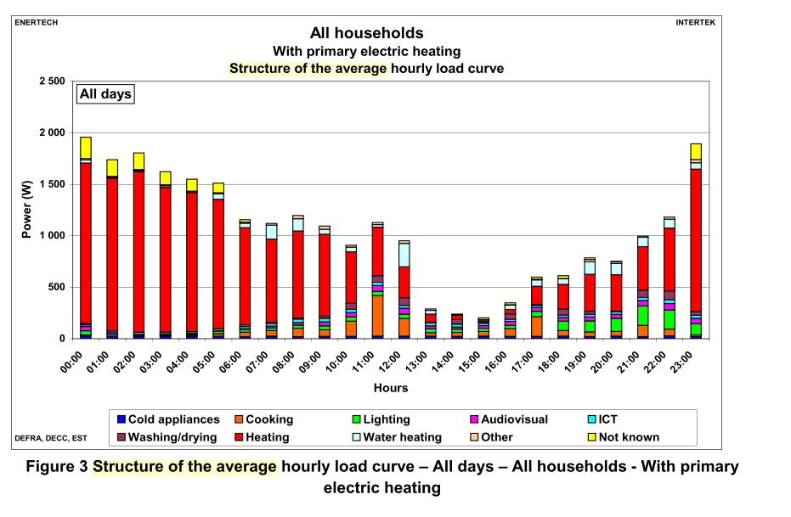

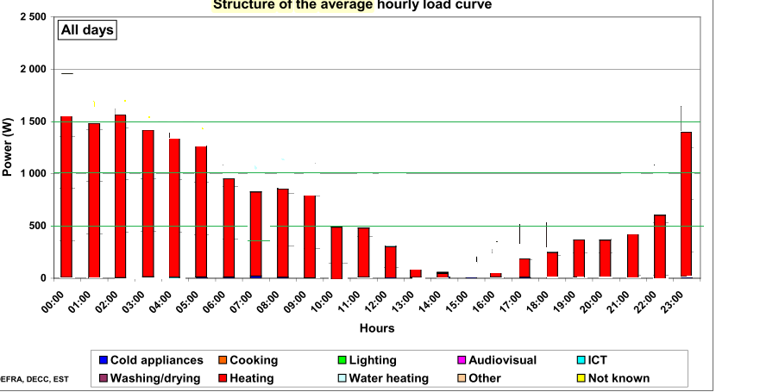

 |  |  |  |  |  |  |  |  |  |  |  |  | Zimmermann, J.-P., Evans, M., Lineham, T., Griggs, J., Surveys, G., Harding, L., … Roberts, P. (2012). Household Electricity Survey: A study of domestic electrical product usage. Intertek, 600. Retrieved from https://www.gov.uk/government/uploads/system/uploads/attachment_data/file/208097/10043_R66141HouseholdElectricitySurveyFinalReportissue4.pdf

