Blad1
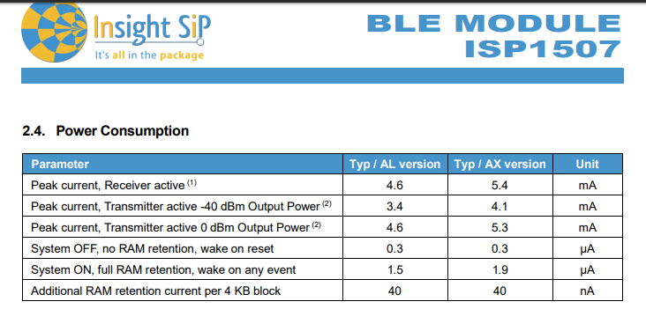
Device Mode | energy consumption[mA] | Time [ms] | Op een uur [s] | consumption [mA] | LED 6 usage
Stop Mode (+murata basic-verbruikLeds) | 8.125 |  | 3592.7782708 | 8.1087009585 | Vcc | 5
Sending-dash(+active verbruik) | 64 | 74.1 | 0.0463125 | 0.00082333333333 | R28 | 1000
rx-dash | 41.5 | 9000 | 5.625 | 0.06484375 | Vled | 2
Sending-lora(SF7) | 64 | 125 | 0.052083333333 | 0.00092592592593 | V | 3
rx-lora (2x slots) | 40.5 | 200 | 0.083333333333 | 0.0009375 | I | 0.003 | 3 | mA
Temperature-measurement | 33.125 | 250 | 0.15625 | 0.0014377170139
Write to flash | 45.125 | 70 | 0.00875 | 0.00010967881944 | LED 4 usage
Bluetooth setup | 27.125 | 10000 | 1.25 | 0.0094184027778 | Vcc | 3.3
Murata_basic | 3.125 |  |  | total: | R12 | 100
Active_verbruik | 19 |  |  | 8.1871972663 | Vled | 2
 |  |  |  |  | V | 1.3
Important are the amount of setups on a day and the amount of interrupts generated on an hour |  |  |  |  | I | 0.013 | 13mA | (duty cycle 50%) | 6.5 | mA
Batterij capaciteit [mAh] | Battery life [Hours] | [Days]
1000 | 122.14192079 | 5.0892466996 |  |  | Verbruik Leds: | 9.5
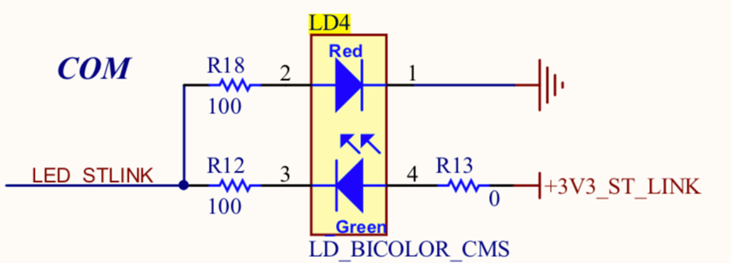
1500 | 183.21288119 | 7.6338700494
2000 | 244.28384158 | 10.178493399
2500 | 305.35480198 | 12.723116749
3000 | 366.42576237 | 15.267740099
3500 | 427.49672277 | 17.812363449
4000 | 488.56768316 | 20.356986798
4500 | 549.63864356 | 22.901610148
5000 | 610.70960395 | 25.446233498
3700 | 451.92510692 | 18.830212788
Amount of interrupts in a day | 15
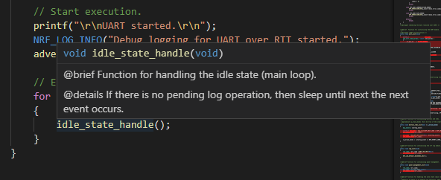
Amount of interrupts in an hour | 0.625
Amount of setups on a day: | 3
Normalized to an hour: | 0.125
Amount of lora messages on a day | 10 |  |  |  | BLE chip
Normalized to an hour: | 0.417 |  |  |  | 1,9µA

