Website Products
 |  |  | CC Patio Scottsdale LLC

 |  |  |  |  |  |  |  | CC Patio Furniture is fully customizable. While we offer standard sizes for your convenience, our designers, architects and artisans work together with you to create pieces perfectly tailored to your specific space and taste. Most pieces may be modified to specific dimensions, at the discretion of the architect/engineer. At times, modifications may need secondary approval from the factory, prior to manufacturing.

 | E-Commerce | Shipping Flat Rate | Drawing | Collections | Memo/Description | MSRP | MSRP w/Aluminum Frame | Description | Details | Weight | Height | Fabric Color | Frame Color | Dekton Color | Pillow Color | Add-Ons
 |  |  | SOFAS, CHAISES & CLUB CHAIRS
1 | TRUE |  | 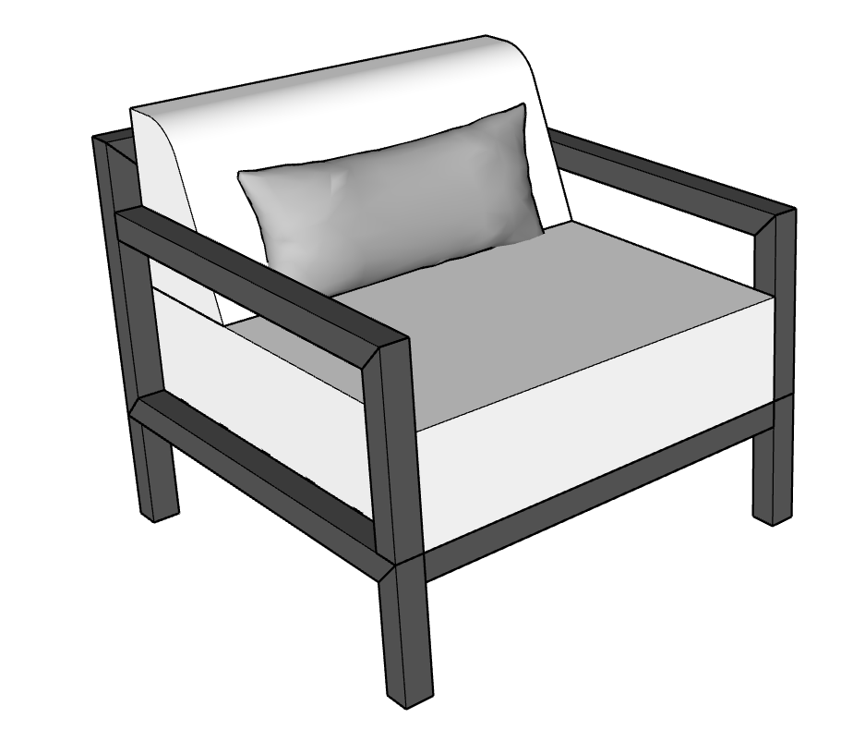 | Bravada | BRAVADA CLUB CHAIR 34" x 34" x 31" BH | $2,080.00 | $2,392.00 | The Bravada Club Chair seamlessly blends bold, minimalist design with classic comfort. Crafted for ultimate relaxation and sophisticated socializing, this chair features a wide seat, deep 8-inch firm cushions and a straight low back with a tapered cushion and lumbar pillow for extra support. Customization options include an ironwood accent to soften the armrests or a Dekton side table for added functionality, making the Bravada Club Chair an elegant and robust addition to any outdoor setting. | Built for lasting durability in Phoenix, Arizona, the frame is constructed from American steel or aluminum, treated with a zinc-gel epoxy primer, and finished with a TGIC polyester powder coat, while the upholstery uses expertly crafted Sunbrella® fabrics known for their saturated color and built-in cleanability. High density outdoor foam, seat Cushion 7" thick, tapered back cushion 9" at base to 4", Seat Height 15". Includes one lumbar pillow 10" x 24". Rubber adjusters and straps included. |  | N/A | Y | Y | N/A | Y | Ironwood/Dekton Sidearm
2 | TRUE |  | 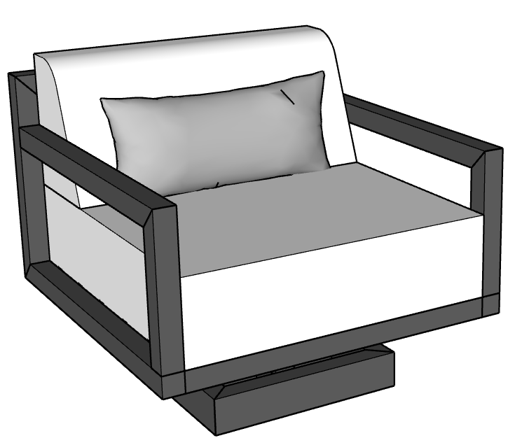 | Bravada | BRAVADA SWIVEL CHAIR 34" x 34" x 31" BH | $2,580.00 | $2,967.00 | The Bravada Swivel Chair, an elegant centerpiece of CC Patio's Bravada Collection, seamlessly blends bold, minimalist design with classic comfort, providing the added movement of a smooth swivel mechanism perfect for relaxation and easy conversation. Designed for ultimate support, the chair features a wide seat, deep firm cushions, a straight low back, and lumbar pillow for extra support. Customization options enhance its functionality, including an ironwood accent to soften the armrests or a Dekton sidearm. A comfortable and robust addition to any outdoor setting. | Built for lasting durability in Phoenix, Arizona, the frame is constructed from American steel or aluminum, treated with a zinc-gel epoxy primer, and finished with a TGIC polyester powder coat, while the upholstery uses expertly crafted Sunbrella® fabrics known for their saturated color and built-in cleanability. , High-Density outdoor foam, Seat Cushion 8" thick, tapered back cushion 10" at base to 5", includes one lumbar pillow 10" x 24" , rubber adjusters. Swivels, does not glide or rock. Straps included. |  | N/A | Y | Y | N/A | Y | Ironwood/Dekton Sidearm
 |  |  |  |  | BRAVADA SWIVEL CHAIR W/DEKTON SIDEARM | $2,880.00
3 | TRUE |  |  | Bravada | BRAVADA LOVESEAT 60" x 34" x 31" BH | $2,750.00 | $3,162.50 | The Bravada Loveseat seamlessly blends bold, minimalist design with classic comfort, scaled perfectly for intimate outdoor socializing. Crafted for ultimate relaxation, this compact double-seater features an expansive wide seat, deep 8-inch firm cushions, and a straight, low back completed by a sleek tapered cushion and lumbar pillows for tailored support. Designed for modern luxury, the frame can be customized with an ironwood accent to soften the armrests, built-in fly tables, or paired effortlessly with a custom ottoman. A robust yet elegant statement piece, the Bravada Mini Loveseat brings unparalleled sophistication to any upscale patio. | Built for lasting durability in Phoenix, Arizona, the frame is constructed from American steel or aluminum, treated with a zinc-gel epoxy primer, and finished with a TGIC polyester powder coat, while the upholstery uses expertly crafted Sunbrella® fabrics known for their saturated color and built-in cleanability. , High-Density outdoor foam, Seat Cushion 8" thick, tapered back cushion 10" at base to 5". Includes 2-3 lumbar pillows 10" x 24", depending on the length, rubber adjusters and straps included. |  |  | Y | Y | N/A | Y | Ironwood
 | TRUE |  |  |  | BRAVADA MINI LOVESEAT 48" x 34" x 31" BH | $2,520.00 | $2,898.00
4 | TRUE |  |  | Bravada | BRAVADA SOFA 72" x 34" x 31" BH | $3,360.00 | $3,864.00 | The Bravada Sofa is a masterclass in outdoor luxury, seamlessly blending bold, minimalist architecture with classic, timeless comfort. Featuring the collection’s signature straight low back and expansive, deep-seating firm cushions, this sofa offers a spacious layout designed to withstand trends and the test of time. Available in several standard freestanding sizes or fully customizable into grand L-shape and U-shape configurations, it serves as the ultimate anchor for an elevated seating area. Tailor it to your personal aesthetic with premium fabrics and optional ironwood armrest accents, or enhance its functionality with our signature floating fly tables or side T-table. | Built for lasting durability in Phoenix, Arizona, the frame is constructed from American steel or aluminum, treated with a zinc-gel epoxy primer, and finished with a TGIC polyester powder coat, while the upholstery uses expertly crafted Sunbrella® fabrics known for their saturated color and built-in cleanability. , High-Density outdoor foam, Seat Cushion 8" thick, tapered back cushion 10" at base to 5". Includes 2-3 lumbar pillows 10" x 24", depending on the length, rubber adjusters and straps included. |  | N/A | Y | Y | N/A | Y | Ironwood
 | TRUE |  |  |  | BRAVADA SOFA 84" x 34" x 31" BH | $3,840.00 | $4,416.00
 | TRUE |  |  |  | BRAVADA SOFA 96" x 34" x 31" BH | $4,080.00 | $4,692.00
5 | TRUE |  |  | Bravada | BRAVADA ARMLESS SOFA 72" x 34" x 31" BH | $2,880.00 | $3,312.00 | Featuring clean, classic lines, the Bravada Armless Sofa is the essential anchor for effortless modular customization. Its sleek, open-ended design allows you to seamlessly combine it with corner pieces and chaises to create a tailored L-shape or U-shape configuration centered around your coffee table or fire pit. Boasting the collection's signature straight low back and deep, firm cushions, this piece delivers a streamlined, timeless aesthetic when used alone or integrated into a larger layout. Fully customizable in premium fabrics, it can be paired beautifully with our signature floating fly tables or T-table, for a sophisticated addition to any upscale outdoor setting. | Built for lasting durability in Phoenix, Arizona, the frame is constructed from American steel or aluminum, treated with a zinc-gel epoxy primer, and finished with a TGIC polyester powder coat, while the upholstery uses expertly crafted Sunbrella® fabrics known for their saturated color and built-in cleanability. , High-Density outdoor foam, Seat Cushion 8" thick, tapered back cushion 10" at base to 5". Includes 2-3 lumbar pillows 10" x 24", depending on the length, rubber adjusters and straps included. |  | N/A | Y | Y | N/A | Y
 | TRUE |  |  |  | BRAVADA ARMLESS MINI LOVESEAT 48" x 34" x 31" BH | $2,320.00 | $2,668.00
 |  |  |  |  | BRAVADA ARMLESS SOFA 34" X 34" x 31" BH | $2,040.00 | $2,346.00
 | TRUE |  |  |  | BRAVADA ARMLESS SOFA 72" x 34" x 31" BH | $3,360.00 | $3,864.00
 | TRUE |  |  |  | BRAVADA ARMLESS SOFA 84" x 34" x 31" BH | $3,840.00 | $4,416.00
 | TRUE |  |  |  | BRAVADA ARMLESS SOFA 96" x 34" x 31" BH | $4,080.00 | $4,692.00
6 | TRUE |  |  | Bravada | BRAVADA CORNER SOFA 72" x 34" x 31" BH | $3,750.00 | $4,312.50 | Featuring clean, classic lines, the Bravada Corner Sofa is designed for modular customization. Combine it with additional pieces to create an L-shape or U-shape configuration suited for your coffee table or fire pit. Add a custom chaise for expanded seating, or maintain a streamlined layout with its simple, timeless design. Bravada features a straight back, firm cushions, and two corner pillows for added support and style.+ | Built for lasting durability in Phoenix, Arizona, the frame is constructed from American steel or aluminum, treated with a zinc-gel epoxy primer, and finished with a TGIC polyester powder coat, while the upholstery uses expertly crafted Sunbrella® fabrics known for their saturated color and built-in cleanability. , High-Density outdoor foam, Seat Cushion 8" thick, tapered back cushion 10" to 5". Includes one or more lumbar pillows 10" x 24", one depending on the length, one large square pillows (22") and one small square pillow (17"). Rubber adjusters and straps included. |  | N/A | Y | Y | N/A | Y
 | TRUE |  |  |  | BRAVADA CORNER SOFA 84" x 34" x 31" BH | $3,950.00 | $4,542.50
 | TRUE |  |  |  | BRAVADA CORNER SOFA 96" x 34" x 31" BH | $4,200.00 | $4,830.00
7 | TRUE |  | 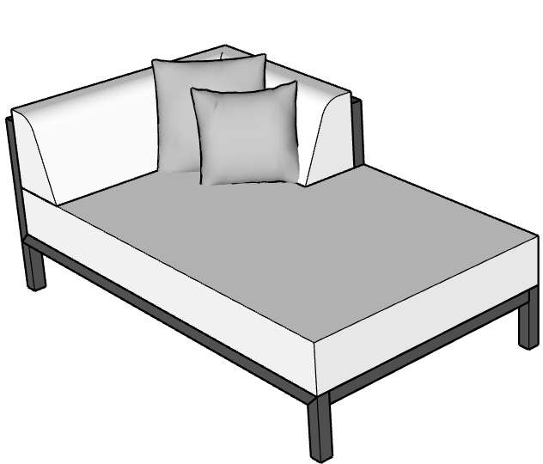 | Bravada | BRAVADA CORNER CHAISE 72" x 34" X 31" BH | $3,600.00 | $4,140.00 | Featuring the collection's signature clean lines and bold architectural profile, the Bravada Corner Chaise is designed for seamless modular customization and ultimate deep-seating luxury. Its unique silhouette allows you to effortlessly combine it with armless sofas to build grand L-shape or U-shape configurations perfectly framed around your custom fire pit or coffee table. True to the Bravada aesthetic, it features a straight low back, deep and firm cushions, and includes tailored pillows for enhanced style and support. To perfectly customize the piece to your relaxation style and space, choose between our standard 34-inch width or upgrade to the expansive 42-inch oversized chaise for a grander, more sprawling footprint. Fully customizable in premium fabrics, it pairs beautifully with optional ironwood accents to soften the armrests, or add our signature floating fly tables for stylish convenience. | Built for lasting durability in Phoenix, Arizona, the frame is constructed from American steel or aluminum, treated with a zinc-gel epoxy primer, and finished with a TGIC polyester powder coat, while the upholstery uses expertly crafted Sunbrella® fabrics known for their saturated color and built-in cleanability. , High-Density outdoor foam, Seat Cushion 8" thick, tapered back cushion 9" to 4". Includes one large square pillow (22") and one small square pillow (17"). Rubber adjusters and straps included. |  | N/A | Y | Y | N/A | Y
 | TRUE |  |  |  | BRAVADA CORNER CHAISE 84" x 34" x 31" BH | $3,800.00 | $4,370.00
 |  |  |  |  | BRAVADA OVERSIZED CHAISE 72" x 42" x 31" BH | $3,720.00 | $4,278.00
 |  |  |  |  | BRAVADA OVERSIZED CHAISE 84" x 42" x 31" BH | $4,200.00 | $4,830.00
8 | TRUE |  | 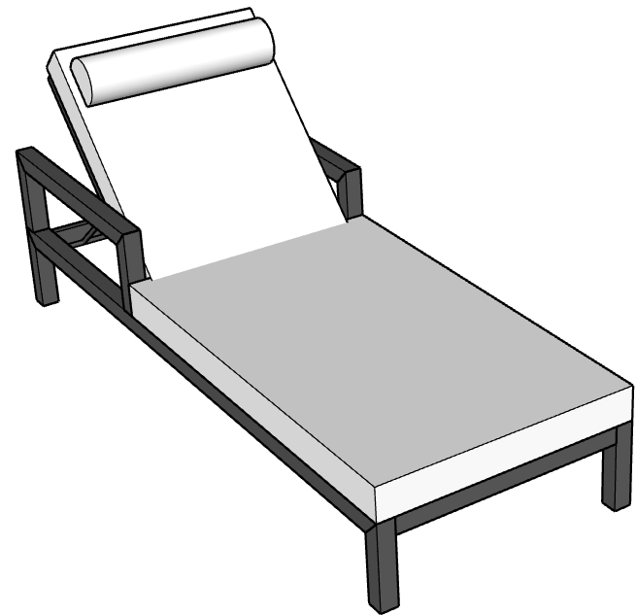 | Bravada | BRAVADA SINGLE CHAISE LOUNGE 30" x 79" x 14" SH | $2,460.00 | $2,829.00 | The Bravada Chaise Lounger by CC Patio masterfully marries a refined, narrow profile with our collection’s signature classic frame, for high-end comfort and timeless class. Engineered for pristine, poolside relaxation, it features a supportive, deep firm cushion complemented by a plush, removable headrest pillow for tailored support. To suit your personal aesthetic and lounging needs, customization options include adding sleek armrests or integrating a signature fly table featuring premium Dekton surfaces for effortless access to drinks and personal items. For ultimate resort-style versatility, opt for discrete, heavy-duty wheels to allow for smooth, easy mobility around your patio or sun deck. | Reclining frame for customizable comfort. Built for lasting durability in Phoenix, Arizona, the frame is constructed from American steel or aluminum, treated with a zinc-gel epoxy primer, and finished with a TGIC polyester powder coat, while the upholstery uses expertly crafted Sunbrella® fabrics known for their saturated color and built-in cleanability. , High-Density outdoor foam, 4" thick cushion. Seat height 14". Headrest included. Rubber adjusters and straps included. |  | N/A | Y | Y | N/A | Y | Arms/Ironwood/Casters
 | TRUE |  |  |  | BRAVADA DOUBLE CHAISE LOUNGE 58" x 79" x 14" SH | $3,720.00 | $4,278.00
9 | TRUE |  |  | BRAVADA | BRAVADA ROUND DAYBED 84" DIAMETER | $7,280.00 | $8,372.00 | The Bravada Round Daybed combines sculptural design with oversized comfort to create a striking outdoor centerpiece. Featuring a spacious circular silhouette, deep cushions, and supportive back pillows, the Bravada is designed for relaxing, entertaining, and poolside lounging in style. Its low-profile frame and tailored upholstery deliver a clean, contemporary look with a refined resort-inspired feel, while premium outdoor materials ensure lasting durability. Soft edges for a sophisticated, playful profile, the Bravada round daybed brings elevated comfort and modern luxury to any outdoor space. | Built for lasting durability in Phoenix, Arizona, the frame is constructed from American steel or aluminum, treated with a zinc-gel epoxy primer, and finished with a TGIC polyester powder coat, while the upholstery uses expertly crafted Sunbrella® fabrics known for their saturated color and built-in cleanability. , High-Density outdoor foam, base cushion 9" thick, seat height 17". Includes one lumbar pillow 10" x 24", one depending on the length, two large square pillows (22") and two small square pillows (17"). Rubber adjusters and straps included.
10 | TRUE |  |  | Bravada | BRAVADA DAYBED 72" x 72" x 27" BH | $6,480.00 | $7,452.00 | The Bravada Daybed combines sculptural design with oversized comfort to create a striking outdoor centerpiece. Featuring a spacious, cohesive silhouette, deep cushions, and supportive back pillows, the Bravada is designed for relaxing, entertaining, and poolside lounging in style. Its low-profile frame and tailored upholstery deliver a clean, contemporary look with a refined resort-inspired feel, while premium outdoor materials ensure lasting durability. Add an umbrella and welded side tables, for the ultimate poolside paradise. | Built for lasting durability in Phoenix, Arizona, the frame is constructed from American steel or aluminum, treated with a zinc-gel epoxy primer, and finished with a TGIC polyester powder coat, while the upholstery uses expertly crafted Sunbrella® fabrics known for their saturated color and built-in cleanability. Base cushion is 9" thick, seat height 17". Includes one lumbar pillow 10" x 24", two large square pillows (22") and two small square pillows (17"). Rubber adjusters and straps included. |  | N/A | Y | Y | Y | Y | Umbrella Holder
 | TRUE |  |  |  | BRAVADA DAYBED 84" x 72" x 27" BH | $6,720.00 | $7,728.00
 | TRUE |  |  |  | BRAVADA DAYBED 84" x 84" x 27" BH | $7,080.00 | $8,142.00
11 | TRUE |  | 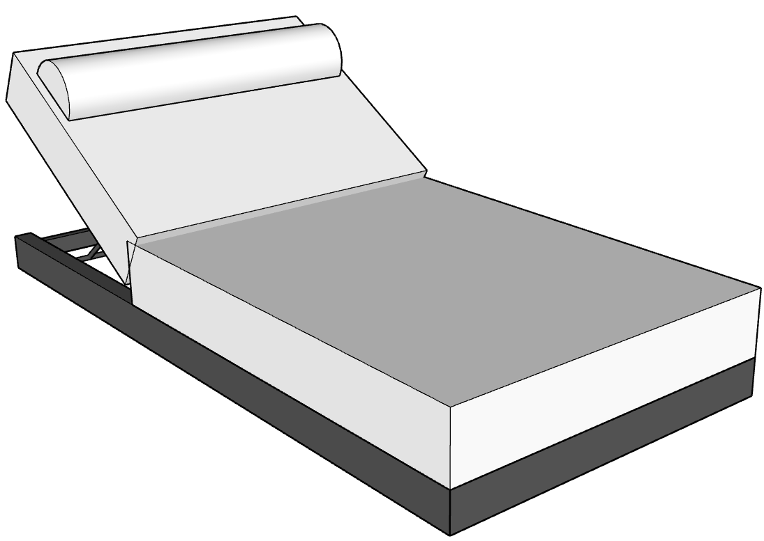 | BROOKLYN | BROOKLYN SINGLE CHAISE LOUNGE 38" x 79" x 11" SH | $2,940.00 | $3,381.00 | The Brooklyn Single Chaise Lounger features a low-profile silhouette with clean lines and oversized proportions designed for contemporary outdoor spaces. Its extra-wide frame, thick cushion, and adjustable reclining back provide flexible lounging positions, while the integrated headrest pillow adds additional support. Available in custom fabric and accent pillow combinations, the Brooklyn is designed for poolside, patio, and resort-style environments. | Reclining frame, built for lasting durability in Phoenix, Arizona, it is constructed from American steel or aluminum, treated with a zinc-gel epoxy primer, and finished with a TGIC polyester powder coat, while the upholstery uses expertly crafted Sunbrella® fabrics known for their saturated color and built-in cleanability. , High-Density outdoor foam, 7" thick. Headrest included. Rubber adjusters and straps included. |  | N/A | Y | Y | N/A | Y
12 | TRUE |  | 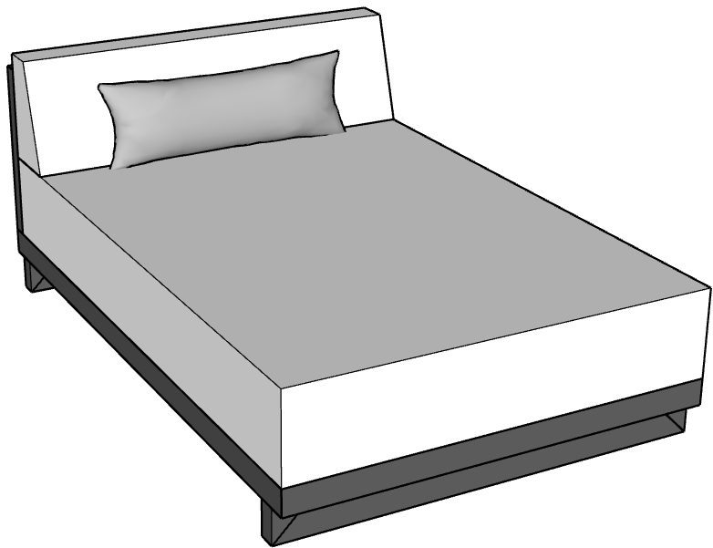 | BROOKLYN | BROOKLYN TRANSITIONAL DOUBLE CHAISE 48" x 72" x 30" BH | $4,080.00 | $4,692.00 | The Brooklyn Transitional Chaise by CC Patio masterfully bridges classic comfort and modern design, featuring a refined, low-profile silhouette with tailored, clean lines. Engineered with grand, oversized proportions and an extra-thick cushion, it features a sleek, fixed-back tapered cushion designed for effortless, permanent relaxation. For ultimate poolside convenience, a custom fly table can be seamlessly welded directly along the frame's back, or it pairs beautifully with our signature C-Table. Fully customizable in CC Patio’s premium fabrics, this transitional masterpiece elevates upscale patios and resort-style environments alike. | The transitional chaise does not recline, but instead provides a fixed back cushion, perfect for elevated relaxation and structural style. Built for lasting durability in Phoenix, Arizona, the frame is constructed from American steel or aluminum, treated with a zinc-gel epoxy primer, and finished with a TGIC polyester powder coat, while the upholstery uses expertly crafted Sunbrella® fabrics known for their saturated color and built-in cleanability. , High-Density outdoor foam, 7" thick. One lumbar pillow included. Rubber adjusters and straps included. |  | N/A | Y | Y | N/A | Y
 | TRUE |  |  |  | BROOKLYN TRANSITIONAL SINGLE CHAISE 36" x 72" x 30" BH | $3,720.00 | $4,278.00
13 | TRUE |  | 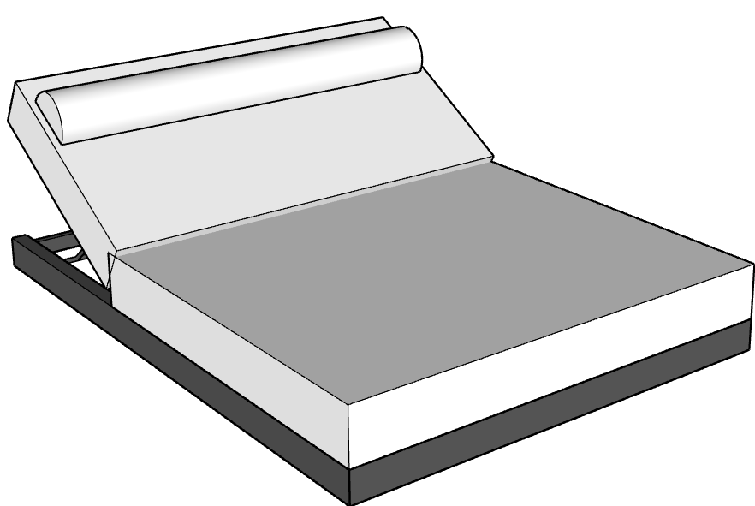 | BROOKLYN | BROOKLYN DOUBLE CHAISE LOUNGE 58" x 79" x 11" SH | $4,200.00 | $4,830.00 | The Brooklyn Double Chaise Lounger features a low-profile silhouette with clean lines and oversized proportions designed for contemporary outdoor spaces. Cozy up with a partner or sprawl in unparelleled comfort on this extra wide piece, featuring a substantial frame, thick cushion, and adjustable reclining back for flexible lounging positions, while the integrated headrest pillow adds additional support. Available in custom fabric and accent pillow combinations, the Brooklyn is designed for poolside, patio, and resort-style environments. | Reclining Built for lasting durability in Phoenix, Arizona, the frame is constructed from American steel or aluminum, treated with a zinc-gel epoxy primer, and finished with a TGIC polyester powder coat, while the upholstery uses expertly crafted Sunbrella® fabrics known for their saturated color and built-in cleanability. , High-Density outdoor foam, 7" thick cushion. Seat Height 11". Headrest included. Rubber adjusters and straps included. |  | N/A | Y | Y | N/A | Y
14 |  |  |  |  | BROOKLYN SOFA 60" x 34" x 30" BH | $3,360.00 | $3,864.00 | The Brooklyn Sofa masterfully bridges classic comfort and modern design, defined by its substantial, low-to-the-ground frame and tailored, clean lines. Engineered with grand, oversized proportions and an extra-wide silhouette, it features our thickest seat cushions yet, beautifully balanced by a sleek, fixed-back tapered cushion for an unparalleled lounging experience. Available in several standard freestanding sizes or fully customizable into grand modular configurations, this transitional masterpiece can be enhanced with a signature fly table welded seamlessly along the back and paired with coordinating fly leg stools for flexible, additional seating. For the ultimate resort-style environment, complete the layout with the unique Brooklyn Ottoman—featuring a sprawling textiled surface anchored by a luxurious floating Dekton centerpiece. | Built for lasting durability in Phoenix, Arizona, the frame is constructed from American steel or aluminum, treated with a zinc-gel epoxy primer, and finished with a TGIC polyester powder coat, while the upholstery uses expertly crafted Sunbrella® fabrics known for their saturated color and built-in cleanability. , High-Density outdoor foam, Seat Cushion 11" thick, tapered back cushion, 9" at base to 6". Includes two or more lumbar pillows 10" x 24", depending on the length. Rubber adjusters and straps included. |  | N/A | Y | Y | N/A | Y
 |  |  |  |  | BROOKLYN SOFA 72" x 34" x 30" BH | $3,840.00 | $4,416.00
 |  |  |  |  | BROOKLYN SOFA 84" x 34" x 30" BH | $4,200.00 | $4,830.00
 |  |  |  |  | BROOKLYN SOFA 96" x 34" x 30" BH | $4,800.00 | $5,520.00
15 |  |  |  | BROOKLYN | BROOKLYN CORNER SOFA 72" x 34" x 30" BH | $3,720.00 | $4,278.00 | The BROOKLYN Collection features a substantial frame that sits low to the ground for a low profile look that feels elegant and provides the ultimate comfort. Thick seat cushions and a triangular backrest, with both lumbar and square pillows, the corner sofa can be combined with our armless sofa for an L-shape or multiple pieces to create an iconic U-shape, perfectly tailored to your seating area. Combine with our large custom ottoman, featuring a floating piece of Dekton. | Built for lasting durability in Phoenix, Arizona, the frame is constructed from American steel or aluminum, treated with a zinc-gel epoxy primer, and finished with a TGIC polyester powder coat, while the upholstery uses expertly crafted Sunbrella® fabrics known for their saturated color and built-in cleanability. , High-Density outdoor foam, seat cushion 11" thick, tapered back cushion, 10" at base to 5". Includes one or more lumbar pillows 10" x 24", one large square pillows (22") and one small square pillow (17"). Rubber adjusters and straps included. |  | N/A | Y | Y | N/A | Y
 |  |  |  | BROOKLYN | BROOKLYN CORNER SOFA 84" x 34" x 30" BH | $4,200.00 | $4,830.00
 |  |  |  | BROOKLYN | BROOKLYN CORNER SOFA 96" x 34" x 30" BH | $4,680.00 | $5,382.00
16 |  |  |  | BROOKLYN | BROOKLYN CORNER CHAISE 84" x 42" x 30" BH | $4,440.00 | $5,106.00 | Defined by the collection's signature clean lines and a substantial, low-to-the-ground profile, the Brooklyn Corner Chaise is designed for seamless modular customization and ultimate deep-seating luxury. Its unique, corner-oriented silhouette allows you to effortlessly combine it with armless sofas to build grand L-shape or U-shape configurations perfectly framed around your custom fire pit or coffee table. True to the Brooklyn aesthetic, it features a sleek, fixed-back tapered cushion paired with our thickest seat cushions yet for an unparalleled, plush lounging experience. To perfectly customize the piece to your relaxation style and space, choose between our standard 34-inch width or upgrade to the expansive 42-inch oversized version for a grander, more sprawling footprint. Fully customizable in premium fabrics, this transitional centerpiece can be modified with a signature fly table welded seamlessly along the back frame and pairs beautifully with coordinating fly leg stools or our unique textiled Brooklyn Ottoman. | Built for lasting durability in Phoenix, Arizona, the frame is constructed from American steel or aluminum, treated with a zinc-gel epoxy primer, and finished with a TGIC polyester powder coat, while the upholstery uses expertly crafted Sunbrella® fabrics known for their saturated color and built-in cleanability. , High-Density outdoor foam, seat cushion 11" thick, tapered back cushion, 9" at base, to 6". Includes one or more lumbar pillows 10" x 24", one large square pillows (22") and one small square pillow (17"). Rubber adjusters and straps included. |  | N/A | Y | Y | N/A | Y

17 | TRUE |  |  | Ocean | OCEAN CLUB CHAIR w/METAL ARM 34" x 38" x 33" BH | $2,280.00 | $2,622.00 | The Ocean Club Chair seamlessly blends striking architectural lines with luxurious, ergonomically minded comfort. Defined by the collection’s signature bold block-frame design that elegantly anchors the outside of the piece, this chair features a structure that is thoughtfully angled at 45 degrees to create a perfectly balanced, natural recline. Crafted for ultimate relaxation and sophisticated outdoor socializing, it boasts an expansive wide seat with a deep 6-inch firm seat cushion, beautifully complemented by a supportive back cushion. Fully customizable in CC Patio's premium fabrics, it can be enhanced with a rich ironwood accent to soften the armrests or integrated with a luxurious Dekton side table for effortless functionality. Bringing a flawless balance of geometric elegance and relaxed luxury, the Ocean Club Chair makes an exceptionally sophisticated and robust statement in any upscale outdoor setting. | Built for lasting durability in Phoenix, Arizona, the frame is constructed from American steel or aluminum, treated with a zinc-gel epoxy primer, and finished with a TGIC polyester powder coat, while the upholstery uses expertly crafted Sunbrella® fabrics known for their saturated color and built-in cleanability. , High-Density outdoor foam, seat & back cushion 6" thick, Seat Height 15". Includes one lumbar pillow 10" x 24". Rubber Adjusters and straps are included. |  | N/A | Y | Y | N/A | Y | Ironwood/Dekton Sidearm
18 | TRUE |  |  | Ocean | OCEAN SWIVEL CHAIR 34" x 38" x 33" BH | $2,780.00 | $3,197.00 | The Ocean Swivel Chair seamlessly blends striking architectural lines with luxurious, motion-enhanced comfort. Defined by the collection’s signature bold block-frame design that elegantly anchors the outside of the piece, this chair features a structure that is thoughtfully angled at 45 degrees to create a perfectly balanced, natural recline. Engineered with a hidden premium swivel mechanism, it offers a smooth, 360-degree rotation that is ideal for dynamic outdoor socializing and panoramic resort views. It boasts an expansive wide seat with a deep 6-inch firm seat cushion, beautifully complemented by a supportive 6-inch back cushion. Fully customizable in CC Patio's premium fabrics, it can be enhanced with a rich ironwood accent to soften the armrests or integrated with a luxurious Dekton side table for effortless functionality, making it a sophisticated and functional statement piece for any upscale setting. | Built for lasting durability in Phoenix, Arizona, the frame is constructed from American steel or aluminum, treated with a zinc-gel epoxy primer, and finished with a TGIC polyester powder coat, while the upholstery uses expertly crafted Sunbrella® fabrics known for their saturated color and built-in cleanability. , High-Density outdoor foam, 6" thick seat and back cushions, includes one lumbar pillow 10" x 24". Rubber Adjusters and straps are included. Swivels, does not glide or rock. |  | N/A | Y | Y | N/A | Y | Ironwood/Dekton Sidearm
 |  |  |  |  | OCEAN SWIVEL CHAIR W/DEKTON SIDEARM 34" x 38" X 33 | $3,080.00
19 | TRUE |  |  | Ocean | OCEAN SOFA 72" x 38" x 33" BH | $3,600.00 | $4,140.00 | The Ocean Sofa blends striking architectural lines with luxurious, ergonomically minded comfort on a grand scale. Defined by the collection’s signature bold block-frame design that elegantly anchors the outside of the piece, this sofa features a structure that is thoughtfully angled at 45 degrees to create a perfectly balanced, natural recline. Crafted for spacious relaxation and sophisticated outdoor socializing, it boasts expansive seating with deep 6-inch firm seat cushions, beautifully complemented by tall, supportive back cushions. Fully customizable in CC Patio's premium fabrics, it can be enhanced with rich ironwood accents to soften the armrests. Available in several standard freestanding sizes, with or without arms, it serves as the ultimate centerpiece for an elevated outdoor lounge. | Built for lasting durability in Phoenix, Arizona, the frame is constructed from American steel or aluminum, treated with a zinc-gel epoxy primer, and finished with a TGIC polyester powder coat, while the upholstery uses expertly crafted Sunbrella® fabrics known for their saturated color and built-in cleanability. , High-Density outdoor foam, 6" thick cushions, includes two or more lumbar pillows 10" x 24". Rubber Adjusters and straps are included. |  | N/A | Y | Y | N/A | Y | Ironwood/Dekton Sidearms
 | TRUE |  |  |  | OCEAN SOFA 84" x 38" x 33" BH | $3,960.00 | $4,554.00
 | TRUE |  |  |  | OCEAN SOFA 96" x 38" x 33" BH | $4,440.00 | $5,106.00
20 | TRUE |  |  | Ocean | OCEAN MINI LOVESEAT 48" x 38" x 33" BH | $2,540.00 | $2,921.00 | The Ocean Loveseat seamlessly blends striking architectural lines with luxurious, ergonomically minded comfort, perfectly scaled for intimate outdoor spaces. Defined by the collection’s signature bold block-frame design, its structure is thoughtfully angled at 45 degrees to create a perfectly balanced, natural recline. Crafted for cozy relaxation and sophisticated socializing, this two-passenger piece boasts deep 6-inch firm seat cushions complemented by tall, supportive back cushions. Fully customizable in CC Patio's premium fabrics and available with or without arms—plus optional rich ironwood accents to soften the armrests—it serves as the ultimate standalone centerpiece or a flawless companion in an elevated outdoor lounge. | Built for lasting durability in Phoenix, Arizona, the frame is constructed from American steel or aluminum, treated with a zinc-gel epoxy primer, and finished with a TGIC polyester powder coat, while the upholstery uses expertly crafted Sunbrella® fabrics known for their saturated color and built-in cleanability. , High-Density outdoor foam, Seat Cushion 7" thick, Back Cushion 6" thick, includes one lumbar pillow, 10" x 24". Rubber Adjusters and straps are included. |  | N/A | Y | Y | N/A | Y | Ironwood/Dekton Sidearms
 | TRUE |  |  |  | OCEAN LOVESEAT 60" x 38" x 33" BH | $3,140.00 | $3,611.00
21 | TRUE |  |  | Ocean | OCEAN SINGLE CHAISE LOUNGE 36" x 79" x 14" SH | $2,550.00 | $2,932.50 | The Ocean Chaise Lounge masterfully marries the collection's striking architectural lines with pristine, poolside relaxation. Showcasing a refined, continuous under-frame that keeps the side profile exceptionally sleek and open, this premium lounger boasts an extra-wide, 36-inch spacious silhouette crafted for ultimate deep-seating luxury. It features a supportive 5-inch cushion, completed by a plush headrest pillow for tailored comfort and a pop of customizable accent color. Fully customizable in CC Patio's premium fabrics, this staple resort piece integrates flawlessly with a luxurious, built-in Dekton side table for effortless functionality, making it an exceptionally sophisticated and robust addition to any upscale sun deck or poolside oasis. | Reclining Built for lasting durability in Phoenix, Arizona, the frame is constructed from American steel or aluminum, treated with a zinc-gel epoxy primer, and finished with a TGIC polyester powder coat, while the upholstery uses expertly crafted Sunbrella® fabrics known for their saturated color and built-in cleanability. , High-Density outdoor foam, 5" thick cushion. Seat height 14". Headrest included. Rubber adjusters and straps included. |  | N/A | Y | Y | N/A | Y | Arms/Ironwood/Casters
 | TRUE |  |  |  | OCEAN DOUBLE CHAISE LOUNGE 58" x 79" x 14" SH | $3,850.00 | $4,427.50
22 | TRUE |  |  | Milan | MILAN CLUB CHAIR 32" x 36" x 16" SH | $2,400.00 | $2,760.00 | The Milan Club Chair is an icon of avant-garde outdoor luxury, seamlessly blending striking architectural lines with substantial, ultra-plush comfort. Richer in premium textiles than traditional outdoor lines, the Milan collection centers on deep, fully fabric-wrapped cushioning nestled within a signature bold block-frame design. As part of a highly versatile modular system—featuring innovative double-sided sofas and interchangeable seating components—this chair is designed to mix, match, and configure into custom conversational islands. It features an expansive wide seat with an oversized, extra-deep cushion, beautifully complemented by a thick, supportive square back cushion and a tailored lumbar pillow. The structural frame creates a dramatic, modern silhouette that cradles the deep seating, offering a flawless balance of geometric minimalism and high-end resort relaxation to make an exceptionally sophisticated statement in any upscale setting. | Built for lasting durability in Phoenix, Arizona, the frame is constructed from American steel or aluminum, treated with a zinc-gel epoxy primer, and finished with a TGIC polyester powder coat, while the upholstery uses expertly crafted Sunbrella® fabrics known for their saturated color and built-in cleanability. , High-Density outdoor foam, 12" thick cushions. Features 1" metal arms, 26" back height. Includes one lumber pillow, 10" x 24". Rubber Adjusters and straps are included. |  | N/A | Y | Y | N/A | Y
23 |  |  |  | Milan | MILAN OTTOMAN 34" X 42" x 16" | $1,400.00 | $1,610.00 | Luxurious, and beautifully streamlined, the Milan Ottoman features a refined, thinner frame fully wrapped in premium textile for a seamless, tailored look. This statement piece balances its sleek profile with an indulgent, extra-thick 12" cushion designed for plush, resort-style comfort. Custom-fabricated to your exact dimensions in premium performance fabrics, it offers elevated functionality with an optional integrated, "floating" Dekton tray—a sophisticated solid-stone surface that sits perfectly atop the cushion for drinks or decor. | Built for lasting durability in Phoenix, Arizona, the frame is constructed from American steel or aluminum, treated with a zinc-gel epoxy primer, and finished with a TGIC polyester powder coat, while the upholstery uses expertly crafted Sunbrella® fabrics known for their saturated color and built-in cleanability. , High-Density outdoor foam, 12" thick cushions. Rubber Adjusters and straps are included. |  | N/A | Y | Y | N/A | Y
 | TRUE |  |  | Milan | MILAN OTTOMAN 22" x 60" x 16" | $1,280.00 | $1,472.00
 | TRUE |  |  | Milan | MILAN OTTOMAN 22" x 72" x 16" | $1,500.00 | $1,725.00
 |  |  |  | Milan | MILAN OTTOMAN 34" x 34" x 16" | $1,280.00 | $1,472.00
 | TRUE |  |  | Milan | MILAN OTTOMAN 34" x 60" x 16" | $1,850.00 | $2,127.50
 |  |  |  | Milan | MILAN OTTOMAN 34" x 72" x 16" | $2,200.00 | $2,530.00
 | TRUE |  |  |  | MILAN OTTOMAN 56"x 42" x 16" | $2,040.00 | $2,346.00
24 |  |  |  | Milan |  | $3,520.00 | $4,048.00 | The Milan is our newest collection and this sofa is an icon of avant-garde outdoor luxury, seamlessly blending striking architectural lines with substantial, ultra-plush comfort on a grand scale. Richer in premium textiles than traditional outdoor lines, this piece centers on deep, fully fabric-wrapped cushioning nestled within the collection’s signature bold block-frame design. As a vital foundation of Milan’s highly versatile modular system, it can be effortlessly mixed, matched, and configured alongside our single-sided sectionals, club chairs, or double-sided conversational islands to perfectly suit your space. It boasts expansive, extra-deep seat cushions beautifully complemented by thick, supportive square back cushioning and tailored lumbar pillows. Offering a flawless balance of geometric minimalism and high-end resort relaxation, the Milan Single-Sided Sofa makes an exceptionally sophisticated statement in any upscale outdoor setting. | Built for lasting durability in Phoenix, Arizona, the frame is constructed from American steel or aluminum, treated with a zinc-gel epoxy primer, and finished with a TGIC polyester powder coat, while the upholstery uses expertly crafted Sunbrella® fabrics known for their saturated color and built-in cleanability. , High-Density outdoor foam, 12" thick cushions, 8" wide armrests, 26" back height. Includes two or more lumber pillows, 10" x 24". Rubber Adjusters and straps are included. |  | N/A | Y | Y | N/A | Y

 | TRUE |  |  | Milan | MILAN ONE-SIDED SOFA 72" X 36" x 16" SH | $4,030.00 | $4,634.50 |  |  |  | N/A | Y | Y | N/A | Y
 | TRUE |  |  | Milan | MILAN ONE SIDED SOFA 84" X 36" X 16" SH | $4,400.00 | $5,060.00
 | TRUE |  |  | Milan | MILAN ONE-SIDED SOFA 96" X 36" X 16" SH | $5,040.00 | $5,796.00
25 | TRUE |  |  | Milan | MILAN DOUBLE-SIDED SOFA 60" X 62" X 16" SH | $5,420.00 | $6,233.00 | The Milan Double-Sided Sofa by CC Patio is an icon of avant-garde outdoor luxury, engineered to transform expansive spaces into dynamic, multi-directional conversational lounges. Richer in premium textiles than traditional outdoor lines, this showpiece features deep, fully fabric-wrapped cushioning anchored by a shared, central backrest that allows for luxurious lounging on both sides simultaneously. Each side boasts oversized, extra-deep seat cushions beautifully complemented by thick, supportive back cushioning and tailored lumbar pillows. Seamlessly blending geometric minimalism with high-end resort relaxation, the Milan makes an exceptionally sophisticated and sculptural statement in any upscale outdoor setting. The T-Shape Configuration: For grand, multi-directional layouts, the Milan can be configured with a specialized T-shaped profile. Engineered as the definitive architectural endcap, this configuration is designed to cap off multiple double-sided sofas—effortlessly bridging separate conversational islands into one seamless, cohesive layout while beautifully grounding and polishing the entire modular footprint. | Built for lasting durability in Phoenix, Arizona, the frame is constructed from American steel or aluminum, treated with a zinc-gel epoxy primer, and finished with a TGIC polyester powder coat, while the upholstery uses expertly crafted Sunbrella® fabrics known for their saturated color and built-in cleanability. , High-Density outdoor foam, 12" thick cushions, 8" wide armrests, 26" back height. Includes two or more lumber pillows, 10" x 24". Rubber Adjusters and straps are included. |  | N/A | Y | Y | N/A | Y
26 | TRUE |  |  | Milan | MILAN T-SHAPED SOFA 62" X 42" X 22" X 16" SH | $5,700.00 | $6,555.00 |  | Built for lasting durability in Phoenix, Arizona, the frame is constructed from American steel or aluminum, treated with a zinc-gel epoxy primer, and finished with a TGIC polyester powder coat, while the upholstery uses expertly crafted Sunbrella® fabrics known for their saturated color and built-in cleanability. , High-Density outdoor foam, 12" thick cushions, 8" wide armrests, 26" back height. Includes two or more lumber pillows, 10" x 24". Rubber Adjusters and straps are included. |  | N/A | Y | Y | N/A | Y
 |  |  | COFFEE TABLES, T-TABLES, FLYING TABLES
27 | TRUE |  |  | Ocean | OCEAN ROUND SIDE TABLE 36" x 17" | $1,150.00 | $1,322.50 | Experience the enduring beauty of Dekton surfaces on all of our custom-fabricated tables. The Ocean round side table is a stylish accent piece, perfectly designed to fit your outdoor space. 25-year manufacturer's warranty on the Dekton | Built for lasting durability in Phoenix, Arizona, the frame is constructed from American steel or aluminum, treated with a zinc-gel epoxy primer, and finished with a TGIC polyester powder coat. Top is custom fabricated Dekton, an ultra-compact, high-performance surface engineered from a sophisticated blend of raw materials used to make glass, porcelain, and quartz. It offers exceptional durability, boasting complete resistance to UV rays, scratches, stains, thermal shock, and extreme weather conditions. Custom fabricated with a sharknose edge, mitered profile available upon request. |  | N/A | N/A | Y | Y | N/A
 |  |  |  | Ocean | OCEAN SIDE TABLE 20" x 20" x 17" | $900.00 | $1,035.00 | The Ocean Side Table by CC Patio brings the effortless elegance of a high-end resort straight to your backyard, serving as a stunning centerpiece that seamlessly balances modern geometry with practical luxury. Available in both a flowing round configuration or a crisp square silhouette, this versatile table features a striking, premium metal frame with an open-base design that supports a sophisticated tabletop surface. Designed to withstand the elements without losing its sophisticated luster, the piece is fully customizable, allowing you to tailor the frame finish, shape, and premium tabletop material to perfectly complement the unique aesthetic of your private outdoor sanctuary. |  |  | N/A | N/A | Y | Y | N/A
28 | TRUE |  |  | Bravada | BRAVADA COFFEE TABLE 28" x 42" x 17" | $2,280.00 | $2,622.00 | The Bravada Coffee Table is a timeless piece of architectural design, masterfully crafted to bring clean lines and minimalist elegance to the center of your outdoor lounge. Designed to integrate perfectly into your custom seating configuration, this premium table features the enduring beauty and high-end performance of a custom-fabricated Dekton surface, offering unmatched resistance to UV rays, scratches, and stains. Anchored by the collection's signature high-gauge metal framework, it serves as a sophisticated focal point that balances pristine luxury with uncompromising durability. | Built for lasting durability in Phoenix, Arizona, the frame is constructed from American steel or aluminum, treated with a zinc-gel epoxy primer, and finished with a TGIC polyester powder coat. Top is custom fabricated Dekton, an ultra-compact, high-performance surface engineered from a sophisticated blend of raw materials used to make glass, porcelain, and quartz. It offers exceptional durability, boasting complete resistance to UV rays, scratches, stains, thermal shock, and extreme weather conditions. Custom fabricated with a sharknose edge, mitered profile available upon request. |  | N/A | N/A | Y | Y | N/A
 | TRUE |  |  |  | BRAVADA COFFEE TABLE 36" x 36" x 17" | $2,280.00 | $2,622.00
 | TRUE |  |  |  | BRAVADA COFFEE TABLE 36" x 56" x 17" | $3,000.00 | $3,450.00
 |  |  |  |  |  | $3,600.00 | $4,140.00
 | TRUE |  |  |  | BRAVADA COFFEE TABLE 42" x 42" x 17" | $2,880.00 | $3,312.00
 | TRUE |  |  |  | BRAVADA COFFEE TABLE 42" x 56" x 17" | $3,120.00 | $3,588.00
 |  |  |  |  | BRAVADA COFFEE TABLE 42" x 72" x 17" | $3,960.00 | $4,554.00
 | TRUE |  |  |  | BRAVADA COFFEE TABLE 56" x 56" x 17" | $4,320.00 | $4,968.00
 |  |  |  |  | BRAVADA COFFEE TABLE 56" x 72" x 17" | $5,160.00 | $5,934.00
29 |  |  |  | Bravada | BRAVADA SIDE TABLE 20" x 20" x 17" | $780.00 | $897.00 | Experience the enduring beauty of Dekton surfaces on all of our custom-fabricated tables. The Bravada coffee table is a timeless pieces, featuring clean lines, perfectly designed to fit your outdoor space. 25-year warranty on the stone and structural frame. | Built for lasting durability in Phoenix, Arizona, the frame is constructed from American steel or aluminum, treated with a zinc-gel epoxy primer, and finished with a TGIC polyester powder coat. Top is custom fabricated Dekton, an ultra-compact, high-performance surface engineered from a sophisticated blend of raw materials used to make glass, porcelain, and quartz. It offers exceptional durability, boasting complete resistance to UV rays, scratches, stains, thermal shock, and extreme weather conditions. Custom fabricated with a sharknose edge, mitered profile available upon request. |  | N/A | N/A | Y | Y | N/A
30 | TRUE |  |  | Ocean | OCEAN COFFEE TABLE 28" x 56" x 17" | $3,000.00 | $3,450.00 | Featuring clean, contemporary lines, the Ocean Coffee Table serves as the sophisticated centerpiece for effortless outdoor customization. Its sleek, geometric frame design beautifully anchors large modular configurations, seamlessly bringing together L-shape or U-shape sofa layouts centered around your main seating area. Boasting a premium, ultra-durable Dekton surface, this table offers a striking modern aesthetic that resists scratches, stains, and extreme outdoor elements. Fully customizable in multiple sizes and frame finishes, it pairs perfectly with our signature collections to elevate any upscale luxury patio layout. | Built for lasting durability in Phoenix, Arizona, the frame is constructed from American steel or aluminum, treated with a zinc-gel epoxy primer, and finished with a TGIC polyester powder coat. Top is custom fabricated Dekton, an ultra-compact, high-performance surface engineered from a sophisticated blend of raw materials used to make glass, porcelain, and quartz. It offers exceptional durability, boasting complete resistance to UV rays, scratches, stains, thermal shock, and extreme weather conditions. Custom fabricated with a sharknose edge, mitered profile available upon request. |  | N/A | N/A | Y | Y | N/A
 |  |  |  |  | OCEAN COFFEE TABLE 36" x 36" x 17" | $2,760.00 | $3,174.00
 | TRUE |  |  |  | OCEAN COFFEE TABLE 36" x 56" x 17" | $3,240.00 | $3,726.00
 | TRUE |  |  |  | OCEAN COFFEE TABLE 36" x 72" x 17" | $3,840.00 | $4,416.00
 | TRUE |  |  |  | OCEAN COFFEE TABLE 42" x 42" x 17" | $3,120.00 | $3,588.00
 | TRUE |  |  |  | OCEAN COFFEE TABLE 42" x 56" x 17" | $3,480.00 | $4,002.00
 |  |  |  |  | OCEAN COFFEE TABLE 42" x 72" x 17" | $4,200.00 | $4,830.00
 | TRUE |  |  |  | OCEAN COFFEE TABLE 56" x 56" x 17" | $4,560.00 | $5,244.00
 |  |  |  |  | OCEAN COFFEE TABLE 56" x 72" x 17" | $5,400.00 | $6,210.00
 | TRUE |  |  |  | OCEAN COFFEE TABLE 28" x 42" x 17" | $2,520.00 | $2,898.00
 |  |  |  |  | ANGULAR SIDE TABLE | 850.00 | $977.50 | The perfect architectural accent for compact spaces, the Angular Side Table is beautifully engineered to slot seamlessly between two chairs or anchor tight layouts. Designed to complement CC Patio's geometric minimalism, this versatile piece is fully customizable with your choice of a premium Dekton top and a signature luxury frame.
31 | TRUE |  |  |  | FLY TABLE 34" X 12" | $650.00 | $747.50 | The Signature Fly Table by CC Patio is a defining element of high-end convenience, engineered to bring a seamless, minimalist utility to your luxury outdoor layout. Designed as a striking, floating surface for drinks and personal items, this signature accent can be welded permanently into your furniture's metal framework or manufactured as a versatile, freestanding movable piece. To perfectly complement your chosen collection, the tabletop dimensions and premium materials—including sleek, ultra-durable Dekton surfaces—can be fully customized to match your framework. Offering a flawless blend of architectural innovation and effortless functionality, the Fly Table integrates beautifully into your custom layout to elevate the lounging experience with a sophisticated, modern edge. | Built for lasting durability in Phoenix, Arizona, the frame is constructed from American steel or aluminum, treated with a zinc-gel epoxy primer, and finished with a TGIC polyester powder coat. Top is custom fabricated Dekton, an ultra-compact, high-performance surface engineered from a sophisticated blend of raw materials used to make glass, porcelain, and quartz. It offers exceptional durability, boasting complete resistance to UV rays, scratches, stains, thermal shock, and extreme weather conditions. Dekton is set within a 2" frame. |  | N/A | N/A | Y | Y | N/A
 |  |  |  |  | FLY TABLE 72" X 12" | $780.00
 |  |  |  |  | FLY TABLE 84" X 12" | $900.00 | $1,035.00
 |  |  |  |  | FLY TABLE 34" X 12" | $480.00 | $552.00
 |  |  |  |  | FLY TABLE 96" X 12" | $1,150.00 | $1,322.50
32 |  |  |  |  | TRIANGLE SIDE TABLE 32" x 32" x 17" | $750.00 | $862.50 | The perfect architectural accent for compact spaces, the Triangle Side Table is beautifully engineered to slot seamlessly between two sofas or anchor tight layouts. Designed to complement CC Patio's geometric minimalism, this versatile piece is fully customizable with your choice of a premium Dekton top and a signature luxury frame. | Built for lasting durability in Phoenix, Arizona, the frame is constructed from American steel or aluminum, treated with a zinc-gel epoxy primer, and finished with a TGIC polyester powder coat. Top is custom fabricated Dekton, an ultra-compact, high-performance surface engineered from a sophisticated blend of raw materials used to make glass, porcelain, and quartz. It offers exceptional durability, boasting complete resistance to UV rays, scratches, stains, thermal shock, and extreme weather conditions. Dekton is inset in a 2" frame. |  | N/A | N/A | Y | Y | N/A
33 | TRUE |  |  |  | T TABLE 13" x 30" x 16" | $480.00 | $552.00 | The T Table seamlessly blends minimalist geometry with versatile outdoor functionality. Crafted as a low-profile companion for luxury lounging, this compact side table features a slender silhouette engineered to slide between club chairs, nestle against a sofa, or sit poolside alongside luxury chaises. The architectural frame supports a custom-fabricated Dekton top, bringing the enduring beauty and high-end performance of premium stone to your outdoor oasis with unmatched resistance to UV rays, scratches, and stains. Lightweight for effortless repositioning yet incredibly robust, this multi-faceted piece is fully customizable in finish and material pairings. Offering a timeless balance of understated art and utility, the T Table adds an effortless, resort-style sophistication to any high-end patio. | Built for lasting durability in Phoenix, Arizona, the frame is constructed from American steel or aluminum, treated with a zinc-gel epoxy primer, and finished with a TGIC polyester powder coat. Top is custom fabricated Dekton, an ultra-compact, high-performance surface engineered from a sophisticated blend of raw materials used to make glass, porcelain, and quartz. It offers exceptional durability, boasting complete resistance to UV rays, scratches, stains, thermal shock, and extreme weather conditions. Dekton is set within a 2" frame. |  | N/A | N/A | Y | Y | N/A
 |  |  |  |  | U SIDE TABLE 13" x 30" x 21" | $625.00 | $718.75 | Engineered for ultimate convenience and sleek resort style, the "U" Side Table features a cantilevered design that slides effortlessly over the side of your sofa or daybed. This intelligent, space-saving accent brings a premium Dekton surface right to your fingertips, keeping your essentials close at hand without sacrificing a footprint of floor space. | Built for lasting durability in Phoenix, Arizona, the frame is constructed from American steel or aluminum, treated with a zinc-gel epoxy primer, and finished with a TGIC polyester powder coat. Top is custom fabricated Dekton, an ultra-compact, high-performance surface engineered from a sophisticated blend of raw materials used to make glass, porcelain, and quartz. It offers exceptional durability, boasting complete resistance to UV rays, scratches, stains, thermal shock, and extreme weather conditions. Dekton is set within a 2" frame. |  | N/A | N/A | Y | Y | N/A
34 |  |  |  |  | WATERFALL SIDE TABLE 40"x 13" x 12" | $985.00 | $1,132.75 | Experience the enduring beauty of Dekton with a striking, continuous profile. Featuring extended stone that flows seamlessly down either side, this gorgeous architectural piece brings a clean, monolithic elegance to any luxury seating area. Backed by a 25-year warranty on both the stone surface and the structural frame, it is a timeless statement of durability and high-end resort style. | Built for lasting durability in Phoenix, Arizona, the frame is constructed from American steel or aluminum, treated with a zinc-gel epoxy primer, and finished with a TGIC polyester powder coat. Inset is custom fabricated Dekton, an ultra-compact, high-performance surface engineered from a sophisticated blend of raw materials used to make glass, porcelain, and quartz. It offers exceptional durability, boasting complete resistance to UV rays, scratches, stains, thermal shock, and extreme weather conditions. |  | N/A | N/A | Y | Y | N/A

 |  |  | DINING TABLES, FIRE TABLES, ETC.
35 |  |  |  |  | DAISY BASE ROUND TABLE (DINING HEIGHT) 42" x 30" | $4,280.00 | $4,922.00 | The Daisy Base Round Table is a striking statement of sculptural elegance, engineered to serve as a luxurious centerpiece for upscale outdoor dining or intimate socializing. Defined by its artistic, beautifully contoured base, this table masterfully balances mid-century modern inspiration with a clean, contemporary silhouette. The statement base supports a custom-fabricated, round or oval Dekton top, bringing the enduring beauty and high-end performance of premium stone to your outdoor oasis with unmatched resistance to UV rays, scratches, and stains. Fully customizable in size and finish to integrate seamlessly into your unique space, the premium Dekton surface is backed by an exceptional 25-year warranty, while the structural integrity of the artistic frame is protected by a 10-year warranty. Offering a flawless blend of geometric art and effortless functionality, the Daisy Round Table brings a sophisticated, resort-style edge to any patio design. | Built for lasting durability in Phoenix, Arizona, the frame is constructed from American steel or aluminum, treated with a zinc-gel epoxy primer, and finished with a TGIC polyester powder coat. Top is custom fabricated Dekton, an ultra-compact, high-performance surface engineered from a sophisticated blend of raw materials used to make glass, porcelain, and quartz. It offers exceptional durability, boasting complete resistance to UV rays, scratches, stains, thermal shock, and extreme weather conditions. Dekton is fabricated with a sharknose edge and backed by a 25-year manufacturer's warranty. Mitered edge available upon request. |  | Y | N/A | Y | Y | N/A
 |  |  |  |  | DAISY BASE ROUND TABLE (DINING HEIGHT) 56" x 30" | $4,880.00 | $5,612.00 |  |  |  | Y | N/A | Y | Y | N/A
 |  |  |  |  | DAISY BASE OVAL TABLE 108" X 56" X 30" | $7,360.00 |  |  |  |  | Y | N/A | Y | Y | N/A
36 |  |  |  |  | DAISY BASE TABLE (BAR HEIGHT) 42" x 120" x 42" | $7,080.00 | $8,142.00 | The Daisy Base Dining Table seamlessly blends striking, geometric artistry with grand-scale functionality. Crafted to serve as a luxurious, architectural centerpiece for upscale outdoor dining and expansive entertaining, this table features a clean, contemporary silhouette supported by a beautifully contoured, sculptural base. The artistic frame supports a custom-fabricated, square or rectangular Dekton top, bringing the enduring beauty and high-end performance of premium stone to your outdoor oasis with unmatched resistance to UV rays, scratches, and stains. Fully customizable in size, edge profile, and finish to integrate seamlessly into your unique spatial layout, the premium Dekton surface is backed by an exceptional 25-year warranty, while the structural integrity of the frame is protected by a 10-year warranty. Offering a flawless balance of bold, modern design and robust utility, the Daisy Rectangular and Square Table brings a sophisticated, resort-style edge to any outdoor setting. | Built for lasting durability in Phoenix, Arizona, the frame is constructed from American steel or aluminum, treated with a zinc-gel epoxy primer, and finished with a TGIC polyester powder coat. Top is custom fabricated Dekton, an ultra-compact, high-performance surface engineered from a sophisticated blend of raw materials used to make glass, porcelain, and quartz. It offers exceptional durability, boasting complete resistance to UV rays, scratches, stains, thermal shock, and extreme weather conditions. Dekton is fabricated with a sharknose edge and backed by a 25-year manufacturer's warranty. Mitered profile available upon request. |  | Y | N/A | Y | Y | N/A
 |  |  |  |  | DAISY BASE TABLE (BAR HEIGHT) 42" x 72" x 42" | $5,400.00 | $6,210.00
 |  |  |  |  | DAISY BASE TABLE (BAR HEIGHT) 42" x 96" x 42" | $6,240.00 | $7,176.00
 |  |  |  |  | DAISY BASE TABLE (BAR HEIGHT) 56" x 120" x 42" | $7,380.00 | $8,487.00
 |  |  |  |  | DAISY BASE TABLE (BAR HEIGHT) 56" x 56" x 42" | $4,980.00 | $5,727.00
 |  |  |  |  | DAISY BASE TABLE (BAR HEIGHT) 56" x 72" x 42" | $5,940.00 | $6,831.00
 |  |  |  |  | DAISY BASE TABLE (BAR HEIGHT) 56" x 96" x 42" | $6,660.00 | $7,659.00
 |  |  |  |  | DAISY BASE TABLE (COUNTER HEIGHT) 42" x 120" x 36" | $6,840.00 | $7,866.00
 |  |  |  |  | DAISY BASE TABLE (COUNTER HEIGHT) 42" x 72" x 36" | $5,280.00 | $6,072.00
 |  |  |  |  | DAISY BASE TABLE (COUNTER HEIGHT) 42" x 96" x 36" | $6,120.00 | $7,038.00
 |  |  |  |  | DAISY BASE TABLE (COUNTER HEIGHT) 56" x 120" x 36" | $7,260.00 | $8,349.00
 |  |  |  |  | DAISY BASE TABLE (COUNTER HEIGHT) 56" x 56" x 36" | $4,860.00 | $5,589.00
 |  |  |  |  | DAISY BASE TABLE (COUNTER HEIGHT) 56" x 72" x 36" | $5,820.00 | $6,693.00
 |  |  |  |  | DAISY BASE TABLE (COUNTER HEIGHT) 56" x 96" x 36" | $6,540.00 | $7,521.00
 | TRUE |  |  |  | DAISY BASE TABLE (DINING HEIGHT) 42" x 120" x 30" | $6,600.00 | $7,590.00
 | TRUE |  |  |  | DAISY BASE TABLE (DINING HEIGHT) 42" x 72" x 30" | $5,040.00 | $5,796.00
 | TRUE |  |  |  | DAISY BASE TABLE (DINING HEIGHT) 42" x 96" x 30" | $5,880.00 | $6,762.00
 | TRUE |  |  |  | DAISY BASE TABLE (DINING HEIGHT) 56" x 120" x 30" | $7,080.00 | $8,142.00
 | TRUE |  |  |  | DAISY BASE TABLE (DINING HEIGHT) 56" x 56" x 30" | $4,680.00 | $5,382.00
 |  |  |  |  | DAISY BASE TABLE (DINING HEIGHT) 56" x 72" x 30" | $5,640.00 | $6,486.00
 |  |  |  |  | DAISY BASE TABLE (DINING HEIGHT) 56" x 96" x 30" | $6,360.00 | $7,314.00
37 |  |  |  | Brooklyn | BROOKLYN TABLE (BAR HEIGHT) 28" x 120" x 42" | $4,560.00 | $5,244.00 | The Brooklyn Table is a unique modern design, featuring a narrow frame, powder coated with your choice of color and topped with your choice of Dekton, this piece will enhance any space, with a sleek low profile look. |  |  | Y | N/A | Y | Y | N/A
 |  |  |  |  | BROOKLYN TABLE (BAR HEIGHT) 28" x 72" x 42" | $3,360.00 | $3,864.00
 |  |  |  |  | BROOKLYN TABLE (BAR HEIGHT) 28" x 96" x 42" | $3,840.00 | $4,416.00
 |  |  |  |  | BROOKLYN TABLE (BAR HEIGHT) 36" x 120" x 42" | $5,160.00 | $5,934.00
 |  |  |  |  | BROOKLYN TABLE (BAR HEIGHT) 36" x 72" x 42" | $3,720.00 | $4,278.00

 |  |  |  |  | BROOKLYN TABLE (BAR HEIGHT) 36" x 96" x 42" | $4,440.00 | $5,106.00
 |  |  |  |  | BROOKLYN TABLE (COUNTER HEIGHT) 28" x 72 x 36" | $3,480.00 | $4,002.00
 |  |  |  |  | BROOKLYN TABLE (COUNTER HEIGHT) 28" x 120" x 36" | $4,320.00 | $4,968.00
 |  |  |  |  | BROOKLYN TABLE (COUNTER HEIGHT) 28" x 72" x 36" | $3,120.00 | $3,588.00
 |  |  |  |  | BROOKLYN TABLE (COUNTER HEIGHT) 28" x 96" x 36" | $3,720.00 | $4,278.00
 |  |  |  |  | BROOKLYN TABLE (COUNTER HEIGHT) 36" x 120" x 36" | $4,920.00 | $5,658.00
 |  |  |  |  | BROOKLYN TABLE (COUNTER HEIGHT) 36" x 72" x 36" | $3,480.00 | $4,002.00
 |  |  |  |  | BROOKLYN TABLE (COUNTER HEIGHT) 36" x 96" x 36" | $4,200.00 | $4,830.00
 |  |  |  |  | BROOKLYN TABLE (DINING HEIGHT) 28" x 120" x 30" | $4,080.00 | $4,692.00
 |  |  |  |  | BROOKLYN TABLE (DINING HEIGHT) 28" x 72" x 30" | $2,880.00 | $3,312.00
 |  |  |  |  | BROOKLYN TABLE (DINING HEIGHT) 28" x 96" x 30" | $3,480.00 | $4,002.00
 |  |  |  |  | BROOKLYN TABLE (DINING HEIGHT) 36" x 120" x 30" | $4,680.00 | $5,382.00
 |  |  |  |  | BROOKLYN TABLE (DINING HEIGHT) 36" x 72" x 30" | $3,240.00 | $3,726.00
 |  |  |  |  | BROOKLYN TABLE (DINING HEIGHT) 36" x 96" x 30" | $3,960.00 | $4,554.00
38 | TRUE |  |  |  | STAR LEG TABLE (BAR HEIGHT) 36" x 36" x 42" | $3,000.00 | $3,450.00 | The Starleg Dining Table is a simple contemporary piece engineered to maximize style and functionality in intimate spaces. Boasting a striking, architectural star-leg base design, this table provides a stable, modern foundation that anchors smaller dining areas, breakfast nooks, or patios perfectly. Its versatile footprint can be fully customized to various heights, allowing you to seamlessly pair it with two high-top barstools or four standard dining chairs. Topped with a premium, high-performance Dekton surface, it delivers an ultra-durable, scratch- and stain-resistant finish for a sophisticated look tailored to any upscale outdoor setting. | Built for lasting durability in Phoenix, Arizona, the frame is constructed from American steel or aluminum, treated with a zinc-gel epoxy primer, and finished with a TGIC polyester powder coat. Top is custom fabricated Dekton, an ultra-compact, high-performance surface engineered from a sophisticated blend of raw materials used to make glass, porcelain, and quartz. It offers exceptional durability, boasting complete resistance to UV rays, scratches, stains, thermal shock, and extreme weather conditions. Dekton is fabricated with a sharknose edge and backed by a 25-year manufacturer's warranty. Mitered profile available upon request. |  | Y | N/A | Y | Y | N/A
 |  |  |  |  | STAR LEG TABLE (BAR HEIGHT) 36" x 72" x 42" | $4,440.00 | $5,106.00
 | TRUE |  |  |  | STAR LEG TABLE (BAR HEIGHT) 42" x 42" x 42" | $3,120.00 | $3,588.00
 | TRUE |  |  |  | STAR LEG TABLE (COUNTER HEIGHT) 36" x 36" x 36" | $2,940.00 | $3,381.00
 |  |  |  |  | STAR LEG TABLE (COUNTER HEIGHT) 36" x 72" x 36" | $4,320.00 | $4,968.00
 | TRUE |  |  |  | STAR LEG TABLE (COUNTER HEIGHT) 42" x 42" x 36" | $3,060.00 | $3,519.00
 | TRUE |  |  |  | STAR LEG TABLE (DINING HEIGHT) 36" x 36" x 30" | $2,880.00 | $3,312.00
 |  |  |  |  | STAR LEG TABLE (DINING HEIGHT) 36" x 72" x 30" | $4,200.00 | $4,830.00
 | TRUE |  |  |  | STAR LEG TABLE (DINING HEIGHT) 42" x 42" x 30" | $3,000.00 | $3,450.00
39 |  |  |  |  | WATERFALL TABLE (BAR HEIGHT) 28" x 120" x 42" | $7,440.00 | $8,556.00 | The Waterfall Table seamlessly blends grand, architectural presence with a fluid, continuous silhouette. Engineered as an absolute “wow” factor for luxury outdoor entertaining, this statement piece features a premium Dekton surface that flows unbroken from the tabletop down to the ground, creating a clean, high-impact aesthetic. Masterfully designed for versatile socializing, its generous clearance accommodates the tailored comfort of full-back dining chairs on one side, while its open profile allows minimalist stools—like our custom Flyleg series—to tuck completely underneath on the other. Crafted from high-performance manufactured stone, the surface delivers resort-style durability with unmatched resistance to UV rays, scratches, and stains. | Built for lasting durability in Phoenix, Arizona, the frame is constructed from American steel or aluminum, treated with a zinc-gel epoxy primer, and finished with a TGIC polyester powder coat. Top is custom fabricated Dekton, an ultra-compact, high-performance surface engineered from a sophisticated blend of raw materials used to make glass, porcelain, and quartz. It offers exceptional durability, boasting complete resistance to UV rays, scratches, stains, thermal shock, and extreme weather conditions. Dekton is fabricated with a sharknose edge and backed by a 25-year manufacturer's warranty. Move & Installation Advisory: Because the Waterfall Dining Table is a precision-engineered structural piece, it is not recommended that the table be relocated without professional assistance once installed on-site. To protect the seamless integrity of the Dekton and frame, the table must never be dragged, pivoted, or unevenly lifted, as improper handling can cause permanent damage. For any future spatial adjustments, please utilize a professional white-glove service. |  | Y | N/A | Y | Y | N/A
 |  |  |  |  | WATERFALL TABLE (BAR HEIGHT) 28" x 72" x 42" | $6,000.00 | $6,900.00
 |  |  |  |  | WATERFALL TABLE (BAR HEIGHT) 28" x 96" x 42" | $6,720.00 | $7,728.00
 |  |  |  |  | WATERFALL TABLE (BAR HEIGHT) 36" x 120" x 42" | $7,800.00 | $8,970.00
 |  |  |  |  | WATERFALL TABLE (BAR HEIGHT) 36" x 72" x 42" | $6,360.00 | $7,314.00
 |  |  |  |  | WATERFALL TABLE (BAR HEIGHT) 36" x 96" x 42" | $7,080.00 | $8,142.00
 |  |  |  |  | WATERFALL TABLE (COUNTER HEIGHT) 28" x 120" x 36" | $7,200.00 | $8,280.00
 |  |  |  |  | WATERFALL TABLE (COUNTER HEIGHT) 28" x 72" x 36" | $5,760.00 | $6,624.00
 |  |  |  |  | WATERFALL TABLE (COUNTER HEIGHT) 28" x 96" x 36" | $6,480.00 | $7,452.00
 |  |  |  |  | WATERFALL TABLE (COUNTER HEIGHT) 36" x 120" x 36" | $7,560.00 | $8,694.00
 |  |  |  |  | WATERFALL TABLE (COUNTER HEIGHT) 36" x 72" x 36" | $6,120.00 | $7,038.00
 |  |  |  |  | WATERFALL TABLE (COUNTER HEIGHT) 36" x 96" x 36" | $6,840.00 | $7,866.00
 |  |  |  |  | WATERFALL TABLE (DINING HEIGHT) 28" x 120" x 30" | $6,960.00 | $8,004.00
 |  |  |  |  | WATERFALL TABLE (DINING HEIGHT) 28" x 72" x 30" | $5,520.00 | $6,348.00
 |  |  |  |  | WATERFALL TABLE (DINING HEIGHT) 28" x 96" x 30" | $6,240.00 | $7,176.00
 |  |  |  |  | WATERFALL TABLE (DINING HEIGHT) 36" x 120" x 30" | $7,320.00 | $8,418.00
 |  |  |  |  | WATERFALL TABLE (DINING HEIGHT) 36" x 72" x 30" | $5,880.00 | $6,762.00
 |  |  |  |  | WATERFALL TABLE (DINING HEIGHT) 36" x 96" x 30" | $6,600.00 | $7,590.00
40 |  |  |  |  | DAISY BASE FIRE PIT DINING TABLE 84" x 56" x 30" | $8,500.00 | $9,775.00 | The Daisy Base Fire Pit Dining Table seamlessly blends striking, geometric artistry with grand-scale functionality and ambiance. Crafted to serve as a luxurious, architectural centerpiece for upscale outdoor dining and expansive entertaining, this table features a clean, contemporary silhouette integrated with a premium, high-performance HPC burner system, customizable for gas or liquid propane. The artistic, contoured sculptural base supports a custom-fabricated, square or rectangular Dekton top, bringing unmatched resistance to heat, UV rays, scratches, and stains to your outdoor oasis. Fully customizable in size, edge profile, and finish to integrate seamlessly into your unique spatial layout, the premium Dekton surface is backed by an exceptional 25-year warranty, while the structural integrity of the frame is protected by a 10-year warranty. Offering a flawless balance of bold, modern design and robust utility, the Daisy Fire Pit Dining Table brings a sophisticated, resort-style edge to any outdoor setting. | Built for lasting durability in Phoenix, Arizona, the frame is constructed from American steel or aluminum, treated with a zinc-gel epoxy primer, and finished with a TGIC polyester powder coat. Top is custom fabricated Dekton, an ultra-compact, high-performance surface engineered from a sophisticated blend of raw materials used to make glass, porcelain, and quartz. It offers exceptional durability, boasting complete resistance to UV rays, scratches, stains, thermal shock, and extreme weather conditions. Dekton fabricated with a sharknose edge and backed by a 25-year manufacturer's warranty. Mitered profile available upon request. At CC Patio, our luxury fire tables utilize premium, CSA-certified HPC Fire Inspired® burner systems, constructed from heavy-duty 304 stainless steel with a patented raised center hub for reliable, all-weather ignition. Engineered for safety and performance, these commercial-grade burners feature automatic flame-sensing shut-offs and versatile fuel options to deliver a clean, vibrant, campfire-style ambiance. |  | Y | N/A | Y | Y | N/A | PROPANE OR GAS
 |  |  |  |  | DAISY BASE FIRE PIT DINING TABLE 96" x 56" x 30" | $8,800.00 | $10,120.00
41 |  |  |  |  | PROPANE FIRE PIT TABLE 56" x 42" x 21" | $6,200.00 | $7,130.00 | The Propane Fire Pit Table is engineered to bring warmth and sophisticated ambiance to your outdoor entertaining. Crafted to serve as a luxurious, architectural centerpiece, this stunning table features an integrated, high-performance HPC burner system set into a custom-fabricated Dekton top, offering unmatched resistance to heat, UV rays, scratches, and stains. Its minimalist, powder-coated cabinet base seamlessly houses a standard propane tank or can be effortlessly connected to a natural gas line for ultimate convenience. Fully customizable to integrate beautifully into any unique spatial layout, it brings a bold, modern silhouette and a relaxed, resort-style edge to any upscale outdoor living space. | Built for lasting durability in Phoenix, Arizona, the frame is constructed from American steel or aluminum, treated with a zinc-gel epoxy primer, and finished with a TGIC polyester powder coat. Top is custom fabricated Dekton, an ultra-compact, high-performance surface engineered from a sophisticated blend of raw materials used to make glass, porcelain, and quartz. It offers exceptional durability, boasting complete resistance to UV rays, scratches, stains, thermal shock, and extreme weather conditions. Dekton is fabricated with a sharknose edge and backed by a 25-year manufacturer’s warranty. Mitered profile available upon request. At CC Patio, our luxury fire tables utilize premium, CSA-certified HPC Fire Inspired® burner systems, constructed from heavy-duty 304 stainless steel with a patented raised center hub for reliable, all-weather ignition. Engineered for safety and performance, these commercial-grade burners feature automatic flame-sensing shut-offs and versatile fuel options to deliver a clean, vibrant, campfire-style ambiance. |  | N/A | N/A | Y | Y | N/A | PROPANE OR GAS
 |  |  |  |  | PROPANE FIRE PIT TABLE 42" x 42" x 21" | $4,800.00 | $5,520.00
42 |  |  |  |  | WATERFALL FIRE PIT TABLE 56" x 36" x 16" | $5,980.00 | $6,877.00 | Crafted to embody a striking modern aesthetic, the Waterfall Fire Pit Table is a bold, substantial centerpiece engineered to bring warmth and sophisticated ambiance to your outdoor entertaining. This stunning design features a premium, high-performance HPC burner system integrated into a seamless Dekton surface that flows elegantly across the top and sides, with an optional "cube" configuration available for a completely seamless, all-around stone look. Its robust, powder-coated steel cabinet base—available in six exclusive finishes—discreetly houses a standard propane tank or connects effortlessly to a natural gas line. Fully customizable in size and configuration, with premium options like smartphone app control and colored flames, it brings a dramatic silhouette and a relaxed, resort-style edge to any upscale patio. | Built for lasting durability in Phoenix, Arizona, the frame is constructed from American steel or aluminum, treated with a zinc-gel epoxy primer, and finished with a TGIC polyester powder coat. Top is custom fabricated Dekton, an ultra-compact, high-performance surface engineered from a sophisticated blend of raw materials used to make glass, porcelain, and quartz. It offers exceptional durability, boasting complete resistance to UV rays, scratches, stains, thermal shock, and extreme weather conditions. Dekton is fabricated with a sharknose edge and backed by a 25-year manufacturer’s warranty. At CC Patio, our luxury fire tables utilize premium, CSA-certified HPC Fire Inspired® burner systems, constructed from heavy-duty 304 stainless steel with a patented raised center hub for reliable, all-weather ignition. Engineered for safety and performance, these commercial-grade burners feature automatic flame-sensing shut-offs and versatile fuel options to deliver a clean, vibrant, campfire-style ambiance. |  | N/A | N/A | Y | Y | N/A | PROPANE OR GAS
 |  |  |  |  | WATERFALL FIRE PIT TABLE 72" x 36" x 16" | $6,980.00 | $8,027.00 |  |  |  | N/A | N/A | Y | Y | N/A | PROPANE OR GAS
 |  |  |  |  | CUBE FIRE PIT TABLE 56" X 36" X 16" | $7,200 | $8,280.00 |  |  |  | N/A | N/A | Y | Y | N/A | PROPANE OR GAS
 |  |  |  |  | CUBE FIRE PIT TABLE 72" X 36" X 16" | $8,800 | $10,120.00 |  |  |  | N/A | N/A | Y | Y | N/A | PROPANE OR GAS
 |  |  | DINING CHAIRS, BENCHES & STOOLS
43 | TRUE |  |  |  | DINING BENCH w/NO ARMS 72" x 22" x 18" SH | $1,950.00 | $2,242.50
 | TRUE |  |  |  | DINING BENCH w/NO ARMS 96" x 22" x 18" SH | $2,400.00 | $2,760.00 | Featuring clean, contemporary lines, the Armless Dining Bench is a sleek, substantial piece engineered to maximize your seating capacity without sacrificing classic elegance. This backless design delivers a streamlined, low-profile silhouette that slides seamlessly under your table when not in use. Its minimalist, powder-coated frame provides a striking modern foundation, while the 4" thick premium cushion is fully customizable in your choice of luxury Sunbrella or Ultraleather performance fabrics. Perfectly tailored to your desired size and layout, it adds a sophisticated, bespoke touch to any upscale outdoor dining experience centered around your luxury table. | Built for lasting durability in Phoenix, Arizona, the frame is constructed from American steel or aluminum, treated with a zinc-gel epoxy primer, and finished with a TGIC polyester powder coat, while the upholstery uses expertly crafted Sunbrella® fabrics known for their saturated color and built-in cleanability. , High-Density outdoor foam, 4" thick seat cushion. Rubber Adjusters and straps are included. |  | N/A | Y | Y | N/A | N/A
44 | TRUE |  |  |  | FLY LEG BARSTOOL (BAR HEIGHT) 18" x 18" x 30" SH | $810.00 | $931.50 | The low-profile Fly Leg Barstool blends classic silhouettes with industrial strength, featuring a streamlined steel frame, integrated footrest, and plush cushion for optimal comfort. Engineered for luxury spaces, this durable stool is available in Dining, Counter, Bar, or fully custom heights to fit your exact layout. For those seeking additional back support in a similar timeless style, explore our companion Taylor Barstool, available in half-back or full-back designs. | Built for lasting durability in Phoenix, Arizona, the frame is constructed from American steel or aluminum, treated with a zinc-gel epoxy primer, and finished with a TGIC polyester powder coat, while the upholstery uses expertly crafted Sunbrella® fabrics known for their saturated color and built-in cleanability. , High-Density outdoor foam, 4" thick seat cushion. Rubber Adjusters and straps are included. |  | Y | Y | Y | N/A | N/A
 | TRUE |  |  |  | FLY LEG BARSTOOL (COUNTER HEIGHT) 18" x 18" x 24" SH | $780.00 | $897.00
 |  |  |  |  | FLY LEG BENCH (BAR HEIGHT) 42" x 18" x 30" SH | $1,440.00 | $1,656.00
 |  |  |  |  | FLY LEG BENCH (COUNTER HEIGHT) 42" x 18" x 24" SH | $1,380.00 | $1,587.00
45 | TRUE |  |  |  | FLY LEG BENCH (DINING HEIGHT) 42" x 18" x 18" SH | $1,320.00 | $1,518.00 | The low-profile Fly Leg Bench blends classic luxury with industrial strength, featuring a streamlined steel frame, integrated footrest, and plush cushion for optimal comfort. Engineered to elevate any sophisticated space, this durable bench is custom-tailored to your exact layout and available in Dining, Counter, Bar, or bespoke heights. | Built for lasting durability in Phoenix, Arizona, the frame is constructed from American steel or aluminum, treated with a zinc-gel epoxy primer, and finished with a TGIC polyester powder coat, while the upholstery uses expertly crafted Sunbrella® fabrics known for their saturated color and built-in cleanability. High-density outdoor foam, 4" thick seat cushion. Rubber adjusters and straps are included. |  | N/A | Y | Y | N/A | N/A
 | TRUE |  |  |  | FLY LEG CHAIR (DINING HEIGHT) 18" x 18" x 18" SH | $750.00 | $862.50
46 | TRUE |  |  |  | HALF BACK BARSTOOL (BAR HEIGHT) 17" x 21" x 30" SH | $830.00 | $954.50 | Featuring clean, contemporary lines, the Taylor Half-Backed Barstool brings a sleek, low-profile design and sophisticated comfort to bar-height and counter-height entertaining. Boasting a comfortable deep seat cushion, this piece features a streamlined, non-tapered cushion that delivers excellent support while maintaining a minimalist silhouette. Its sleek cantilever-style frame is customizable to any height and accented by refined fabric strap details that elegantly secure the back cushion, adding a tailored, bespoke touch. Fully customizable in premium fabrics and available with or without arms, it integrates beautifully into any luxury outdoor bar or high-top layout for an effortless, high-end entertaining experience. | Built for lasting durability in Phoenix, Arizona, the frame is constructed from American steel or aluminum, treated with a zinc-gel epoxy primer, and finished with a TGIC polyester powder coat, while the upholstery uses expertly crafted Sunbrella® fabrics known for their saturated color and built-in cleanability. , High-Density outdoor foam, 4" thick seat and back cushion. Rubber Adjusters and straps are included. |  | Y | Y | Y | N/A | N/A | Arms
 | TRUE |  |  |  | HALF BACK BARSTOOL (COUNTER HEIGHT) 17" x 21" x 24" SH | $800.00 | $920.00
 |  |  |  |  | HALF BACK CHAIR (DINING HEIGHT 17" x 21" x 18" SH | $770.00 | $885.50
 | TRUE |  |  |  | TAYLOR BARSTOOL (BAR HEIGHT) 19" x 23" x 30" SH | $855.00 | $983.25 | Featuring clean, contemporary lines, the Taylor Barstool brings the same substantial design and sophisticated comfort of our signature dining chair to bar-height or counter-height entertaining. Boasting the collection's straight back and firm seat, this piece features a subtly tapered back cushion designed to provide exceptional lumbar support for extended, relaxed gatherings. Its sleek cantilever-style frame is elevated to bar height and accented by refined fabric strap details that elegantly secure the back cushion, adding a tailored, bespoke touch to the modern silhouette. Fully customizable in height and premium fabrics and available with or without arms, it integrates beautifully into any luxury outdoor bar or high-top layout for an effortless, high-end entertaining experience. | Built for lasting durability in Phoenix, Arizona, the frame is constructed from American steel or aluminum, treated with a zinc-gel epoxy primer, and finished with a TGIC polyester powder coat, while the upholstery uses expertly crafted Sunbrella® fabrics known for their saturated color and built-in cleanability. , High-Density outdoor foam, 4" thick seat cushion, tapered back cushion, 4" at base to 2 1/2". Optional metal arms are 1" x 1". Rubber Adjusters and straps are included.
 | TRUE |  |  |  | TAYLOR BARSTOOL (COUNTER HEIGHT) 19" x 23" x 24" SH | $825.00 | $948.75
 | TRUE |  |  |  | TAYLOR BARSTOOL w/ARMS (BAR HEIGHT) 24" x 23" x 30" SH | $955.00 | $1,098.25
 |  |  |  |  | TAYLOR BARSTOOL w/ARMS (COUNTER HEIGHT) 24" x 23" x 24" SH | $925.00 | $1,063.75
 |  |  |  |  | TAYLOR BENCH (BAR HEIGHT) 24" x 23" x 42" SH | $1,980.00 | $2,277.00
47 |  |  |  |  | TAYLOR BENCH (BAR HEIGHT) 72" x 23" x 30" SH | $2,580.00 | $2,967.00 | The Taylor Bench features clean, contemporary lines and is a substantial, full-backed piece designed to maximize outdoor dining space without sacrificing classic elegance. Boasting the collection's signature straight low back, deep firm seat, and a subtly tapered back cushion for exceptional lumbar support, it allows multiple guests to comfortably enjoy extended meals. Ideal for effortless modular versatility, we typically recommend pairing two Taylor benches along one side of your dining table, though they can be fully customized and seamlessly integrated with dining chairs or armless benches. Fully customizable in premium fabrics, it adds a sophisticated, tailored touch to any upscale outdoor dining experience centered around your luxury table. | Built for lasting durability in Phoenix, Arizona, the frame is constructed from American steel or aluminum, treated with a zinc-gel epoxy primer, and finished with a TGIC polyester powder coat, while the upholstery uses expertly crafted Sunbrella® fabrics known for their saturated color and built-in cleanability. , High-Density outdoor foam, 4" thick seat cushion, tapered back cushion, 4" at base to 2 1/2". Rubber Adjusters and straps are included. |  | Y | Y | Y | N/A | N/A | Arms
 |  |  |  |  | TAYLOR BENCH (COUNTER HEIGHT) 42" x 23" x 24" SH | $1,860.00 | $2,139.00
 |  |  |  |  | TAYLOR BENCH (COUNTER HEIGHT) 72" x 23" x 24" SH | $2,460.00 | $2,829.00
 |  |  |  |  | TAYLOR BENCH (DINING HEIGHT) 42" x 23" x 18" SH | $1,740.00 | $2,001.00
 |  |  |  |  | TAYLOR BENCH (DINING HEIGHT) 72" x 23" x 18" SH | $2,340.00 | $2,691.00
48 | TRUE |  |  |  | TAYLOR CHAIR (DINING HEIGHT) 19" x 23" x 18" SH | $795.00 | $914.25 | Featuring clean, contemporary lines, the Taylor Dining Chair is a substantial piece engineered for ultimate comfort and sophisticated dining. Boasting the collection's signature straight back and firm seat, this piece features a subtly tapered back cushion designed to provide exceptional lumbar support for extended, relaxed meals. Its sleek cantilever-style frame is accented by refined fabric strap details that elegantly secure the back cushion, adding a tailored, bespoke touch to the modern silhouette. Fully customizable in premium fabrics and available with or without arms, it integrates beautifully into any luxury patio layout for an effortless, high-end entertaining experience centered around your upscale outdoor dining table. | Built for lasting durability in Phoenix, Arizona, the frame is constructed from American steel or aluminum, treated with a zinc-gel epoxy primer, and finished with a TGIC polyester powder coat, while the upholstery uses expertly crafted Sunbrella® fabrics known for their saturated color and built-in cleanability. , High-Density outdoor foam, 4" thick seat cushion, tapered back cushion, 4" at base to 2 1/2". Optional metal arms are 1" x 1". Rubber Adjusters and straps are included. |  | Y | Y | Y | N/A | N/A | Arms
 | TRUE |  |  |  | TAYLOR CHAIR w/ARMS (DINING HEIGHT) 24" x 23" x 18" SH | $895.00 | $1,029.25 |  |  |  | Y | Y | Y | N/A | N/A
49 |  |  |  |  | BRAVADA ROUNDED BENCH 96" X 34" 18" SH | $2,900.00 |  | The Bravada Rounded Bench features clean, contemporary lines and a beautifully curved, armless design engineered to maximize outdoor dining space while hugging the contours of an oval or round luxury table. This substantial piece boasts a deep, firm seat that allows multiple guests to comfortably enjoy extended meals in style. Ideal for effortless modular versatility, it can be paired with its full-backed counterpart or fully customized to stand alone as a sophisticated statement. Upholstered in premium performance fabrics, it adds a tailored, modern touch to any upscale outdoor dining experience. | Built for lasting durability in Phoenix, Arizona, the frame is constructed from American steel or aluminum, treated with a zinc-gel epoxy primer, and finished with a TGIC polyester powder coat, while the upholstery uses expertly crafted Sunbrella® fabrics known for their saturated color and built-in cleanability. High-density outdoor foam, 8" thick seat cushion, tapered back cushion 9" to 4". 2 or more lumbar pillows included, 10" x 24". Opt for backless or add arms for an additional cost. Rubber adjusters and straps are included.
 |  |  |  |  | BRAVADA ROUNDED BACKED BENCH 96" X 34" X 18" SH | $3,400

 |  |  | OTTOMANS
50 | TRUE |  |  | Bravada | BRAVADA OTTOMAN 22" x 30" x 16" | $750.00 | $862.50 | Sleek, functional, and effortlessly versatile, the Bravada Ottoman brings tailored comfort to any luxury lounge. Beautifully engineered to ground your outdoor footprint, this multi-purpose accent can be custom-fabricated to your exact dimensions. Personalize it with your choice of premium performance fabrics and custom frame finishes to create a cohesive, resort-style setting. | Built for lasting durability in Phoenix, Arizona, the frame is constructed from American steel or aluminum, treated with a zinc-gel epoxy primer, and finished with a TGIC polyester powder coat, while the upholstery uses expertly crafted Sunbrella® fabrics known for their saturated color and built-in cleanability. High-density outdoor foam, 4" thick cushion. Rubber adjusters and straps are included. |  | N/A | Y | Y | N/A | N/A
 | TRUE |  |  | Bravada | BRAVADA OTTOMAN 22" x 42" x 16" | $850.00 | $977.50
 | TRUE |  |  | Bravada | BRAVADA OTTOMAN 22" x 60" x 16" | $980.00 | $1,127.00
 | TRUE |  |  | Bravada | BRAVADA OTTOMAN 22" x 72" x 16" | $1,180.00 | $1,357.00
 |  |  |  | Bravada | BRAVADA OTTOMAN 34" x 34" x 16" | $1,060.00 | $1,219.00
 |  |  |  | Bravada | BRAVADA OTTOMAN 34" x 42" x 16" | $1,260.00 | $1,449.00
 |  |  |  | Bravada | BRAVADA OTTOMAN 34" x 60" x 16" | $1,500.00 | $1,725.00
 |  |  |  | Bravada | BRAVADA OTTOMAN 34" x 72" x 16" | $1,700.00 | $1,955.00
51 |  |  |  | BROOKLYN | BROOKLYN OTTOMAN 22" x 42" x 17" | $935.00 | $1,075.25 | Bold, luxurious, and highly functional, the Brooklyn Ottoman features a substantial frame and oversized, extra-thick cushion designed for plush, resort-style comfort. Engineered with versatility in mind, this statement piece can be custom-fabricated to your exact dimensions and tailored with premium performance fabrics. To elevate its functionality, opt for the integrated, "floating" Dekton tray—a sophisticated, solid-stone surface that sits perfectly atop the cushion to hold drinks, media, or decor right at your fingertips. | Built for lasting durability in Phoenix, Arizona, the frame is constructed from American steel or aluminum, treated with a zinc-gel epoxy primer, and finished with a TGIC polyester powder coat, while the upholstery uses expertly crafted Sunbrella® fabrics known for their saturated color and built-in cleanability. High-density outdoor foam, 10" thick cushion. "Floating" Dekton surface is optional and can be customized to your preferred size. Rubber adjusters and straps are included. |  | N/A | Y | Y | N/A | N/A
 |  |  |  | BROOKLYN | BROOKLYN OTTOMAN 22" x 60" x 17" | $1,080.00 | $1,242.00
 |  |  |  | BROOKLYN | BROOKLYN OTTOMAN 22" x 72" x 17" | $1,300.00 | $1,495.00
 |  |  |  | Brooklyn | BROOKLYN OTTOMAN 34" x 34" x 17" | $1,180.00 | $1,357.00
 |  |  |  | Brooklyn | BROOKLYN OTTOMAN 34" x 42" x 17" | $1,380.00 | $1,587.00
 |  |  |  | Brooklyn | BROOKLYN OTTOMAN 34" x 60" x 17" | $1,650.00 | $1,897.50
 |  |  |  | Brooklyn | BROOKLYN OTTOMAN 34" x 72" x 17" | $1,900.00 | $2,185.00
 |  |  |  | Brooklyn | BROOKLYN OTTOMAN 56"x 42" x 17" | $1,740.00 | $2,001.00
52 | TRUE |  |  | Ocean | OCEAN OTTOMAN 30" x 22" x 16" | $780.00 | $897.00 | Boldly architectural and effortlessly chic, the Ocean Ottoman brings sculptural modernism to your outdoor lounge. Defined by a clean, low-profile geometric frame and a plush, tailored cushion, this statement piece delivers a striking, mid-century inspired profile. Custom-fabricated to your exact dimensions, the Ocean is shown here in an elegant wide-stripe performance textile paired with a matte black structural frame. Engineered to serve as an oversized footrest, sophisticated extra seat, or coffee table alternative, it brings premier resort functionality to any upscale seating layout. | Built for lasting durability in Phoenix, Arizona, the frame is constructed from American steel or aluminum, treated with a zinc-gel epoxy primer, and finished with a TGIC polyester powder coat, while the upholstery uses expertly crafted Sunbrella® fabrics known for their saturated color and built-in cleanability. High-density outdoor foam, 4" thick cushion. Rubber adjusters and straps are included. |  | N/A | Y | Y | N/A | N/A
 |  |  |  | Ocean | OCEAN OTTOMAN 42" x 22" x 16" | $1,080.00 | $1,242.00
 |  |  |  | Ocean | OCEAN OTTOMAN 60" x 22" x 16" | $1,280.00 | $1,472.00
 |  |  |  | Ocean | OCEAN OTTOMAN 72" x 22" x 16" | $1,480.00 | $1,702.00
53 |  |  |  | Miscellaneous | CUBE OTTOMAN 22" x 22" x 16" | $650.00 | $747.50 | The Cube Ottoman seamlessly blends clean geometry with versatile outdoor comfort. Crafted as a lightweight yet luxurious accent, this multi-faceted piece functions beautifully as additional seating, a sophisticated footrest, or a modular extension to an existing lounge layout. The structured silhouette features a firm, high-density outdoor foam cushion upholstered in premium, weather-resistant textiles to deliver tailored support without compromising its crisp profile. Fully customizable in an array of designer fabrics and frame finishes, the Cube Ottoman adds a polished, resort-style edge and functional flexibility to any upscale patio. | Built for lasting durability in Phoenix, Arizona, the frame is constructed from American steel or aluminum, treated with a zinc-gel epoxy primer, and finished with a TGIC polyester powder coat, while the upholstery uses expertly crafted Sunbrella® fabrics known for their saturated color and built-in cleanability. High-Density outdoor foam, Rubber adjusters and straps included. |  | N/A | Y | Y | N/A | N/A
...
 | E-Commerce | Shipping Flat Rate | Drawing | Collections
61 | TRUE |  |  | Tenjam
 | TRUE |  |  | Tenjam
 |  |  | N/A | Tenjam
 |  |  |  | Tenjam
 |  |  |  | Tenjam
62 | TRUE |  |  | Tenjam
63 | TRUE |  |  | Tenjam
 |  |  |  | Tenjam
 |  |  |  | Tenjam
 |  |  |  | Tenjam
64 | TRUE |  | 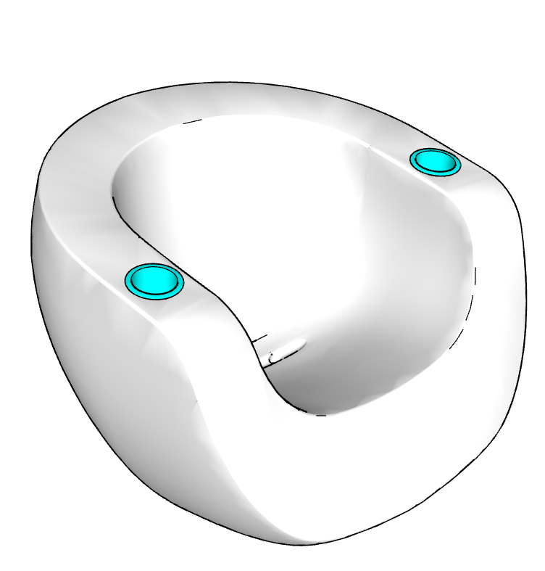 | Tenjam
65 |  |  |  | Tenjam
 | TRUE |  |  | Tenjam
 | TRUE |  |  | Tenjam
 | TRUE
66 | TRUE |  | 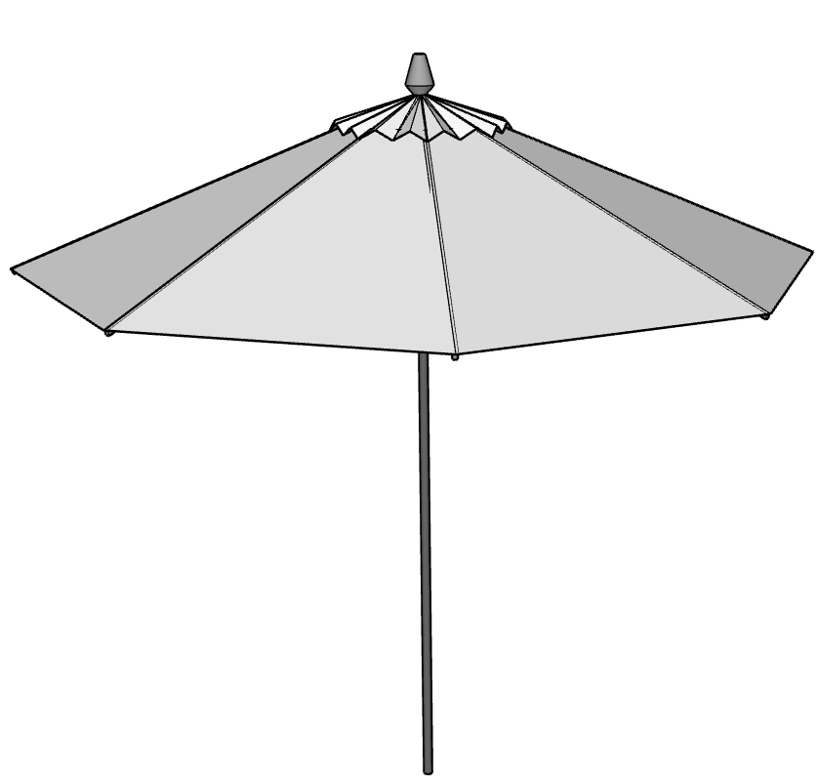
 |  |  | N/A
...
 | E-Commerce | Shipping Flat Rate | Drawing | Collections
 |  |  | N/A
 |  |  | N/A
67 | TRUE |  | 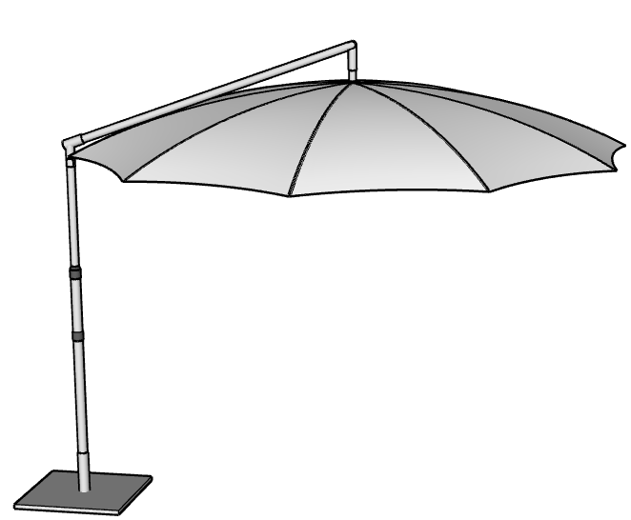 | Miscellaneous
...
 | E-Commerce | Shipping Flat Rate | Drawing | Collections
 |  |  | N/A
 |  |  | N/A
 |  |  | N/A
 |  |  | N/A
 |  |  | N/A
 |  |  | *Prices are subject to change at CC Patio's discretion.
68
69
70
...

