Sheet1
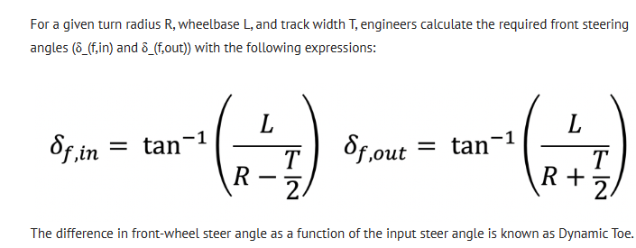
Tech Explained: Ackermann Steering Geometry - Racecar Engineering (racecar-engineering.com)

wheelBase | 2.696 | m | turningRadius (m) | tow in | tow out
wheelTrack | 1.272 | m | 9 | 17.865886092 | 15.630777244
 |  |  | 5.334 | 29.849842534 | 24.303520681

