Diary
Onion T3 2017/18
Date | People | Activites | Details

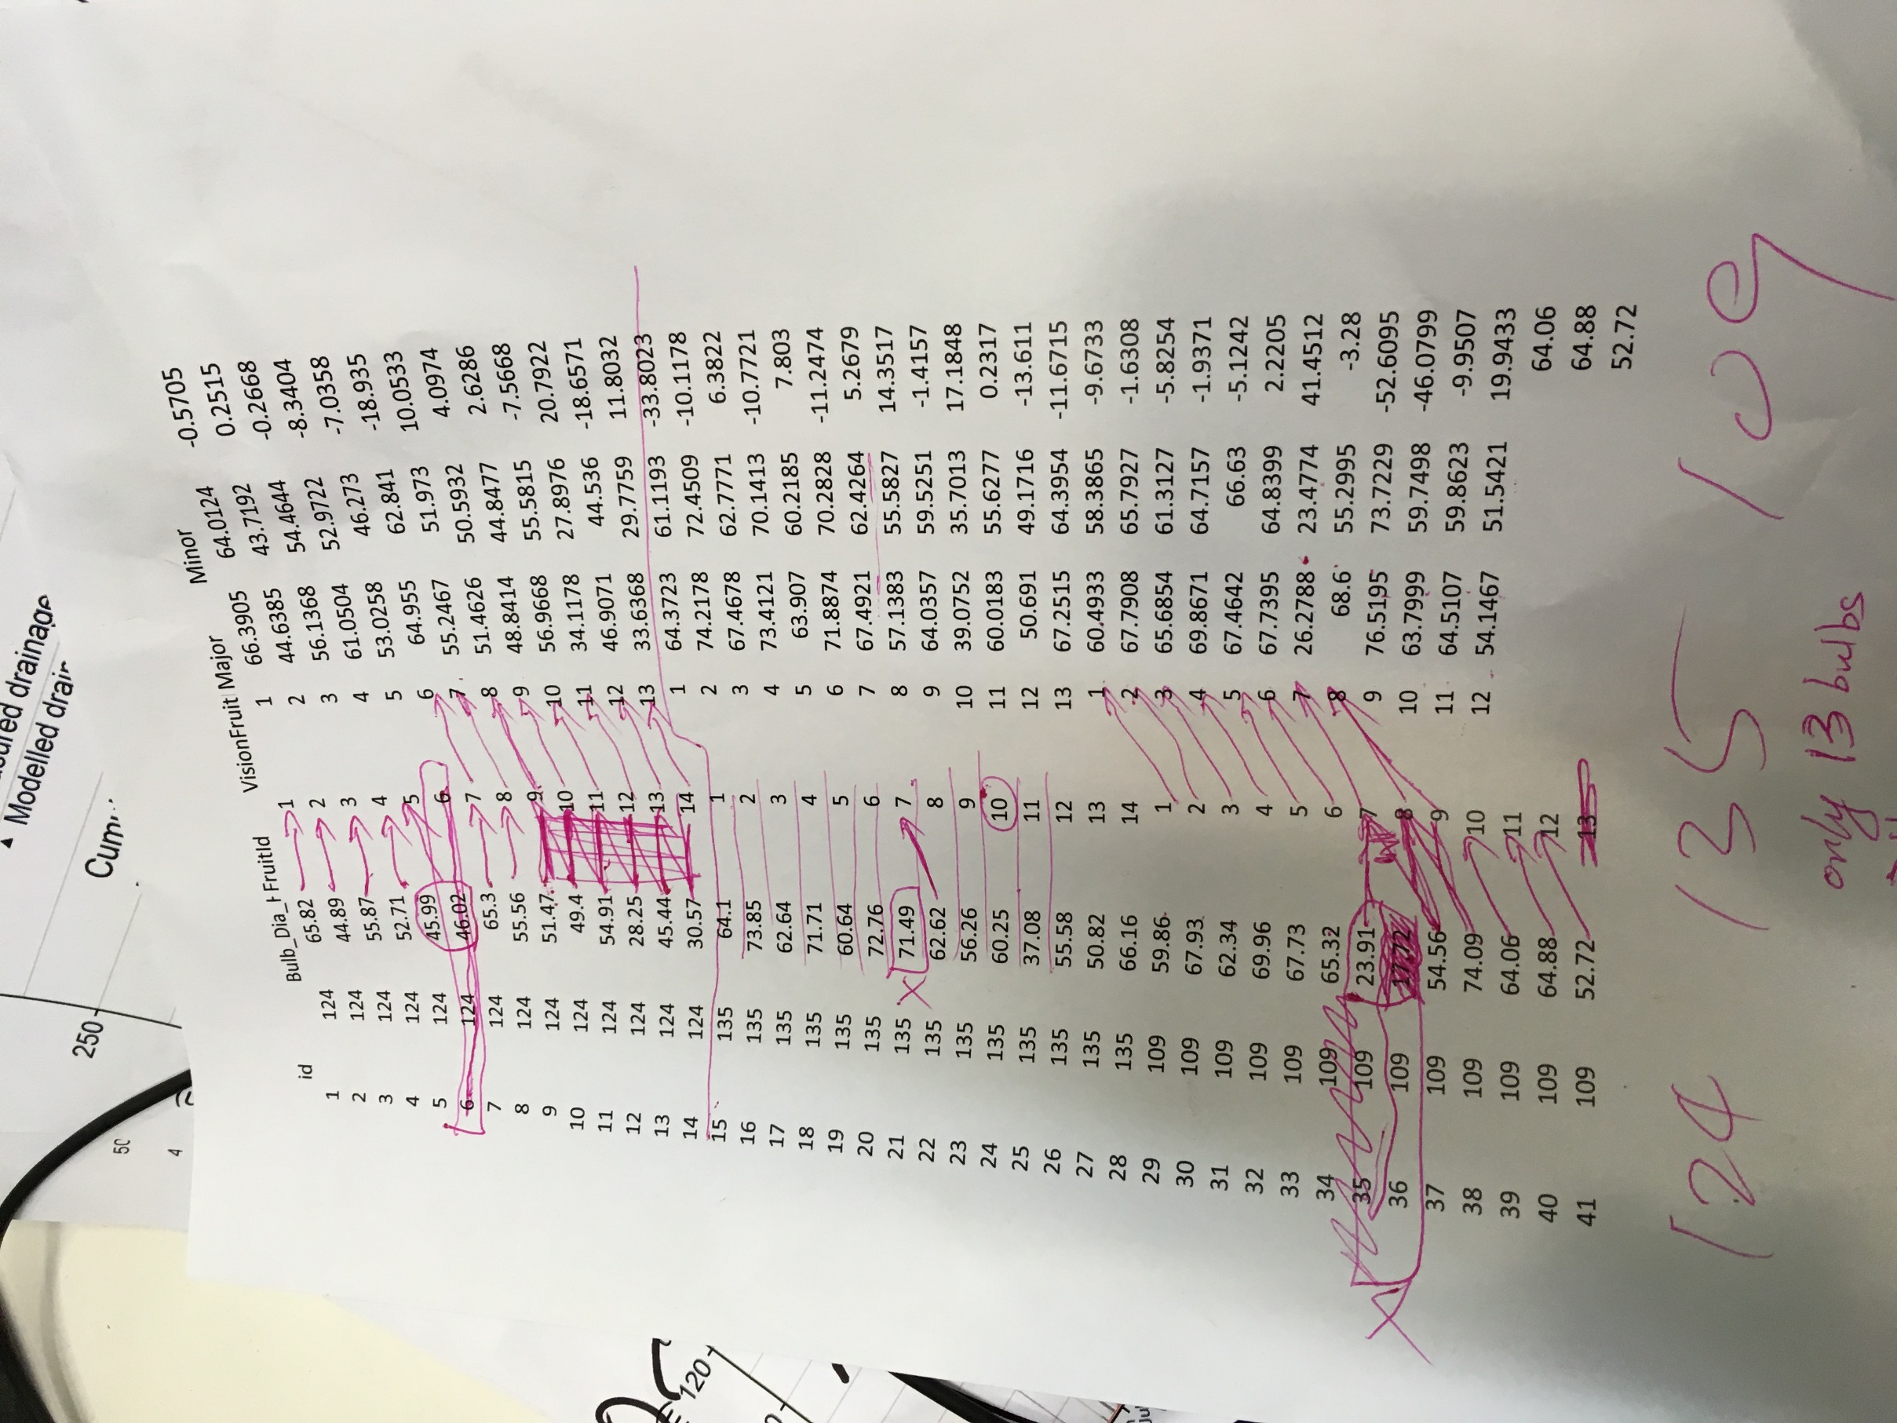
2017-11-17 | AH,NA,FL | have a try | practise the method we are going to use for the real measurements.

2017-11-30 | AN,IS,YT,NA, FL, Morgan | mapping | mapped the location of each plant and also marked 5 control plots
2017-11-30 | FL |  | Insert a new sheet for having the testing number in it and hide it.
2017-12-01 | FL |  | sheet for distance thinning is not correct. All sheets roll over and confusing. thinned plot 1, 2, 4,7,10 before found the issue. plot 1&2 were thinned by correct treatment. Plot 4,7,10 were suppose to be thinned by height, but got thinned by distance. therefore, swap the thinning method within the block. changed the treatments in the trialPlan sheet as well.
2017-12-01 | Morgan, AH,NA,IS,TY,FL | THINNING | Thinned 10 plots for different treatments. Had trouble when there are 2 plants side by side at same distance. In this case, we removed the one closer to the previous one for the distance thinning. Also, found a few plants are missing.
2017-12-05 | FL | Data correction | plot 13 has a few missing plants. Make a record on the raw hard copy data sheet but didn't change the raw excel data sheet. Worrying that may change the treatment result. Summary here as well. Plot 13 row 3 plant is 160 height at distance 27 cm. no plant is at distance 83.5. in row 4, no plant is at distance 79 cm. plant at distance 85 is 26.5 height.
 |  | Data correction | Plot 14 has 5 positions which plants are side by side. Followed the rule, and killed the plants closer to the previous one.
 | dexi | clean | cleaned onions and relabelled all
2018-04-06 | fl | data entry
 | fl,ah | talk | trimmed onions or not. Choose trim with cautions. Should weight all the trimmed onion again and their stems as well. measure diameter by hand or not is another question. Should we measure and then compare with machine by exact same bulb or can be combined and then only compare mean
2018-05-01 | fl | data | found bulb number doesn't match. 3 bulbs
2018-05-02 | fl | Data correction | checked maunally 124 - double collected the calerper for bulb 5. 109 machine last bulb 8 - 17.72. 135 - double clicked bulb 6. see pictures

