BillOfMaterials

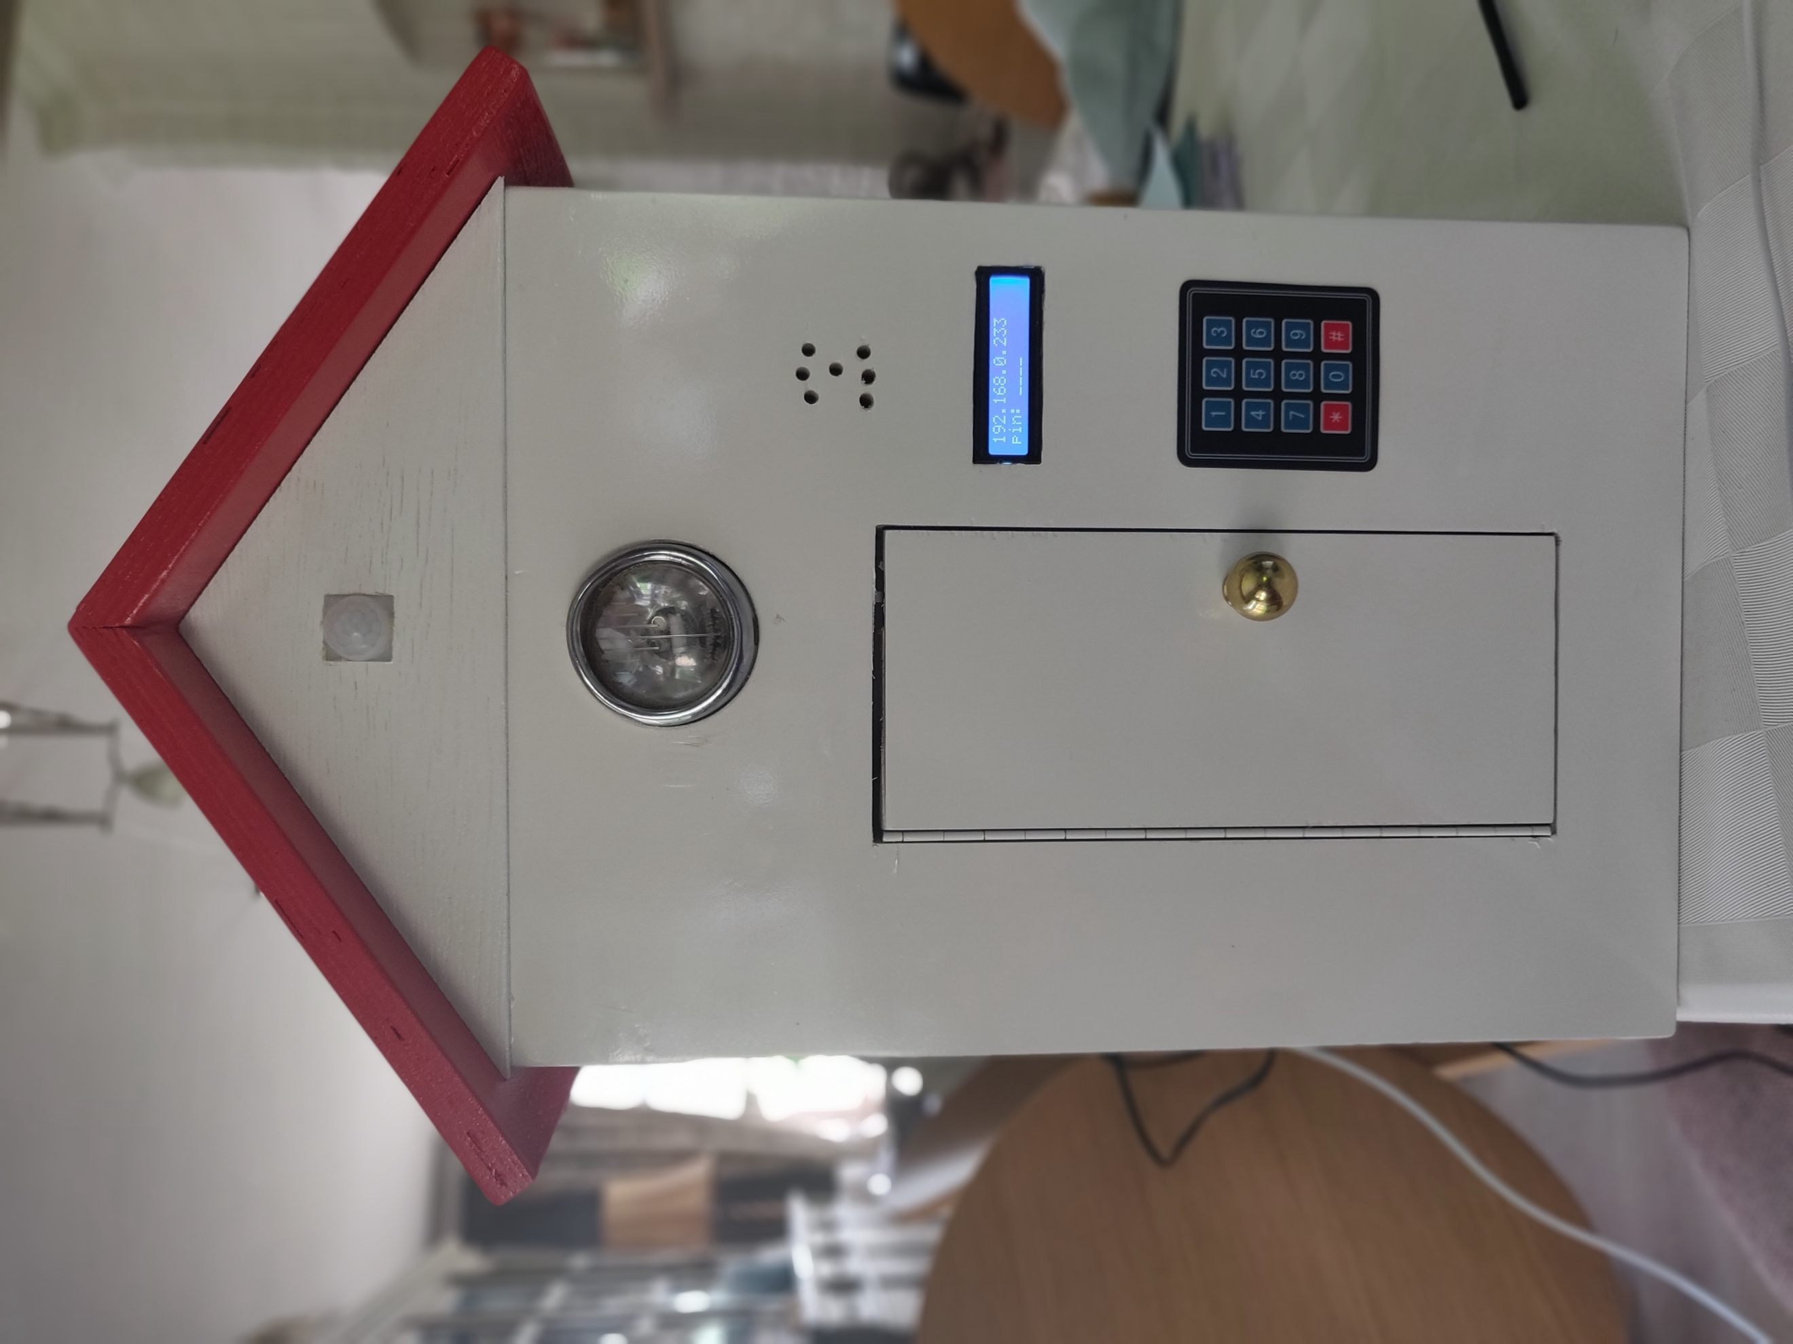
 | CLASS: | 1NMCT3
 | NAME: | De Clercq
 | FIRSTNAME: | Robbe
 | Assembly Name : | PinSafe
 | Assembly Revision :
 | Approval Date :
 | Part Count : | 29
 | Total Cost : | €115

Part # | Part Name | Description | Revision | Qty | Supplier | also available from | Units | Unit Cost | Max Cost | Real Cost
1 | Raspberry Pi 3 model B | Raspberry Pi to control the entire system | 1 | 1 | https://www.kiwi-electronics.nl/raspberry-pi/raspberry-pi-3-model-b?lang=en&src=raspberrypi | https://www.coolblue.be/nl/product/808563/raspberry-pi-3-model-b.html | 1 | 37.95 € | €37.95
2 | Raspberry PI T-cobbler | Breakout board for Raspberry Pi | 1 | 1 | https://www.kiwi-electronics.nl/40-weg-t-cobbler-breakout-board-voor-raspberry-pi-model-b-plus-kit?gclid=Cj0KCQjwsZ3kBRCnARIsAIuAV_S9yQwaIod3VN2UI4I3OblWlfy8xmMYog0IA-B1QrgZkJWeHF7bCVoaArD8EALw_wcB | https://www.sossolutions.nl/assembled-pi-t-cobbler-plus-gpio-breakout?gclid=Cj0KCQjwsZ3kBRCnARIsAIuAV_R4uoC0UzRVkxDBnI4sfQLAptASjToghKwTYreyh3CeijVjHNiTzTYaAqWGEALw_wcB | 1 | 7.95 € | €7.95
3 | Membraantoetsenbord 3 x 4 Velleman | For input of the pincodes | 1 | 1 | https://www.conrad.be/p/membraantoetsenbord-3-x-4-velleman-vma300-geschikt-voor-arduino-boards-arduino-arduino-uno-fayaduino-freeduino-s-096817?WT.srch=1&gclid=Cj0KCQjwsZ3kBRCnARIsAIuAV_QUNs6vLjbzM99A8u0QA6XkIWNdWhO6Ip9znjq2GsTOjkklWeQu8BAaAp8REALw_wcB&insert=8J&t=1&tid=1707699513_75075403188_pla-296080089822_pla-96817&utm_campaign=&utm_content=&utm_medium=&utm_source=&utm_term= | https://shop.geronika.be/products/velleman-vma300?utm_medium=cpc&utm_source=googlepla&variant=33638759248&gclid=Cj0KCQjwsZ3kBRCnARIsAIuAV_SFceAnuf-KbP4hopDDS1Pyl1EeS-FVS6pVD94T6cas5UwBhSWW1MsaAoOlEALw_wcB | 1 | 3.99 € | €3.99
4 | Hall magnetic sensor module | To check when the safedoor is closed or not. | 1 | 2 | https://www.banggood.com/nl/Hall-Effect-Magnetic-Sensor-Module-DC-5V-For-Arduino-p-76469.html?gmcCountry=BE&currency=EUR&createTmp=1&utm_source=googleshopping&utm_medium=cpc_union&utm_content=2zou&utm_campaign=ssc-be-nl-all&gclid=CjwKCAjw1KLkBRBZEiwARzyE72Y0o82MFL17cBoUN3Nk7v0Cn4D92lu7cvx_h2kTvix7a5p-KYPoHxoCHEIQAvD_BwE&cur_warehouse=CN | https://www.dennisdeal.com/products/ky-003-hall-magnetic-sensor-module?gclid=CjwKCAjw1KLkBRBZEiwARzyE781EHGZ6LHFPqmws4QILvunN9LU0jKycsnyh8a72kw6ocwjGCTunrBoC1KMQAvD_BwE | 1 | 1.51 € | €3.02
5 | RFID Module | For badging | 1 | 1 | https://www.gearbest.com/kits/pp_580609.html?wid=1433363&currency=EUR&vip=4452574&gclid=Cj0KCQjwsZ3kBRCnARIsAIuAV_Q6KX-1FIMUBR0UAWaS5-wsptoDD2dXKRjI20VK0c0N2PH_LZ0K2GQaAuDQEALw_wcB&utm_source=cityads&click_id=6jkZ1P7oeHZ5aeq&aip=5zcW | https://www.conrad.be/p/module-voor-het-lezen-en-schrijven-van-rfid-velleman-vma405-geschikt-voor-arduino-boards-arduino-arduino-uno-fayad-096845?WT.srch=1&gclid=Cj0KCQjwsZ3kBRCnARIsAIuAV_Ts2VG_OM0wy04ydVyMeMcJRh82RClu4H3YbjPWj1uftjL3ZMXCg7waAqnxEALw_wcB&insert=8J&t=1&tid=1707699513_75075403188_pla-296080089822_pla-96845&utm_campaign=&utm_content=&utm_medium=&utm_source=&utm_term= | 1 | 4.89 € | €4.89
6 | PIR Sensor Module | Used for motion detection outside the safe | 1 | 1 | https://www.gotron.be/pir-bewegingssensor-voor-arduinor.html?gclid=Cj0KCQjwsZ3kBRCnARIsAIuAV_R3LUL34GsVnzVeMA5218bGUKig91R7Qi0I1Czcx2723hDWgJstGP0aAvN4EALw_wcB | https://www.digikey.be/product-detail/en/parallax-inc/555-28027/555-28027-ND/1774435?utm_adgroup=Motion+Sensors&mkwid=s7FsGD6lY&pcrid=294734047601&pkw=&pmt=&pdv=c&gclid=Cj0KCQjwsZ3kBRCnARIsAIuAV_THQ39fauKxFz5txXr8SRtozLmuKaiwN_R03gnd4fTvIPwB7x8pk4AaApVaEALw_wcB | 1 | 4.95 € | €4.95
7 | Servo motor | Used for locking and unlocking the door | 1 | 1 | https://www.kiwi-electronics.nl/grove-servo?gclid=Cj0KCQjwsZ3kBRCnARIsAIuAV_QKUsQWrGlhLvRUMMvr7o2i-yUqFItxh0EjBwGxOWXKHcZH2xFIX6IaAizYEALw_wcB |  | 1 | 7.50 € | €7.50
8 | Micro SD Card | for booting and controlling the PI | 1 | 1 | https://mijngroothandel.com/geheugenkaarten/33912-micro-sd-kaart-kingston-sdcs-16gb-16-gb-0740617274646.html?gclid=Cj0KCQjwsZ3kBRCnARIsAIuAV_SzNtiDXFn2_oW_vLECKLfv8m5xwnFEWhNdcvQIh2eRUvMjPi21slcaAtA3EALw_wcB | https://www.conrad.be/p/verbatim-micro-sdhc-8gb-cl-10-adap-microsdhc-kaart-8-gb-class-10-incl-sd-adapter-419769?WT.srch=1&gclid=Cj0KCQjwsZ3kBRCnARIsAIuAV_S-GocgCHtuH5MR3OJqy3qaSsgp903AA23Ri6jAt3B5zUW2byp-XykaAu61EALw_wcB&insert=8J&t=1&tid=1707699513_75075392548_pla-488425616552_pla-419769&utm_campaign=&utm_content=&utm_medium=&utm_source=&utm_term= | 1 | 3.49 € | €3.49
9 | Charger micro usb | Power suppy for PI | 1 | 1 | https://www.bol.com/nl/p/5v-2-5a-power-supply-voedingsadapter-2500ma-micro-usb-met-eu-stekker-voor-o-a-raspberry-pi-3-3b/9200000080763810/?country=BE&Referrer=ADVNLGOO002013-G-49170247635-S-411198869279-9200000080763810&gclid=Cj0KCQjwsZ3kBRCnARIsAIuAV_RuWcKTh6rSDkIyolKPSd0a0dzYopIaHf52pbKZ2FXCCIwv9BZ3pVYaAskGEALw_wcB |  | 1 | 10.75 € | €10.75
10 | LCD Display module | Used for visualisation of the IP address | 1 | 1 | https://www.gearbest.com/lcd-led-display-module/pp_218917.html?wid=1433363&currency=EUR&vip=4452574&gclid=CjwKCAjw1KLkBRBZEiwARzyE71K3hNVl9n54qWr56mGwuYwMhdCwHf1DdeoeidjAVMfkjYrp_XDBzhoCkgEQAvD_BwE | https://www.grandado.com/products/geekcreit%C2%AE-iic-i2c-1602-blauwe-achtergrondverlichting-lcd-displaymodule-voor-arduino?gclid=CjwKCAjw1KLkBRBZEiwARzyE73XF4oPGTC4MoeRKydXQWKg5MaWDA6Y56ZVDy3xnAEAH_Y5RSQPxpBoCalcQAvD_BwE | 1 | 2.95 € | €2.95
11 | PCF8574 | Used for GPIO extender | 1 | 1 | https://www.hackerstore.nl/Artikel/377 |  | 1 | 1.20 € | €1.20
12 | Breadboard | Used for making the circuit | 1 | 2 | https://opencircuit.nl/Product/10334/Breadboard-wit-830-punten | https://www.google.com/aclk?sa=l&ai=DChcSEwjYppXJte7iAhUB5poKHUaDBwkYABAVGgJsbQ&sig=AOD64_3ZnwbC96rDN9ayyrmzOor3sKj8NA&ctype=5&q=&ved=0ahUKEwiW0JDJte7iAhUBEVAKHb-6C4QQpysICA&adurl= | 1 | 3.95 € | €7.90
13 | Speaker | Used for the failed and succesfull pincode attempts | 1 | 1 | https://opencircuit.nl/Product/13249/Mini-Metal-Speaker-w-Wires-8-ohm-0.5W | https://elektronica-online.nl/product/visaton-mini-speaker-k36wp8oh-16287 | 1 | € 2.75 | €2.75
14 | Wires | For connecting the components | 1 | 1 | https://www.banggood.com/nl/400pcs-20cm-Male-to-Male-Color-Breadboard-Jumper-Cable-Dupont-Wire-p-1033593.html?gmcCountry=BE&currency=EUR&createTmp=1&utm_source=googleshopping&utm_medium=cpc_bgs&utm_content=xibei&utm_campaign=pla-be-elc2-pc-nl&gclid=CjwKCAjw0ZfoBRB4EiwASUMdYagWaXmEx3MDxg_pbJWeeqIv-7l4SRGpb8Vy9rEQazTQbXEG5ccKsBoCdR4QAvD_BwE&cur_warehouse=CN |  | 1 | € 12.39 | €12.39
15 | 470 Ohm resistor | For the leds | 1 | 1 | https://www.vanallesenmeer.nl/Weerstand-470-Ohm-1/4w-5?gclid=CjwKCAjw0ZfoBRB4EiwASUMdYefhqI6WeDiULSkUkH_ezQGtnO7b4asaEaQaw5nLXR-uJVNEg1i7FBoCJeoQAvD_BwE | https://www.techniekwebshop.nl/weerstand-470-ohm-r470p0w75-diverse-elektronica.html?gclid=CjwKCAjw0ZfoBRB4EiwASUMdYWCcBJ1rSSp793-Gw-BsKudLwndibzCdhGQfSh6jW6zKw6mksHzPihoCtaQQAvD_BwE | 1 | € 0.06 | €0.06
16 | 1 kOhm | For the sensors | 1 | 9 | https://reprapworld.nl/products/elektronica/componenten/resistors/axial_koolstof_weerstand_1k_ohm_5_0_25w/?f=gs&mkwid=s6yYOkalC_dc|pcrid|244173016066|pkw||pmt||slid||prid|43&pgrid=53335847400&ptaid=pla-296303633664&gclid=CjwKCAjw0ZfoBRB4EiwASUMdYU54zKI0yBGzlNGuxYxHO2ERpD0z866Xzi67yf93mUXhsY-venaGyhoCoTsQAvD_BwE |  | 1 | € 0.10 | €0.90
17 | White led | For light in the headlight | 1 | 3 | https://www.rapidonline.com/Kingbright-L-113PWWT-A-5x2mm-White-LED-Rectangular-56-0932?IncVat=1&currency=eur&pdg=pla-340005084675:kwd-340005084675:cmp-1589138298:adg-62713322071:crv-299085805346:pid-56-0932:dev-c&gclid=CjwKCAjw0ZfoBRB4EiwASUMdYQf5fMFYXbzeIq8PnukklKH-Vje9RdrldZwGiqVuVDyx5C2n00gs5hoCui4QAvD_BwE | https://www.grandado.com/products/300st-3mm-5mm-5-kleuren-led-light-emitting-diode-geassorteerde-kit?variant=12660446593118&currency=EUR&gclid=CjwKCAjw0ZfoBRB4EiwASUMdYarPmkfz5ytpSVAeL-EfW5w4EtxWRnvsszCMduNCTjaKcKLFaUleRBoCCjkQAvD_BwE | 1 | € 0.71 | €2.13
 | Total |  |  | 29 |  |  |  |  | €114.77

