kE
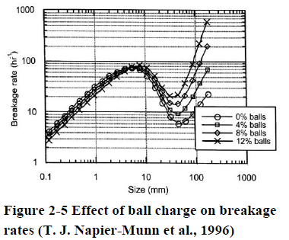
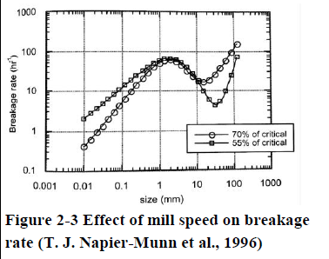
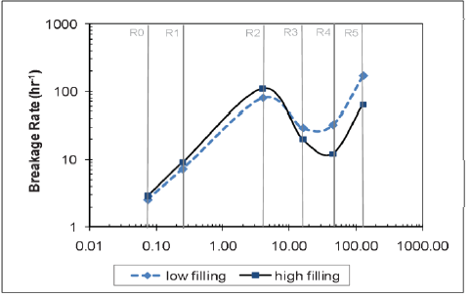
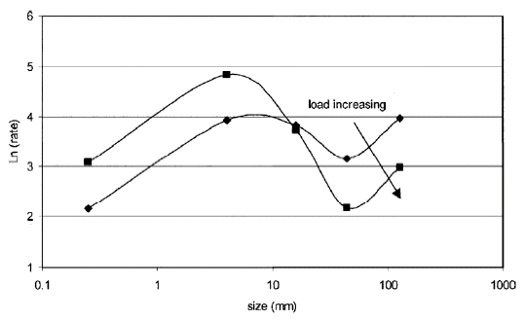
Changes in load and speed
 |  | Speed dec | Speed Incr | Load Decreas | Load inc
alpha1 | 1.11 | 1.05 | 1.16 | 1.19 | 1.03 | 1.11 | 1.11
alpha2 | 2.55 | 2.45 | 2.65 | 2.55 | 2.55 | 2.55 | 2.55
mu | 0.33 | 0.40 | 0.26 | 0.33 | 0.37 | 0.33 | 0.33
k1 | 1.13 | 1.13 | 1.13 | 1.14 | 1.10 | 1.13 | 1.13
k2 | 3.00E-06 | 3.50E-06 | 2.50E-06 | 3.00E-06 | 3.00E-06 | 3.00E-06 | 3.00E-06
lambda | 1.16 | 1.16 | 1.16 | 1.16 | 1.16 | 1.16 | 1.16

mesh | Ke | Ke | Ke | Ke | Ke | Ke | Ke
307.20 | 7.70 | 5.12 | 11.27 | 7.91 | 7.43 | 7.70 | 7.70
217.20 | 3.32 | 2.32 | 4.64 | 3.48 | 3.18 | 3.32 | 3.32
153.60 | 1.52 | 1.12 | 1.99 | 1.65 | 1.42 | 1.52 | 1.52
108.60 | 0.77 | 0.62 | 0.94 | 0.89 | 0.70 | 0.77 | 0.77
76.80 | 0.47 | 0.41 | 0.52 | 0.58 | 0.41 | 0.47 | 0.47
54.30 | 0.35 | 0.32 | 0.35 | 0.44 | 0.29 | 0.35 | 0.35
38.40 | 0.30 | 0.29 | 0.28 | 0.39 | 0.25 | 0.30 | 0.30
27.20 | 0.28 | 0.28 | 0.25 | 0.36 | 0.24 | 0.28 | 0.28
19.20 | 0.27 | 0.28 | 0.24 | 0.35 | 0.24 | 0.27 | 0.27
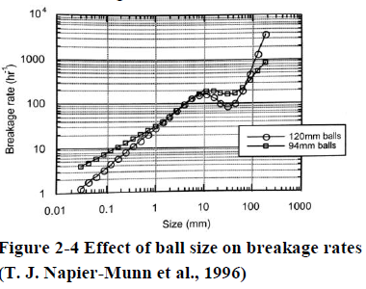
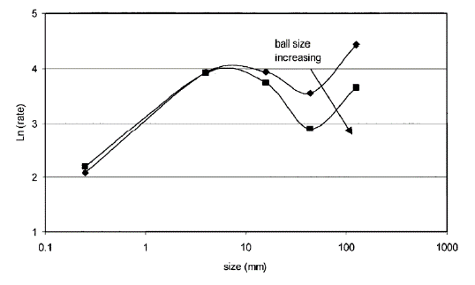
Changes ball size or for AG mill, the Size of "Coarse" rocks
13.60 | 0.27 | 0.29 | 0.24 | 0.34 | 0.25 | 0.27 | 0.27
9.60 | 0.27 | 0.30 | 0.23 | 0.33 | 0.25 | 0.27 | 0.27
6.80 | 0.28 | 0.31 | 0.23 | 0.32 | 0.26 | 0.28 | 0.28
4.80 | 0.28 | 0.31 | 0.23 | 0.32 | 0.27 | 0.28 | 0.28
3.40 | 0.28 | 0.31 | 0.23 | 0.31 | 0.28 | 0.28 | 0.28
2.40 | 0.27 | 0.32 | 0.22 | 0.29 | 0.28 | 0.27 | 0.27
1.70 | 0.26 | 0.31 | 0.21 | 0.28 | 0.28 | 0.26 | 0.26
1.20 | 0.25 | 0.30 | 0.20 | 0.26 | 0.27 | 0.25 | 0.25
0.85 | 0.24 | 0.28 | 0.19 | 0.24 | 0.26 | 0.24 | 0.24
0.60 | 0.21 | 0.25 | 0.17 | 0.21 | 0.24 | 0.21 | 0.21
0.42 | 0.19 | 0.22 | 0.15 | 0.17 | 0.21 | 0.19 | 0.19
0.30 | 0.16 | 0.19 | 0.13 | 0.14 | 0.18 | 0.16 | 0.16
0.21 | 0.13 | 0.15 | 0.10 | 0.11 | 0.15 | 0.13 | 0.13
0.15 | 0.10 | 0.12 | 0.08 | 0.09 | 0.12 | 0.10 | 0.10
0.11 | 0.07 | 0.09 | 0.06 | 0.06 | 0.09 | 0.07 | 0.07
0.08 | 0.05 | 0.07 | 0.05 | 0.04 | 0.07 | 0.05 | 0.05

Ball Loading or for AG mill amount of coarse

kE_test
speed | 0.675 | 0.4 | 0.8 | 0.675 | 0.675 | 0.8 | 0.4
load | 0.35 | 0.35 | 0.35 | 0.25 | 0.45 | 0.25 | 0.45

Changes in load and speed
alpha1 | 1.11 | 1.01 | 1.15 | 1.15 | 1.07 | 1.19 | 0.97
alpha2 | 2.55 | 2.37 | 2.63 | 2.55 | 2.55 | 2.63 | 2.37
mu | 0.33 | 0.46 | 0.27 | 0.33 | 0.33 | 0.27 | 0.46
k1 | 1.13 | 1.13 | 1.13 | 1.13 | 1.11 | 1.13 | 1.11
k2 | 3.00E-06 | 3.92E-06 | 2.58E-06 | 3.00E-06 | 3.00E-06 | 2.58E-06 | 3.92E-06
lambda | 1.16 | 1.16 | 1.16 | 1.16 | 1.16 | 1.16 | 1.16

307.20
217.20 | 3.32 | 1.70 | 4.40 | 3.39 | 3.23 | 4.48 | 1.64
153.60 | 1.52 | 0.87 | 1.91 | 1.58 | 1.45 | 1.98 | 0.82
108.60 | 0.77 | 0.51 | 0.91 | 0.83 | 0.72 | 0.97 | 0.47
76.80 | 0.47 | 0.36 | 0.51 | 0.52 | 0.42 | 0.56 | 0.32
54.30 | 0.35 | 0.30 | 0.35 | 0.39 | 0.30 | 0.39 | 0.26
38.40 | 0.30 | 0.29 | 0.29 | 0.34 | 0.26 | 0.33 | 0.25
27.20 | 0.28 | 0.28 | 0.26 | 0.32 | 0.24 | 0.30 | 0.25
19.20 | 0.27 | 0.29 | 0.25 | 0.31 | 0.24 | 0.28 | 0.26
13.60 | 0.27 | 0.30 | 0.25 | 0.30 | 0.24 | 0.27 | 0.27
9.60 | 0.27 | 0.32 | 0.24 | 0.30 | 0.25 | 0.27 | 0.28
6.80 | 0.28 | 0.33 | 0.24 | 0.30 | 0.25 | 0.26 | 0.30
4.80 | 0.28 | 0.34 | 0.24 | 0.29 | 0.26 | 0.26 | 0.31
3.40 | 0.28 | 0.35 | 0.23 | 0.29 | 0.26 | 0.25 | 0.32
2.40 | 0.27 | 0.35 | 0.23 | 0.28 | 0.26 | 0.24 | 0.33
1.70 | 0.26 | 0.35 | 0.22 | 0.27 | 0.26 | 0.23 | 0.33
1.20 | 0.25 | 0.33 | 0.21 | 0.26 | 0.25 | 0.21 | 0.33
0.85 | 0.24 | 0.31 | 0.20 | 0.24 | 0.23 | 0.20 | 0.31
0.60 | 0.21 | 0.29 | 0.18 | 0.21 | 0.22 | 0.18 | 0.29
0.42 | 0.19 | 0.25 | 0.16 | 0.18 | 0.19 | 0.15 | 0.25
0.30 | 0.16 | 0.21 | 0.13 | 0.15 | 0.16 | 0.13 | 0.22
0.21 | 0.13 | 0.17 | 0.11 | 0.12 | 0.13 | 0.10 | 0.18
0.15 | 0.10 | 0.13 | 0.08 | 0.09 | 0.10 | 0.08 | 0.14
0.11 | 0.07 | 0.10 | 0.06 | 0.07 | 0.08 | 0.06 | 0.11
0.08 | 0.05 | 0.07 | 0.05 | 0.05 | 0.06 | 0.04 | 0.08
mesh | Ke | Ke | Ke | Ke | Ke | Ke | Ke
307.20
217.20 | 3.32 | 1.70 | 4.40 | 3.39 | 3.23 | 4.48 | 1.64
153.60 | 1.52 | 0.87 | 1.91 | 1.58 | 1.45 | 1.98 | 0.82
108.60 | 0.77 | 0.51 | 0.91 | 0.83 | 0.72 | 0.97 | 0.47
76.80 | 0.47 | 0.36 | 0.51 | 0.52 | 0.42 | 0.56 | 0.32
54.30 | 0.35 | 0.30 | 0.35 | 0.39 | 0.30 | 0.39 | 0.26
38.40 | 0.30 | 0.29 | 0.29 | 0.34 | 0.26 | 0.33 | 0.25
27.20 | 0.28 | 0.28 | 0.26 | 0.32 | 0.24 | 0.30 | 0.25
19.20 | 0.27 | 0.29 | 0.25 | 0.31 | 0.24 | 0.28 | 0.26
Changes ball size or for AG mill, the Size of "Coarse" rocks
13.60 | 0.27 | 0.30 | 0.25 | 0.30 | 0.24 | 0.27 | 0.27
9.60 | 0.27 | 0.32 | 0.24 | 0.30 | 0.25 | 0.27 | 0.28
6.80 | 0.28 | 0.33 | 0.24 | 0.30 | 0.25 | 0.26 | 0.30
4.80 | 0.28 | 0.34 | 0.24 | 0.29 | 0.26 | 0.26 | 0.31
3.40 | 0.28 | 0.35 | 0.23 | 0.29 | 0.26 | 0.25 | 0.32
2.40 | 0.27 | 0.35 | 0.23 | 0.28 | 0.26 | 0.24 | 0.33
1.70 | 0.26 | 0.35 | 0.22 | 0.27 | 0.26 | 0.23 | 0.33
1.20 | 0.25 | 0.33 | 0.21 | 0.26 | 0.25 | 0.21 | 0.33
0.85 | 0.24 | 0.31 | 0.20 | 0.24 | 0.23 | 0.20 | 0.31
0.60 | 0.21 | 0.29 | 0.18 | 0.21 | 0.22 | 0.18 | 0.29
0.42 | 0.19 | 0.25 | 0.16 | 0.18 | 0.19 | 0.15 | 0.25
0.30 | 0.16 | 0.21 | 0.13 | 0.15 | 0.16 | 0.13 | 0.22
0.21 | 0.13 | 0.17 | 0.11 | 0.12 | 0.13 | 0.10 | 0.18
0.15 | 0.10 | 0.13 | 0.08 | 0.09 | 0.10 | 0.08 | 0.14
0.11 | 0.07 | 0.10 | 0.06 | 0.07 | 0.08 | 0.06 | 0.11
0.08 | 0.05 | 0.07 | 0.05 | 0.05 | 0.06 | 0.04 | 0.08

Ball Loading or for AG mill amount of coarse

SumpLevel
0
10
20
30
40 | 0.7
50
60
70 | 1
80 | 1.1
90 | 1.15
100 | 1.17
level | adjusted
0
10
20
30
40 | 0.7
50
60
70 | 1
80 | 1.1
90 | 1.15
100 | 1.17

LoadSpeed
 | Nominal | Speed dec | Speed Incr |  |  | Nominal | Load Decreas | Load inc
alpha1 | 1.11 | 1.05 | 1.16 |  |  | 1.11 | 1.19 | 1.03
alpha2 | 2.55 | 2.45 | 2.65 |  |  | 2.55 | 2.55 | 2.55
mu | 0.33 | 0.40 | 0.26 |  |  | 0.33 | 0.33 | 0.37
k1 | 1.13 | 1.13 | 1.13 |  |  | 1.13 | 1.14 | 1.10
k2 | 3.00E-06 | 3.50E-06 | 2.50E-06 |  |  | 3.00E-06 | 3.00E-06 | 3.00E-06
lambda | 1.16 | 1.16 | 1.16 |  |  | 1.16 | 1.16 | 1.16

alpha1 | 1.00 | 0.95 | 1.05 | 0.6607*x + 0.5511 | alpha1 | 1.00 | 1.07 | 0.93 | -0.7207x + 1.2523
alpha2 | 1.00 | 0.96 | 1.04 | 0.5229x + 0.6471 | alpha2 | 1.00 | 1.00 | 1.00
mu | 1.00 | 1.21 | 0.79 | -2.8283*x - 2.9091 | mu | 1.00 | 1.00 | 1.12
k1 | 1.00 | 1.00 | 1.00 | - | k1 | 1.00 | 1.01 | 0.97 | -0.885x**2 + 0.4425x + 0.9535
k2 | 1.00 | 1.17 | 0.83 | -2.222*x + 2.5 | k2 | 1.00 | 1.00 | 1.00
lambda | 1.00 | 1.00 | 1.00 | - | lambda | 1.00 | 1.00 | 1.00

speed | 0.675 | 0.6 | 0.75 |  | load | 0.35 | 0.25 | 0.45

Dischargemodel
 | -2
 | 2.5 | b | 3
 | -0.2444

speed | G_adapt | G_test
0 | -0.2444 | 0
0.1 | -0.0144 | 0.285
0.2 | 0.1756 | 0.54
0.3 | 0.3256 | 0.765
0.4 | 0.4356 | 0.96
0.5 | 0.5056 | 1.125
0.6 | 0.5356 | 1.26
0.7 | 0.5256 | 1.365
0.8 | 0.4756 | 1.44
0.9 | 0.3856 | 1.485
1 | 0.2556 | 1.5

