Actions
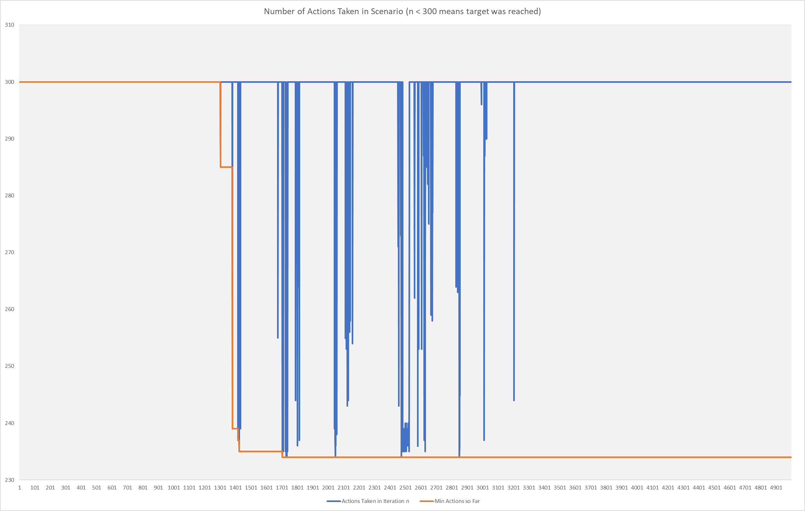
Number of Actions Taken in Scenario (n < 300 means target was reached)
 | Actions Taken in Iteration n | Min Actions so Far
 | 300 | 300
 | 300 | 300
 | 300 | 300
 | 300 | 300
 | 300 | 300
 | 300 | 300
 | 300 | 300
 | 300 | 300
 | 300 | 300
 | 300 | 300
 | 300 | 300
 | 300 | 300
 | 300 | 300
 | 300 | 300
 | 300 | 300
 | 300 | 300
 | 300 | 300
 | 300 | 300
 | 300 | 300
 | 300 | 300
 | 300 | 300
 | 300 | 300
 | 300 | 300
 | 300 | 300
 | 300 | 300
 | 300 | 300
 | 300 | 300
 | 300 | 300
 | 300 | 300
 | 300 | 300
 | 300 | 300
 | 300 | 300
 | 300 | 300
 | 300 | 300
 | 300 | 300
 | 300 | 300
 | 300 | 300
 | 300 | 300
 | 300 | 300
 | 300 | 300
 | 300 | 300
 | 300 | 300
 | 300 | 300
 | 300 | 300
 | 300 | 300
 | 300 | 300
 | 300 | 300
 | 300 | 300
 | 300 | 300
 | 300 | 300
...

Reward
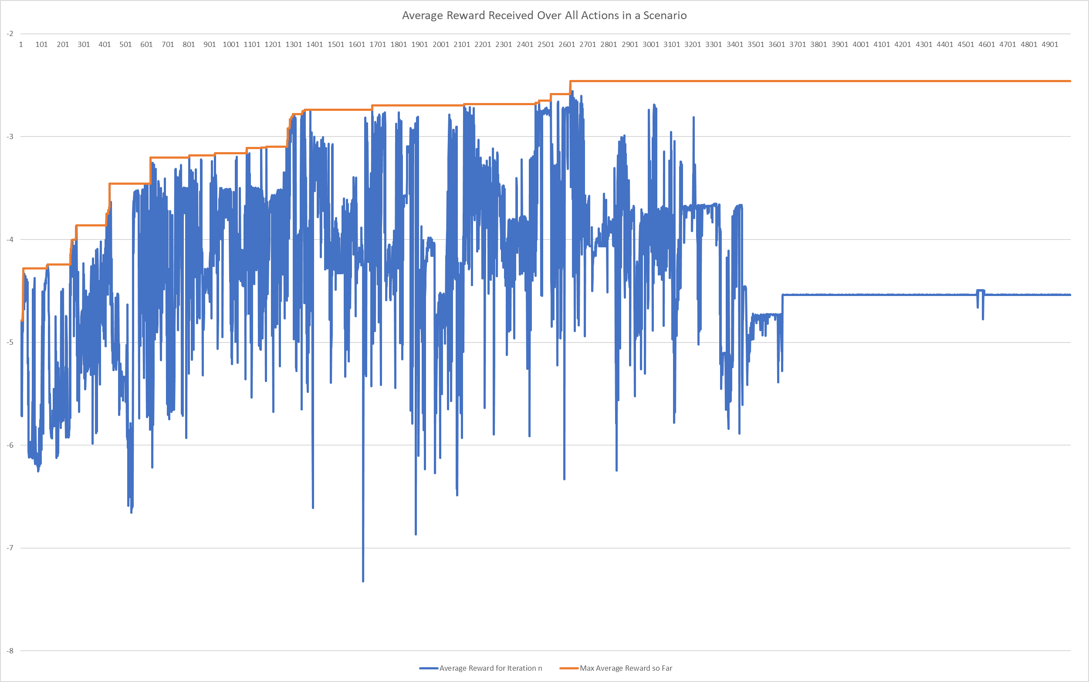
Average Reward Received Over All Actions in a Scenario
 | Average Reward for Iteration n | Max Average Reward so Far
 | -4.7896151767 | -4.7896151767
 | -5.5355788933 | -4.7896151767
 | -5.1785266933 | -4.7896151767
 | -5.7113080633 | -4.7896151767
 | -5.1870719533 | -4.7896151767
 | -4.9432287633 | -4.7896151767
 | -5.72040685 | -4.7896151767
 | -5.4850190767 | -4.7896151767
 | -4.83702549 | -4.7896151767
 | -4.9092552367 | -4.7896151767
 | -4.68456085 | -4.68456085
 | -4.8954897667 | -4.68456085
 | -4.2824121933 | -4.2824121933
 | -4.31109704 | -4.2824121933
 | -4.3833590333 | -4.2824121933
 | -4.45803409 | -4.2824121933
 | -4.6764688833 | -4.2824121933
 | -4.33327446 | -4.2824121933
 | -4.3488429067 | -4.2824121933
 | -4.3905420367 | -4.2824121933
 | -4.4430678533 | -4.2824121933
 | -4.6072838667 | -4.2824121933
 | -4.3597082133 | -4.2824121933
 | -4.35823127 | -4.2824121933
 | -4.4621168167 | -4.2824121933
 | -4.48772705 | -4.2824121933
 | -4.39971965 | -4.2824121933
 | -4.4278782367 | -4.2824121933
 | -4.4031253867 | -4.2824121933
 | -4.4428678267 | -4.2824121933
 | -4.3864377233 | -4.2824121933
 | -4.5937631933 | -4.2824121933
 | -4.44137144 | -4.2824121933
 | -4.4107386133 | -4.2824121933
 | -5.20887929 | -4.2824121933
 | -5.1537596033 | -4.2824121933
 | -5.6087598133 | -4.2824121933
 | -5.2810294967 | -4.2824121933
 | -6.0635277567 | -4.2824121933
 | -6.1180881833 | -4.2824121933
 | -6.0756574667 | -4.2824121933
 | -6.1175695733 | -4.2824121933
 | -6.0991182733 | -4.2824121933
 | -6.03804221 | -4.2824121933
 | -6.04778889 | -4.2824121933
 | -6.06939249 | -4.2824121933
 | -5.9672391467 | -4.2824121933
 | -6.09926588 | -4.2824121933
 | -6.0883239967 | -4.2824121933
 | -6.0939555833 | -4.2824121933
...

