L-HW-AdjReg
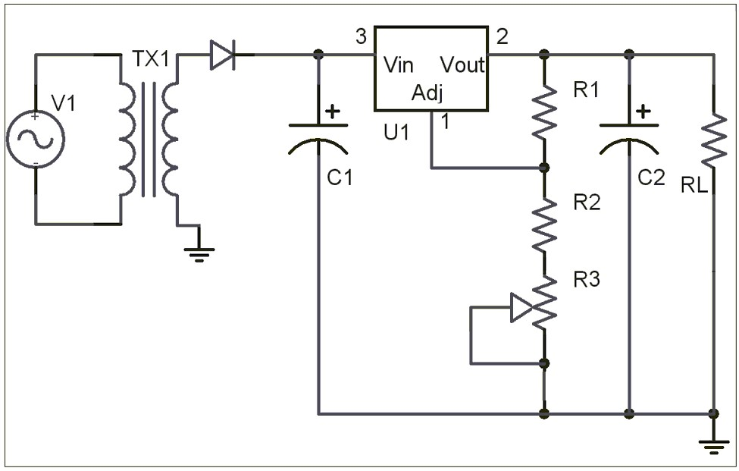
Symbol | Description or Formula |  | Value | Units | Ques | Mobius | Comment
Vrms_source |  |  | 120 | V
freq_source |  |  | 60 | Hz
Turns | transformer turns ratio |  | 10
CTD | Center Tap Divider |  | 1
Vdiode |  |  | 0.7 | V
#Diodes |  |  | 1
freq_rectifier |  |  | 60 | Hz
Crectifier |  |  | 680.00E-6 | F
Rload |  |  | 100 | Ohm
Vreg |  |  | 8.192 | V
Rbelow | resistance below adj of regulator |  | 2.00E+3 | Ohm
Ileakage | leakage current out of adj of regulator |  | 50.00E-6 | A

Vp_source | Vrms_source*sqrt(2) | 120*sqrt(2) | 169.71 | Vp
Vp_secondary | (Vp_source/Turns)/CTD | (169.71/10)/1 | 16.97 | Vp
Vdiodes | Vdiode*#Diodes | 0.7*1 | 0.70 | V
Vp_rectifier | Vp_secondary-Vdiodes | 16.97-0.70 | 16.27 | Vp | 2 | 16.3 (0.2)
I_load | Vreg/Rload | 8.192/100 | 0.0819 | Amp | 7 | 0.0819 (0.0001)
Period_rectifier | 1/freq_rectifier | 1/60 | 0.0167 | sec
Vrip_rectifier | (I_load*Period_rectifier)/Crectifier | (0.0819*0.0167)/680.00E-6 | 2.01 | Vp-p | 8 | 2.01 (0.05)
Vmin_rectifier | Vp_rectifier-Vrip_rectifier | 16.27-2.01 | 14.26 | V | 9 | 14.3 (0.2)
Vdc_rectifier | Vp_rectifier-(Vrip_rectifier/2) | 16.27-(2.01/2) | 15.27 | Vdc
Voverhead | Vmin_rectifier-Vreg | 14.26-8.192 | 6.07 |  | 10 | No | No dropout as Vdropout is 2.5V

Vabove/Vbelow | 1.25/(Vreg-1.25) | 1.25/(8.192-1.25) | 0.180 |  |  |  | Voltage between Vout and Vadj is 1.25V for the LM317 Regulator
Rabove/Rbelow | 1.25/(Vreg-1.25) | 1.25/(8.192-1.25) | 0.180 |  |  |  | Vabove/Vbelow = (I*Rabove)/(I*Rbelow) = Rabove/Rbelow
Rabove | (1.25/(Vreg-1.25))*Rbelow | (1.25/(8.192-1.25))*2.00E+3 | 360.13
Rabove_real |  |  | 330 | Ohm | 4 | 330
Rbelow_real | Rabove_real/1.25/(Vreg-1.25) | 330/0.180 | 1833.33 | Ohm | 6 | 1830 (100)
R2 | Rbelow*3/4 | 2.00E+3*3/4 | 1500.00 | Ohm | 5 | 1500 | Use the given Rbelow as it is close enough
R3 | Rbelow*1/4 | 2.00E+3*1/4 | 500.00 | Ohm | 5 | 500
Voutput_error | Rbelow*Ileakage | 2.00E+3*50.00E-6 | 0.10 | V | 1 | 0.1

P1Pre-HWCT-NoReg
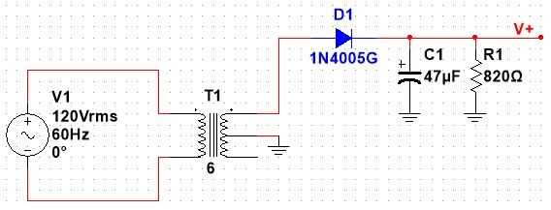
Symbol | Description or Formula |  | Value | Units | Ques | Mobius | Comment
Vrms_source |  |  | 120 | V
freq_source |  |  | 60 | Hz
Turns | transformer turns ratio |  | 6
CTD | Center Tap Divider |  | 2
Vdiode |  |  | 0.7 | V
#Diodes |  |  | 1
freq_rectifier |  |  | 60 | Hz
Crectifier |  |  | 47.00E-6 | F
Rload |  |  | 820 | Ohm

Vp_source | Vrms_source*sqrt(2) | 120*sqrt(2) | 169.71 | Vp
Vp_secondary | (Vp_source/Turns)/CTD | (169.71/6)/2 | 14.14 | Vp
Vdiodes | Vdiode*#Diodes | 0.7*1 | 0.70 | V
Vp_rectifier | Vp_secondary-Vdiodes | 14.14-0.70 | 13.44 | Vp | 1 | 13.4 (0.1)
Period_rectifier | 1/freq_rectifier | 1/60 | 0.0167 | sec | 2 | 0.01666 (0.3)
Vrip_rectifier | (Vp_rectifier*Period_rectifier)/(Crectifier*Rload) | (13.44*0.0167)/(47.00E-6*820) | 5.82 | Vp-p | 3 | 5.81 (0.2)
Vmin_rectifier | Vp_rectifier-Vrip_rectifier | 13.44-5.82 | 7.62 | V | 5 | 7.63 (0.1)
Vdc_rectifier | Vp_rectifier-(Vrip_rectifier/2) | 13.44-(5.82/2) | 10.53 | Vdc | 4 | 10.54 (0.1)

P1Pre-HWCT-AdjReg
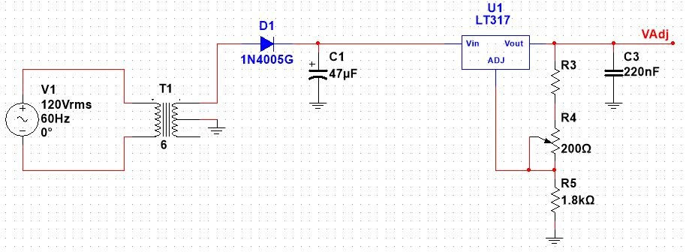
Symbol | Description or Formula |  | Value | Units | Ques | Mobius | Comment
Vrms_source |  |  | 120 | V
freq_source |  |  | 60 | Hz
Turns | transformer turns ratio |  | 6
CTD | Center Tap Divider |  | 2
Vdiode |  |  | 0.7 | V
#Diodes |  |  | 1
freq_rectifier |  |  | 60 | Hz
Crectifier |  |  | 47.00E-6 | F
Vreg | random value. Mobius gave me |  | 2.7 | V
Rbelow | resistance below adj of regulator (R5) |  | 1.80E+3 | Ohm
Ileakage | leakage current out of adj of regulator |  | 50.00E-6 | A

Vabove/Vbelow | 1.25/(Vreg-1.25) | 1.25/(2.7-1.25) | 0.862 |  |  |  | Voltage between Vout and Vadj is 1.25V for the LM317 Regulator
Rabove/Rbelow | 1.25/(Vreg-1.25) | 1.25/(2.7-1.25) | 0.862 |  |  |  | Vabove/Vbelow = (I*Rabove)/(I*Rbelow) = Rabove/Rbelow
Rabove | (1.25/(Vreg-1.25))*Rbelow | (1.25/(2.7-1.25))*1.80E+3 | 1551.72 |  | 12 | 1550 (2%)
R4_max |  |  | 200 | Ohm
R4_min |  |  | 0 | Ohm
R3_min | Rabove-R4_max | 1551.72-200 | 1351.7 | Ohm
R3_max | Rabove-R4_min | 1551.72-0 | 1551.7 | Ohm
R3_real |  |  | 1500 | Ohm | 13 | 1500 | Choose R3 to be between min and max but as close to R3_max as possible
Voutput_error | Rbelow*Ileakage | 1.80E+3*50.00E-6 | 0.090 | V
Rload |  |  | 3.30E+3 | Ohm | 14 |  | Choose a Rload to be R3+R4_min+R5 = 1500 + 0 + 1800 = 3300 Ohm.

Vp_source | Vrms_source*sqrt(2) | 120*sqrt(2) | 169.71 | Vp
Vp_secondary | (Vp_source/Turns)/CTD | (169.71/6)/2 | 14.14 | Vp
Vdiodes | Vdiode*#Diodes | 0.7*1 | 0.70 | V
Vp_rectifier | Vp_secondary-Vdiodes | 14.14-0.70 | 13.44 | Vp
I_load | Vreg/Rload | 2.7/3.30E+3 | 818.18E-6 | Amp | 14 | 0.81mA
Period_rectifier | 1/freq_rectifier | 1/60 | 0.01667 | sec
Vrip_rectifier | (I_load*Period_rectifier)/Crectifier | (818.18E-6*0.01667)/47.00E-6 | 0.29 | Vp-p | 15 | 0.29
Vmin_rectifier | Vp_rectifier-Vrip_rectifier | 13.44-0.29 | 13.15 | V
Vdc_rectifier | Vp_rectifier-(Vrip_rectifier/2) | 13.44-(0.29/2) | 13.30 | Vdc
Voverhead | Vmin_rectifier-Vreg | 13.15-2.7 | 10.45 |  |  |  | No dropout as Vdropout is 2.5V

P1Q2
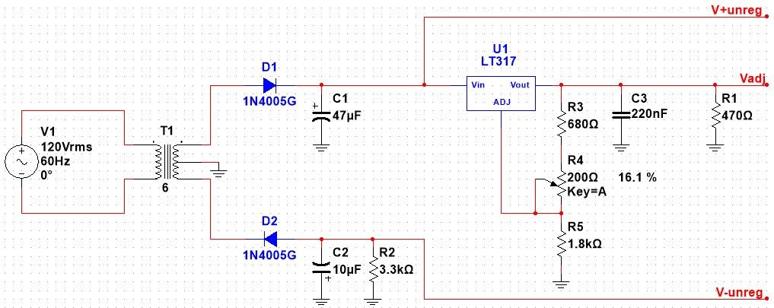
Symbol | Description or Formula |  | Value | Units | Ques | Mobius | Comment
Vrms_source | Use 115 as it is more realistic in lab |  | 115 | V
freq_source |  |  | 60 | Hz
Turns | transformer turns ratio |  | 6
CTD | Center Tap Divider |  | 2
Vdiode |  |  | 0.7 | V
#Diodes |  |  | 1
freq_rectifier |  |  | 60 | Hz
Crectifier |  |  | 47.00E-6 | F
R3+R4+R5 | This is an approximation, R4 half way | 680 + 100 + 1800 | 2580 | Ohm
R1 |  |  | 470 | Ohm
Rload | (R3+R4+R5) in parallel with R1 |  | 397.57 | Ohm
Vreg | random value. Mobius gave me |  | 4 | V | 5 | 4 (0.25)
Rbelow | resistance below adj of regulator (R5) |  | 1.80E+3 | Ohm
Ileakage | leakage current out of adj of regulator |  | 50.00E-6 | A

Vp_source | Vrms_source*sqrt(2) | 115*sqrt(2) | 162.63 | Vp
Vp_secondary | (Vp_source/Turns)/CTD | (162.63/6)/2 | 13.55 | Vp | 1 | 13.5 (1)
Vdiodes | Vdiode*#Diodes | 0.7*1 | 0.70 | V
Vp_rectifier | Vp_secondary-Vdiodes | 13.55-0.70 | 12.85 | Vp | 2 | 12.8 (1)
I_load | Vreg/Rload | 4/397.57 | 0.01006 | Amp
Period_rectifier | 1/freq_rectifier | 1/60 | 0.01667 | sec
Vrip_rectifier | (I_load*Period_rectifier)/Crectifier | (0.01006*0.01667)/47.00E-6 | 3.57 | Vp-p | 4 | 2.5 (1) | Calculated value is a worst case approximation, and significantly different than measured
Vmin_rectifier | Vp_rectifier-Vrip_rectifier | 12.85-3.57 | 9.28 | V
Vdc_rectifier | Vp_rectifier-(Vrip_rectifier/2) | 12.85-(3.57/2) | 11.07 | Vdc | 3 | 11.5 (1)
Voverhead | Vmin_rectifier-Vreg | 9.28-4 | 5.28 |  |  |  | No dropout as Vdropout is 2.5V

