L-E-MOSFET-NChannel
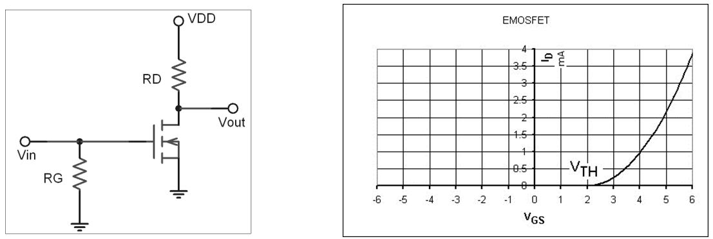
Symbol | Description or Formula |  | Value | Units | MQues | Comment
E-MOSFET | N-Channel |  | ZVN2110A
Vthreshold_min | range of Vgs at Id = 1 mA |  | 0.80 | V
Vthreshold_max | range of Vgs at Id = 1 mA |  | 2.40 | V
Vds_on |  |  | 0.00 | V
Id | From graph when Vgs = 3.5V |  | 500.0E-6 | Amp | 1
Vdd |  |  | 5.00 | V

Rd_calc | (Vdd-Vds_on)/Id | (5.00-0.00)/500.0E-6 | 10.00E+3 | Ohm | 2a
Rd_real | slightly less than double Rd_calc |  | 18.00E+3 | Ohm | 2b
Vgs_min | when Vin = 0 |  | 0 | V | 3 | transisitor = OFF, Vd = 5V
Vgs_max | when Vin = 4 |  | 4 | V | 4 | transistor = ON, Vd = 0V
Id | From graph when Vgs = 2.75V |  | 200.0E-6 | Amp | 6
V_Rd | Id*Rd_real | 200.0E-6*18.00E+3 | 3.6 |  | 6
Vout | Vdd-V_Rd | 5.00-3.6 | 1.4 |  | 6

 | _ | _

L5-E-MOSFET-NChannel
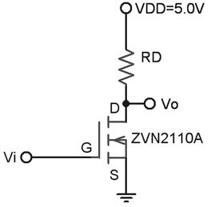
Symbol | Description or Formula |  | Value | Units | MQues | Comment
E-MOSFET | N-Channel |  | ZVN2110A
Vthreshold_min | range of Vgs at Id = 1 mA |  | 0.80 | V | 3
Vthreshold_max | range of Vgs at Id = 1 mA |  | 2.40 | V | 3
Vds_on |  |  | 0.00 | V
Id |  |  | 760.0E-6 | Amp
Vdd |  |  | 5.00 | V

Rd_calc | (Vdd-Vds_on)/Id | (5.00-0.00)/760.0E-6 | 6.58E+3 | Ohm | 1
Rd_real | slightly less than double Rd_calc |  | 12.00E+3 | Ohm | 2
Vgs_min | when Vin = 0 |  | 0 | V | 4 | transisitor = OFF, Vd = 5V
Vgs_max | when Vin = 4 |  | 4 | V | 5 | transistor = ON, Vd = 0V

 | _ | _

L5-E-MOSFET-PChannel
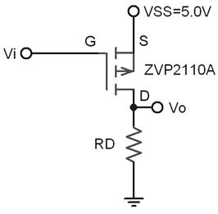
Symbol | Description or Formula |  | Value | Units | MQues | Comment
E-MOSFET | P-Channel |  | ZVP2110A
Vthreshold_min | range of Vgs at Id = 1 mA |  | -1.50 | V | 6
Vthreshold_max | range of Vgs at Id = 1 mA |  | -3.50 | V | 6
Vds_on |  |  | 0.00 | V
Id |  |  | 760.0E-6 | Amp
Vdd |  |  | 5.00 | V

Rd_calc | (Vdd-Vds_on)/Id | (5.00-0.00)/760.0E-6 | 6.58E+3 | Ohm
Rd_real | slightly less than double Rd_calc |  | 12.00E+3 | Ohm
Vgs_min | when Vin = 0 |  | -5 | V | 7 | transisitor = ON, Vd = 5V
Vgs_max | when Vin = 4 |  | -1 | V | 8 | transistor = OFF, Vd = 0V

 | _ | _

