Les-Single-Pole-Low-Pass-Ques
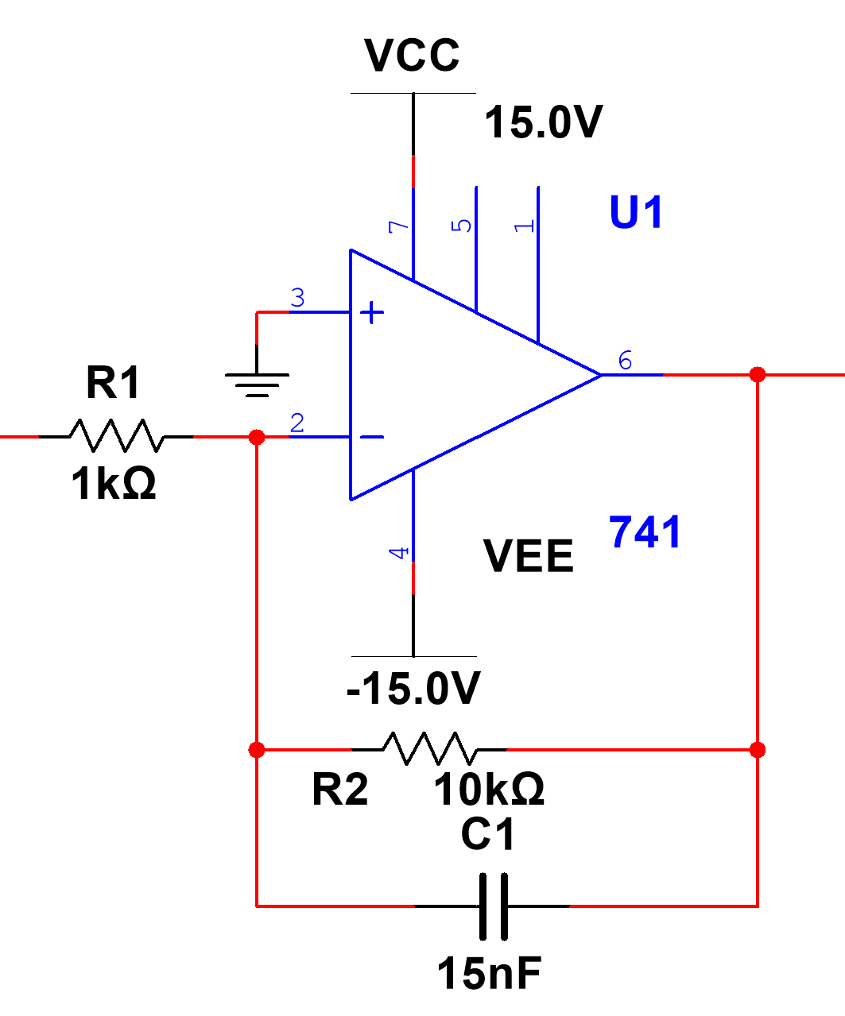
Symbol | Description or Formula |  | Value | Units | Mobius Q | Comment
Rf |  |  | 10.00E+3
Ri |  |  | 1.00E+3
Av | Rf/Ri inverted | (10.00E+3)/(1.00E+3) | 10.0 |  |  | INVERTED
R |  |  | 10.00E+3 | ohm
C |  |  | 15.00E-9 | Farad
fc | 1/(2*pi*R*C) | 1/(2*pi*(10.00E+3)*(15.00E-9)) | 1.06E+3 | Hz
Vin_pass | Vin at pass band region (1/10*fc) |  | 250.00E-3 | Vp | 0.50 | Vp-p
Vout_pass | Vin_pass*Av | (250.00E-3)*(10) | 2.50E+0 | Vp

Vout_fc | Vout_pass/sqrt(2) | (2.50E+0)/sqrt(2) | 1.77E+0 | Vp | 3.54 | Vp-p

f_one_decade | freq one decade after cutoff = *10 | (1.06E+3)*10 | 10.60E+3 | Hz
Vout_one_decade | Vout one decade after pass band region = 1/10 | (2.50E+0)/10 | 250.00E-3 | Vp

f_one_octave | freq one octave after cutoff = *2 | (1.06E+3)*2 | 2.12E+3 | Hz
Vout_one_octave | Vout one octave after pass band region = 1/2 | (2.50E+0)/2 | 1.25E+0 | Vp

Les-Single-Pole-High-Pass-Ques
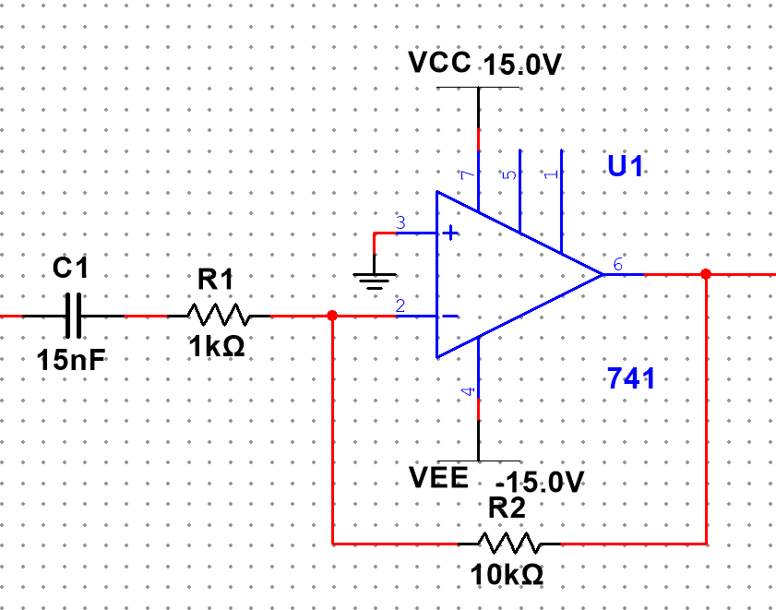
Symbol | Description or Formula |  | Value | Units | Mobius Q | Comment
Rf |  |  | 10.00E+3
Ri |  |  | 1.00E+3
Av | Rf/Ri inverted | (10.00E+3)/(1.00E+3) | 10.0 |  |  | INVERTED
R |  |  | 1.00E+3 | ohm
C |  |  | 15.00E-9 | Farad
fc | 1/(2*pi*R*C) | 1/(2*pi*(1.00E+3)*(15.00E-9)) | 10.61E+3 | Hz
Vin_pass | Vin at pass band region (1/10*fc) |  | 250.00E-3 | Vp | 0.50 | Vp-p
Vout_pass | Vin_pass*Av | (250.00E-3)*(10) | 2.50E+0 | Vp

Vout_fc | Vout_pass/sqrt(2) | (2.50E+0)/sqrt(2) | 1.77E+0 | Vp | 3.54 | Vp-p

f_one_decade | freq one decade before cutoff = 1/10 | (10.61E+3)/10 | 1.06E+3 | Hz
Vout_one_decade | Vout one decade before pass band region = 1/10 | (2.50E+0)/10 | 250.00E-3 | Vp

f_one_octave | freq one octave before cutoff = 1/2 | (10.61E+3)/2 | 5.31E+3 | Hz
Vout_one_octave | Vout one octave before pass band region = 1/2 | (2.50E+0)/2 | 1.25E+0 | Vp

Les-Single-Pole-Low-Pass-WE
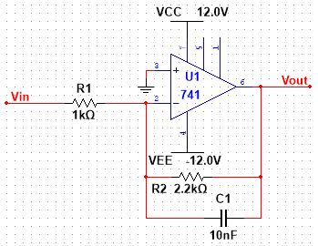
Symbol | Description or Formula |  | Value | Units | Mobius Q | Comment
Rf |  |  | 2.20E+3
Ri |  |  | 1.00E+3
Av | Rf/Ri inverted | (2.20E+3)/(1.00E+3) | 2.2 |  |  | INVERTED
R |  |  | 2.20E+3 | ohm
C |  |  | 10.00E-9 | Farad
fc | 1/(2*pi*R*C) | 1/(2*pi*(2.20E+3)*(10.00E-9)) | 7.23E+3 | Hz
Vin_pass | Vin at pass band region (1/10*fc) |  | 250.00E-3 | Vp
Vout_pass | Vin_pass*Av | (250.00E-3)*(2.2) | 550.00E-3 | Vp

Vout_fc | Vout_pass/sqrt(2) | (550.00E-3)/sqrt(2) | 388.91E-3 | Vp

f_one_decade | freq one decade after cutoff = *10 | (7.23E+3)*10 | 72.30E+3 | Hz
Vout_one_decade | Vout one decade after pass band region = 1/10 | (550.00E-3)/10 | 55.00E-3 | Vp

f_one_octave | freq one octave after cutoff = *2 | (7.23E+3)*2 | 14.46E+3 | Hz
Vout_one_octave | Vout one octave after pass band region = 1/2 | (550.00E-3)/2 | 275.00E-3 | Vp

Les-Single-Pole-High-Pass-WE
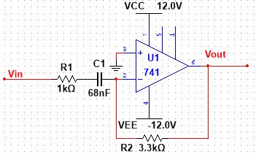
Symbol | Description or Formula |  | Value | Units | Mobius Q | Comment
Rf |  |  | 3.30E+3
Ri |  |  | 1.00E+3
Av | Rf/Ri inverted | (3.30E+3)/(1.00E+3) | 3.3 |  |  | INVERTED
R |  |  | 1.00E+3 | ohm
C |  |  | 68.00E-9 | Farad
fc | 1/(2*pi*R*C) | 1/(2*pi*(1.00E+3)*(68.00E-9)) | 2.34E+3 | Hz
Vin_pass | Vin at pass band region (1/10*fc) |  | 1.00E+0 | Vp
Vout_pass | Vin_pass*Av | (1.00E+0)*(3.3) | 3.30E+0 | Vp

Vout_fc | Vout_pass/sqrt(2) | (3.30E+0)/sqrt(2) | 2.33E+0 | Vp

f_one_decade | freq one decade before cutoff = 1/10 | (2.34E+3)/10 | 234.00E+0 | Hz
Vout_one_decade | Vout one decade before pass band region = 1/10 | (3.30E+0)/10 | 330.00E-3 | Vp

f_one_octave | freq one octave before cutoff = 1/2 | (2.34E+3)/2 | 1.17E+3 | Hz
Vout_one_octave | Vout one octave before pass band region = 1/2 | (3.30E+0)/2 | 1.65E+0 | Vp

Project6-High-Pass
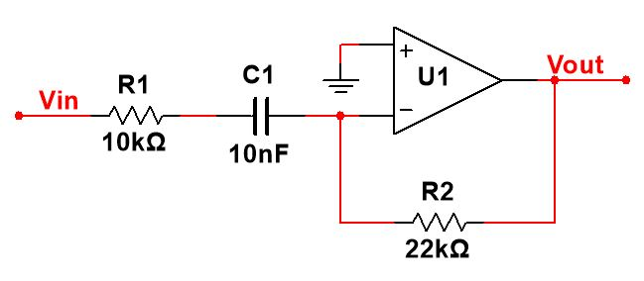
Symbol | Description or Formula |  | Value | Units | Mobius Q | Comment
Rf |  |  | 22.00E+3
Ri |  |  | 10.00E+3
Av | Rf/Ri inverted | (22.00E+3)/(10.00E+3) | 2.2 |  |  | INVERTED
R |  |  | 10.00E+3 | ohm
C |  |  | 10.00E-9 | Farad
fc | 1/(2*pi*R*C) | 1/(2*pi*(10.00E+3)*(10.00E-9)) | 1.59E+3 | Hz
Vin_pass | Vin at pass band region (1/10*fc) |  | 1.00E+0 | Vp | 2.00 | Vp-p
Vout_pass | Vin_pass*Av | (1.00E+0)*(2.2) | 2.20E+0 | Vp

Vout_fc | Vout_pass/sqrt(2) | (2.20E+0)/sqrt(2) | 1.56E+0 | Vp | 3.12 | Vp-p

f_one_decade | freq one decade before cutoff = 1/10 | (1.59E+3)/10 | 159.00E+0 | Hz
Vout_one_decade | Vout one decade before pass band region = 1/10 | (2.20E+0)/10 | 220.00E-3 | Vp

f_one_octave | freq one octave before cutoff = 1/2 | (1.59E+3)/2 | 795.00E+0 | Hz
Vout_one_octave | Vout one octave before pass band region = 1/2 | (2.20E+0)/2 | 1.10E+0 | Vp

