L-last-TPole
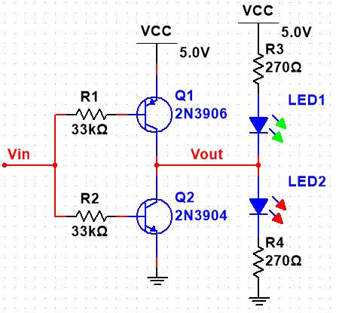
Symbol | Description or Formula |  | Value | Units | MQues | Comment
Beta |  |  | 100.00
VCEsat | Assume Ideal Model |  | 0.00 | V
VBE_on |  |  | 0.70 | V
VLED |  |  | 2.00 | V
ILED | This value is assumed from past questions |  | 12.0E-3 | Amp
VCC |  |  | 5.00 | V
VBB_max |  |  | 5.00 | V

R4_calc | (VCC-VCEsat-VLED)/ILED | (5.00-0.00-2.00)/12.0E-3 | 250.00 | Ohm | 1
R4_real | next biggest 10% resistor |  | 270 | Ohm | 2
Ib_calc | ILED/Beta | 12.0E-3/100.00 | 120.0E-6 | Amp | 3
Rb_calc | (VBB_max-VBE_on)/Ib_calc | (5.00-0.70)/120.0E-6 | 35.8E+3 | Ohm | 4
Rb_real | less than the calculated value for sat |  | 33.0E+3 | Ohm | 5

Ib_on | (VBB_max-VBE_on)/Rb_real | (5.00-0.70)/33.0E+3 | 130.3E-6 | Amp | 6
Ic_active | Ib_on*Beta | 130.3E-6*100.00 | 13.0E-3 | Amp | 7
Ic_max | (VCC-VCEsat-VLED)/R4_real | (5.00-0.00-2.00)/270 | 11.1E-3 | Amp | 8
Ic_actual | lesser of Ic_max and Ic_actived | lesser of Ic_max and Ic_actived | 11.1E-3 | Amp
Transistor State |  |  | saturated |  | 9

 | _ | _

