L-Models-NPN-Active
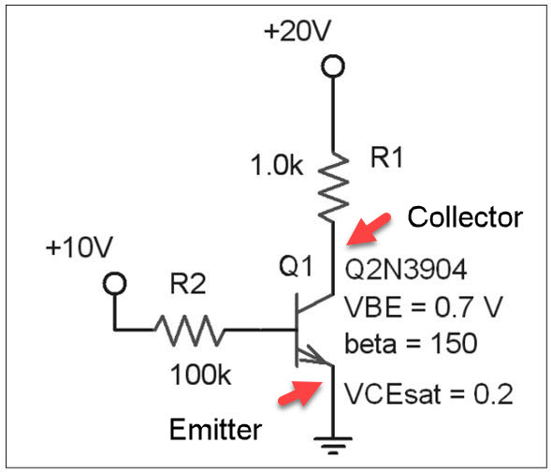
Symbol | Description or Formula |  | Value | Units | Ques | Mobius | Comment
Beta |  |  | 150
VCEsat |  |  | 0.20 | V
VBE_on |  |  | 0.70 | V | 7
VCC |  |  | 20.00 | V
VBB |  |  | 10.00 | V
Rc_given |  |  | 1E+3 | Ohm
Rb_given |  |  | 100E+3 | Ohm

Ic_max | (VCC-VCEsat)/Rc_given | (20.00-0.20)/1E+3 | 19.8E-3 | Amp
Ib_on | (VBB-VBE_on)/Rb_given | (10.00-0.70)/100E+3 | 93.0E-6 | Amp | 8
Ic_active | Ib_on*Beta | 93.0E-6*150 | 13.95E-3 | Amp
Ic_actual | lesser of Ic_max and Ic_active |  | 13.95E-3 | Amp | 9
Transistor State |  |  | Active |  | 15

 | _ | _

L-Models-PNP-Active
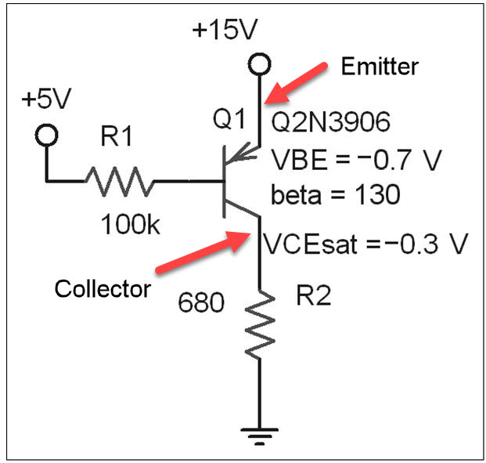
Symbol | Description or Formula |  | Value | Units | Ques | Mobius | Comment
Beta |  |  | 130
VECsat | VCE = -0.3 |  | 0.30 | V
VEB_on | VBE=-0.7 |  | 0.70 | V
VCC |  |  | 15.00 | V
VBB |  |  | 5.00 | V
Rc_given |  |  | 680E+0 | Ohm
Rb_given |  |  | 100E+3 | Ohm

Ic_max | (VCC-VECsat)/Rc_given | (15.00-0.30)/680E+0 | 21.6E-3 | Amp
Ib_on | (VCC-VEB_on-VBB)/Rb_given | (15.00-0.70-5.00)/100E+3 | 43.0E-6 | Amp | 18
Ic_active | Ib_on*Beta | 43.0E-6*130 | 5.59E-3 | Amp
Ic_actual | lesser of Ic_max and Ic_active |  | 5.59E-3 | Amp | 19
Transistor State |  |  | Active |  | 28

 | _ | _

L-Models-NPN-Sat
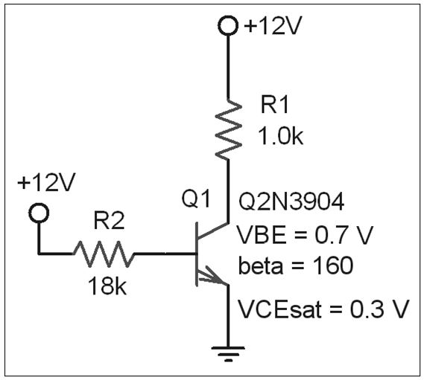
Symbol | Description or Formula |  | Value | Units | Ques | Mobius | Comment
Beta |  |  | 160
VCEsat |  |  | 0.30 | V | 34
VBE_on |  |  | 0.70 | V | 30
VCC |  |  | 12.00 | V
VBB |  |  | 12.00 | V
Rc_given |  |  | 1E+3 | Ohm
Rb_given |  |  | 18E+3 | Ohm

Ic_max | (VCC-VCEsat)/Rc_given | (12.00-0.30)/1E+3 | 11.7E-3 | Amp
Ib_on | (VBB-VBE_on)/Rb_given | (12.00-0.70)/18E+3 | 627.8E-6 | Amp
Ic_active | Ib_on*Beta | 627.8E-6*160 | 100.45E-3 | Amp
Ic_actual | lesser of Ic_max and Ic_active |  | 11.70E-3 | Amp | 36
Transistor State |  |  | Saturated |  | 37

 | _ | _

L-Switch-Ccts
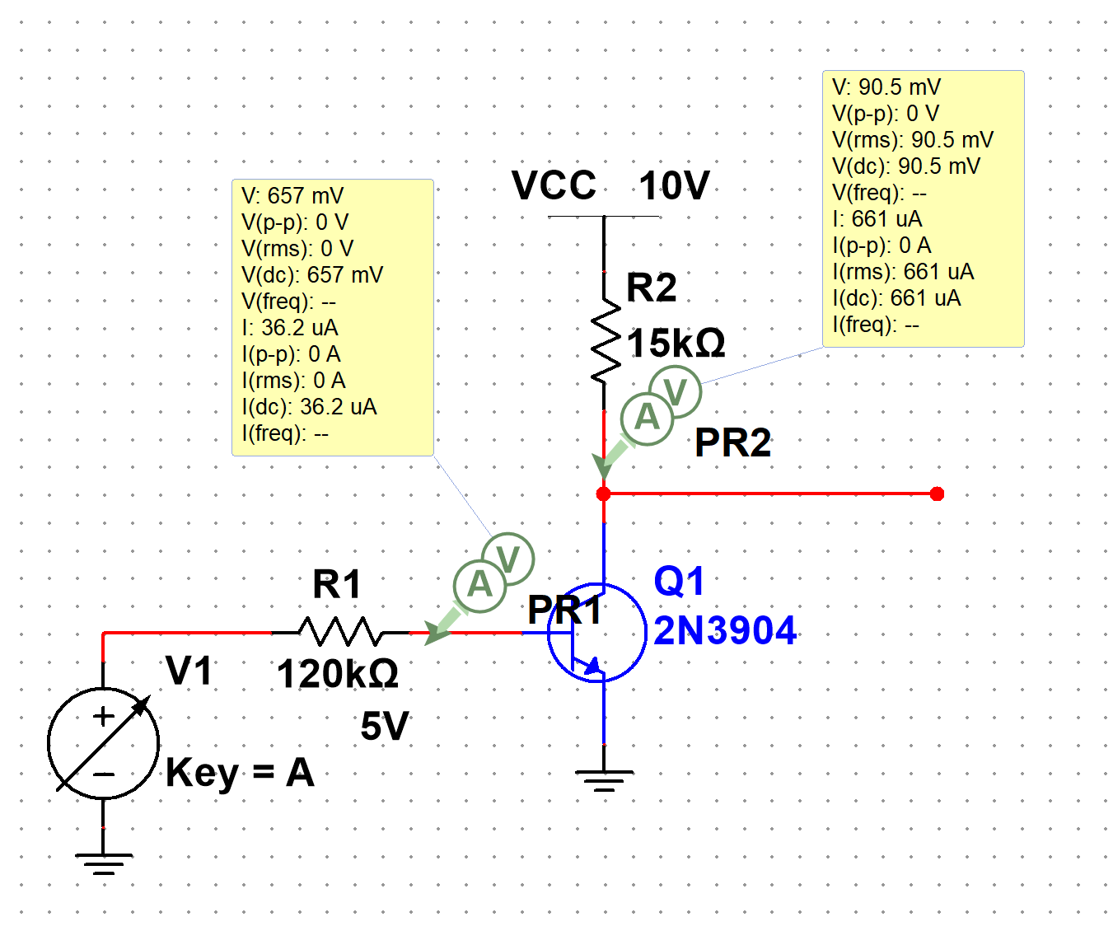
Symbol | Description or Formula |  | Value | Units | Ques | Mobius | Comment
Beta |  |  | 100.00
VCEsat |  |  | 0.20 | V
VBE_on |  |  | 0.60 | V
VCC |  |  | 10.00 | V
VBB |  |  | 5.00 | V
Rc_given |  |  | 15E+3 | Ohm
Rb_given |  |  | 120E+3 | Ohm

Ic_max | (VCC-VCEsat)/Rc_given | (10.00-0.20)/15E+3 | 653.3E-6 | Amp
Ib_on | (VBB-VBE_on)/Rb_given | (5.00-0.60)/120E+3 | 36.7E-6 | Amp | 6
Ic_active | Ib_on*Beta | 36.7E-6*100.00 | 3.67E-3 | Amp | 7
Ic_actual | lesser of Ic_max and Ic_active |  | 653.3E-6 | Amp | 15
Transistor State |  |  | Saturated

 | _ | _

L-Switch-Cct-Driver
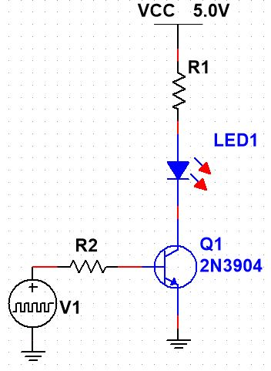
Symbol | Description or Formula |  | Value | Units | Ques | Mobius | Comment
Beta |  |  | 100.00
VCEsat |  |  | 0.20 | V
VBE_on |  |  | 0.70 | V
VCC |  |  | 5.00 | V
VBB |  |  | 5.00 | V
VLED |  |  | 1.80 | V
Ic_design |  |  | 10.0E-3 | Amp

Rc_calc | (VCC-VCEsat-VLED)/Ic_design | (5.00-0.20-1.80)/10.0E-3 | 300 | Ohm
Rc_real |  |  | 270 | Ohm | 22
Ib_calc | Ic_design/Beta | 10.0E-3/100.00 | 100.0E-6 | Amp
Rb_calc | (VBB-VBE_on)/Ib_calc | (5.00-0.70)/100.0E-6 | 43.00E+3 | Ohm | 23
Rb_design | Rb_calc/2 | 43.00E+3/2 | 21.50E+3 | Ohm |  |  | Rule of thumb: Make Rb half the size calculated for Saturation
Rb_real |  |  | 18E+3 | Ohm | 24
Transistor State |  |  | Saturated
 | _ | _

L-Biasing-Fixed
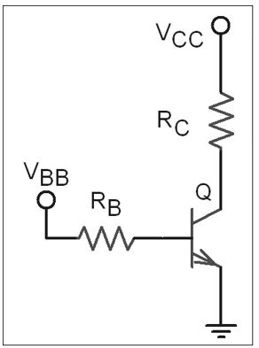
Symbol | Description or Formula |  | Value | Units | Ques | Mobius | Comment | Vce | Ic
Beta | Average between 100 and 300 |  | 200 |  |  |  | Transistor = 2N3904 | 0 | 0.01961
Vce_sat | assume theretical 0 |  | 0 | V |  |  |  | 4.73 | 0.01033
Vbe_on |  |  | 0.7 | V |  |  |  | 10.00 | 0
Vcc |  |  | 10 | V
Vbb |  |  | 10 | V
Ic_bias |  |  | 10E-3 | Amp

Vce_bias | Vcc/2 | 10/2 | 5 | V | 2
Rc_bias | (Vcc-Vce_bias)/Ic_bias | (10-5)/10E-3 | 500.0E+0 | Ohm | 3
Rc_real | Pick 5% closest |  | 510 | Ohm | 4
Ib_bias | Ic_bias/Beta | 10E-3/200 | 50E-6 |  | 5
Rb_bias | (Vbb-Vbe_on)/Ib_bias | (10-0.7)/50E-6 | 186E+3 |  | 6a
Rb_real | Pick 5% closest |  | 180E+3 | Ohm | 6b

Ib_on | (Vbb-Vbe_on)/Rb_real | (10-0.7)/180E+3 | 51.67E-6 | Amp
Ic_active | Ib_on*Beta | 51.67E-6*200 | 10.33E-3 | Amp | 7
Vce_active | Vcc-(Ic_active*Rc_real) | 10-(10.33E-3*510) | 4.73E+0 | V | 8
Ic_max | (Vcc-Vce_sat)/Rc_real | (10-0)/510 | 19.61E-3 | Amp | 11
Vce_max | Vcc | 10 | 10.0 | V | 11
Ic_q | Ic_max/2 | 19.61E-3/2 | 9.81E-3 | Amp
Vce_q | Vce_max/2 | 10.0/2 | 5.00E+0 | V

LWE-Biasing-V-Div
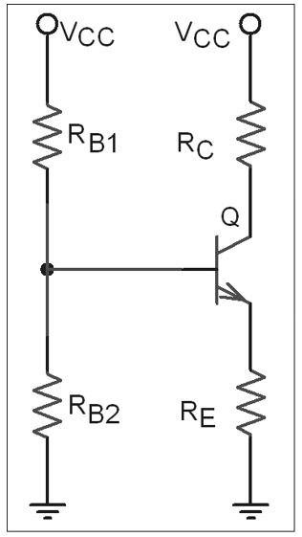
Symbol | Description or Formula |  | Value | Units | Ques | Mobius | Comment | Vce | Ic
Beta | use low of 250 to 900 |  | 250 |  |  |  | Transistor = 2N5210 | 0 | 0.01361
Vce_sat | assume theretical 0 |  | 0 | V |  |  |  | 9.61 | 0.00707
Vbe_on |  |  | 0.7 | V |  |  |  | 20.00 | 0
Vcc |  |  | 20 | V |  |  |  | 10.00 | 0.00681
 | Ic
0.00 | 0.01361
9.61 | 0.00707
20.00 | 0
10.00 | 0.00681
Rc_given |  |  | 1.2E+3 | Ohm
Re_given |  |  | 270 | Ohm
Rb1_given |  |  | 18.0E+3 | Ohm
Rb2_given |  |  | 2.7E+3 | Ohm

Vbb | (Vcc*Rb2_given)/(Rb1_given+Rb2_given) | (20*2.7E+3)/(18.0E+3+2.7E+3) | 2.61E+0 | V
Ve_active | Vbb-Vbe_on | 2.61E+0-0.7 | 1.91E+0 | V
Ie_active | Ve_active/Re_given | 1.91E+0/270 | 7.07E-3 | Amp
Ic_active | Ie_active | 7.07E-3 | 7.07E-3 | Amp
Vce_active | Vcc-(Ic_active*Rc_given)-Ve_active | 20-(7.07E-3*1.2E+3)-1.91E+0 | 9.606 | V
Ic_max | (Vcc-Vce_sat)/(Rc_given+Re_given) | (20-0)/(1.2E+3+270) | 13.61E-3 | Amp
Vce_max | Vcc | 20 | 20.00 | V
Ic_q | Ic_max/2 | 13.61E-3/2 | 6.81E-3 | Amp
Vce_q | Vce_max/2 | 20.00/2 | 10.00 | V

