L-Page1
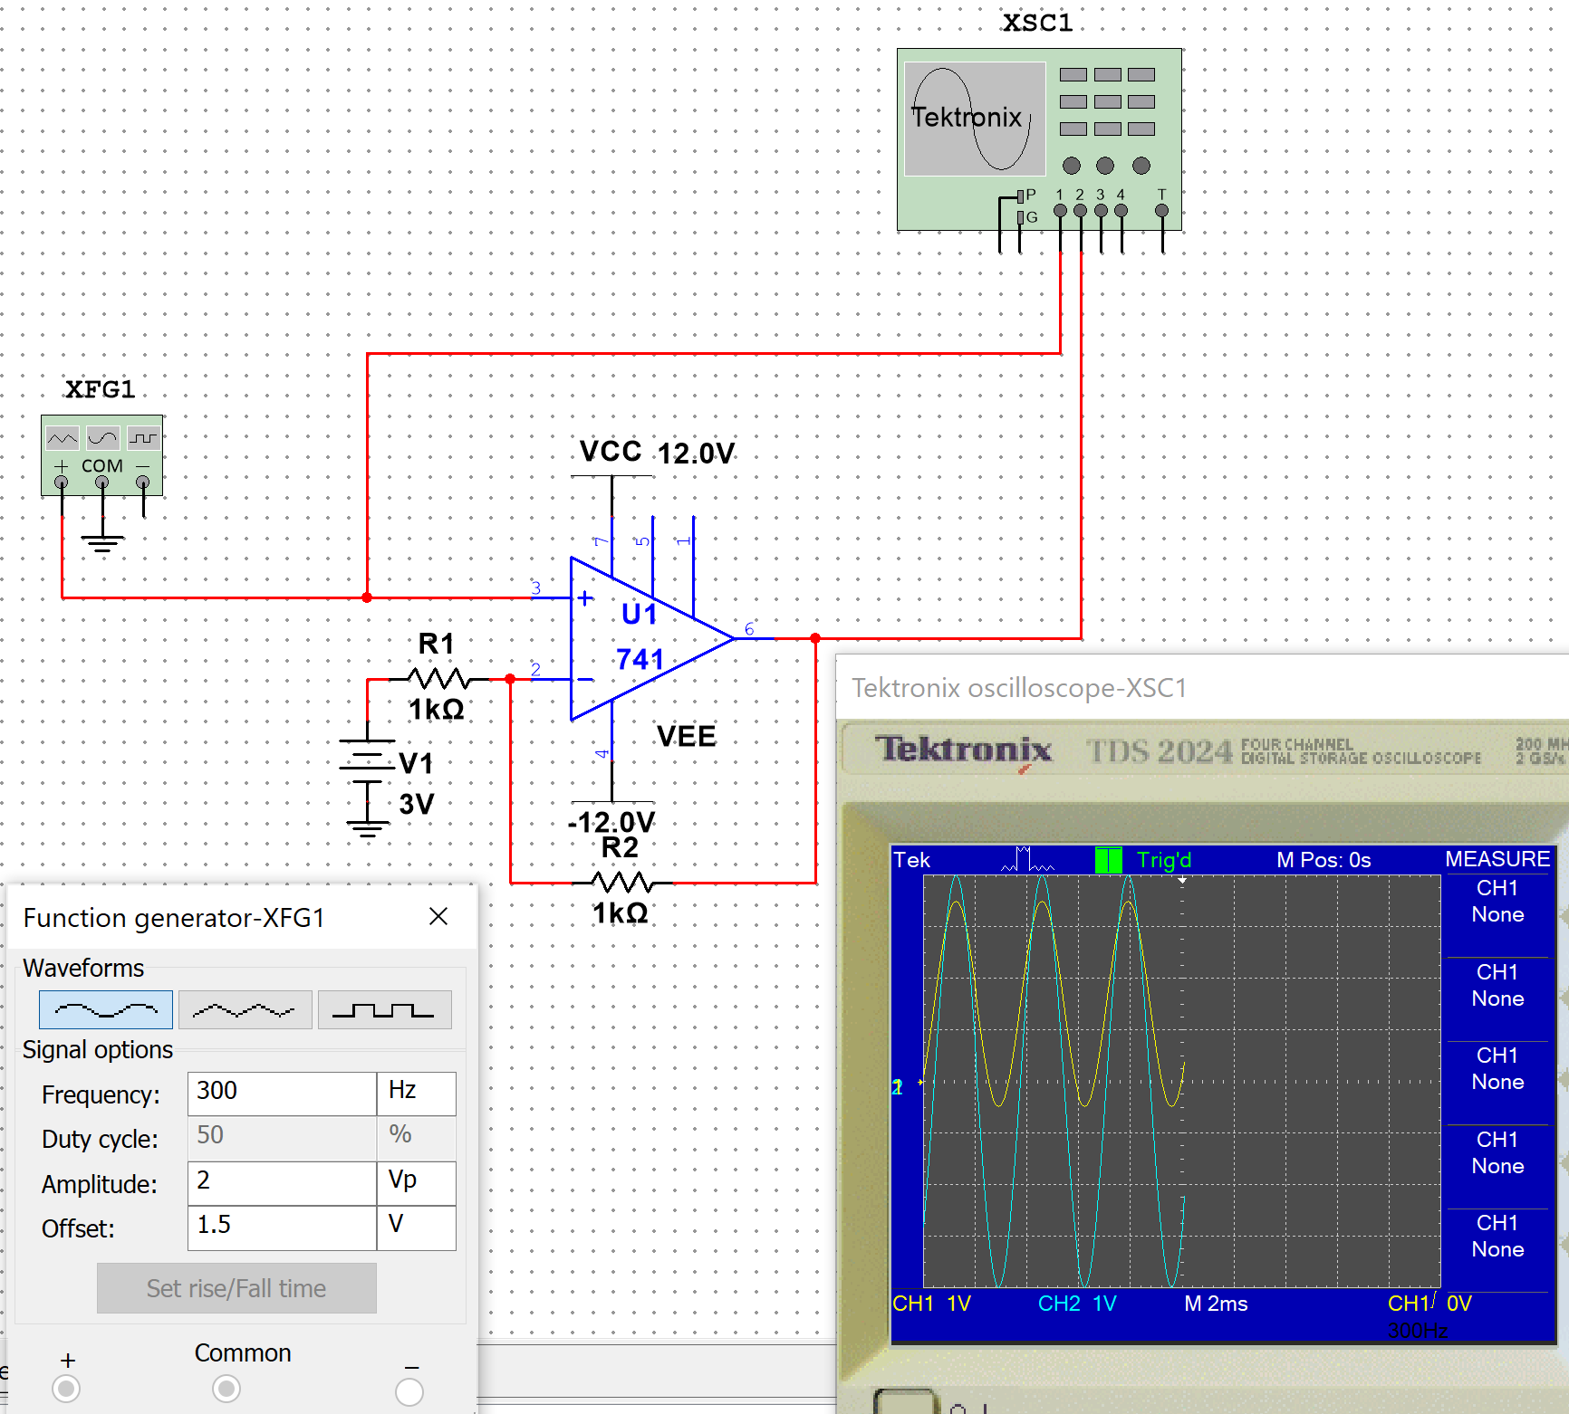
Symbol | Description or Formula |  | Value | Units |  | MQues
Ri |  |  | 1E+3 | Ohm
Rf |  |  | 1E+3 | Ohm
 | Use Superposition to Solve
Vin_dc_invert |  |  | 3.00 | V | POSITIVE
Av_invert | Rf/Ri | 1E+3/1E+3 | 1.00 |  | INVERTED
Vout_dc_invert | Vin_dc_invert*Av_invert | 3.00*1.00 | 3.00 | V | NEGATIVE

Vin_dc_non_invert |  |  | 1.50 | V | POSITIVE
Av_non_invert | (Rf/Ri)+1 | (1E+3/1E+3)+1 | 2.00 |  | NON-INVERTED
Vout_dc_non_invert | Vin_dc_non_invert*Av_non_invert | 1.50*2.00 | 3.00 |  | POSITIVE

Vout_dc | The DC components cancel |  | 0.00 | V |  | 2

Vin_ac_non_invert |  |  | 2.00 | Vp
Vout_ac_non_invert | Vin_ac_non_invert*Av_non_invert | 2.00*2.00 | 4.00 | Vp | NON-INVERTED | 1

L-Page2
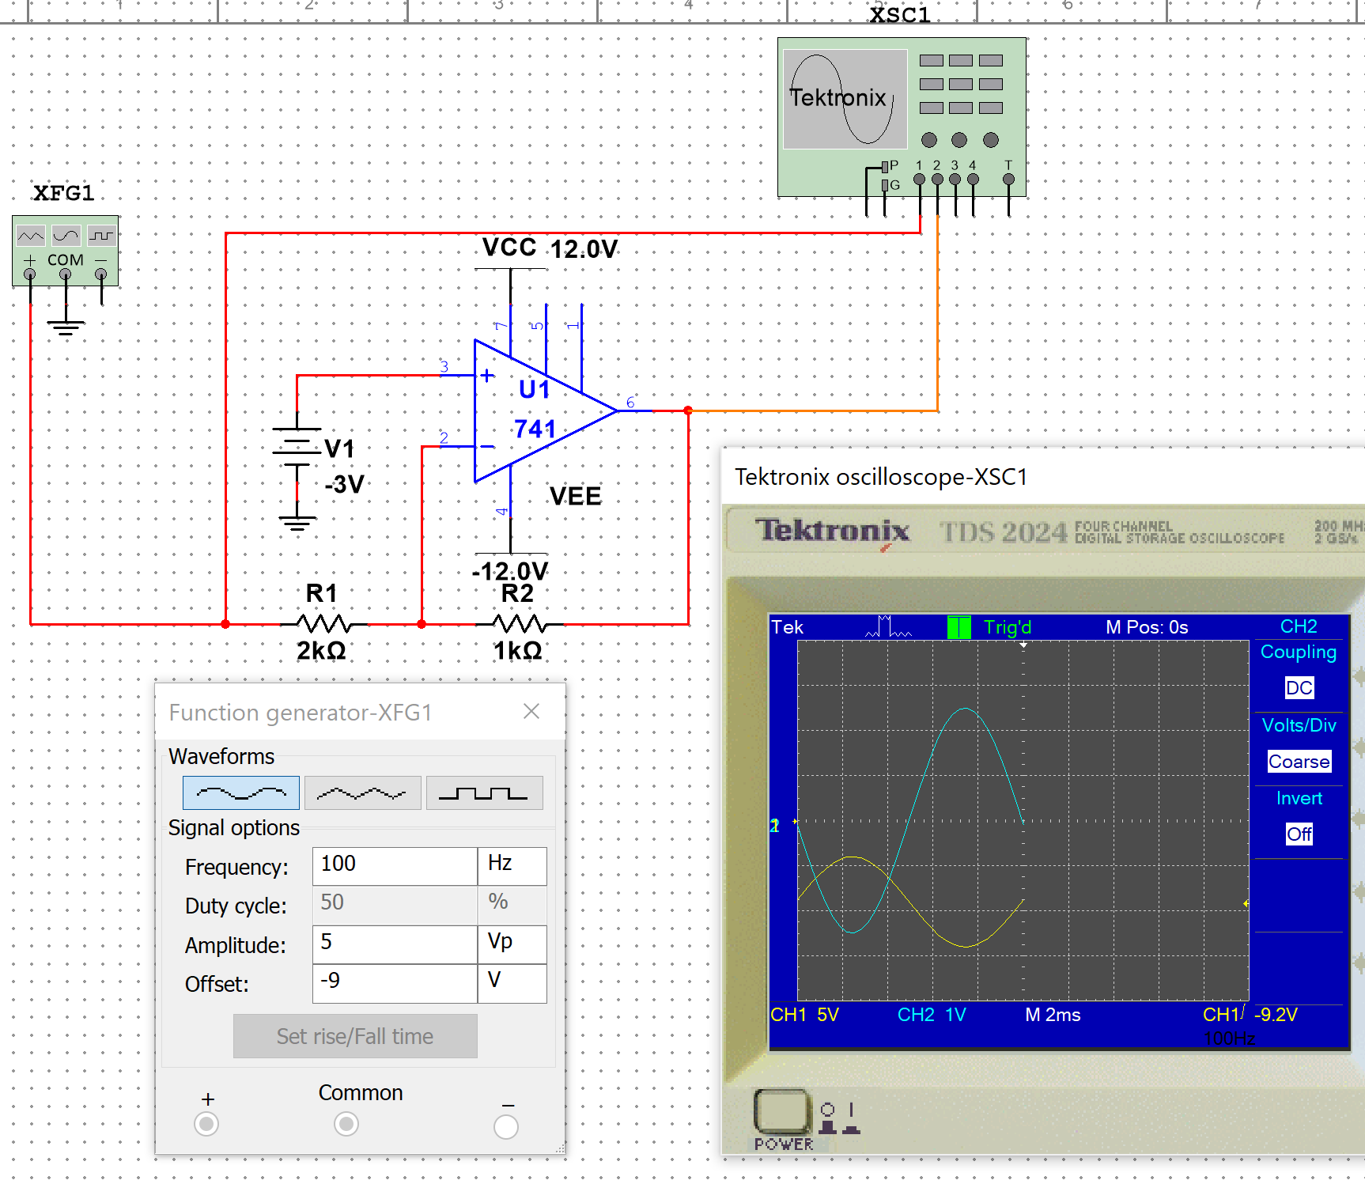
Symbol | Description or Formula |  | Value | Units |  | MQues
Ri |  |  | 2E+3 | Ohm
Rf |  |  | 1E+3 | Ohm
 | Use Superposition to Solve
Vin_dc_invert |  |  | 9.00 | V | NEGATIVE
Av_invert | Rf/Ri | 1E+3/2E+3 | 0.50 |  | INVERTED
Vout_dc_invert | Vin_dc_invert*Av_invert | 9.00*0.50 | 4.50 | V | POSITIVE

Vin_dc_non_invert |  |  | 3.00 | V | NEGATIVE
Av_non_invert | (Rf/Ri)+1 | (1E+3/2E+3)+1 | 1.50 |  | NON-INVERTED
Vout_dc_non_invert | Vin_dc_non_invert*Av_non_invert | 3.00*1.50 | 4.50 |  | NEGATIVE

Vout_dc | The DC components cancel |  | 0.00 | V |  | 2

Vin_ac_invert |  |  | 5.00 | Vp
Vout_ac_invert | Vin_ac_invert*Av_invert | 5.00*0.50 | 2.50 | Vp | INVERTED | 1

