L-Inverting
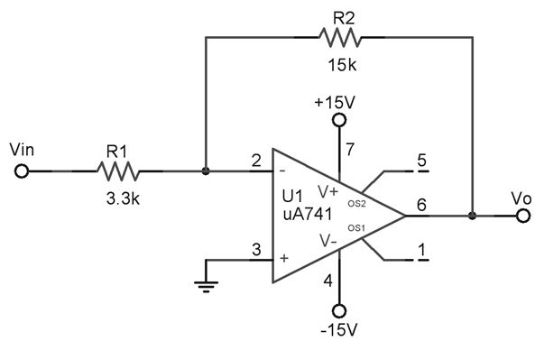
Symbol | Description or Formula |  | Value | Units | Comment | MQues
Vs |  |  | 118.0E-3 | Vp
Rs | Internal Source R |  | 600 | Ohm
Ri_s1 | Stage 1 |  | 3.3E+3 | Ohm
Rf_s1 | Stage 1 |  | 15E+3 | Ohm

Av_s1 | Rf_s1/Ri_s1 | 15E+3/3.3E+3 | 4.55 |  | INVERTED | 12
Rin_s1 | Ri_s1 |  | 3.3E+3 | Ohm |  | 13
Vin | (Vs*Ri_s1)/(Rs+Ri_s1) | (118.0E-3*3.3E+3)/(600+3.3E+3) | 99.85E-3 | Vp |  | 15
Vout | Vin*Av_s1 | 99.85E-3*4.55 | 454.32E-3 | Vp | INVERTED | 15

Vs |  |  | 50.0E-3 | Vp
Rs | Internal Source R |  | 600 | Ohm
Vin | (Vs*Ri_s1)/(Rs+Ri_s1) | (50.0E-3*3.3E+3)/(600+3.3E+3) | 42.31E-3 | Vp |  | 16
Vout | Vin*Av_s1 | 42.31E-3*4.55 | 192.51E-3 | Vp | INVERTED | 16

Vs |  |  | 50.0E-3 | Vp
Rs | Internal Source R |  | 600 | Ohm
Vin | Vs |  | 50.00E-3 | Vp |  | 17
Vout | Vin*Av_s1 | 50.00E-3*4.55 | 227.50E-3 | Vp | INVERTED | 17

L-NonInverting
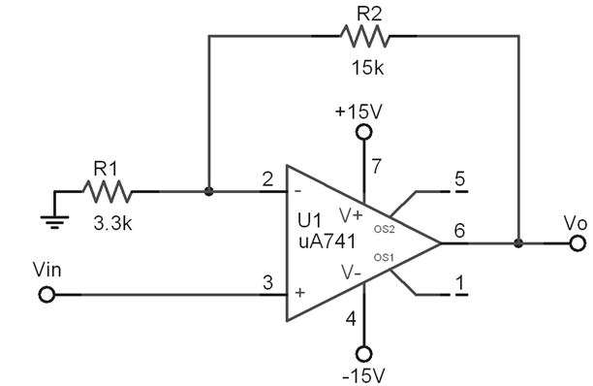
Symbol | Description or Formula |  | Value | Units | Comment | MQues
Vs |  |  | 118.0E-3 | Vp
Rs | Internal Source R |  | 600 | Ohm
Ri_s1 | Stage 1 |  | 3.3E+3 | Ohm
Rf_s1 | Stage 1 |  | 15E+3 | Ohm

Av_s1 | (Rf_s1/Ri_s1)+1 | (15E+3/3.3E+3)+1 | 5.55 |  | NON-INVERTED | 19
Rin_s1 | Infinity |  | Infinity | Ohm |  | 20
Vin | Vs | 118.0E-3 | 118.0E-3 | Vp |  | 22
Vout | Vin*Av_s1 | 118.0E-3*5.55 | 654.90E-3 | Vp | NON-INVERTED | 22

Vs |  |  | 50.0E-3 | Vp
Rs | Internal Source R |  | 600 | Ohm
Vin | Vs |  | 50.00E-3 | Vp |  | 23
Vout | Vin*Av_s1 | 50.00E-3*5.55 | 277.50E-3 | Vp | NON-INVERTED | 23

 | _ | _

LWE-InvertingToNonInverting
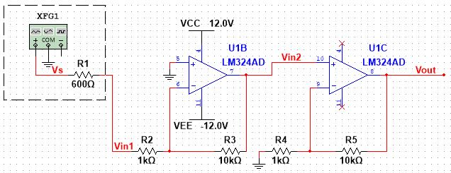
Symbol | Description or Formula |  | Value | Units | Comment | MQues
Vs |  |  | 100.0E-3 | Vp
Rs | Internal Source R |  | 600 | Ohm
Ri_s1 | Stage 1 |  | 1E+3 | Ohm
Rf_s1 | Stage 1 |  | 10E+3 | Ohm
Ri_s2 | Stage 2 |  | 1E+3 | Ohm
Rf_s2 | Stage 2 |  | 10E+3 | Ohm

Av_s1 | Rf_s1/Ri_s1 | 10E+3/1E+3 | 10.00 |  | INVERTED
Av_s2 | (Rf_s2/Ri_s2)+1 | (10E+3/1E+3)+1 | 11.00 |  | NON-INVERTED
Av_tot | Av_s1*Av_s2 | 10.00*11.00 | 110.00 |  | INVERTED
Rin_s1 | Ri_s1 |  | 1E+3 | Ohm
Vin | (Vs*Ri_s1)/(Rs+Ri_s1) | (100.0E-3*1E+3)/(600+1E+3) | 62.50E-3 | Vp | Voltage Divider
Vout | Vin*Av_tot | 62.50E-3*110.00 | 6.875 | Vp | INVERTED

 | _ | _

