Tabelle1
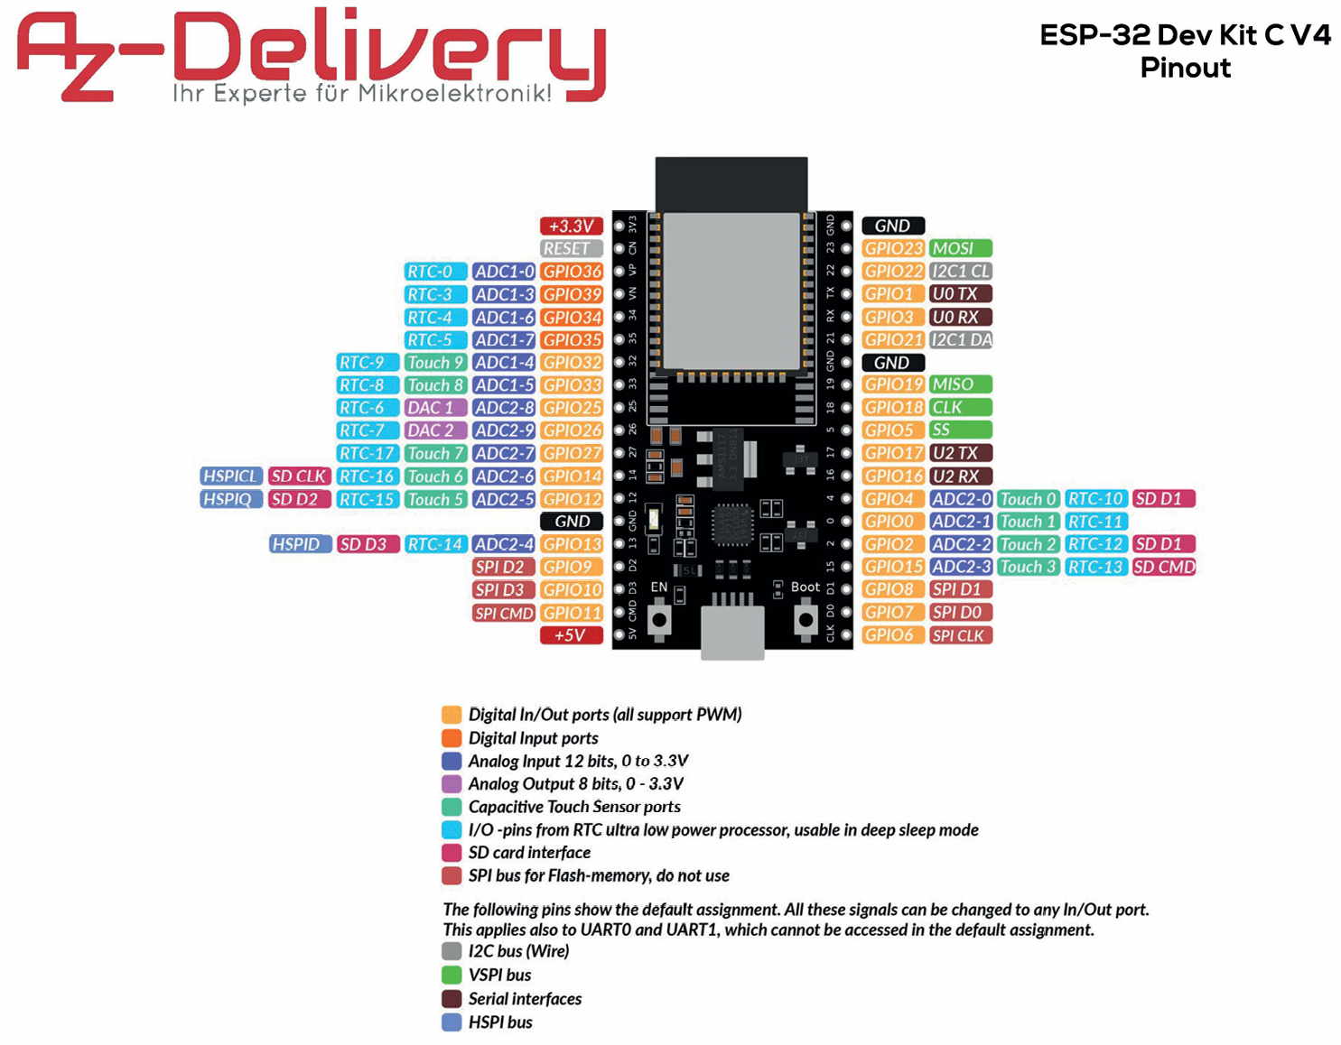
 | I/O |  |  |  |  |  |  | I/O
 |  | 3V3 | 3V3 | pin19 | pin19 | GND | GND
 |  | RESET | EN | pin18 | pin18 | D23 | GPIO23 |  | SPI-Datenleitung
Gimbal RX | AnalogIn | GPIO36 | VP | pin17 | pin17 | D22 | GPIO22
Gimbal RY | AnalogIn | GPIO39 | VN | pin16 | pin16 | TX | GPIO1
Gimbal LX | AnalogIn | GPIO34 | D34 | pin15 | pin15 | RX | GPIO3
Gimbal LY | AnalogIn | GPIO35 | D35 | pin14 | pin14 | D21 | GPIO21
Trigger R | AnalogIn | GPIO32 | D32 | pin13 | pin13 | GND | GND
Trigger L | AnalogIn | GPIO33 | D33 | pin12 | pin12 | D19 | GPIO19 | PWM | Rumble
 |  | GPIO25 | D25 | pin11 | pin11 | D18 | GPIO18 |  | SPI-Clock
 |  | GPIO26 | D26 | pin10 | pin10 | D5 | GPIO5 |  | Chip Select
 |  | GPIO27 | D27 | pin9 | pin9 | D17 | GPIO17 | UART | ELRS Sender
 |  | GPIO14 | D14 | pin8 | pin8 | D16 | GPIO16 | UART | ELRS Sender
Beleuchtung | PWM | GPIO12 | D12 | pin7 | pin7 | D4 | GPIO4 |  | Reset
 |  | GND | GND | pin6 | pin6 | D0 | GPIO0
 |  | GPIO13 | D13 | pin5 | pin5 | D2 | GPIO2 |  | Data
 |  | GPIO9 | D2 | pin4 | pin4 | D15 | GPIO15
 |  | GPIO10 | D3 | pin3 | pin3 | D1 | GPIO8
 |  | GPIO11 | CMD | pin2 | pin2 | D0 | GPIO7
 |  | 5V | 5V | pin1 | pin1 | CLK | GPIO6

 |  |  | Input only
 |  |  | Strapping pins / reset and boot unexpected results
 |  |  | DAC Analog to Digital (Inter-IC Sound pins)
 |  |  | I2C Wire library
 |  |  | UART named as Serial2
 |  |  | PWM
 |  |  | Digital Out
 |  |  | SPI Flash - nicht verwenden

