AZDelivery ESP32 DEV Kit C V4
https://www.az-delivery.de/products/esp-32-dev-kit-c-v4

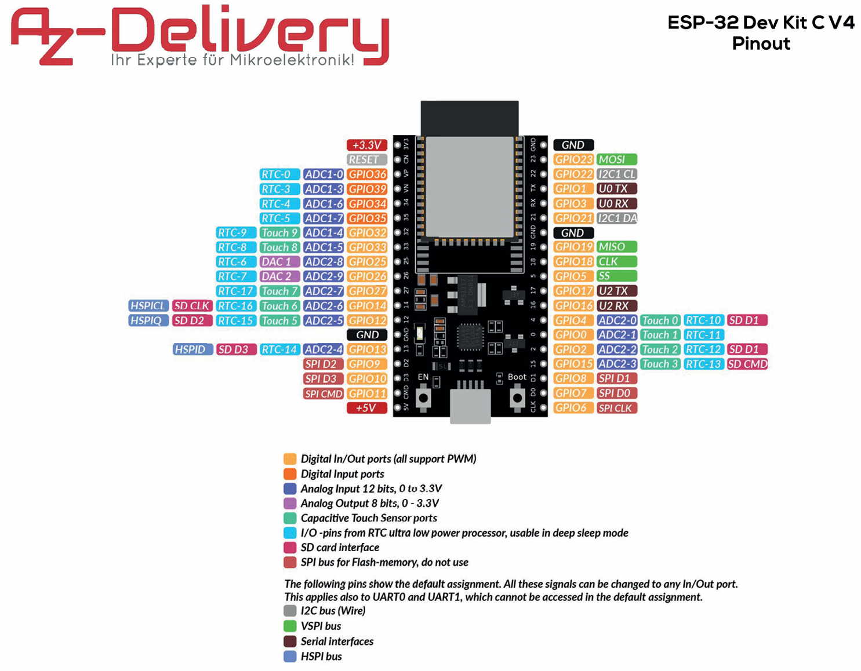
DiyGuy999 | Ohm | LandRover | I/O |  |  |  |  |  |  | I/O | LandRover | Ohm | DiyGuy999
 |  |  |  | 3V3 | 3V3 | pin19 | pin19 | GND | GND
 |  |  |  | RESET | EN | pin18 | pin18 | D23 | GPIO23 | PWM | Shake motor | 330R | Shake motor
Serial Rx | 330R | frei |  | GPIO36 | VP | pin17 | pin17 | D22 | GPIO22 | I2C | I2C Gyro / OBD | 1k | Cabin lights
Serial Tx Dummy | 330R | frei |  | GPIO39 | VN | pin16 | pin16 | TX | GPIO1 | frei
PPM Input | 330R | frei |  | GPIO34 | D34 | pin15 | pin15 | RX | GPIO3 | PWM | Head lights | 1k | Head lights
 | 330R | frei |  | GPIO35 | D35 | pin14 | pin14 | D21 | GPIO21 | I2C | I2C Gyro / OBD | 1k | Beacon 1
Upper Brake Lights | 330R | frei |  | GPIO32 | D32 | pin13 | pin13 | GND | GND
ESC Output | 330R | frei |  | GPIO33 | D33 | pin12 | pin12 | D19 | GPIO19 | Digital out | Tacho lights | 1k | Beacon 2
DAC1 Mixer | 10k | DAC1 Mixer | DAC | GPIO25 | D25 | pin11 | pin11 | D18 | GPIO18 | Digital out | Side Position lights | 1k | Side Position lights
DAC2 Mixer | 10k | DAC2 Mixer | DAC | GPIO26 | D26 | pin10 | pin10 | D5 | GPIO5 | PWM | Indicator lights right | 1k | Roof lights
CH4 Pot - Winch | 330R | CH4 Pot - Winch | PWM | GPIO27 | D27 | pin9 | pin9 | D17 | GPIO17 | frei |  | 1k | Reversing lights
CH3 Throttle | 330R | CH3 Throttle | PWM | GPIO14 | D14 | pin8 | pin8 | D16 | GPIO16 | Digital out | Work light | 1k | Fog lights
CH2 Shifting | 330R | CH2 Shifting | PWM | GPIO12 | D12 | pin7 | pin7 | D4 | GPIO4 | PWM | Tail / Brake lights | 1k | Indicator lights right
 |  |  |  | GND | GND | pin6 | pin6 | D0 | GPIO0 | frei
CH1 Steering | 330R | CH1 Steering | PWM | GPIO13 | D13 | pin5 | pin5 | D2 | GPIO2 | Digital out | Reversing lights | 1k | Indicator lights left
 |  |  |  | GPIO9 | D2 | pin4 | pin4 | D15 | GPIO15 | PWM | Indicator lights left | 1k | Tail Brake lights
 |  |  |  | GPIO10 | D3 | pin3 | pin3 | D1 | GPIO8
 |  |  |  | GPIO11 | CMD | pin2 | pin2 | D0 | GPIO7
 |  |  |  | 5V | 5V | pin1 | pin1 | CLK | GPIO6

 |  |  |  |  | Input only
 |  |  |  |  | Strapping pins / reset and boot unexpected results
 |  |  |  |  | DAC Analog to Digital (Inter-IC Sound pins)
 |  |  |  |  | I2C Wire library
 |  |  |  |  | UART named as Serial2
 |  |  |  |  | PWM
 |  |  |  |  | Digital Out
 |  |  |  |  | SPI Flash - nicht verwenden

Board DiyGuy999
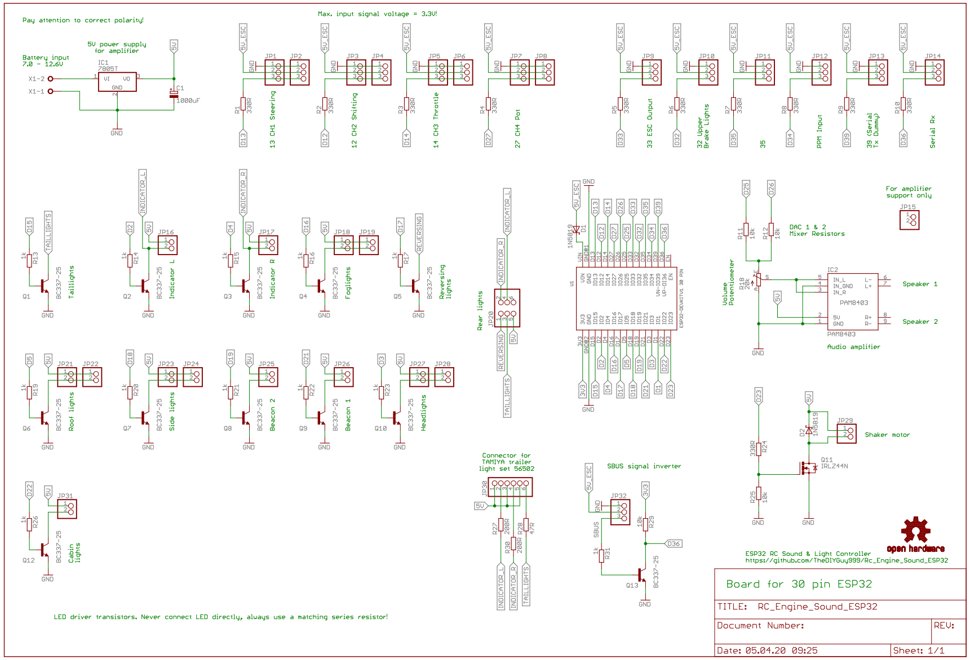

Platine
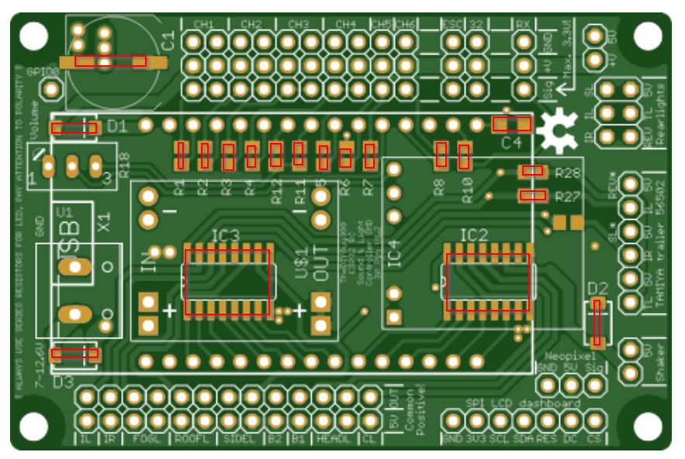
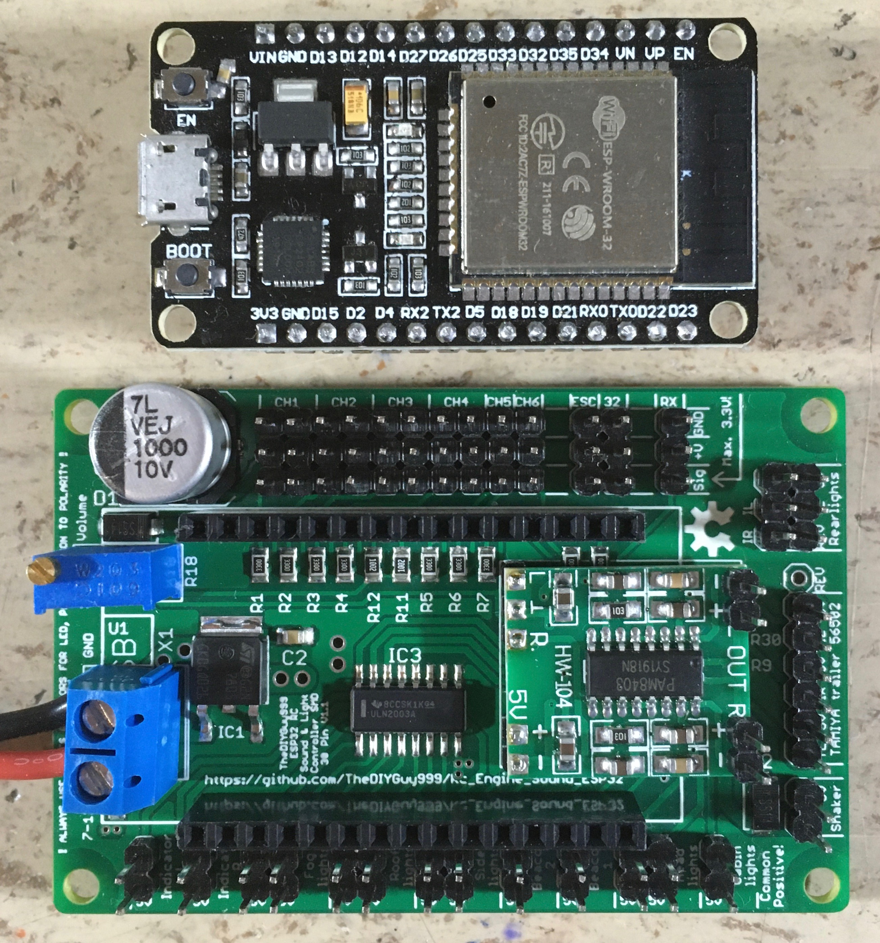
Bauteile
Name | Beschriftung | QTY | Footprint | LCSC Part #（optional） | Additional Comment
 | JP35 | 1 | 1X01
 | JP16, JP17, JP18, JP19, JP21, JP22, JP23, JP24, JP25, JP26, JP27, JP28, JP29, JP30, JP31 | 15 | 1X02
 | JP1, JP2, JP3, JP4, JP5, JP6, JP7, JP8, JP9, JP10, JP11, JP12, JP14,JP34 | 14 | 1X03
 | JP13 | 1 | 1X06
 | JP15 | 1 | 1X07
 | JP20 | 1 | 2X03
WAGO SREW CLAMP | X1 | 1 | W237-132
20k | R18 | 1 | S64W |  | Potentiometer
DC-DC-STEP-DOWN-MP1584 | U$1 | 1 | custom
ESP32DEVKITV1 | U1 | 1 | ESP32-DEVKITV1
JUMPER-PAD-3-2OF3_NC_BY_TRACE_LARGE | JP32, JP33 | 2
OSHW-LOGOM | LOGO1 | 1 | OSHW-LOGO-M
PAM8403_NO_SPEAKERS | IC4 | 1 | PAM8403_NO_SPEAKERS

Platine
Name | Beschriftung | QTY | Footprint | LCSC Part #（optional） | Additional Comment
1000uF 10V | C1 | 1 | SMD-ECAP-10x10
2.2uF 25V | C4 | 1 | C1206
10k | R11, R12 | 2 | R0805
200R | R27, R30 (nicht beschriftet) | 2 | R0805
330R | R1, R2, R3, R4, R5, R6, R7, R8, R10 | 9 | R0805
47R | R28 | 1 | R0805
SS14 | D1, D2 | 2 | SMA-DIODE DO-214AC |  | 40V, 1A Schottky rectifier
SS34 | D3 | 1 | SMA-DIODE DO-214AC |  | 40V, 3A Schottky rectifier
ULN2003AD | IC2, IC3 | 2 | SO16

Hinweis
1kR für LEDs werden extern verwendet und fehlen hier
Manche Widerstände an den Ausgängen fehlen hier noch. Zum Beispiel Dummy

