Tests
Test Name | Desription and Justification | Data | Boundries tested | Automated? | Implemented? | V0.1 | V0.2 | V0.12 | V1.02 | V1.05 | V1.12 | V1.21 | V1.26 | V1.29 | V1.35 | V1.55 | V1.57 | V1.58 | V1.6 (Final)
Packet encoding test | Encodes and decodes a packet to ensure packet system is working correctly and data is preserved | SampleTestPacket | - | Yes | Yes | Pass | Pass | Pass | Pass | Pass | Pass | Pass | Pass | Pass | Pass | Pass | Pass | Pass | Pass
Gamemode unique UID test | Check to make sure every GameManager has a unique UID | - | - | Yes | Yes | Pass | Pass | Pass | Pass | Pass | Pass | Pass | Pass | Pass | Pass | Pass | Pass | Pass | Pass
Board unique UID test | Check to make sure every BoardManager has a unique UID | - | - | Yes | Yes | - | Pass | Pass | Pass | Pass | Pass | Pass | Pass | Pass | Pass | Pass | Pass | Pass | Pass
Piece unique UID test | Check to make sure every Piece has a unique UID | - | - | Yes | Yes | - | Pass | Pass | Pass | Pass | Pass | Pass | Pass | Pass | Pass | Pass | Pass | Pass | Pass
End-to-end Networking Test | Run game twice, one game hosts, one joins. Test team switch funtionality, save game transfer, gamemode sync and game starting | Various | - | No | - | - | Pass | Pass | Pass | Pass | Pass | Pass | Pass | Pass | Pass | Pass | Pass | Pass | Pass
Name validation | Ensure only permitted names are allowed | PlayerName; Player Name; 1234; pls; rjfnsmekfntismes; rjfnsmekfntismess; [Empty]; | Permitted; Illegal character; Too long; Too short; Empty; | Yes | Yes | - | Pass | Pass | Pass | Pass | Pass | Pass | Pass | Pass | Pass | Pass | Pass | Pass | Pass
Password validation | Ensure only permitted passwords are allowed | Password; My Password; [Empty]; sfneksmrnaweirma; sfneksmrnaweirmaa; asd!; ad!; ad!\; | Permitted; Illegal character; Too long; Too short; Empty; | Yes | Yes | - | Pass | Pass | Pass | Pass | Pass | Pass | Pass | Pass | Pass | Pass | Pass | Pass | Pass
Gamemode name validation | Ensure all Gamemode names are valid file names for save files | - |  | Yes | Yes | - | Fail | Pass | Pass | Pass | Pass | Pass | Pass | Pass | Pass | Pass | Pass | Pass | Pass
AppearanceID | Ensure only one sprite is set for each appearance ID Test can only occur at runtime due to Unity limitations, test will be disabled in build for optimisation | - | - | Yes | Yes | - | - | - | - | Pass | Pass | Pass | Pass | Pass | Pass | Pass | Pass | Pass | Pass

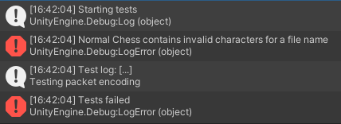
Failed test
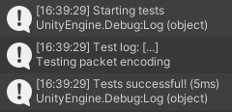
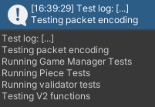
Successful automated tests

