Sheet1
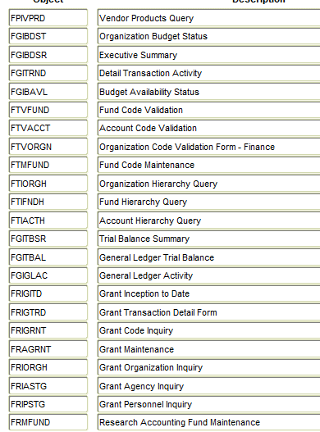
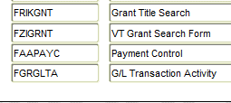
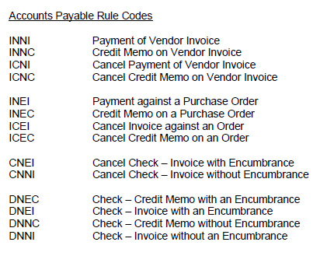
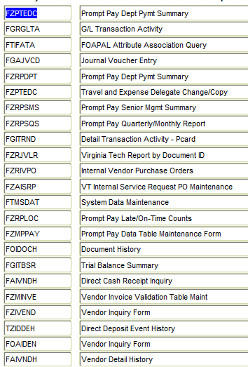
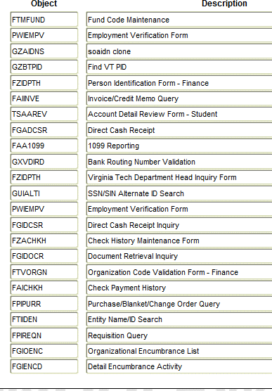
FZAINVE | to start keying or go back and flip
FZRINAC | to run reports
FAAINVD | to reestablish and delete
FZIVEND | to look up vendor ID/address/W-9 status
FAIVNDH | to find invoice
FOIDOCH | to look up document history
FGIDOCR | to see who keyed before/JE detailed info
FAICHKH | to get information on a check
FAAPAYC | to change due dates/release line holds/apply line holds
FTVAAC | to find account codes
FAIINVE | invoice entries/enclosures
FZADIRD | direct deposit
FTMFUND | to look up NSF's
FGIBAVL | fund money
FGIBDST | fund money
FGIENCD | detail encumbrance activity/for PO change info
FPIPURR | to check if paying shipping on contract
FOAPOXT | cancelled PO information
FZMINVE | to check debt setoff or EDI, check DD status
PWIEMPV | check employee status
TZIDDEH | check direct deposit status
FZIDPTH | dept head form

