Custom query (2)
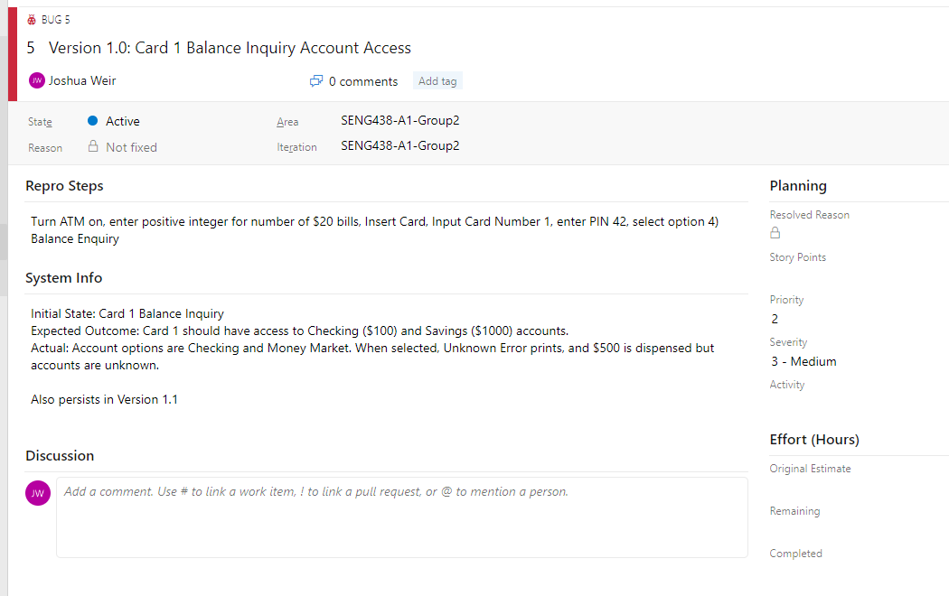
Work Item Type | ID | Title | Tags | State | Repro Steps | System Info
Bug | 5 | Version 1.0: Card 1 Balance Inquiry Account Access |  | Active | Turn ATM on, enter positive integer for number of $20 bills, Insert Card, Input Card Number 1, enter PIN 42, select option 4) Balance Enquiry | Initial State: Card 1 Balance Inquiry Expected Outcome: Card 1 should have access to Checking ($100) and Savings ($1000) accounts. Actual: Account options are Checking and Money Market. When selected, Unknown Error prints, and $500 is dispensed but accounts are unknown. Also persists in Version 1.1
Bug | 6 | Version 1.0: Card 1 Receipt Printing Mistake |  | Active | Login into Card 1. Choose Option 4) Balance Inquiry. | Initial State: Card 1 logged in, idle on menu Expected outcome: Balance receipt shows Card 1 checking has $100.00 Actual: balance receipt shows Card 2 checking has $100.00 Also persists in Version 1.1
Bug | 7 | Version 1.0: Checking Account Deposit Amount |  | Resolved | Log into Card 1. Choose option 2) Deposit. Choose Checking Account. Input value of $20. | Initial State: Card 1 Idle Menu Expected: Total Bal: $120.00 on receipt; Actual: Total Bal: $110.00 on receipt;
Bug | 22 | Version 1.0: Checking Account Deposit Amount | MFT | New | Turn on; Log in with valid card and PIN; deposit amount into valid account | Expected: Balance has increased by deposit amount Actual: Balance has increased by deposit amount minus ten cents
Bug | 20 | Version 1.0: Incorrect card number displayed on receipt |  | Active | Completing any transaction, and printing the receipt | For card 1 Expected: it should display on the receipt Card1 Actual: it displays Card 2 on the receipt instead of Card 1 For Card 2 Expected: it should display on the receipt Card 2 Actual: it displays Card 3 on the receipt instead of Card 2 Persists in Version 1.1
Bug | 17 | Version 1.0: Incorrect Pin Correction | MFT | Active | Turn on ATM. Insert Valid Card. Enter incorrect PIN once | Initial: Ready to begin session Expected: Prompts re-entry of PIN. If correct, access is granted Actual: Prompts re-entry of PIN. If correct, prompts for PIN again. Needs to be re-entered again for access. Persists in Version 1.1
Bug | 9 | Version 1.0: Incorrect Withdrawal Amount |  | Resolved | Turn on ATM; log into card number with PIN. Select option 1) Withdrawal. Select available account (respective to card). Select Withdrawal amount | Initial State: Idle Menu Expected: Withdraw the amount selected from the account Actual: Selected amount + $20 is withdrawn
Bug | 16 | Version 1.0: Insufficient Cash Available Typo | MFT | Active | Attempt to withdrawal an amount greater than sufficient funds in ATM. | Expected Message:"Insufficient Cash Available" Actual Message: "Insuficient Cash Available" Persists in Version 1.1
Bug | 12 | Version 1.0: Insufficient Funds for Withdrawl |  | Resolved | Withdraw; Checking; $20 | Initial State: transaction menu Expected Outcome: Money in the checking account if over 20$ so it should be possible to withdraw that amount Actual Outcome: Insufficient Cash available
Bug | 15 | Version 1.0: Invalid Option Selection |  | Resolved | In any menu with a selection of choices click on a number not listed as the options | Inital State: Transaction Menu Expected: Nothing happens Actual: 20$ gets displayed on screen
Bug | 10 | Version 1.0: Money Market Balance Inquiry |  | Resolved | Turn on ATM; Log in with Card 1 and PIN; Select Balance Inquiry; Select Money Market account | Initial State: Transaction Menu Expected Outcome: Only have 2 options of Checking and Savings Actual Outcome: No savings option but a Money Market one instead
Bug | 13 | Version 1.0: Money Transfer Amount Incorrect |  | Resolved | Turn on ATM, Log Into Card 2. Select Option 3) Transfer. Select From Account, Select To Account. Select Transfer amount | Initial state: User menu idle Expected: Transfer specified amount from From account to To account Actual: Transferred specified amount -$0.50 from From account to To account
Bug | 11 | Version 1.0: Spelling Error on Additional Transaction Screen |  | Resolved | Turn ATM on, log into any account, complete any transaction | Expected: "Would you like to do another transaction?" Actual: "Wood you like to do another transaction?"
Bug | 14 | Version 1.0: Transfer Receipt Bug |  | Active | Turn on ATM, Log Into Card 2. Select Option 3) Transfer. Select From Account, Select To Account. Select Transfer amount | Initial State: User Transfer Menu Expected: Receipt says FROM: Selected From Account TO: Selected To Account Actual: Receipt says FROM: Selected To Account TO: Selected From AccountStill persists in Version 1.1
Bug | 8 | Version 1.0: Withdrawl of 200$ |  | Resolved | System off -> Number of bills in ATM = 20 -> Insert card #1 -> Enter PIN: 42 -> Withdraw -> Chequing-> $200 Expected Outcome: Receive $200 Actual Outcome: Received $20 | Expected Outcome: Receive 200$ Actual Outcome: Received $20
Bug | 23 | Version 1.1: Money amount typo | MFT | New | Turn on, and log in with a valid card and PIN. Follow any transaction to the "Choose Amount Screen" | Initial: Any select vlaue option screen; Expected: "3) $60" Actual: "3) 60"; The dollar sign for the $60 dollar amount is missing.
Bug | 21 | Version 1.1: Withdrawal more cash than system has error message | MFT | New | Turn ATM on; Log-In with valid card and PIN; Withdraw more money than available in ATM | Initial: Withdrawning more cash than the ATM machine has availbale; Expected: "Insufficient Funds" Actual: "Daily Withdrawal Limit Reached"

Example of Reported Bug:

