Custom query (2)
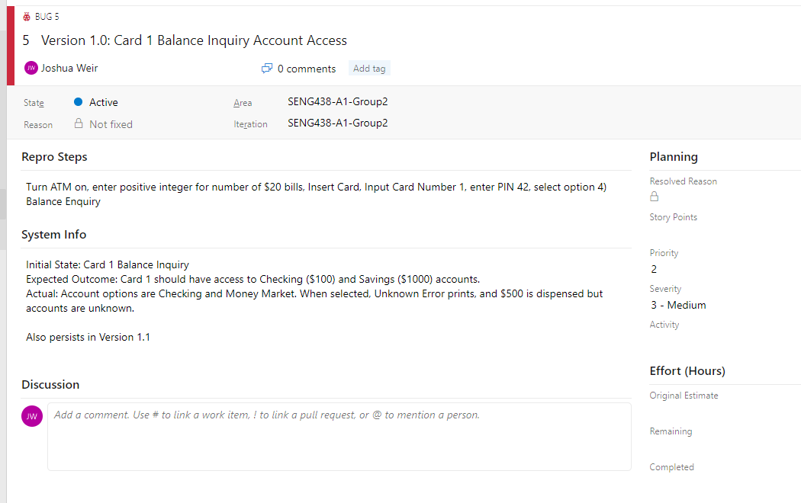
Work Item Type | ID | Title | Tags | State | Repro Steps | System Info
Bug | 5 | Version 1.0: Card 1 Balance Inquiry Account Access |  | Active | <div>Turn ATM on, enter positive integer for number of $20 bills, Insert Card, Input Card Number 1, enter PIN 42, select option 4) Balance Enquiry </div> | <div>Initial State: Card 1 Balance Inquiry </div><div>Expected Outcome: Card 1 should have access to Checking ($100) and Savings ($1000) accounts. </div><div>Actual: Account options are Checking and Money Market. When selected, Unknown Error prints, and $500 is dispensed but accounts are unknown. </div><div><br> </div><div>Also persists in Version 1.1 </div><div><br> </div>
Bug | 6 | Version 1.0: Card 1 Receipt Printing Mistake |  | Active | <div>Login into Card 1. Choose Option 4) Balance Inquiry. </div> | <div>Initial State: Card 1 logged in, idle on menu </div><div>Expected outcome: Balance receipt shows Card 1 checking has $100.00 </div><div>Actual: balance receipt shows Card 2 checking has $100.00 </div><div><br> </div><div>Also persists in Version 1.1 </div>
Bug | 7 | Version 1.0: Checking Account Deposit Amount |  | Resolved | <div>Log into Card 1. Choose option 2) Deposit. Choose Checking Account. Input value of $20. </div> | <div>Initial State: Card 1 Idle Menu </div><div>Expected: Total Bal: $120.00; Available: $120.00 </div><div>Actual: Total Bal: $110.00; Available: $100.00&nbsp; </div>
Bug | 22 | Version 1.0: Checking Account Deposit Amount | MFT | New | <div>Turn on -&gt; Log in with valid card and PIN -&gt; deposit amount into valid account </div> | <div>Expected: Balance has increased by deposit amount </div><div>Actual: Balance has increased by deposit amount minus ten cents </div>
Bug | 20 | Version 1.0: Incorrect card number displayed on receipt |  | Active | <div>Completing any transaction, and printing the receipt<br> </div> | <div>For card 1 </div><div>Expected: it should display on the receipt Card1 </div><div>Actual: it displays Card 2 on the receipt instead of Card 1 </div><div>For Card 2 </div><div>Expected: it should display on the receipt Card 2 </div><div>Actual:&nbsp;<span style="display:inline !important;">it displays Card 3 on the receipt instead of Card 2</span> </div><div><span style="display:inline !important;"><br></span> </div><div><span style="display:inline !important;">Persists in Version 1.1</span> </div>
Bug | 17 | Version 1.0: Incorrect Pin Correction | MFT | Active | <div>Turn on ATM. Insert Valid Card. Enter incorrect PIN once </div> | <div>Initial: Start up -&gt; Login </div><div>Expected: Prompts re-entry of PIN. If correct, access is granted </div><div>Actual: Prompts re-entry of PIN. If correct, prompts for PIN again. Needs to be re-entered again for access. </div><div><br> </div><div>Persists in Version 1.1 </div>
Bug | 9 | Version 1.0: Incorrect Withdrawal Amount |  | Resolved | <div>Turn on ATM,&nbsp; log into card number with PIN. Select option 1) Withdrawal. Select available account (respective to card). Select Withdrawal amount </div> | <div>Initial State: Idle Menu </div><div>Expected: Withdraw the amount selected from the account </div><div>Actual: Selected amount + $20 is withdrawn </div>
Bug | 16 | Version 1.0: Insufficient Cash Available Typo | MFT | Active | <div>Attempt to withdrawal an amount greater than sufficient funds in ATM. </div> | <div>Expected Message: &quot;Insufficient Cash Available&quot; </div><div><span style="display:inline !important;">Actual Message: &quot;</span><span style="display:inline !important;">Insuficient Cash Available&quot;</span><br> </div><div><span style="display:inline !important;"><br></span> </div><div><span style="display:inline !important;">Persists in Version 1.1</span> </div>
Bug | 12 | Version 1.0: Insufficient Funds for Withdrawl |  | Resolved | <div>Withdraw -&gt; Checking -&gt; 20$<br> </div> | <div>Initial State: transaction menu </div><div>Expected Outcome: Money in the checking account if over 20$ so it should be possible to withdraw that amount </div><div>Actual Outcome: Insufficient Cash available<br> </div>
Bug | 15 | Version 1.0: Invalid Option Selection |  | Resolved | <div>In any menu with a selection of choices click on a number not listed as the options<br> </div> | <div>Inital State: Transaction Menu </div><div>Expected: Nothing happens </div><div>Actual: 20$ gets displayed on screen<br> </div>
Bug | 10 | Version 1.0: Money Market Balance Inquiry |  | Resolved | <div>Balance Inquiry -&gt; Money Market<br> </div> | <div>Initial State: Transaction Menu </div><div>Expected Outcome: Only have 2 options of Checking and Savings </div><div>Actual Outcome: No savings option but a Money Market one instead<br> </div>
Bug | 13 | Version 1.0: Money Transfer Amount Incorrect |  | Resolved | <div>Turn on ATM, Log Into Card 2. Select Option 3) Transfer. Select From Account, Select To Account. Select Transfer amount </div> | <div>Initial state: User menu idle </div><div>Expected: Transfer specified amount from From account to To account </div><div>Actual: Transferred specified amount -$0.50 from From account to To account </div>
Bug | 11 | Version 1.0: Spelling Error on Additional Transaction Screen |  | Resolved | <div>Turn ATM on, log into any account, complete any transaction.&nbsp; </div> | <div>Expected: &quot;Would you like to do another transaction?&quot; </div><div>Actual: &quot;Wood you like to do another transaction?&quot; </div>
Bug | 14 | Version 1.0: Transfer Receipt Bug |  | Active | <div><span style="display:inline !important;">Turn on ATM, Log Into Card 2. Select Option 3) Transfer. Select From Account, Select To Account. Select Transfer amount</span><br> </div> | <div>Initial State: User Transfer Menu </div><div>Expected: Receipt says FROM: Selected From Account TO: Selected To Account </div><div>Actual:&nbsp;<span style="display:inline !important;">Receipt says FROM: Selected To Account TO: Selected From Account</span> </div><div><span style="display:inline !important;"><br></span> </div><div><span style="display:inline !important;">Still persists in Version 1.1</span> </div>
Bug | 8 | Version 1.0: Withdrawl of 200$ |  | Resolved | <div>System off -&gt; Number of bills in ATM = 20 -&gt; Insert card #1 -&gt; Enter PIN: 42 -&gt; Withdraw -&gt; Chequing-&gt; $200 </div><div>Expected Outcome: Receive 200$ </div><div>Actual Outcome: Received 20$<br> </div>
Bug | 23 | Version 1.1: Money amount typo | MFT | New | <div>Turn on, and log in with a valid card and PIN. Follow any transaction to the &quot;Choose Amount Screen&quot; </div> | <div>Expected:&nbsp; &quot;3) $60&quot; </div><div>Actual: &quot;3) 60&quot; </div>
Bug | 21 | Version 1.1: Withdrawal more cash than system has error message | MFT | New | <div>Turn ATM on -&gt; Log-In with valid card and PIN -&gt; Withdraw more money than available in ATM </div> | <div>Expected: &quot;Insufficient Funds&quot; </div><div>Actual: &quot;Daily Withdrawal Limit Reached&quot; </div>

Example of Reported Bug:

