1 ThermistorTableConversion
pullup R: | 4.7 | kOhm |  |  |  |  |  | Output Marlin Thermistor Table (note: don't add *OVERSAMPLENR)
V_in | 5 | V
oversampler | 16
R25 | 100 | kOhm (at 25°C)
scale | 1023 | (precision of voltage measurement)

Temp | R (kOhm) | V DC | Reading | Reading - oversampled | T (°C) | RT/R25
0 | 14200 | 4.998345618 | 1023 | 16363 | -55 | 142 | From thermistor datasheet:
5 | 9661.5 | 4.9975688482 | 1023 | 16360 | -50 | 96.615 |  | B57861S0104F
10 | 6656.2 | 4.9964719482 | 1022 | 16356 | -45 | 66.562 |  | R/T characteristics: 2014
15 | 4640 | 4.9949404698 | 1022 | 16351 | -40 | 46.4 |  | nickel plated wires
20 | 3270.8 | 4.9928255228 | 1022 | 16345 | -35 | 32.708
25 | 2330.2 | 4.9899353291 | 1021 | 16335 | -30 | 23.302
30 | 1677 | 4.9860260451 | 1020 | 16322 | -25 | 16.77
35 | 1218.6 | 4.9807896673 | 1019 | 16305 | -20 | 12.186
40 | 893.7 | 4.9738423865 | 1018 | 16282 | -15 | 8.937
45 | 661.25 | 4.9647120655 | 1016 | 16252 | -10 | 6.6125
50 | 493.42 | 4.952822613 | 1013 | 16214 | -5 | 4.9342
55 | 371.2 | 4.9374833732 | 1010 | 16163 | 0 | 3.712
60 | 281.45 | 4.9178752403 | 1006 | 16099 | 5 | 2.8145
65 | 215 | 4.8930359581 | 1001 | 16018 | 10 | 2.15
70 | 165.44 | 4.861878453 | 995 | 15916 | 15 | 1.6544
75 | 128.19 | 4.8231620137 | 987 | 15789 | 20 | 1.2819
80 | 100 | 4.7755491882 | 977 | 15633 | 25 | 1
85 | 78.514 | 4.7175955969 | 965 | 15444 | 30 | 0.78514
90 | 62.031 | 4.6478398346 | 951 | 15215 | 35 | 0.62031
95 | 49.304 | 4.5648470484 | 934 | 14943 | 40 | 0.49304
R/T
100 | 39.417 | 4.4673255208 | 914 | 14624 | 45 | 0.39417
105 | 31.69 | 4.3542181918 | 891 | 14254 | 50 | 0.3169
110 | 25.616 | 4.224831772 | 864 | 13830 | 55 | 0.25616
115 | 20.815 | 4.078973153 | 835 | 13353 | 60 | 0.20815
120 | 17 | 3.9170506912 | 801 | 12823 | 65 | 0.17
125 | 13.952 | 3.7400814926 | 765 | 12244 | 70 | 0.13952
130 | 11.505 | 3.5498302993 | 726 | 11621 | 75 | 0.11505
135 | 9.5302 | 3.348582592 | 685 | 10962 | 80 | 0.095302
140 | 7.9296 | 3.1392918224 | 642 | 10277 | 85 | 0.079296
145 | 6.6263 | 2.9251829812 | 598 | 9576 | 90 | 0.066263
150 | 5.5601 | 2.7095739808 | 554 | 8870 | 95 | 0.055601
155 | 4.6843 | 2.4958174824 | 511 | 8170 | 100 | 0.046843
160 | 3.9618 | 2.2869380498 | 468 | 7487 | 105 | 0.039618
165 | 3.3634 | 2.0855966466 | 427 | 6827 | 110 | 0.033634
170 | 2.8658 | 1.893917365 | 387 | 6200 | 115 | 0.028658
175 | 2.4505 | 1.7135165373 | 351 | 5609 | 120 | 0.024505
V/T
180 | 2.1026 | 1.5454385088 | 316 | 5059 | 125 | 0.021026
185 | 1.8101 | 1.3902244205 | 284 | 4551 | 130 | 0.018101
190 | 1.5633 | 1.2479842894 | 255 | 4085 | 135 | 0.015633
195 | 1.3544 | 1.11852537 | 229 | 3662 | 140 | 0.013544
200 | 1.1769 | 1.0012931988 | 205 | 3278 | 145 | 0.011769
205 | 1.0258 | 0.8957700234 | 183 | 2932 | 150 | 0.010258
210 | 0.89659 | 0.80101454636 | 164 | 2622 | 155 | 0.0089659
215 | 0.89659 | 0.80101454636 | 164 | 2622 | 160 | 0.0089659
220 | 0.89659 | 0.80101454636 | 164 | 2622 | 165 | 0.0089659
225 | 0.89659 | 0.80101454636 | 164 | 2622 | 170 | 0.0089659
230 | 0.89659 | 0.80101454636 | 164 | 2622 | 175 | 0.0089659
235 | 0.89659 | 0.80101454636 | 164 | 2622 | 180 | 0.0089659
240 | 0.89659 | 0.80101454636 | 164 | 2622 | 185 | 0.0089659
245 | 0.89659 | 0.80101454636 | 164 | 2622 | 190 | 0.0089659
250 | 0.89659 | 0.80101454636 | 164 | 2622 | 195 | 0.0089659
255 | 0.89659 | 0.80101454636 | 164 | 2622 | 200 | 0.0089659
260 | 0.89659 | 0.80101454636 | 164 | 2622 | 215 | 0.0089659
265 | 0.89659 | 0.80101454636 | 164 | 2622 | 220 | 0.0089659
270 | 0.89659 | 0.80101454636 | 164 | 2622 | 225 | 0.0089659
275 | 0.89659 | 0.80101454636 | 164 | 2622 | 230 | 0.0089659
280 | 0.89659 | 0.80101454636 | 164 | 2622 | 235 | 0.0089659
285 | 0.89659 | 0.80101454636 | 164 | 2622 | 240 | 0.0089659
290 | 0.89659 | 0.80101454636 | 164 | 2622 | 245 | 0.0089659
295 | 0.89659 | 0.80101454636 | 164 | 2622 | 250 | 0.0089659
300 | 0.89659 | 0.80101454636 | 164 | 2622 | 255 | 0.0089659
 |  |  |  |  | 260 | 0.0089659
 |  |  |  |  | 265 | 0.0089659
 |  |  |  |  | 270 | 0.0089659
 |  |  |  |  | 275 | 0.0089659
 |  |  |  |  | 280 | 0.0089659
 |  |  |  |  | 285 | 0.0089659
 |  |  |  |  | 290 | 0.0089659
 |  |  |  |  | 295 | 0.0089659
 |  |  |  |  | 300 | 0.0089659

1 Instructions & example
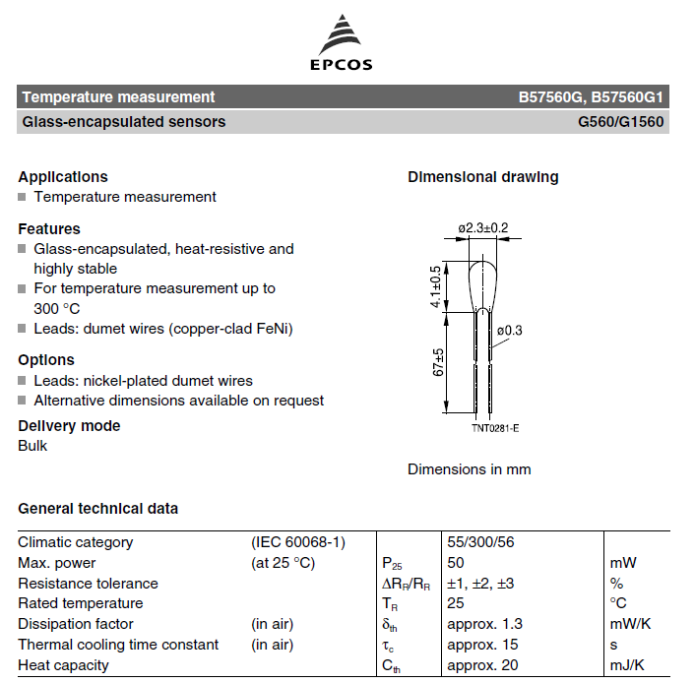
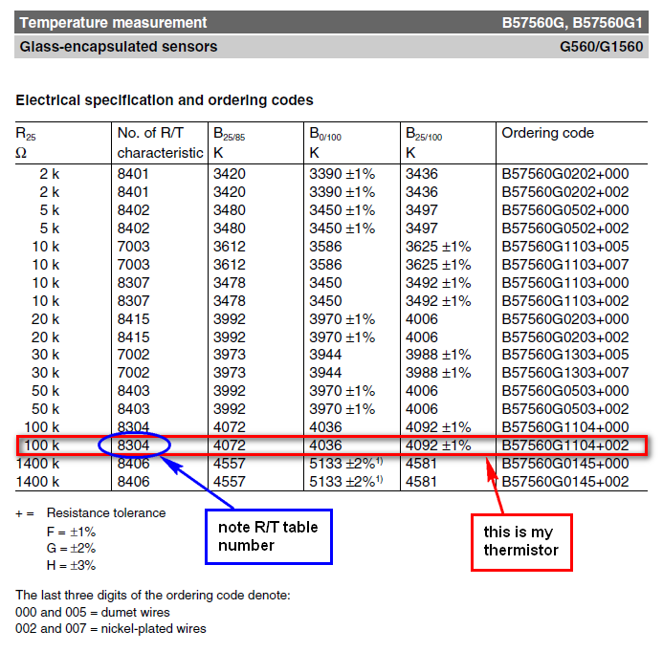
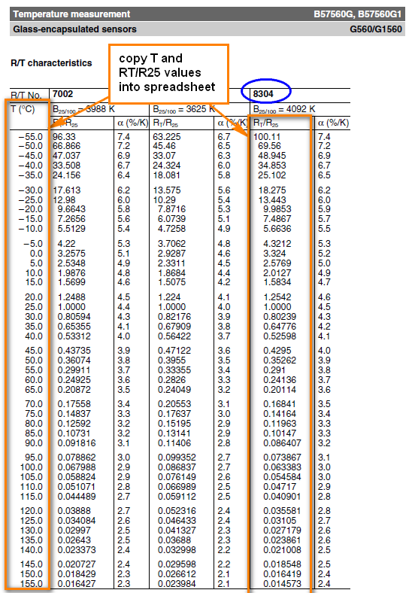
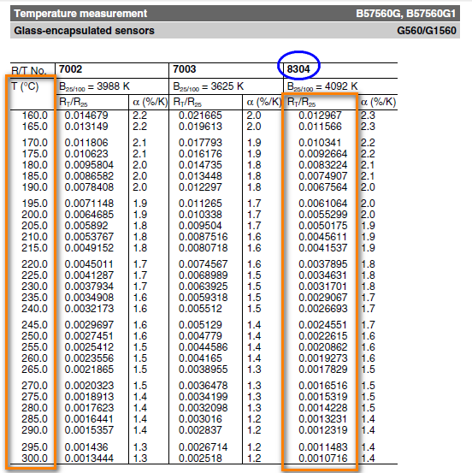
1.) Get your thermistor R/T datasheets from the manufacturer. These should be fairly easy to find on the supplier's website. See example below of how to get your R/T tables (example is from the Epcos 100k thermistor [B57560G104F] that I use for my hot end, very similar to the one originally provided by makergear) - pages below are extracts from the datasheets only.
2.) Copy the R and T values into the main sheet, in the red cells (note: the Alpha [%/k] values aren't required)
3.) enter the value of your pull-up resistor (the resistor used in your voltage divider, which allows you to measure the relative resistance of the thermistor). This is typically 4.7 kOhm. Check the design of your control board (RUMBA, RAMPS, etc), or ask the supplier what the value of this Pullup Resistor is.
4.) Enter the voltage into the voltage divider, Vin (typically 5V, as this is standard logic voltage)
5.) Enter the Oversampling number. For marlin, this is 16 (the thermistor tables in marlin show a measurement value of X * OVERSMAPLENR, but since we include the oversampling here, you just copy the values straight in, as shown on the marlin_table sheet that is generated later). oversampling is used to get greater precision of measurements.
6.) Enter the Thermistor resistance at 25°C, R25. This is the standard value used to specify a thermistor. The resistance of the thermistor at other temperatures is given in the tables relative to R25 (i.e. as a fraction or multiple of R25), so all values in that table get multiplied by this to give the actual resistance, from which the measured voltage is derived. Normally 100kOhm thermistors are used for reprap controls. If you're unsure, just measure the resistance of your thermistor at room temperature, and this will give you a pretty good idea of the nominal resistance.
7.) Enter the precision of the voltage measurement scale. For arduino boards, so for normal reprap applications, this is 1023 (i.e. the analogue measurement splits a voltage of 5V into 1024 increments)
8.) Once you are happy with all of the values in RED BORDERED cells, you can check your READING values at various temperatures, compare them to other tables in Marlin. If the values line up with another thermistor table already in Marlin, great, use that table (note: compare the values in the READING column, column D, since These are the values before teh oversampling factor is applied, and the tables in Marlin include an oversampling Multiplier). Otherwise, add your own table by copying the format of the other tables, and specify the new number that you give it as your thermistor number (in the "configure" code) (or just paste your data over the top of a thermistor table that you aren't using! and comment it accordingly in the code!).
9.) to get a table that you can just copy and paste into your custom Thermistor Table in Marlin, click on the "Create Table" button. This will just create a new sheet with correctly syntaxed data for the table, running from high temp to low temp (as per marlin standard). You can copy and paste these cells directly into the Marlin code.
10.) Remember, at the end of the day, the R25 temp is the most important value, and is easy to measure with a Digital Multimeter. If you don't actually have any technical data about your thermistor, you just need to do the following: a. Measure your thermistor's resistance at room temperature b. Select a thermistor table in your firmware with an appropriate R25 value c. Slowly increase the temperature (using printer control software like Pronterface, etc) until you are able to manually push filament through the hot end and have it melt, extruding out the nozzle. d. This temperature set point can be compared to the theoretical melting point of the filament. If it's close enough, leave the thermistor table as is. If not, select a different table and repeat, or adjust the values in the table so that the Room Temp reading and Melting Point temp line up (i.e. the temperature readings from your printer are roughly what's expected based on the approximate room temperature and melting point of the plastic). e. Now just fine tune your Nozzle Temperature set point (for printing, in your slicer software), as you would normally do regardless of the uncertainty of your thermistor. f. It doesn't matter if you have a bit of an error between your Measured versus Actual temperatures, as long as it is a consistent error, you can still calibrate the printer to run at a set point suitable for that particular filament. You only need to be accurate enough that you can still set reasonable safety limits on your temperature, to prevent damaging the hot end by overtemperature.

2 Instructions & Example
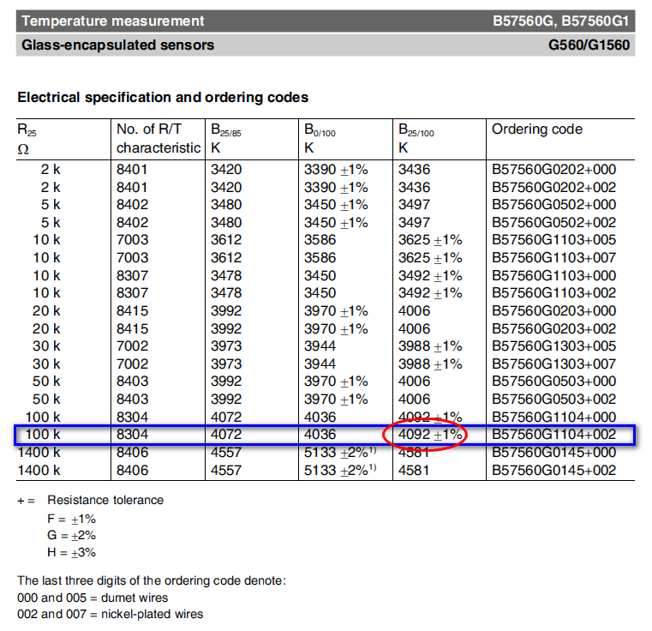
1.) Using the Beta & R25 values supplied by whoever sold you the thermistor (or looking up the datasheets online) complete the calculation inputs (in RED BORDERS)
2.) Input the values for R Pullup, Vin, Oversampling number, and scale, as discussed in method 1.
3.) see example below, for my thermistor.
4.) click the button to generate the thermistor table for use in marlin
NOTE: this method has greater error than using the R/T tables or manual calibrations, but is useful if all you know is the beta value. Note the comments in Method 1, regarding accuracy of your values.

Comparison Chart
Comparison of Methods
 | Thermistor Table |  | Steinhart-Hart |  | Beta
0 | 14200 | 0 | 307.58714114 | 0 | 402.96102197
5 | 9661.5 | 5 | 243.39349552 | 1.5346534653 | 367.22672332
10 | 6656.2 | 10 | 193.51515303 | 3.0693069307 | 335.00681575
15 | 4640 | 15 | 154.57990181 | 4.603960396 | 305.92411143
20 | 3270.8 | 20 | 124.04849371 | 6.1386138614 | 279.64509489
25 | 2330.2 | 25 | 100 | 7.6732673267 | 255.87451534
30 | 1677 | 30 | 80.974656747 | 9.2079207921 | 234.35069026
35 | 1218.6 | 35 | 65.858240195 | 10.742574257 | 214.84142128
40 | 893.7 | 40 | 53.796594557 | 12.277227723 | 197.14043813
45 | 661.25 | 45 | 44.132158703 | 13.811881188 | 181.06429851
50 | 493.42 | 50 | 36.356619012 | 15.346534653 | 166.44968203
55 | 371.2 | 55 | 30.075437725 | 16.881188119 | 153.15102532
60 | 281.45 | 60 | 24.981165614 | 18.415841584 | 141.03845285
65 | 215 | 65 | 20.833280582 | 19.95049505 | 129.99596424
70 | 165.44 | 70 | 17.442894911 | 21.485148515 | 119.91984459
75 | 128.19 | 75 | 14.661109688 | 23.01980198 | 110.71726862
80 | 100 | 80 | 12.370112347 | 24.554455446 | 102.30507377
85 | 78.514 | 85 | 10.47634546 | 26.089108911 | 94.608680504
90 | 62.031 | 90 | 8.9052454442 | 27.623762376 | 87.561141151
95 | 49.304 | 95 | 7.5971756558 | 29.158415842 | 81.102301097
100 | 39.417 | 100 | 6.5042715159 | 30.693069307 | 75.178058235
105 | 31.69 | 105 | 5.5879845455 | 32.227722772 | 69.739708506
110 | 25.616 | 110 | 4.8171638908 | 33.762376238 | 64.743366906
115 | 20.815 | 115 | 4.166552626 | 35.297029703 | 60.149454748
120 | 17 | 120 | 3.6156052243 | 36.831683168 | 55.922245131
125 | 13.952 | 125 | 3.1475545462 | 38.366336634 | 52.029459616
130 | 11.505 | 130 | 2.748673314 | 39.900990099 | 48.441909986
135 | 9.5302 | 135 | 2.407687669 | 41.435643564 | 45.133179749
140 | 7.9296 | 140 | 2.1153100312 | 42.97029703 | 42.079340696
145 | 6.6263 | 145 | 1.8638658406 | 44.504950495 | 39.258700428
150 | 5.5601 | 150 | 1.6469944011 | 46.03960396 | 36.65157726
155 | 4.6843 | 155 | 1.4594083971 | 47.574257426 | 34.240099341
160 | 3.9618 | 160 | 1.2967 | 49.108910891 | 32.008025234
165 | 3.3634 | 165 | 1.1551840843 | 50.643564356 | 29.940583514
170 | 2.8658 | 170 | 1.0317710834 | 52.178217822 | 28.024329248
175 | 2.4505 | 175 | 0.92386359078 | 53.712871287 | 26.247015462
180 | 2.1026 | 180 | 0.82927203591 | 55.247524752 | 24.597477935
185 | 1.8101 | 185 | 0.746145726 | 56.782178218 | 23.065531859
190 | 1.5633 | 190 | 0.67291630116 | 58.316831683 | 21.641879048
195 | 1.3544 | 195 | 0.60825124356 | 59.851485149 | 20.318024566
200 | 1.1769 | 200 | 0.55101555238 | 61.386138614 | 19.086201752
205 | 1.0258 | 205 | 0.50024006808 | 62.920792079 | 17.939304743
210 | 0.89659 | 210 | 0.45509522541 | 64.455445545 | 16.870827691
215 | 0.89659 | 215 | 0.41486924977 | 65.99009901 | 15.874809982
220 | 0.89659 | 220 | 0.37895 | 67.524752475 | 14.945786804
225 | 0.89659 | 225 | 0.34680981056 | 69.059405941 | 14.078744534
230 | 0.89659 | 230 | 0.3179928074 | 70.594059406 | 13.26908042
235 | 0.89659 | 235 | 0.29210426859 | 72.128712871 | 12.512566132
240 | 0.89659 | 240 | 0.26880167936 | 73.663366337 | 11.805314786
245 | 0.89659 | 245 | 0.24778719438 | 75.198019802 | 11.143751075
...

Comparison Chart (2)
Comparison of Methods
 | Thermistor Table |  | Steinhart-Hart |  | Beta
16363 | 0 | 16122 | 0 | 16179 | 0
16360 | 5 | 16058 | 5 | 16161 | 1.5346534653
16356 | 10 | 15980 | 10 | 16142 | 3.0693069307
16351 | 15 | 15885 | 15 | 16120 | 4.603960396
16345 | 20 | 15770 | 20 | 16097 | 6.1386138614
16335 | 25 | 15633 | 25 | 16073 | 7.6732673267
16322 | 30 | 15470 | 30 | 16046 | 9.2079207921
16305 | 35 | 15278 | 35 | 16018 | 10.742574257
16282 | 40 | 15053 | 40 | 15987 | 12.277227723
16252 | 45 | 14793 | 45 | 15954 | 13.811881188
16214 | 50 | 14494 | 50 | 15919 | 15.346534653
16163 | 55 | 14156 | 55 | 15881 | 16.881188119
16099 | 60 | 13776 | 60 | 15840 | 18.415841584
16018 | 65 | 13355 | 65 | 15797 | 19.95049505
15916 | 70 | 12894 | 70 | 15751 | 21.485148515
15789 | 75 | 12395 | 75 | 15701 | 23.01980198
15633 | 80 | 11861 | 80 | 15649 | 24.554455446
15444 | 85 | 11299 | 85 | 15593 | 26.089108911
15215 | 90 | 10714 | 90 | 15534 | 27.623762376
14943 | 95 | 10112 | 95 | 15471 | 29.158415842
14624 | 100 | 9502 | 100 | 15405 | 30.693069307
14254 | 105 | 8890 | 105 | 15335 | 32.227722772
13830 | 110 | 8285 | 110 | 15260 | 33.762376238
13353 | 115 | 7692 | 115 | 15182 | 35.297029703
12823 | 120 | 7117 | 120 | 15099 | 36.831683168
12244 | 125 | 6565 | 125 | 15012 | 38.366336634
11621 | 130 | 6040 | 130 | 14920 | 39.900990099
10962 | 135 | 5545 | 135 | 14824 | 41.435643564
10277 | 140 | 5080 | 140 | 14723 | 42.97029703
9576 | 145 | 4648 | 145 | 14618 | 44.504950495
8870 | 150 | 4247 | 150 | 14508 | 46.03960396
8170 | 155 | 3878 | 155 | 14392 | 47.574257426
7487 | 160 | 3539 | 160 | 14272 | 49.108910891
6827 | 165 | 3229 | 165 | 14147 | 50.643564356
6200 | 170 | 2946 | 170 | 14017 | 52.178217822
5609 | 175 | 2689 | 175 | 13882 | 53.712871287
5059 | 180 | 2455 | 180 | 13742 | 55.247524752
4551 | 185 | 2242 | 185 | 13597 | 56.782178218
4085 | 190 | 2050 | 190 | 13448 | 58.316831683
3662 | 195 | 1876 | 195 | 13293 | 59.851485149
3278 | 200 | 1718 | 200 | 13134 | 61.386138614
2932 | 205 | 1575 | 205 | 12970 | 62.920792079
2622 | 210 | 1445 | 210 | 12802 | 64.455445545
2622 | 215 | 1328 | 215 | 12629 | 65.99009901
2622 | 220 | 1221 | 220 | 12452 | 67.524752475
2622 | 225 | 1125 | 225 | 12271 | 69.059405941
2622 | 230 | 1037 | 230 | 12087 | 70.594059406
2622 | 235 | 958 | 235 | 11899 | 72.128712871
2622 | 240 | 885 | 240 | 11707 | 73.663366337
2622 | 245 | 820 | 245 | 11512 | 75.198019802
...

