year1_results.csv
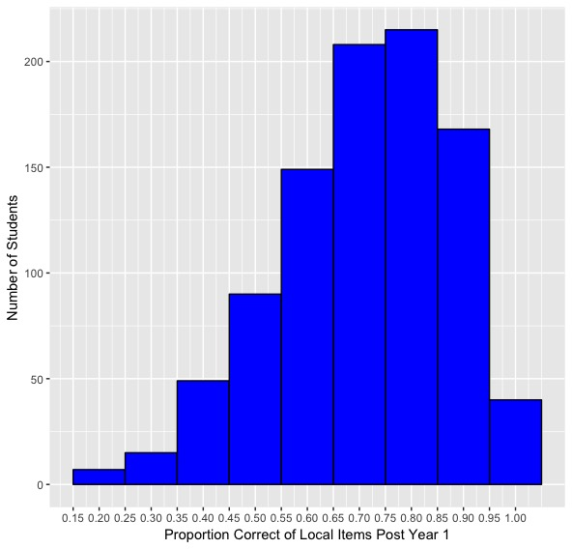
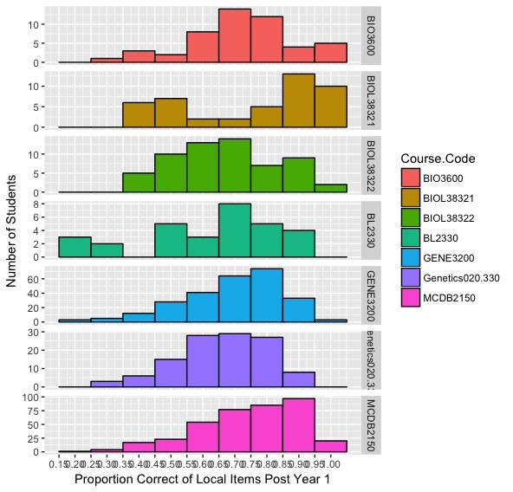
 | cl | Institution | Semester | Course.Code | count | Year1_mean | Year1_max | Year1_mean_prop | Year1_mprop_sd | Year1_alpha
1 | 7 | CUB_JK | Sp2016 | MCDB2150 | 264 | 61.89 | 87 | 0.71 | 0.15 | 0.78
2 | 1 | CUB_KK | Fa2015 | MCDB2150 | 114 | 54.62 | 67 | 0.82 | 0.13 | 0.57
3 | 2 | JHU_EF | Fa2015 | Genetics020.330 | 116 | 177.47 | 268 | 0.66 | 0.14 | 0.85
4 | 3 | Metro_VM | Fa2015 | BIO3600 | 21 | 17.1 | 23 | 0.74 | 0.2 | 0.83
5 | 8 | Metro_VM | Sp2016 | BIO3600 | 28 | 14.46 | 20 | 0.72 | 0.13 | 0.52
6 | 4 | StMU_CG | Fa2015 | BL2330 | 16 | 48.44 | 71 | 0.68 | 0.19 | 0.86
7 | 9 | StMU_CG | Sp2016 | BL2330 | 14 | 31.79 | 55 | 0.58 | 0.24 | 0.88
8 | 5 | UCD_AJ1 | Fa2015 | BIOL38321 | 45 | 37.64 | 50 | 0.75 | 0.22 | 0.75
9 | 6 | UCD_AJ2 | Fa2015 | BIOL38322 | 60 | 31.42 | 47 | 0.67 | 0.16 | 0.59
10 | 10 | Uga_NA | Sp2016 | GENE3200 | 263 | 113.46 | 163 | 0.7 | 0.16 | 0.71

 |  |  |  | Histogram 1: Proportion Correct of Local Post Tests Year 1 for All Students |  |  |  |  |  |  | Histogram 2: Proportion Correct of Local Post Tests Year 1 by Course

