year2_results
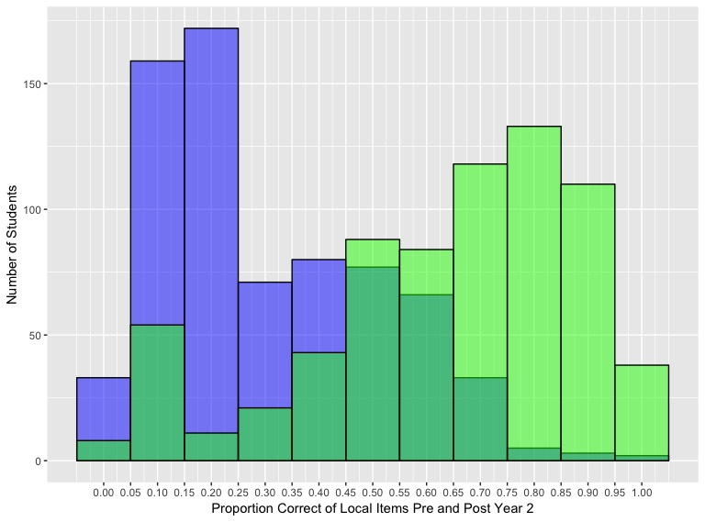
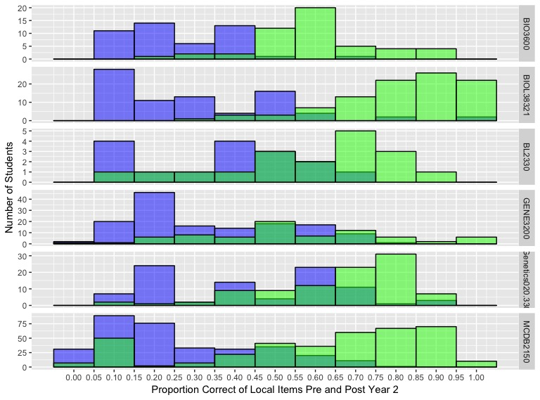
 | cl | Institution | Semester | Course.Code | matrix | Pre_n | Pre_max | Pre_mean | Pre_mean_prop | Pre_mprop_sd | Pre_alpha | Post_n | Post_max | Post_mean | Post_mean_prop | Post_mprop_sd | Post_alpha | Pre_Post_Diff
1 | 17 | CUB_JK | Sp2017 | MCDB2150 | 5 | 109 | 29 | 5.09 | 0.18 | 0.13 | 0.29 | 122 | 88 | 62.31 | 0.71 | 0.19 | 0.84 | 0.53
2 | 17 | CUB_JK | Sp2017 | MCDB2150 | 6 | 139 | 22 | 6.5 | 0.3 | 0.19 | 0.36 | 150 | 88 | 60.55 | 0.69 | 0.18 | 0.8 | 0.39
3 | 11 | CUB_KK | Fa2016 | MCDB2150 | 1 | 25 | 11 | 1.6 | 0.15 | 0.13 | -0.72 | 46 | 97 | 36.37 | 0.37 | 0.34 | 0.94 | 0.22
4 | 11 | CUB_KK | Fa2016 | MCDB2150 | 2 | 54 | 19 | 7.8 | 0.41 | 0.18 | 0.04 | 134 | 97 | 35.37 | 0.36 | 0.34 | 0.94 | -0.05
5 | 12 | JHU_EF | Fa2016 | Genetics020.330 | 0 | 89 | 16 | 6.96 | 0.43 | 0.22 | 0.15 | 96 | 219 | 144.59 | 0.66 | 0.17 | 0.89 | 0.23
6 | 13 | Metro_VM | Fa2016 | BIO3600 | 0 | 28 | 8 | 2.18 | 0.27 | 0.1 | -1.15 | 29 | 37 | 22.79 | 0.62 | 0.14 | -0.22 | 0.35
7 | 18 | Metro_VM | Sp2017 | BIO3600 | 0 | 18 | 7 | 2.11 | 0.3 | 0.15 | 0.14 | 21 | 38 | 22.24 | 0.59 | 0.16 | 0.02 | 0.29
8 | 14 | StMU_CG | Fa2016 | BL2330 | 0 | 9 | 13 | 4.89 | 0.38 | 0.13 | -0.86 | 11 | 97 | 60 | 0.62 | 0.23 | 0.94 | 0.24
9 | 19 | StMU_CG | Sp2017 | BL2330 | 0 | 7 | 9 | 3 | 0.33 | 0.25 | 0.13 | 7 | 86 | 47.71 | 0.55 | 0.19 | 0.86 | 0.22
10 | 15 | UCD_AJ | Fa2016 | BIOL38321 | 3 | 38 | 10 | 3.13 | 0.31 | 0.23 | 0.53 | 44 | 47 | 38.89 | 0.83 | 0.16 | 0.44 | 0.52
11 | 15 | UCD_AJ | Fa2016 | BIOL38321 | 4 | 42 | 17 | 4.88 | 0.29 | 0.23 | 0.05 | 53 | 47 | 38.19 | 0.81 | 0.15 | 0.38 | 0.52
12 | 20 | Uga_NA | Sp2017 | GENE3200 | 7 | 72 | 44 | 15.56 | 0.35 | 0.21 | -0.15 | 38 | 44 | 26.61 | 0.6 | 0.2 | 0.11 | 0.25
13 | 20 | Uga_NA | Sp2017 | GENE3200 | 8 | 71 | 16 | 5.17 | 0.32 | 0.18 | 0.08 | 37 | 44 | 21.59 | 0.49 | 0.24 | 0.28 | 0.17

 |  | Histogram 1: Proportion Correct for Local Items Pre-Post Year 2 |  |  |  |  |  |  |  | Histogram 1: Proportion Correct for Local Items Pre-Post Year 2 by Course

