SMPS design
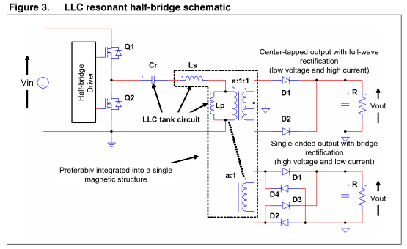

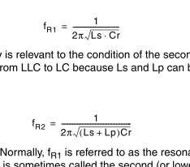
Ls | Lp | Cr | Fr
uH | uH | uF | Hz | T=
1 | 1 | 0.22 | 239935.15436 | 4.1677927634E-06
1 | 1 | 0.47 | 164155.8239 | 6.0917729034E-06
1 | 1 | 0.22 | 239935.15436 | 4.1677927634E-06
0.2 | 0.3 | 0.05 | 1006584.4515 | 9.934586199E-07

 |  |  |  |  | pwm duty

 |  |  |  |  | 50

