Summary
The Hibiscus
5250 North 20th Street, Phoenix, AZ

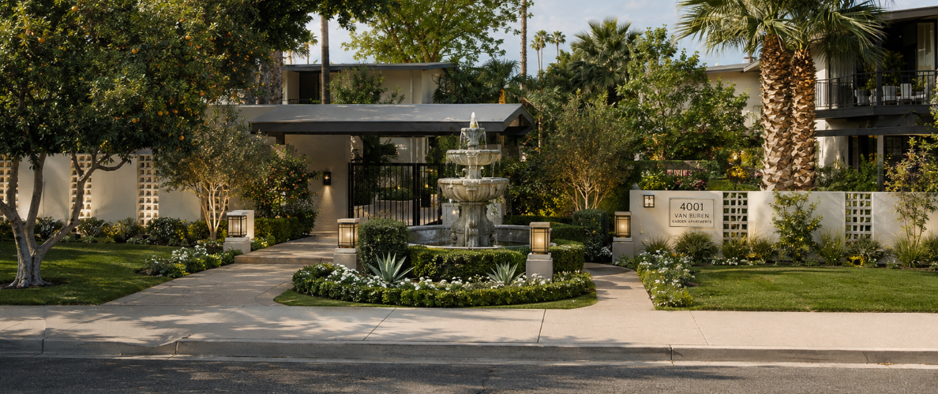
Property & Acquisition |  | Investment Assumptions
Year Built | 1960 | Renovation Costs | $740,000
Units | 37 | Reno Cost/Unit | $20,000
NRA (SF) | 38,640 | Reno Cost/SF | $19.15
Buildings | 7 | Closing Costs (%) | 3%
Current Vacancy | 8.20% | Stabilized Avg. Rent | $1,356
Current Avg. Rent | $739 | Stabilized Vacancy | 5.41%
Purchase Price | $2,775,000 | Renovation Timeline | 24 Months
Price/Unit | $75,000 | Hold Period | 3 Years
Price/SF | $71.82 | Exit Cap | 6.5%
In-Place Operations |  | Sources & Uses |  | Returns |  | Loan Assumptions
Effective Gross Income | $306,008 | Purchase Price | $2,775,000 | Sale Price | $4,871,361 | Loan Type | Bridge - I/O
Operating Expenses | ($150,300) | Closing Costs | $83,250 | Exit Price/Unit | $131,658 | Amount | $1,942,500
Expense Ratio | 49% | Renovation Costs | $740,000 | Selling Costs | ($146,141) | Interest Reserve | $296,595
NOI | $155,708 | Loan Closing Costs | $58,275 | Net Sale Proceeds | $4,725,220 | Total Loan | $2,239,095
Going-in Cap Rate | 5.6% | Capitalized Interest | $296,595 | All-in Basis/Unit | $95,000 | LTC | 57%
Stabilized Pro Forma |  | Total Uses | $3,953,120 | Development Spread | 240 bps | Initial LTV | 70%
Effective Gross Income | $562,777 | Loan | $1,942,500 | Unlevered IRR | 17% | Exit LTV | 46%
Operating Expenses | ($246,139) | Interest Reserve | $296,595 | Unlevered Equity Multiple | 1.58x | Term | 3 Years
Expense Ratio | 44% | Operating Cash Flow Retained | $360,676 | Levered IRR | 25% | Rate | 9%
NOI | $316,638 | Equity | $1,353,349 | Levered Equity Multiple | 1.92x | Stabilized DSCR | 1.53
Yield on Cost | 8.0% | Total Sources | $3,953,120 | Equity Requirement | $1,353,349 | Stabilized Debt Yield | 14%
Investment Thesis
The Hibiscus is a 37-unit, 1960-vintage garden apartment community in Phoenix’s Biltmore area, where limited construction activity reduces direct competition from new supply. All units reportedly remain in classic condition, supporting a meaningful $20,000-per-unit interior and exterior renovation program. Direct rent comps support average stabilized rent of approximately $1,356 without relying on aggressive assumptions.

Purchase Price Rationale
Selected sale comps range from approximately $130,000 to $200,000 per unit but vary in condition and operating performance. A $2.775 million purchase price reflects the property’s low in-place NOI, capital needs and lease-up risk while limiting the all-in basis to approximately $106,800 per unit.

Conclusion
A purchase price of $2.775 million or lower represents the preferred basis. A higher price would require stronger support for achievable rents, lower renovation costs or a faster renovation schedule. Final pricing remains subject to verification of the rent roll, operating statements, contractor bids and deferred maintenance.

