Summary
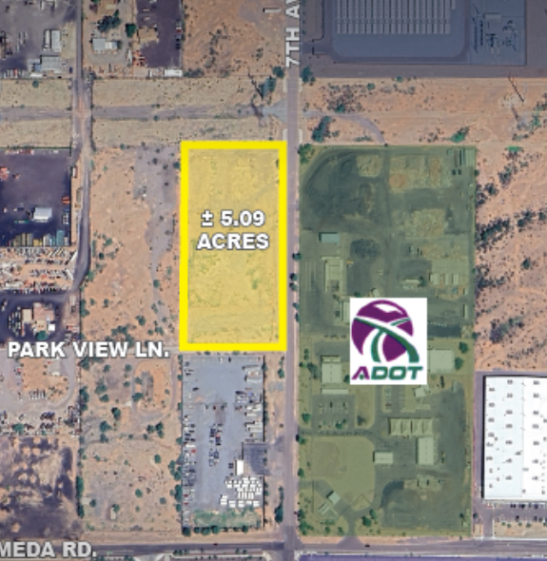
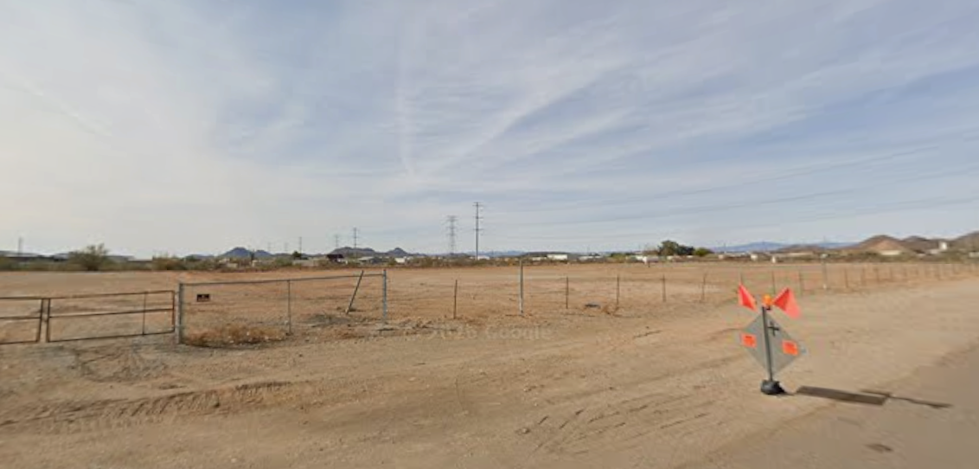
1. DEVELOPMENT PROGRAM
Assumption | Value / Description
Property Type | Class A small-bay industrial development
Property Address | 24420 N. 7th Ave., Phoenix, AZ 85085
Parcel Number | 210-08-031C
Existing Zoning | RU-43; industrial rezoning or entitlement required
Site Area | 5.09 acres / approximately 221,745 SF
Rentable Area | 80,000 SF
Site Coverage | Approximately 36.1%
Building Configuration | Single-story, rear-load industrial
Suite Configuration | 7 suites averaging approximately 11,429 SF
Clear Height | 28 feet; proposed specification
Office Finish | Approximately 10% of rentable area; proposed specification
Parking Ratio | 2.0 spaces per 1,000 SF; proposed specification
Total Parking | Approximately 160 spaces
Loading | Dock-high and grade-level access; final configuration subject to design
Development Status | Hypothetical development; zoning, site design and entitlements remain subject to verification

2. DEVELOPMENT COSTS
Assumption | Value / Description
Land Acquisition | $4,000,000
Land Closing Costs | 1.0% of acquisition price
Hard Construction Costs | $145 per building SF, including assumed sitework and utilities
Soft Costs | 15% of hard construction costs
Construction Contingency | 5% of hard construction costs
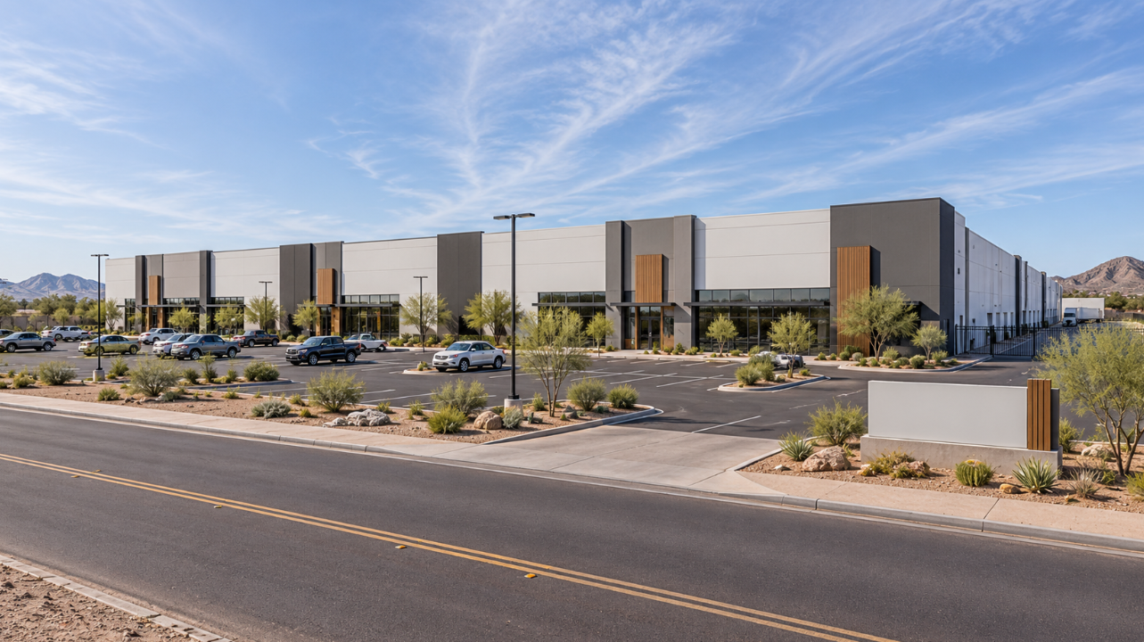
Tenant Improvements | $10 per leased SF
Leasing Commissions | 5% of contractual base rent over the initial seven-year lease term, excluding free rent
Leasing Commission Timing | Six months before each tenant's scheduled occupancy
Construction Interest | Capitalized through the applicable financing period
Loan Origination Fee | 1.0% of construction loan amount
Project Cost Basis | Includes acquisition, construction, soft costs, contingency, leasing costs and financing expenses

3. DEVELOPMENT SCHEDULE AND LEASE-UP
Assumption | Value / Description
Land Closing | Month 0 — Dec. 31, 2026
Construction Period | Months 1–15
Initial Occupancy | Month 16
Lease-Up Interval | One additional tenant per month
Initial Free Rent | Three months per tenant
First Rent Commencement | Month 19
Final Tenant Occupancy | Month 22
Final Rent Commencement | Month 25
Stabilization | Month 25; all seven suites generating contractual base rent
Investment Hold | 36 months from land acquisition to disposition
Disposition Timing | Month 36, following approximately 11 full months of stabilized operations

4. LEASING AND OPERATING ASSUMPTIONS
Assumption | Value / Description
Initial Base Rent | $20.00 per SF annually, NNN
Annual Rent Escalations | 3.00%
Initial Lease Term | Seven years
Free Rent | Three months per tenant, beginning with occupancy
Leasing Strategy | Seven equal-sized industrial suites leased sequentially
Property Taxes | $1.65/SF annually; 3% growth
Insurance | $0.38/SF annually; 3% growth
CAM and Management | $1.32/SF annually; 3% growth
Total Recoverable Expenses | $3.35/SF annually before growth
Nonrecoverable Expenses | $0.25/SF annually; 3% growth
Replacement Reserves | $0.15/SF annually; 3% growth, deducted below NOI
Initial Lease-Up Vacancy | Determined by individual tenant occupancy and rent commencement dates
Stabilized Physical Occupancy | 100% upon completion of initial lease-up
Stabilized Vacancy and Credit Loss | 5.0% of potential income beginning at stabilization
Expense Reimbursements | NNN tenant recoveries based on each tenant's proportionate share of recoverable expenses
Operating Expense Commencement | Month 16, coinciding with first tenant occupancy

5. CONSTRUCTION FINANCING
Assumption | Value / Description
Construction Loan Sizing | 60% of total development costs, including financing costs
Partnership Equity | 40% of total development costs, excluding additional equity required for operating shortfalls
Debt Draw Schedule | Monthly funding according to project expenditures and equity funding requirements
Interest Rate | Projected one-month SOFR plus 350 basis points
SOFR Assumptions | Monthly forward-rate projections from the SOFR Curve worksheet
Origination Fee | 1.0% of construction loan commitment
Loan Amortization | Interest-only during the development and hold period
Construction Interest | Unfunded interest capitalized into project costs
Loan Repayment | Outstanding construction loan repaid upon disposition
Permanent Financing | None; project underwritten as a merchant development and sale

6. STABILIZATION AND DISPOSITION
Assumption | Value / Description
Target Stabilization | Month 25
Exit Timing | Month 36
Exit Valuation | Forward 12-month NOI capitalized at the selected exit capitalization rate
Exit Capitalization Rate | 5.75%
Stabilized Vacancy and Credit Loss | 5.0% economic allowance applied beginning at stabilization
Sale Costs | 1.5% of gross disposition price
Loan Payoff | Outstanding construction loan balance repaid from disposition proceeds
Return Calculation | Monthly project cash flows measured using actual dates and XIRR

7. JOINT VENTURE AND EQUITY WATERFALL
Assumption | Value / Description
Partnership Structure | 90% limited partner (LP) / 10% general partner (GP) equity contributions
Distribution Method | Whole-project waterfall with cumulative return thresholds
Preferred Return | 8.0% annual effective return, calculated using actual dates
Tier 1 — Capital and Preferred Return | 90% LP / 10% GP until required capital and accrued preferred returns are satisfied
Tier 2 — GP Catch-Up | 100% GP distributions until the GP receives 20% of cumulative preferred-return and catch-up profits
Tier 3 — First Promote | 80% LP / 20% GP until the LP achieves a 15% IRR
Tier 4 — Second Promote | 70% LP / 30% GP until the LP achieves a 20% IRR
Tier 5 — Residual Promote | 60% LP / 40% GP on all remaining distributable cash
Hurdle Measurement | 15% and 20% hurdles measured against the LP's cumulative dated cash flows
Promote Mechanics | Higher-tier distribution splits apply only to incremental cash flow after the applicable hurdle is satisfied
Return Metrics | LP, GP and partnership IRR, equity multiple and aggregate profit

