Summary
Town Center
Santa Maria, CA 93454
Preliminary Analysis - Ground Up Multifamily Development
2026-09-06

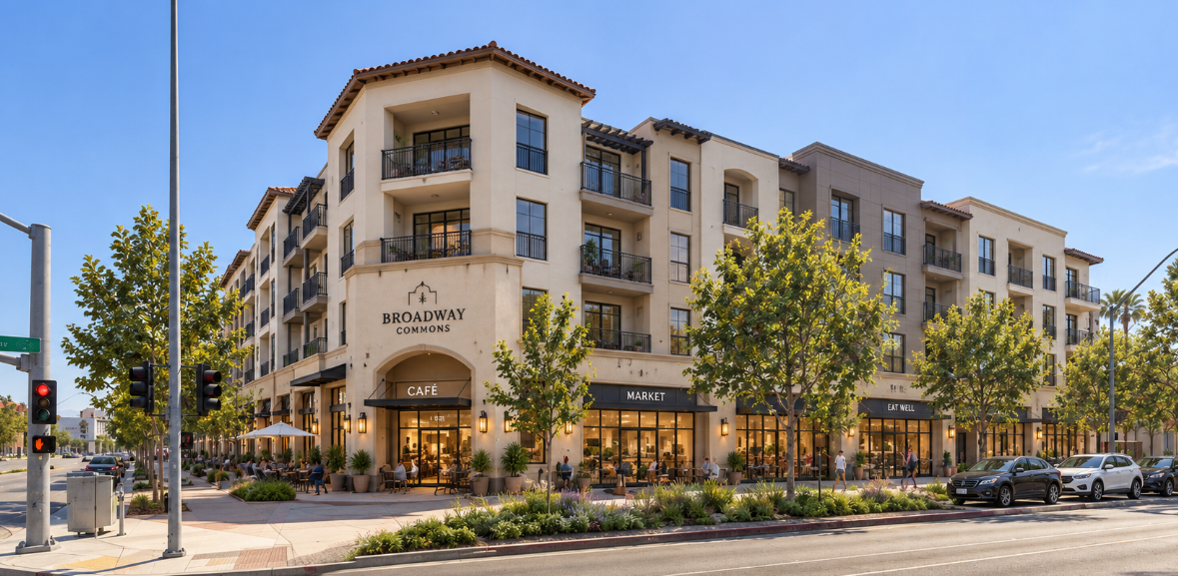
Property Basics
Property Name | Town Center | Property Type | Multifamily
Street | 300 Town Center E | Class | A
City, ZIP | Santa Maria, CA 93454 | # of Buildings | 1
NRSF | 51,888 | # of of Stories | 3
Commercial NRSF | 5,616 | # of of Units | 82
Density | 146.43 | Average Unit SF | 633
Zoning | DSP | Site Area | 0.56

Property Assumptions |  | Project Schedule | Date
Valuation Cap Rate: | 5.50% | Start of Construction | 2027-01-01
Vacancy: | 5.00% | Construction Timeline | 24 Months
Concessions/Bad Debt: | 0.00% | Grand Opening | 2029-01-31
Rent Growth: | 3.00% | Units leased per month | 08 Units
Expense Growth: | 3.00% | Sale Date | 2031-12-31

Stabilized Proforma - Untrended Rents |  |  |  |  |  | Loan Assumptions
Income |  | $/Unit | $/Unit/Mo | $/SF | % of EGI | Loan Amount: | $15,552,811 | Spread: | 3.00%
Potential Rental Income | $2,520,480 | $30,738 | $2,561.46 | $48.58 | 99.6% | Loan Term: | 3 Years | Treasury/SOFR: | 5.00%
Potential Commercial Income | $117,936 | $1,438 | $119.85 | $2.27 | 4.7% | Interest Rate | 8.0% | Max LTC: | 65.00%
Adjusted Rental Income | $2,638,416 | $32,176 | $2,681.32 | $50.85 | 104.2% | Amortization Term: | 1000 Years | Cost | $23,927,401
Less: Apartment Vacancy | $126,024 | $1,537 | $128.07 | $2.43 | 5.0% | Constant | 8.0% | Sponsor Equity | $4,592,371
Less: Commecial Vacancy | $5,897 | $72 | $5.99 | $0.11 | 0.2% | Perm Conversion: | Month 34 | Origination Fee | $155,528
Net Rental Income | $2,506,495 | $30,567 | $2,547.25 | $48.31 | 99.0%
Other Income | $24,600 | $300 | $25.00 | $0.47 | 1.0% | JV Equity
Washer Dryer Rentals | $- | $0 | $0.00 | $0.00 | 0.0% | LP Contribution: | $5,500,000 | Sponsor Contribution | $4,592,371
Internet Income | $- | $0 | $0.00 | $0.00 | 0.0% | Term: | 3 Years | LP Equity Share: | 54.5%
Laundry Room | $- | $0 | $0.00 | $0.00 | 0.0% | First LP IRR Hurdle: | 15.0% | Sponsor Equity Share | 45.5%
Effective Gross Income | $2,531,095 | $30,867 | $2,572.25 | $48.78 | 100.0% | Return of Capital: | Pari Passu | Waterfall Method | IRR
 |  | Per Unit |  |  |  | Hurdle 2: | 25.0% | Promote: | 30.0%
Less: Multifamily Operating Expenses | $884,055 | $10,781 | $898 | $17.04 | 34.9% | Hurdle 3: | 40.0% | Promote Above 40%: | 90.0%
Less: Commercial Operating Expenses | $23,549 | $287 | $24 | $0.45 | 0.9%
 |  |  |  |  |  | Untrended Ratios
Net Operating Income | $1,623,491 | $19,799 | $1,650 | $31.29 | 64.1% | LTV | 53% | Monthly Payment: | $103,685
 |  |  |  |  | LTV | LTC | 65% | Annual Payment: | $1,244,225
Value | $29,518,014 | $/Unit | $/SF | Actual Cap | LTC | DCR on NOI | 1.30 | Balance Due @ Maturity: | $15,552,811
Rounded Valuation: | $29,520,000 | $359,976 | $568.88 | 5.5% | 52.7% | Debt Yield on NOI | 10.4% | Breakeven % | 83.6%
Development Cost | $23,927,401 | $291,798 | $461.14 | 6.8% | 65.0% | Return on Cost | 6.8% | Loan Per Unit | $189,668
 |  |  |  |  |  | Return on Cost no Land Lift | 7.8% | Cost Per Unit | $291,798
Loan Amount | $15,552,811 | $/Unit | $/SF | LTC%
 |  |  |  |  |  | Exit Assumptions |  | Return Metrics
 |  |  |  |  |  | Assumed Sale Month | Month 60 | Unlevered IRR | 12.8%
Multifamily Operating Expenses - Untrended |  |  |  |  |  | Exit Cap Rate | 5.50% | Levered IRR | 15.5%
Item | Annual $ | Per Unit (Mo.) | Per NRSF | % of EGI |  | Cost of Sale | 3.0% | Unlevered EMx | 1.62x
Repairs and Maintenance | $72,816 | $74 | $1.40 | 2.9% |  | NOI capped | FL-12 | Levered EMx | 1.98x
Security | $62,976 | $64 | $1.21 | 2.5% |  | NOI (12 months after sale) | $1,925,469 | Return on Cost | 8.0%
Landscaping | $72,816 | $74 | $1.40 | 2.9% |  |  |  | Return on Equity | 14.8%
Administrative | $19,680 | $20 | $0.38 | 0.8% |  | Sale Summary |  | CAGR | 7.9%
Advertising/Marketing | $33,456 | $34 | $0.64 | 1.3% |  | Gross Sale Proceeds | $35,008,529
Payroll | $116,112 | $118 | $2.24 | 4.6% |  | Less: Cost of Sale | $1,050,256 | Risk Metrics
Utilities | $82,656 | $84 | $1.59 | 3.3% |  | Net sale Proceeds | $33,958,273 | DCR @ Sale | 1.51
Property Insurance | $24,600 | $25 | $0.47 | 1.0% |  | Less: Debt Repayment | $15,430,411 | Debt Yield @ Sale | 12.4%
Property Management | $101,244 | $103 | $1.95 | 4.0% |  | Borrower Cash Flow | $18,527,862 | Breakeven Month | Month 31
Real Estate Taxes | $258,792 | $263 | $4.99 | 10.2%
Replacement Reserves | $38,907 | $40 | $0.75 | 1.5% |  | Imputed Equity
Total Operating Expenses | $884,055 | $898 | $17.04 | 34.9% |  | Purchase Price | Per Unit | $240,000
 |  |  |  |  |  | Land Lift | $40,000 | $3,280,000
Commmercial Operating Expenses - Untrended |  |  |  |  |  | Imputed Equity |  | $3,040,000
Item | Annual $ | Per Tenant (Mo.) | Per NRSF | % of EGI
Repairs and Maintenance | $2,567 | $214 | $0.04 | 0.1% |  | Market Data |  | Sep-26
Security | $2,224 | $185 | $0.03 | 0.1% |  | Market | Santa Barbara | Submarket | Santa Maria
Landscaping | $2,567 | $214 | $0.04 | 0.1% |  | Asset Type | Multifamily | Asset Type | Multifamily
Administrative | $684 | $57 | $0.01 | 0.0% |  | Vacancy | 4.5% +90bp YoY | Vacancy | 6.9% up 260bp YoY
Advertising/Marketing | $1,198 | $100 | $0.02 | 0.0% |  | Rent ($/Unit) | $2,422 | Rent ($/Unit) | $2,178
Payroll | $4,107 | $342 | $0.06 | 0.2% |  | Rent Growth YOY | 1.30% | Rent Growth YOY | 2.80%
Utilities | $2,909 | $242 | $0.04 | 0.1% |  | Market Cap Rate | 5.0% | Submarket Cap Rate | 5.2%
Property Insurance | $856 | $71 | $0.01 | 0.0% |  | Average Sale Price/Unit | $322,000 | Average Sale Price/Unit | $266,000
Property Management | $4,416 | $368 | $0.07 | 0.2% |  | Inventory (# of Units) | $34,810 | Inventory (# of Units) | $10,403
Real Estate Taxes |  |  | $0.00 | 0.0% |  | Under Construction (SF) | 814 | Under Construction (SF) | 104
Replacement Reserves | $2,022 | $168 | $0.03 | 0.1% |  | T-12 Net Absorption (SF) | 225 | T-12 Net Absorption (SF) | 91
Total Operating Expenses | $23,549 | $1,962 | $0.45 | 0.9% |  | 12 Mo. Sales Volume ($) | $161,250,130 | 12 Mo. Sales Volume ($) | $83,276,000

 |  |  |  |  |  | Demographics |  |  | Sep-26
 |  |  |  |  |  | ZIP: 93454 | 2 mile | 5 mile | 10 mile
 |  |  |  |  |  | 2020 Population | 88,150 | 123,304 | 177,275
 |  |  |  |  |  | 2025 Population | 88,189 | 123,177 | 174,624
 |  |  |  |  |  | 2030 Population | 87,992 | 122,858 | 173,622
 |  |  |  |  |  | Annual Growth (2020-2025) | 0.01% | -0.02% | -0.30%
 |  |  |  |  |  | Annual Growth (2025-2030) | -0.04% | -0.05% | -0.11%
 |  |  |  |  |  | Median Age | 29.6 | 31.2 | 33.5
 |  |  |  |  |  | 2025 Households | 22,501 | 33,520 | 51,107
 |  |  |  |  |  | Owner Occ. Households | 9,928 | 17,619 | 30,289
 |  |  |  |  |  | Renter Occ. Households | 12,531 | 15,824 | 20,475
 |  |  |  |  |  | Avg. HH Size | 3.7 | 3.5 | 3.3
 |  |  |  |  |  | HH Income (Average) | $66,936 | $81,183 | $84,076
 |  |  |  |  |  | HH Income (Median) | $71,712 | $84,133 | $89,044

Rent Comps
Town Center
Santa Maria, CA 93454

Rent Comparables |  |  | STUDIO | 1 beds | 2 beds
MAP KEY | PROJECT NAME | SITE AREA (GROSS ACRES) | AVG SF PER UNIT | AVG SF PER UNIT | AVG SF PER UNIT
 | ADDRESS | SITE DENSITY | # OF UNITS | # OF UNITS | # OF UNITS
 | ADDRESS | YR. BUILT/RENOVATED | MARKET RENT | MARKET RENT | MARKET RENT
 | DIST. (MI.) FROM SUB | NO. UNITS | RENT/SF | RENT/SF | RENT/SF
 | CLASS | # STORIES | Concession | Concessions | Concessions
 | OCC. | AVG. UNIT SF | EFF RENT/SF | EFF RENT/SF | EFF RENT/SF
Subject | Town Center | 0.56 acres | 516 sf | 594 sf | 949 sf
 | 300 Town Center E | 146.43 units/acre | 5 units | 67 units | 10 units
 | Santa Maria, CA 93454 | 2028 | $1,985 | $2,495 | $3,295
 | SUBJECT | 82 units | $3.85 | $4.20 | $3.47
 |  | 3 stories
 |  |  | $0.00 | $0.00 | $0.00
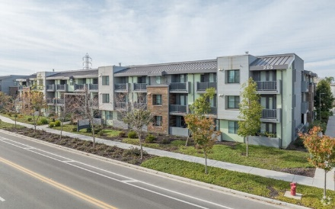 (1) | The Residences at Depot Street |  | 650 sf | 732 sf | 856 sf
 | 201 N Depot St |  | 10 units | 18 units | 40 units
 | Santa Maria, CA 93458 | 2021
 | <1 Mile | 80 units | $0.00 | $0.00 | $0.00
 | B | 3 stories
 | 96.2% | 814 sf | $0.00 | $0.00 | $0.00
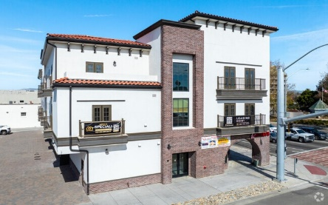 (2) | Gateway Apartments |  |  |  | 940 sf
 | 101 N Broadway | 0 |  |  | 17 units
 | Santa Maria, CA 93454 | 2024 |  |  | $2,458
 | <1 Mile | 17 units | $0.00 | $0.00 | $2.61
 | B | 3 stories |  |  | 0.7%
 | 82.4% |  | $0.00 | $0.00 | $2.59
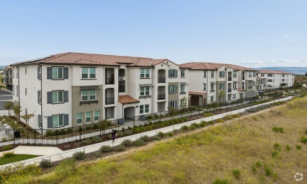 (3) | Las Brisas |  |  | 766 sf | 1,064 sf
 | 983 W Dan Blough Dr | 0 units/acre |  | 142 units | 173 units
 | Santa Maria, CA 93455 | 2026 |  | $2,547 | $3,162
 | 3 Miles | 340 units | $0.00 | $3.33 | $2.97
 | A | 3 stories |  | 14.3% | 14.3%
 | 91.2% |  | $0.00 | $3.30 | $2.95
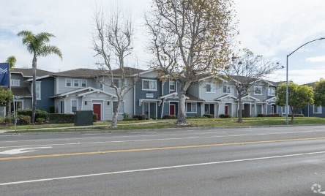 (4) | Montiavo |  |  |  | 1,318 sf
 | 2460 S Rubel Way | 0 units/acre |  |  | 120 units
 | Santa Maria, CA 93455 | 2004/2012 |  |  | $3,314
 | 3 Miles | 208 units | $0.00 | $0.00 | $2.51
 | A | 2 stories |  |  | 1.3%
 | 91.4% |  | $0.00 | $0.00 | $2.49
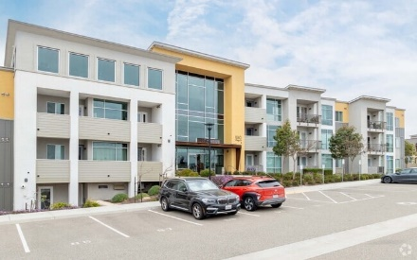 (5) | Parke West Apartments |  | 512 sf | 614 sf | 852 sf
 | 1060 Village Dr | 0 units/acre | 15 units | 19 units | 52 units
 | Orcutt, CA 93455 | 2018 | $1,696 | $2,834 | $2,481
 | 7 Miles | 86 units | $3.31 | $4.62 | $2.91
 | A | 4 stories | 0.6% | 0.6% | 0.6%
 | 95.3% |  | $3.29 | $4.58 | $2.89
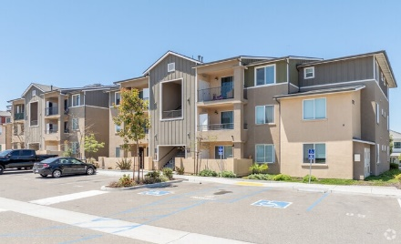 (6) | Bradley Garden Apartments |  | N/A | 651 sf | 864 sf
 | 1055 Village Dr | 0 units/acre | 10 units | 36 units | 62 units
 | Orcutt, CA 93455 | 2020 | $2,475 | $2,480 | $2,726
 | 7 Miles | 128 units | $0.00 | $3.81 | $3.16
 | A | 3 stories |  | 0.7% | 0.7%
 | 93.7% |  | $0.00 | $3.78 | $3.13
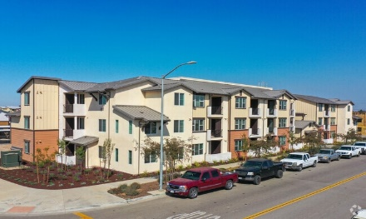 (7) | Azure Apartment Homes |  | 406 sf | 695 sf | 916 sf
 | 703 E Meehan St | 0 units/acre | 1 units | 110 units | 131 units
 | Santa Maria, CA 93454 | 2020 | $1,925 | $2,208 | $2,602
 | 3 Miles | 318 units | $4.74 | $3.18 | $2.84
 | B | 3 stories | 0.9% | 0.9% | 0.9%
 | 92.1% |  | $4.71 | $3.15 | $2.82
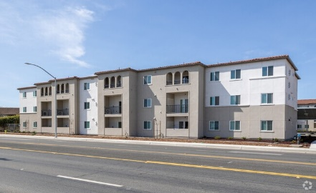 (8) | Sierra Sands Apartments |  |  | 753 sf | 999 sf
 | 327 Plaza Dr | 0 units/acre |  | 65 units | 85 units
 | Santa Maria, CA 93454 | 2024 |  | $1,985 | $2,757
 | 3 Miles | 184 units | $0.00 | $2.64 | $2.76
 | B | 3 stories |  | 0.5% | 0.5%
 | 96.6% |  | $0.00 | $2.62 | $2.74
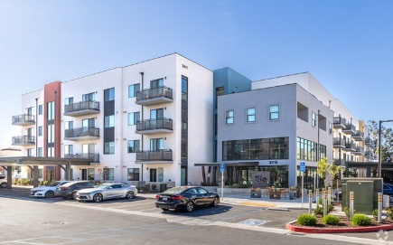 (9) | Elements Apartments |  | 462 sf | 656 sf | 948 sf
 | 3517 Mercury Dr | 0 units/acre | 10 units | 28 units | 10 units
 | Santa Maria, CA 93455 | 2023 | $1,795 | $2,383 | $2,750
 | 5 Miles | 167 units | $3.89 | $3.63 | $2.90
 | B | 4 stories | 0.4% | 0.4% | 0.3%
 | 91.6% |  | $3.86 | $3.60 | $2.88
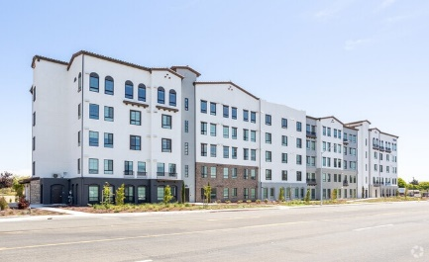 (10) | Santa Maria Studios |  | 426 sf
 | 2660 Santa Maria Way | 0 units/acre | 160 units
 | Santa Maria, CA 93455 | 2024 | $1,208
 | 5 Miles | 160 units | $2.84 | $0.00 | $0.00
 | B | 5 stories | 0.3%
 | 99.4% |  | $2.82 | $0.00 | $0.00
 | Average Occupancy - Stabilized: | 93.0% | AVERAGES BY FLOOR PLAN
 | Total Units Surveyed: | 2,159 | STUDIO | 1 beds | 2 beds
 |  | UNIT SF | 491 sf | 695 sf | 973 sf
 |  | # OF UNITS | 206 units | 418 units | 690 units
 |  | MARKET RENT | $1,820 | $2,490 | $2,785
 |  | RENT/SF | $3.70 | $3.58 | $2.86

