VGA settings
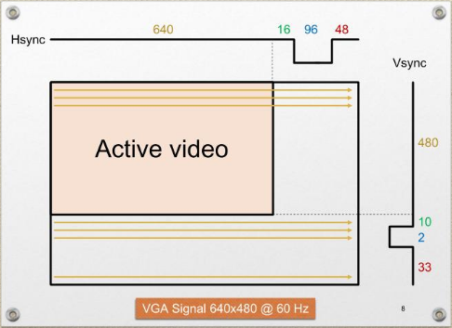
 |  | 640x480 60Hz |  | 800x600 60Hz |  | 1024x768 60Hz |  | 1280x1024 60Hz |  | 320x480 60Hz |  | 640x400 70Hz |  | 640x400 60Hz (as 640x480 but insert empty lines)
 | Screen refresh rate [Hz] | 59.940 |  | 60.317 |  | 60.004 |  | 60.020 |  | 59.940 |  | 69.947 |  | 59.821
 | Vertical refresh [kHz] | 31.469 |  | 37.879 |  | 48.363 |  | 63.981 |  | 31.469 |  | 31.406 |  | 31.406
 | Pixel freq [MHz] | 25.175 |  | 40.000 |  | 65.000 |  | 108.000 |  | 12.588 |  | 25.125 |  | 25.125
 |  | Pixels, lines | Time [us] | Pixels, lines | Time [us] | Pixels, lines | Time [us] | Pixels, lines | Time [us] | Pixels, lines | Time [us] | Pixels, lines | Time [us] | Pixels, lines | Time [us]
Horizontal timing (line) Scanline part | Active video | 640 | 25.422 | 800 | 20.000 | 1024 | 15.754 | 1280 | 11.852 | 320 | 25.422 | 640 | 25.473 | 640 | 25.473
 | Front porch | 16 | 0.636 | 40 | 1.000 | 24 | 0.369 | 48 | 0.444 | 8 | 0.636 | 16 | 0.637 | 16 | 0.637
 | Sync pulse | 96 | 3.813 | 128 | 3.200 | 136 | 2.092 | 112 | 1.037 | 48 | 3.813 | 96 | 3.821 | 96 | 3.821
 | Back porch | 48 | 1.907 | 88 | 2.200 | 160 | 2.462 | 248 | 2.296 | 24 | 1.907 | 48 | 1.910 | 48 | 1.910
 | Whole line | 800 | 31.778 | 1056 | 26.400 | 1344 | 20.677 | 1688 | 15.630 | 400 | 31.778 | 800 | 31.841 | 800 | 31.841
Vertical timing (frame) Frame part | Active video | 480 | 15,253.227 | 600 | 15,840.000 | 768 | 15,879.877 | 1024 | 16,004.741 | 480 | 15,253.227 | 400 | 12,736.318 | 400 | 12,736.318
 | Front porch | 10 | 317.776 | 1 | 26.400 | 3 | 62.031 | 1 | 15.630 | 10 | 317.776 | 12 | 382.090 | 50 | 1,592.040
 | Sync pulse | 2 | 63.555 | 4 | 105.600 | 6 | 124.062 | 3 | 46.889 | 2 | 63.555 | 2 | 63.682 | 2 | 63.682
 | Back porch | 33 | 1,048.659 | 23 | 607.200 | 29 | 599.631 | 38 | 593.926 | 33 | 1,048.659 | 35 | 1,114.428 | 73 | 2,324.378
 | Whole frame | 525 | 16,683.217 | 628 | 16,579.200 | 806 | 16,665.600 | 1066 | 16,661.185 | 525 | 16,683.217 | 449 | 14,296.517 | 525 | 16,716.418

