Sheet1
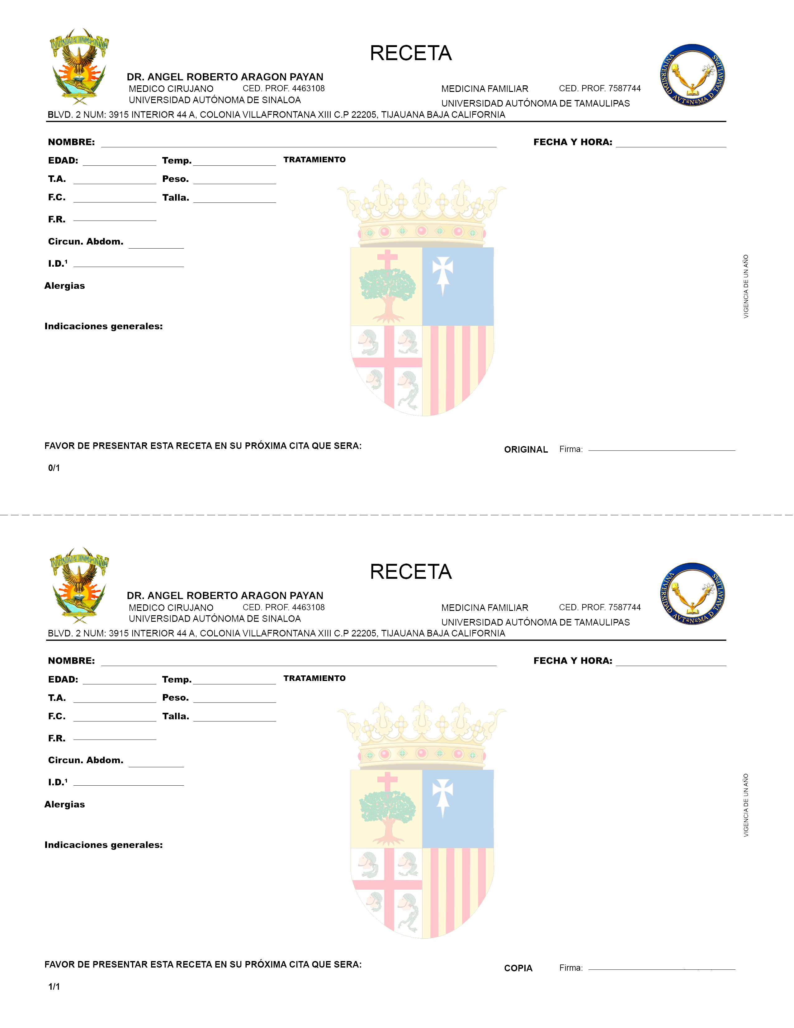

 |  | jesus |  |  |  |  |  | 02-06-2023
90 |  |  |  |  | 90
90 |  |  |  |  | 90 | 0
90 |  |  |  |  | 90
90

 |  |  | 90
90

 | 909

 |  |  |  | 90

 |  |  |  |  |  |  | 90

 |  | jesus |  |  |  |  |  | 02-06-2023
90 |  |  |  |  | 90
90 |  |  |  |  | 90 | 0
90 |  |  |  |  | 90
90

 |  |  | 90
90

 | 909

 |  |  |  | 90

 |  |  |  |  |  |  | 90

