Sheet1
Execution Time = Instruction Count * CPI * Cycyle Time
Cycle Time = 1/800M = 0.00000000125‬
Column1 | Column2 | Column3 | Column4 | Column5 | Column6 | #2 | #4 |  | #8
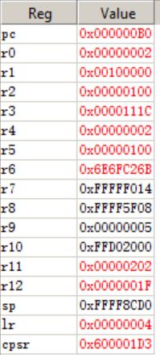
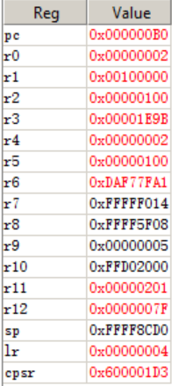
LSL | Instruction Count (R11) | CPI | Cycle Time | CPU Cycle (R3) | Execution Time
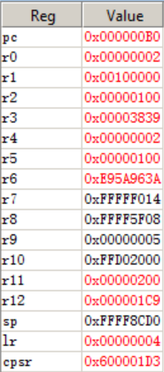
#2 | 0x202 = 514 | 8 | 0.00000000125‬ | 0x111c = 4380 | 0.000000514‬
#4 | 0x201 = 513 | 15 | 0.00000000125‬ | 7835 | 0.00000961875‬
#8 | 0x200 = 512 | 28.111328125 | 0.00000000125‬ | 14393 | 1.799125E-05

Part 2

Execution Time = Instruction Count * CPI * Cycyle Time
Cycle Time = 1/800M = 0.00000000125‬
Column1 | Column2 | Column3 | Column4 | Column5 | Column6 | 128 |  | 16
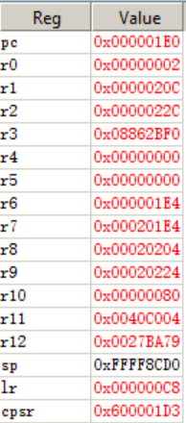
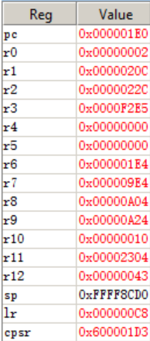
N | Instruction Count (R11) | CPI | Cycle Time | CPU Cycle (R3) | Execution Time
16 | 0x2304 = 8964 | 6.936746987951807‬ | 0.00000000125‬ | 0xF2E5 = 62181 | 0.00007772623893‬
128 | 0x40c004 = 4,243,460 | 33.701460601 | 0.00000000125‬ | 0x08862BF0 =143,010,800 | 0.178763502118825‬

