Account Data
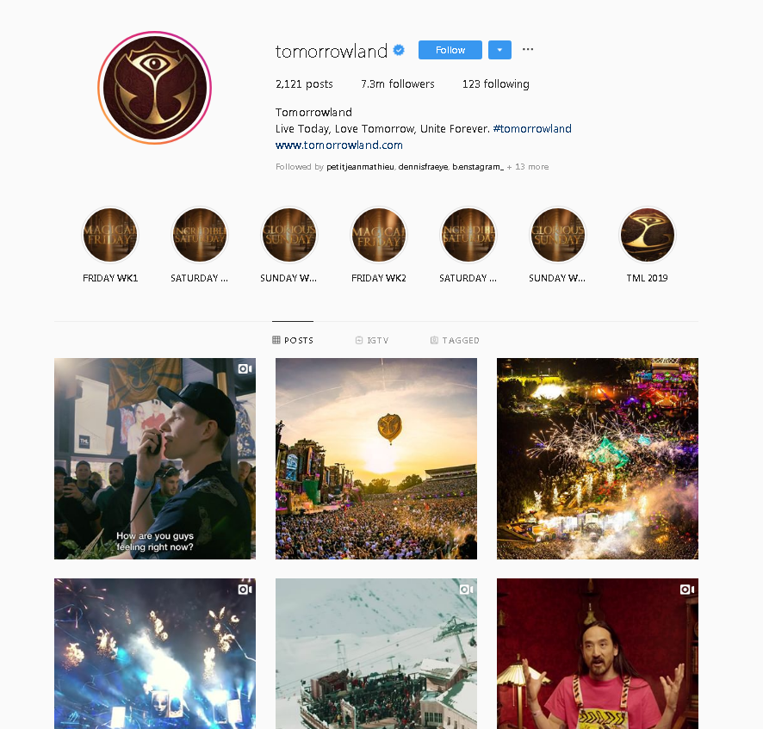
ACCOUNT DATA
Field | Example | Description
biography | Live Today, Love Tomorrow, Unite Forever. #tomorrowland | Text written at the top of the profile page as an introduction to the account.
country_block | FALSE | Not needed.
external_url | http://www.tomorrowland.com/ | Link Business accounts can use to link to their own website.
edge_followed_by | 6752766 | Number of followers the account hase.
edge_follow | 126 | Number of people the account follows.
full_name | Tomorrowland | Full profile name (can differ from what you see in the app).
has_channel | FALSE | Wether or not the account has an Instagram channel.
highlight_reel_count | 11 | Highlight reel
id | 366581549
is_business_account | TRUE | Wether or not it is a business account.
is_joined_recently | FALSE | Wether or not it is a recently created account.
business_category_name | Home Services | Business Accounts can have several categories (some examples). | https://www.withwings.co/instagram-growth-center-article/complete-business-category-list
is_private | FALSE | Wether or not the account is private or public.
is_verified | TRUE | Wether or not the account is verified.
profile_pic_url |  | Link to the profile picture.
profile_pic_url_hd |  | Link to the profile picture in HD.
username | tomorrowland | The official username.
connected_fb_page |  | If they have a connected Facebook page or not.

Disclaimer: | Data was collected at a certain point in time. It may differ now from what you see here.

