Sheet1
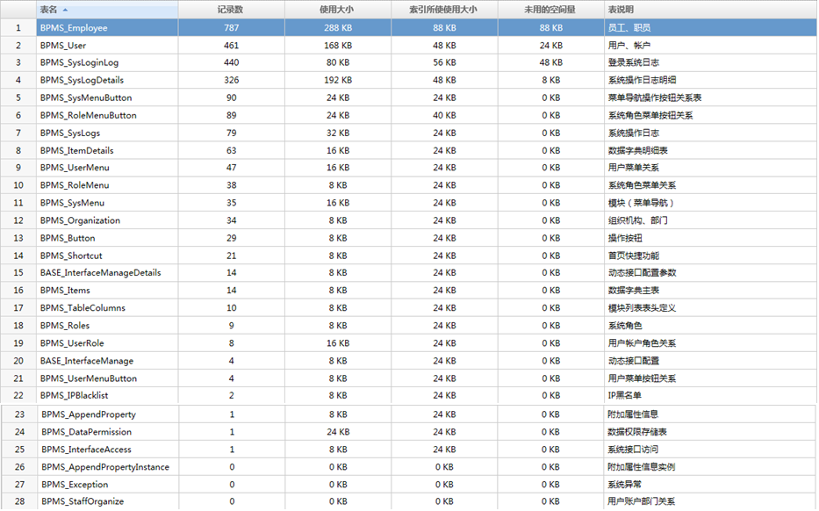
BPMS_IPBlacklist
BPMS_InterfaceAccess
BPMS_TableColumns
BPMS_AppendPropertyInstance
BPMS_Button
BPMS_Exception
BPMS_DataPermission
BPMS_Organization
BPMS_AppendProperty
BPMS_User
BPMS_RoleMenu
BPMS_ItemDetails
BPMS_StaffOrganize
BPMS_SysLogs
BPMS_Roles
BPMS_Items
BPMS_Employee
BPMS_RoleMenuButton
BPMS_UserMenu
BPMS_UserMenuButton
BPMS_SysLogDetails
BASE_InterfaceManage
BASE_InterfaceManageDetails
BPMS_SysMenu
BPMS_SysMenuButton
BPMS_UserRole
BPMS_Shortcut
BPMS_SysLoginLog

