Sheet2
Amazon Sales Dashbord 2024
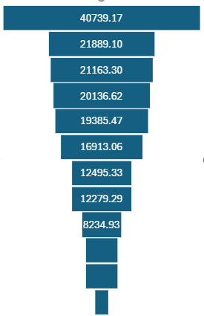
V
Product | Sum of Units | State | Sum of Total Sales | City | Sum of Total Sales
Nestle Aero Mint Potz | 80 | Bihar | 1703 | Agra | 1068
Nestle Fab | 94 | Delhi | 47633 | Ahmedabad | 17844
Sales
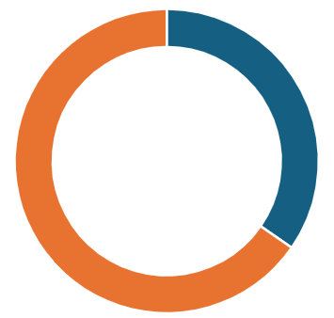
Units
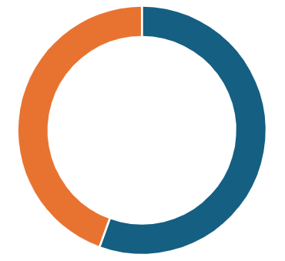
# of Cities
Nestle Kit Kat Cone | 54 | Goa | 12586 | Bangalore | 855
Nestle Maxibon Cookie | 28 | Gujarat | 18644 | Cochin | 878
₹7,226,625
81%
₹25,874
65%
19
80%
Nestle Milky Bar Stick | 52 | Himachal Pradesh | 2940 | Darjeeling | 4834
Nestle Nobbly Bobbly | 33 | Jammu and Kashmir | 15049 | Delhi | 47633
Nestle Rolo Potz | 44 | Jharkhand | 12253 | Durgapur | 1509
Nestle Rowntree Fruit Pastil | 81 | Karnataka | 11873 | Goa | 12586
City-wise Sales
State-wise Sales
Nestle Rowntree Screamers | 12 | Kerala | 11149 | Hyderabad | 1758
Nestle Smarties Pop-Up | 104 | Maharashtra | 33332 | Jodhpur | 1560
Nestle Toffee Crumble | 103 | Rajasthan | 1560 | Kolkata | 3605
 |  | Telangana | 1758 | Mumbai | 10568
 |  | Uttar Pradesh | 5493 | Mysore | 11018
 |  | Uttarakhand | 17323 | Nagpur | 11342
 |  | West Bengal | 9948 | Nainital | 17323
 |  |  |  | Patna | 1703
 |  |  |  | Pune | 11422
 |  |  |  | Ranchi | 12253
 |  |  |  | Shimla | 2940
 |  |  |  | Srinagar | 15049
 |  |  |  | Surat | 800
 |  |  |  | Trivandrum | 10271
 |  |  |  | Varanasi | 4425

