Tabelle1
Model / Service | ASR | Diarization | Timestamps | Notes
OpenAI Whisper (open-source) | ✅ | ❌ (needs external tool) | ✅ (segment/word via alignment) | Native output has segment times; word-level usually via alignment; no built-in diarization. (GitHub)
WhisperX (open-source) | ✅ | ✅ | ✅ (word-level) | Wraps Whisper with fast alignment and optional diarization (pyannote/Silero). (GitHub)
pyannote.audio (open-source) | ❌ | ✅ | N/A | Diarization toolkit; plug alongside any ASR. (Hugging Face, PyPI)
NVIDIA NeMo (open-source) | (via NeMo ASR) ✅ | ✅ | (via ASR) ✅ | Offers diarization pipelines (e.g., Sortformer); pair with NeMo/other ASR for timestamps. (NVIDIA Docs)
Google Cloud Speech-to-Text | ✅ | ✅ | ✅ (word-level) | Word time offsets + diarization flags in API. (Google Cloud)
AWS Transcribe | ✅ | ✅ | ✅ (word-level) | Per-word start_time/end_time in JSON; speaker partitioning option. (AWS-Dokumentation)
Microsoft Azure Speech to Text | ✅ | ✅ | ✅ (word/utterance) | Word-level timestamps via SDK option; diarization available (real-time & batch). (Microsoft Learn)
Deepgram | ✅ | ✅ | ✅ (word-level) | diarize flag; words array includes per-word start/end. (developers.deepgram.com, GitHub)
Rev AI | ✅ | ✅ (default) | ✅ (word-level) | Diarization enabled by default in async API; supports precise timestamps/forced alignment. (Rev AI Developer Documentation, Rev AI)
Speechmatics | ✅ | ✅ | ✅ (word/segment) | Diarization configurable; typical batch/real-time APIs return timings. (docs.speechmatics.com)
NVIDIA Riva (enterprise) | ✅ | ✅ | ✅ (word-level) | Streaming diarization; speaker tags on each word. (NVIDIA Docs)
IBM Watson Speech to Text | ✅ | ✅ | ✅ (word-level) | speaker_labels feature; includes word timestamps. (IBM Cloud, Stack Overflow)
Vosk (open-source) | ✅ | ❌ (no built-in) | ✅ (word-level) | Offline ASR returning per-word times; add a separate diarizer if needed. (Stack Overflow, Medium)
Kaldi (open-source framework) | ✅ | (via add-ons) ✅ | ✅ | Word/time info via lattices; diarization via recipes/externals. (kaldi-asr.org)

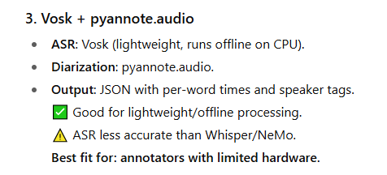
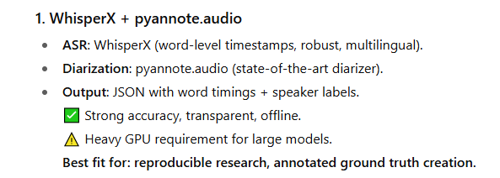
Open Source:

Managed Cloud

