Parameter Nomenclature
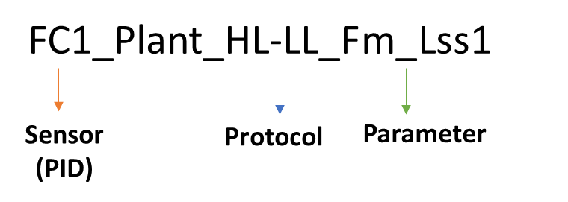
Sensor | Sensor description | Protocol | Protocol description | Parameter | Comment
FC1_Plant | Chlorophyll fluorescence imaging | HL-LL | Protocol measured in the morning_ Short light curve under 2 light levels; HL Hight light and LL Low light using FluorCam | See next sheet (Parameter description)
 |  | CL-Ind | Protocol measured in the evening_ Induction curve (Ind) under continous light level (CL) using FluorCam
 |  | HL-Ind | Protocol measured in the evening_ Induction curve (Ind) under high light level (HL) using FluorCam
 |  | ChlCont | Protocol measured in the morning_ Chlorophyll content (ChlCont) using FluorCam
SWIR_Plant* | Hyperspectral imaging (Short-wave infrared) |  |  |  | * Only provided data from Tier 2 (Exp. ID 4)
VNIR_Plant | Hyperspectral imaging (Visible near-infrared)
VNIR_Plant |  | Spectrum** |  |  | **Spectrum range in Tier 1: 351.4 - 898.3 nm while in Tier 2: 449.6-898.3
IR1_Plant | Thermal IR imaging
IR1-Probes_Plant | Thermal IR imaging and Temp sensor inside the IR unit
RGB1_Plant | RGB imaging | Avg | Average (Avg) of multiple angles from RGB1-Side view
SC | Scales/Watering and weighting unit

ID of plant Nomenclature
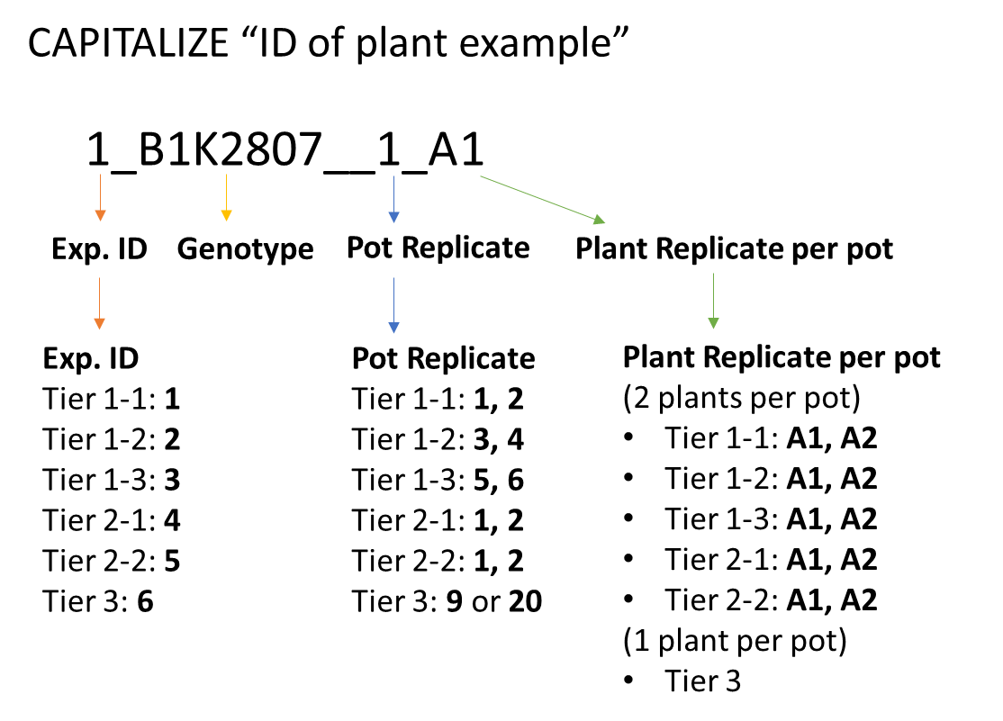
Date of Exp. |  | Exp. ID | Genotype | Pot Replicate | Plant Replicate per pot | Comment
2021 | Tier 1-1 | 1 | B1K… | 1,2 | A1, A2
 | Tier 1-2 | 2 | B1K… | 3,4 | A1, A2
 | Tier 1-3 | 3 | B1K… | 5,6 | A1, A2
2022 | Tier 2-1 | 4 | B1K… | 1,2,3* | A1, A2 | *Only 2 genotpes have 3 pot replicates (4_B1K2319__3_A1 and A2) (4_B1K1703__3_A1 and A2)
 | Tier 2-2 | 5 |  | 1,2 | A1, A2 | Not included
2023 | Tier 3 | 6 |  | 9 or 20 |  | Not included

