6n2p
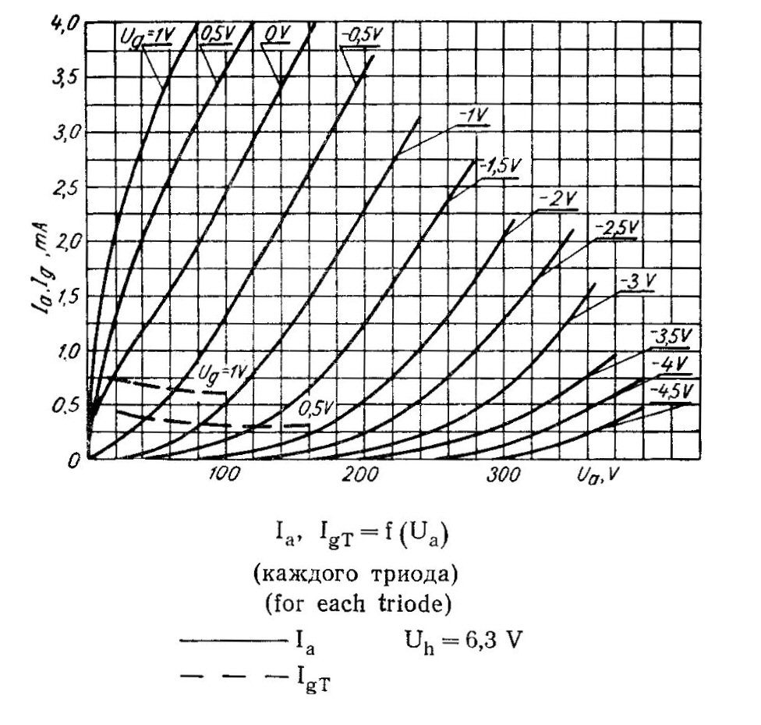
0 | 0 | 0 | 0 | 0.001 | 0 | 0 | 0 | 0 | 0 | 0 | 0 | 0
10 | 1.45 | 0.73 | 0.55 | 0.07 | 0 | 0 | 0 | 0 | 0 | 0 | 0 | 0
20 | 2.05 | 1.25 | 0.76 | 0.14 | 0.001 | 0 | 0 | 0 | 0 | 0 | 0 | 0
40 | 2.85 | 2 | 1.15 | 0.33 | 0.05 | 0.001 | 0 | 0 | 0 | 0 | 0 | 0
60 | 3.5 | 2.58 | 1.53 | 0.57 | 0.14 | 0.04 | 0 | 0 | 0 | 0 | 0 | 0
80 | 4 | 3.1 | 1.95 | 0.9 | 0.29 | 0.09 | 0.001 | 0 | 0 | 0 | 0 | 0
100 |  | 3.55 | 2.42 | 1.3 | 0.5 | 0.18 | 0.04 | 0.001 | 0 | 0 | 0 | 0
120 |  | 4 | 2.9 | 1.75 | 0.78 | 0.29 | 0.08 | 0.01 | 0 | 0 | 0 | 0
140 |  |  | 3.4 | 2.18 | 1.1 | 0.44 | 0.15 | 0.04 | 0 | 0 | 0 | 0
160 |  |  | 3.85 | 2.62 | 1.45 | 0.64 | 0.24 | 0.09 | 0.001 | 0 | 0 | 0
180 |  |  |  | 3.1 | 1.87 | 0.91 | 0.37 | 0.14 | 0.03 | 0 | 0 | 0
200 |  |  |  | 3.55 | 2.28 | 1.23 | 0.54 | 0.24 | 0.08 | 0.001 | 0 | 0
220 |  |  |  |  | 2.7 | 1.59 | 0.76 | 0.36 | 0.14 | 0.05 | 0 | 0
240 |  |  |  |  | 3.15 | 2 | 1.02 | 0.54 | 0.22 | 0.1 | 0.001 | 0
260 |  |  |  |  |  | 2.37 | 1.32 | 0.75 | 0.32 | 0.16 | 0.015 | 0
280 |  |  |  |  |  | 2.75 | 1.67 | 1 | 0.46 | 0.23 | 0.06 | 0.001
300 |  |  |  |  |  |  | 2.05 | 1.29 | 0.64 | 0.32 | 0.13 | 0.02
320 |  |  |  |  |  |  |  | 1.6 | 0.87 | 0.45 | 0.22 | 0.08
340 |  |  |  |  |  |  |  | 1.95 | 1.17 | 0.6 | 0.34 | 0.15
360 |  |  |  |  |  |  |  |  | 1.51 | 0.78 | 0.46 | 0.24
380 |  |  |  |  |  |  |  |  |  | 0.96 | 0.61 | 0.36
400 |  |  |  |  |  |  |  |  |  |  | 0.76 | 0.5
Plate voltage | 1 | 0.5 | 0 | -0.5 | -1 | -1.5 | -2 | -2.5 | -3 | -3.5 | -4 | -4.5
0 | 0 | 0 | 0 | 0.001 | 0 | 0 | 0 | 0 | 0 | 0 | 0 | 0
10 | 1.45 | 0.73 | 0.55 | 0.07 | 0 | 0 | 0 | 0 | 0 | 0 | 0 | 0
20 | 2.05 | 1.25 | 0.76 | 0.14 | 0.001 | 0 | 0 | 0 | 0 | 0 | 0 | 0
40 | 2.85 | 2 | 1.15 | 0.33 | 0.05 | 0.001 | 0 | 0 | 0 | 0 | 0 | 0
60 | 3.5 | 2.58 | 1.53 | 0.57 | 0.14 | 0.04 | 0 | 0 | 0 | 0 | 0 | 0
80 | 4 | 3.1 | 1.95 | 0.9 | 0.29 | 0.09 | 0.001 | 0 | 0 | 0 | 0 | 0
100 |  | 3.55 | 2.42 | 1.3 | 0.5 | 0.18 | 0.04 | 0.001 | 0 | 0 | 0 | 0
120 |  | 4 | 2.9 | 1.75 | 0.78 | 0.29 | 0.08 | 0.01 | 0 | 0 | 0 | 0
140 |  |  | 3.4 | 2.18 | 1.1 | 0.44 | 0.15 | 0.04 | 0 | 0 | 0 | 0
160 |  |  | 3.85 | 2.62 | 1.45 | 0.64 | 0.24 | 0.09 | 0.001 | 0 | 0 | 0
180 |  |  |  | 3.1 | 1.87 | 0.91 | 0.37 | 0.14 | 0.03 | 0 | 0 | 0
200 |  |  |  | 3.55 | 2.28 | 1.23 | 0.54 | 0.24 | 0.08 | 0.001 | 0 | 0
220 |  |  |  |  | 2.7 | 1.59 | 0.76 | 0.36 | 0.14 | 0.05 | 0 | 0
240 |  |  |  |  | 3.15 | 2 | 1.02 | 0.54 | 0.22 | 0.1 | 0.001 | 0
260 |  |  |  |  |  | 2.37 | 1.32 | 0.75 | 0.32 | 0.16 | 0.015 | 0
280 |  |  |  |  |  | 2.75 | 1.67 | 1 | 0.46 | 0.23 | 0.06 | 0.001
300 |  |  |  |  |  |  | 2.05 | 1.29 | 0.64 | 0.32 | 0.13 | 0.02
320 |  |  |  |  |  |  |  | 1.6 | 0.87 | 0.45 | 0.22 | 0.08
340 |  |  |  |  |  |  |  | 1.95 | 1.17 | 0.6 | 0.34 | 0.15
360 |  |  |  |  |  |  |  |  | 1.51 | 0.78 | 0.46 | 0.24
380 |  |  |  |  |  |  |  |  |  | 0.96 | 0.61 | 0.36
400 |  |  |  |  |  |  |  |  |  |  | 0.76 | 0.5
420

2nd order polynomial trendline
1 | -0.00056644284822 | -0.00016225687458 | 1.3714858287E-06 | 4.859566016E-05 | 5.33248002E-05 | 5.0764235764E-05 | 4.7586788212E-05 | 4.4074675325E-05 | 4.3458624709E-05 | 2.553030303E-05 | 2.4710497835E-05 | 0.000028125 | = c2
2 | 0.090227826359 | 0.050744299128 | 0.022500131717 | 0.008646837478 | 0.0009150974026 | -0.0046060939061 | -0.00899749001 | -0.011569805195 | -0.01545530303 | -0.0095951515152 | -0.010955551948 | -0.014951785714 | = c1
3 | 0.29268582136 | 0.16404091214 | 0.19728534546 | -0.047965069266 | -0.08175 | 0.11705394605 | 0.45155969031 | 0.78691558442 | 1.4013776224 | 0.91634545455 | 1.1979714286 | -0.016146230159 | = c0
 |  |  |  |  |  |  |  |  |  |  |  |  | y = c2x2 + c1x + c0
 | Set V, I intercept points
 | 250 | V axis: power supply at rail (ignore Ra)

 | Then use Ra + Rk to get Ia |  |  | equation for load line |  |  | intersection of load line with curve of Vg line… |  |  |  |  |  | draw the load line
 | 100 | Ra (kOhms) |  | y = mx + b |  |  | c2x^2 + (c1-m)x + (c0-b) = 0 |  |  |  |  |  | 0 | 2.4626865672
 | 1.52 | Rk (kOhms) |  | -0.0098507462687 | = m |  |  |  |  |  |  |  | 250 | 0
 | 101.52 | Ra + Rk (kOhms) |  | 2.4626865672 | = b |  | use quadratic equation to solve for x [Va value] and compute for Ia
 |  |  |  |  |  |  | x= (-b +/- sqrt (b^2 - 4ac)) / (2a)
 | 2.4626865672 | Ia (mA)

 | 1 | 0.5 | 0 | -0.5 | -1 | -1.5 | -2 | -2.5 | -3 | -3.5 | -4 | -4.5
 | -0.00056644284822 | -0.00016225687458 | 1.3714858287E-06 | 4.859566016E-05 | 5.33248002E-05 | 5.0764235764E-05 | 4.7586788212E-05 | 4.4074675325E-05 | 4.3458624709E-05 | 2.553030303E-05 | 2.4710497835E-05 | 0.000028125
 | 0.090227826359 | 0.050744299128 | 0.022500131717 | 0.008646837478 | 0.0009150974026 | -0.0046060939061 | -0.00899749001 | -0.011569805195 | -0.01545530303 | -0.0095951515152 | -0.010955551948 | -0.014951785714
 | 0.29268582136 | 0.16404091214 | 0.19728534546 | -0.047965069266 | -0.08175 | 0.11705394605 | 0.45155969031 | 0.78691558442 | 1.4013776224 | 0.91634545455 | 1.1979714286 | -0.016146230159
 | -0.00056644284822 | -0.00016225687458 | 1.3714858287E-06 | 4.859566016E-05 | 5.33248002E-05 | 5.0764235764E-05 | 4.7586788212E-05 | 4.4074675325E-05 | 4.3458624709E-05 | 2.553030303E-05 | 2.4710497835E-05 | 0.000028125 | a =c2
 | 0.10007857263 | 0.060595045397 | 0.032350877985 | 0.018497583747 | 0.010765843671 | 0.0052446523626 | 0.00085325625867 | -0.0017190589261 | -0.0056045567616 | 0.00025559475351 | -0.0011048056794 | -0.0051010394456 | b=c1-m
 | -2.1700007458 | -2.298645655 | -2.2654012217 | -2.5106516364 | -2.5444365672 | -2.3456326211 | -2.0111268769 | -1.6757709827 | -1.0613089448 | -1.5463411126 | -1.2647151386 | -2.4788327973 | c=c0-b
 | 25.308223573 | 42.851530497 | 69.819298061 | 106.13493248 | 139.69051625 | 169.41959166 | 196.80808407 | 215.46464606 | 233.53477695 | 241.15258512 | 249.68961785 | 401.10433468 | solve for x (which is Va) in quadratic
 | 2.2133816782 | 2.040567013 | 1.7749143773 | 1.4171782771 | 1.0866307354 | 0.79377715683 | 0.52398006734 | 0.34019900897 | 0.16219473448 | 0.087153639128 | 0.0030574958528 | -1.4884904611 | then use x to solve for y (which is Ia)
 | 0.0050989950867 | 0.0021798752876 | 0.0010590071691 | 0.00083018769928 | 0.00065862967621 | 0.00050380336798 | 0.00038354032127 | 0.00029839141152 | 0.00021590316502 | 0.00015797955745 | 0.00012622755837 | 0.00030488929312 | <-- checking for imaginary result

Vg to Va curve
 | Vg | Va | Ia |  |  |  |  |  |  |  |  |  |  |  | Vg | Va
 | 2 | 25.308223573 |  |  |  |  |  |  |  |  |  |  |  |  | 2 | 25.308223573
 | 1.5 | 25.308223573 |  |  |  |  |  |  |  |  |  |  |  |  | 1.5 | 25.308223573
 | 1 | 25.308223573 |  |  |  |  |  |  |  |  |  |  |  |  | 1 | 25.308223573
 | 0.5 | 42.851530497 |  |  |  |  |  |  |  |  |  |  |  |  | 0.5 | 25.308223573
 | 0 | 69.819298061 | 1.8779563537 |  |  |  |  |  |  |  |  |  |  |  | 0 | 68.302078256
 | -0.5 | 106.13493248 | 2.0225013416 |  |  |  |  |  |  |  |  |  |  |  | -0.5 | 107.00500414
 | -1 | 139.69051625 | 2.1837534173 |  |  |  |  |  |  |  |  |  |  |  | -1 | 141.10011003
 | -1.5 | 169.41959166 | 2.3498689217 |  |  |  |  |  |  |  |  |  |  |  | -1.5 | 170.58739594
 | -2 | 196.80808407 | 2.5189785764 |  |  |  |  |  |  |  |  |  |  |  | -2 | 195.46686185
 | -2.5 | 215.46464606 | 2.689295152 |  |  |  |  |  |  |  |  |  |  |  | -2.5 | 215.73850777
 | -3 | 233.53477695 | 2.8289767692 |  |  |  |  |  |  |  |  |  |  |  | -3 | 231.4023337
 | -3.5 | 241.15258512 | 2.9766275757 |  |  |  |  |  |  |  |  |  |  |  | -3.5 | 242.45833965
 | -4 | 249.68961785 | 3.1200086635 |  |  |  |  |  |  |  |  |  |  |  | -4 | 248.9065256
 | -4.5 | 250 | 3.2721744555 |  |  |  |  |  |  |  |  |  |  |  | -4.5 | 250
 | -5 | 250 |  |  |  |  |  |  |  |  |  |  |  |  | -5 | 247.97943753
 | -5.5 | 250 |  |  |  |  |  |  |  |  |  |  |  |  | -5.5 | 240.60416351
 | -6 | 250 |  |  |  |  |  |  |  |  |  |  |  |  | -6 | 228.6210695
 | -6.5 | 250 |  |  |  |  |  |  |  |  |  |  |  |  | -6.5 | 212.0301555

 | 1 | -9.2156399806 | = c2
 | 2 | -82.013671758 | = c1
 | 3 | 68.302078256 | = c0
 | min | 25.308223573
 | max | 250

6J1
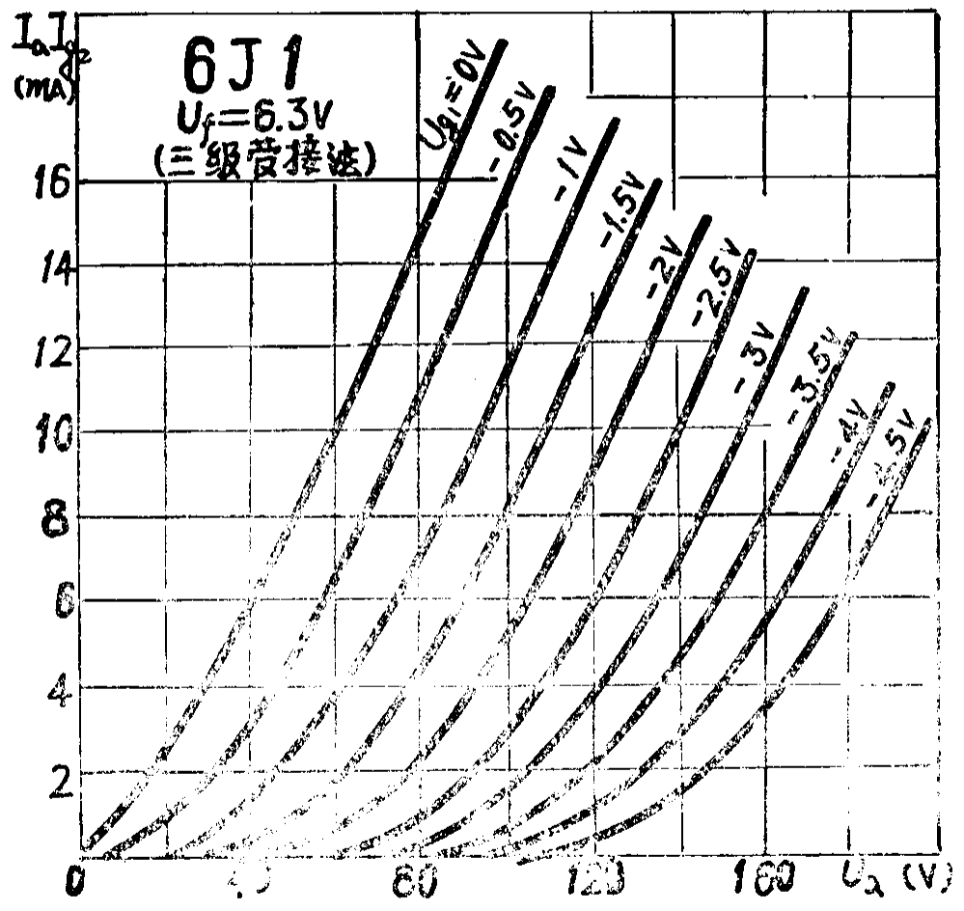
0 |  |  | 0.0001 | 0.0001 | 0 | 0 | 0 | 0 | 0 | 0 | 0 | 0
10 |  |  | 1 | 0.15 | 0.0001 | 0.0001 | 0 | 0 | 0 | 0 | 0 | 0
20 |  |  | 2.3 | 0.8 | 0.001 | 0.001 | 0 | 0 | 0 | 0 | 0 | 0
30 |  |  | 4 | 1.75 | 0.45 | 0.09 | 0.0001 | 0 | 0 | 0 | 0 | 0
40 |  |  | 5.9 | 2.9 | 1.25 | 0.3 | 0.001 | 0 | 0 | 0 | 0 | 0
50 |  |  | 7.9 | 4.6 | 2.4 | 0.85 | 0.1 | 0.0001 | 0 | 0 | 0 | 0
60 |  |  | 9.9 | 6.4 | 3.7 | 1.6 | 0.6 | 0.001 | 0.0001 | 0 | 0 | 0
70 |  |  | 12.3 | 8.7 | 5.3 | 2.95 | 1.3 | 0.4 | 0.001 | 0.0001 | 0 | 0
80 |  |  | 14.7 | 10.8 | 7.1 | 4.4 | 2.3 | 0.9 | 0.3 | 0.001 | 0.0001 | 0
90 |  |  | 17.1 | 13.3 | 9.1 | 6.1 | 3.6 | 1.8 | 0.8 | 0.2 | 0.001 | 0.0001
100 |  |  | 19.4 | 15.6 | 11.4 | 8.1 | 5.1 | 2.9 | 1.55 | 0.6 | 0.2 | 0.001
110 |  |  |  | 18 | 13.8 | 10.2 | 6.95 | 4.3 | 2.6 | 1.3 | 0.55 | 0.1
120 |  |  |  |  | 16.15 | 12.6 | 9 | 5.9 | 3.8 | 2.1 | 1.1 | 0.4
130 |  |  |  |  | 18.4 | 14.7 | 11.3 | 7.9 | 5.2 | 3.3 | 1.85 | 0.85
140 |  |  |  |  |  | 16.9 | 13.6 | 10 | 7 | 4.6 | 2.85 | 1.45
150 |  |  |  |  |  |  | 15.7 | 12.5 | 9 | 6.2 | 4.1 | 2.35
160 |  |  |  |  |  |  |  | 15 | 11.2 | 8.1 | 5.5 | 3.5
170 |  |  |  |  |  |  |  |  | 13.5 | 10.05 | 7.3 | 4.8
180 |  |  |  |  |  |  |  |  |  | 12.1 | 9.1 | 6.5
190 |  |  |  |  |  |  |  |  |  |  | 11.3 | 8.5
200 |  |  |  |  |  |  |  |  |  |  |  | 10.5
210
Plate voltage | 1 | 0.5 | 0 | -0.5 | -1 | -1.5 | -2 | -2.5 | -3 | -3.5 | -4 | -4.5
0 |  |  | 0.0001 | 0.0001 | 0 | 0 | 0 | 0 | 0 | 0 | 0 | 0
10 |  |  | 1 | 0.15 | 0.0001 | 0.0001 | 0 | 0 | 0 | 0 | 0 | 0
20 |  |  | 2.3 | 0.8 | 0.001 | 0.001 | 0 | 0 | 0 | 0 | 0 | 0
30 |  |  | 4 | 1.75 | 0.45 | 0.09 | 0.0001 | 0 | 0 | 0 | 0 | 0
40 |  |  | 5.9 | 2.9 | 1.25 | 0.3 | 0.001 | 0 | 0 | 0 | 0 | 0
50 |  |  | 7.9 | 4.6 | 2.4 | 0.85 | 0.1 | 0.0001 | 0 | 0 | 0 | 0
60 |  |  | 9.9 | 6.4 | 3.7 | 1.6 | 0.6 | 0.001 | 0.0001 | 0 | 0 | 0
70 |  |  | 12.3 | 8.7 | 5.3 | 2.95 | 1.3 | 0.4 | 0.001 | 0.0001 | 0 | 0
80 |  |  | 14.7 | 10.8 | 7.1 | 4.4 | 2.3 | 0.9 | 0.3 | 0.001 | 0.0001 | 0
90 |  |  | 17.1 | 13.3 | 9.1 | 6.1 | 3.6 | 1.8 | 0.8 | 0.2 | 0.001 | 0.0001
100 |  |  | 19.4 | 15.6 | 11.4 | 8.1 | 5.1 | 2.9 | 1.55 | 0.6 | 0.2 | 0.001
110 |  |  |  | 18 | 13.8 | 10.2 | 6.95 | 4.3 | 2.6 | 1.3 | 0.55 | 0.1
120 |  |  |  |  | 16.15 | 12.6 | 9 | 5.9 | 3.8 | 2.1 | 1.1 | 0.4
130 |  |  |  |  | 18.4 | 14.7 | 11.3 | 7.9 | 5.2 | 3.3 | 1.85 | 0.85
140 |  |  |  |  |  | 16.9 | 13.6 | 10 | 7 | 4.6 | 2.85 | 1.45
150 |  |  |  |  |  |  | 15.7 | 12.5 | 9 | 6.2 | 4.1 | 2.35
160 |  |  |  |  |  |  |  | 15 | 11.2 | 8.1 | 5.5 | 3.5
170 |  |  |  |  |  |  |  |  | 13.5 | 10.05 | 7.3 | 4.8
180 |  |  |  |  |  |  |  |  |  | 12.1 | 9.1 | 6.5
190 |  |  |  |  |  |  |  |  |  |  | 11.3 | 8.5
200 |  |  |  |  |  |  |  |  |  |  |  | 10.5
210
220

2nd order polynomial trendline
1 |  |  | 0.00074127622378 | 0.0011566071429 | 0.0011394416209 | 0.0011528799289 | 0.0011947300824 | 0.0012892262737 | 0.0011775879121 | 0.0010976678322 | 0.0010542112887 | 0.001059456044 | = c2
2 |  |  | 0.12514465035 | 0.043751850649 | -0.00029446565934 | -0.037605190045 | -0.079556883242 | -0.13284772727 | -0.14690148352 | -0.16275593906 | -0.1822018032 | -0.2124193956 | = c1
3 |  |  | -0.26078111888 | -0.36670357143 | -0.28580035714 | 0.083949117647 | 1.1569095604 | 3.3261393606 | 4.4887340659 | 5.9222609391 | 7.7673293706 | 10.486376923 | = c0
 |  |  |  |  |  |  |  |  |  |  |  |  | y = c2x2 + c1x + c0
 | Set V, I intercept points
 | 170 | V axis: power supply at rail (ignore Ra)

 | Then use Ra + Rk to get Ia |  |  | equation for load line |  |  | intersection of load line with curve of Vg line… |  |  |  |  |  | draw the load line
 | 300 | Ra (kOhms) |  | y = mx + b |  |  | c2x^2 + (c1-m)x + (c0-b) = 0 |  |  |  |  |  | 0 | 0.5
 | 40.00 | Rk (kOhms) |  | -0.0029411764706 | = m |  |  |  |  |  |  |  | 170 | 0
 | 340.00 | Ra + Rk (kOhms) |  | 0.5 | = b |  | use quadratic equation to solve for x [Va value] and compute for Ia
 |  |  |  |  |  |  | x= (-b +/- sqrt (b^2 - 4ac)) / (2a)
 | 0.5 | Ia (mA)

intersections with Rk load line
Vg |  |  | 0 | -0.5 | -1 | -1.5 | -2 | -2.5 | -3 | -3.5 | -4 | -4.5
c2 |  |  | 0.00074127622378 | 0.0011566071429 | 0.0011394416209 | 0.0011528799289 | 0.0011947300824 | 0.0012892262737 | 0.0011775879121 | 0.0010976678322 | 0.0010542112887 | 0.001059456044
c1 |  |  | 0.12514465035 | 0.043751850649 | -0.00029446565934 | -0.037605190045 | -0.079556883242 | -0.13284772727 | -0.14690148352 | -0.16275593906 | -0.1822018032 | -0.2124193956
c0 |  |  | -0.26078111888 | -0.36670357143 | -0.28580035714 | 0.083949117647 | 1.1569095604 | 3.3261393606 | 4.4887340659 | 5.9222609391 | 7.7673293706 | 10.486376923
a |  |  | 0.00074127622378 | 0.0011566071429 | 0.0011394416209 | 0.0011528799289 | 0.0011947300824 | 0.0012892262737 | 0.0011775879121 | 0.0010976678322 | 0.0010542112887 | 0.001059456044 | a =c2
b |  |  | 0.12808582682 | 0.04669302712 | 0.0026467108112 | -0.034664013575 | -0.076615706771 | -0.1299065508 | -0.14396030705 | -0.15981476259 | -0.17926062673 | -0.20947821913 | b=c1-m
c |  |  | -0.76078111888 | -0.86670357143 | -0.78580035714 | -0.41605088235 | 0.65690956044 | 2.8261393606 | 3.9887340659 | 5.4222609391 | 7.2673293706 | 9.9863769231 | c=c0-b
Va (Ra+Rk) |  |  | 5.7483834887 | 13.826390857 | 25.125190656 | 39.259486995 | 53.933232249 | 68.987630017 | 79.808444785 | 91.76218417 | 103.32387349 | 117.50503347 | solve for x (which is Va) in quadratic
Ia (Ra+Rk) |  |  | 0.48309298974 | 0.45933414454 | 0.42610238042 | 0.3845309206 | 0.34137284633 | 0.29709520583 | 0.26526928004 | 0.23011122303 | 0.19610625443 | 0.1543969604 | then use x to solve for y (which is Ia)
b^2-4ac |  |  | 0.018661774852 | 0.0061899809474 | 0.0035884996086 | 0.0031202206838 | 0.0027306480709 | 0.0023015794735 | 0.0019362299224 | 0.0017333927001 | 0.0014891696491 | 0.001560614738 | <-- checking for imaginary result

 | Vg | Va | Ia |  |  |  |  |  |  |  |  |  |  |  | Vg | Va
 | 2 | 5.7483834887 |  |  |  |  |  |  |  |  |  |  |  |  | 2 | 5.7483834887
 | 1.5 | 5.7483834887 |  |  |  |  |  |  |  |  |  |  |  |  | 1.5 | 5.7483834887
 | 1 | 5.7483834887 |  |  |  |  |  |  |  |  |  |  |  |  | 1 | 5.7483834887
 | 0.5 | 5.7483834887 |  |  |  |  |  |  |  |  |  |  |  |  | 0.5 | 5.7483834887
 | 0 | 5.7483834887 | 1.8779563537 |  |  |  |  |  |  |  |  |  |  |  | 0 | 5.7483834887
 | -0.5 | 13.826390857 | 2.0225013416 |  |  |  |  |  |  |  |  |  |  |  | -0.5 | 15.458235888
 | -1 | 25.125190656 | 2.1837534173 |  |  |  |  |  |  |  |  |  |  |  | -1 | 28.015838464
 | -1.5 | 39.259486995 | 2.3498689217 |  |  |  |  |  |  |  |  |  |  |  | -1.5 | 40.6343987
 | -2 | 53.933232249 | 2.5189785764 |  |  |  |  |  |  |  |  |  |  |  | -2 | 53.313916597
 | -2.5 | 68.987630017 | 2.689295152 |  |  |  |  |  |  |  |  |  |  |  | -2.5 | 66.054392154
 | -3 | 79.808444785 | 2.8289767692 |  |  |  |  |  |  |  |  |  |  |  | -3 | 78.855825372
 | -3.5 | 91.76218417 | 2.9766275757 |  |  |  |  |  |  |  |  |  |  |  | -3.5 | 91.71821625
 | -4 | 103.32387349 | 3.1200086635 |  |  |  |  |  |  |  |  |  |  |  | -4 | 104.64156479
 | -4.5 | 117.50503347 | 3.2721744555 |  |  |  |  |  |  |  |  |  |  |  | -4.5 | 117.50503347
 | -5 | 117.50503347 |  |  |  |  |  |  |  |  |  |  |  |  | -5 | 117.50503347
 | -5.5 | 117.50503347 |  |  |  |  |  |  |  |  |  |  |  |  | -5.5 | 117.50503347
 | -6 | 117.50503347 |  |  |  |  |  |  |  |  |  |  |  |  | -6 | 117.50503347
 | -6.5 | 117.50503347 |  |  |  |  |  |  |  |  |  |  |  |  | -6.5 | 117.50503347

 | 1 | 0.12191532114 | = c2
 | 2 | -24.932332169 | = c1
 | 3 | 2.9615909733 | = c0
 | min | 5.7483834887
 | max | 117.50503347

test sine
increment | omega | sine | Vin | bias grid | Vin to grid | Vout | Vout ac | post-gain
0 | 0 | 0 | 0 | -3 | -3 | 231.4023337 | 5.9091800603 | 0.1596803352 |  | equation: y = (c2 * x^2) + (c1 * x) + c0
1 | 0.19634954085 | 0.19509032202 | 0.19509032202 |  | -2.7756461297 | 224.94376991 | -0.54938373212 | -0.014845676998 | -9.2156399806 | c2 =INDEX(LINEST(y,x^{1,2}),1,1)
2 | 0.3926990817 | 0.38268343237 | 0.38268343237 | pre-gain | -2.5599140528 | 217.8584662 | -7.6346874397 | -0.20630771733 | -82.013671758 | c1 =INDEX(LINEST(y,x^{1,2}),1,2)
3 | 0.58904862255 | 0.55557023302 | 0.55557023302 | 115% | -2.361094232 | 210.56904941 | -14.924104232 | -0.4032853868 | 68.302078256 | c0 =INDEX(LINEST(y,x^{1,2}),1,3)
4 | 0.7853981634 | 0.70710678119 | 0.70710678119 |  | -2.1868272016 | 203.58065131 | -21.912502334 | -0.59212880333 | 25.308223573 | min
5 | 0.98174770425 | 0.8314696123 | 0.8314696123 | post-gain | -2.0438099459 | 197.42724193 | -28.065911713 | -0.75840880532 | 250 | max
6 | 1.1780972451 | 0.92387953251 | 0.92387953251 | 2.7022% | -1.9375385376 | 192.61070316 | -32.882450482 | -0.88856333055
7 | 1.3744467859 | 0.9807852804 | 0.9807852804 |  | -1.8720969275 | 189.54113546 | -35.952018184 | -0.97151047288
8 | 1.5707963268 | 1 | 1 |  | -1.85 | 188.48684317 | -37.00631047 | -1
9 | 1.7671458676 | 0.9807852804 | 0.9807852804 |  | -1.8720969275 | 189.54113546 | -35.952018184 | -0.97151047288
10 | 1.9634954085 | 0.92387953251 | 0.92387953251 |  | -1.9375385376 | 192.61070316 | -32.882450482 | -0.88856333055
11 | 2.1598449493 | 0.8314696123 | 0.8314696123 |  | -2.0438099459 | 197.42724193 | -28.065911713 | -0.75840880532
12 | 2.3561944902 | 0.70710678119 | 0.70710678119 |  | -2.1868272016 | 203.58065131 | -21.912502334 | -0.59212880333
13 | 2.552544031 | 0.55557023302 | 0.55557023302 |  | -2.361094232 | 210.56904941 | -14.924104232 | -0.4032853868
14 | 2.7488935719 | 0.38268343237 | 0.38268343237 |  | -2.5599140528 | 217.8584662 | -7.6346874397 | -0.20630771733
15 | 2.9452431127 | 0.19509032202 | 0.19509032202 |  | -2.7756461297 | 224.94376991 | -0.54938373212 | -0.014845676998
16 | 3.1415926536 | 1.2251484549E-16 | 1.2251484549E-16 |  | -3 | 231.4023337 | 5.9091800603 | 0.1596803352
17 | 3.3379421944 | -0.19509032202 | -0.19509032202 |  | -3.2243538703 | 236.9331653 | 11.440011659 | 0.30913678001
18 | 3.5342917353 | -0.38268343237 | -0.38268343237 |  | -3.4400859472 | 241.37651124 | 15.8833576 | 0.42920673255
19 | 3.7306412761 | -0.55557023302 | -0.55557023302 |  | -3.638905768 | 244.71195882 | 19.218805176 | 0.51933859204
20 | 3.926990817 | -0.70710678119 | -0.70710678119 |  | -3.8131727984 | 247.03633222 | 21.54317858 | 0.58214878238
21 | 4.1233403578 | -0.8314696123 | -0.8314696123 |  | -3.9561900541 | 248.52571691 | 23.032563261 | 0.62239555819
22 | 4.3196898987 | -0.92387953251 | -0.92387953251 |  | -4.0624614624 | 249.38828646 | 23.895132814 | 0.64570427343
23 | 4.5160394395 | -0.9807852804 | -0.9807852804 |  | -4.1279030725 | 249.81589639 | 24.32274275 | 0.65725932797
24 | 4.7123889804 | -1 | -1 |  | -4.15 | 249.94245649 | 24.449302842 | 0.6606792877
25 | 4.9087385212 | -0.9807852804 | -0.9807852804 |  | -4.1279030725 | 249.81589639 | 24.32274275 | 0.65725932797
26 | 5.1050880621 | -0.92387953251 | -0.92387953251 |  | -4.0624614624 | 249.38828646 | 23.895132814 | 0.64570427343
27 | 5.3014376029 | -0.8314696123 | -0.8314696123 |  | -3.9561900541 | 248.52571691 | 23.032563261 | 0.62239555819
28 | 5.4977871438 | -0.70710678119 | -0.70710678119 |  | -3.8131727984 | 247.03633222 | 21.54317858 | 0.58214878238
29 | 5.6941366846 | -0.55557023302 | -0.55557023302 |  | -3.638905768 | 244.71195882 | 19.218805176 | 0.51933859204
30 | 5.8904862255 | -0.38268343237 | -0.38268343237 |  | -3.4400859472 | 241.37651124 | 15.8833576 | 0.42920673255
31 | 6.0868357663 | -0.19509032202 | -0.19509032202 |  | -3.2243538703 | 236.9331653 | 11.440011659 | 0.30913678001
32 | 6.2831853072 | -2.4502969098E-16 | -2.4502969098E-16 |  | -3 | 231.4023337 | 5.9091800603 | 0.1596803352

 |  |  |  |  | max | 249.94245649 | 24.449302842
 |  |  |  |  | avg | 225.49315364 | 9.301650359E-14
 |  |  |  |  | min | 188.48684317 | -37.00631047
 |  |  |  |  | abs max | 249.94245649 | 37.00631047

Vout = Vin^2
increment | omega | sine | Vin | bias grid | Vin to grid | Vout | Vout ac | post-gain | diff
0 | 0 | 0 | 0 | -2 | -2 | 0 | -0.48484848485 | -0.19277108434 | -0.35245141954
1 | 0.19634954085 | 0.19509032202 | 0.19509032202 |  | -1.804909678 | -0.35212041029 | -0.83696889514 | -0.33277076554 | -0.31792508854
(V+bias)^2
2 | 0.3926990817 | 0.38268343237 | 0.38268343237 | pre-gain | -1.6173165676 | -0.61892025532 | -1.1037687402 | -0.43884781236 | -0.23254009503
3 | 0.58904862255 | 0.55557023302 | 0.55557023302 | 100% | -1.444429767 | -0.80248218222 | -1.2873306671 | -0.51183026522 | -0.10854487842
4 | 0.7853981634 | 0.70710678119 | 0.70710678119 |  | -1.2928932188 | -0.91421356237 | -1.3990620472 | -0.55625358504 | 0.035875218291
5 | 0.98174770425 | 0.8314696123 | 0.8314696123 | post-gain | -1.1685303877 | -0.97159750842 | -1.4564459933 | -0.57906888889 | 0.17933991643
6 | 1.1780972451 | 0.92387953251 | 0.92387953251 | 40% | -1.0761204675 | -0.99420567443 | -1.4790541593 | -0.58805767779 | 0.30050565276
7 | 1.3744467859 | 0.9807852804 | 0.9807852804 |  | -1.0192147196 | -0.99963079455 | -1.4844792794 | -0.59021465326 | 0.38129581962
8 | 1.5707963268 | 1 | 1 |  | -1 | -1 | -1.4848484848 | -0.59036144578 | 0.40963855422
9 | 1.7671458676 | 0.9807852804 | 0.9807852804 |  | -1.0192147196 | -0.99963079455 | -1.4844792794 | -0.59021465326 | 0.38129581962
10 | 1.9634954085 | 0.92387953251 | 0.92387953251 |  | -1.0761204675 | -0.99420567443 | -1.4790541593 | -0.58805767779 | 0.30050565276
11 | 2.1598449493 | 0.8314696123 | 0.8314696123 |  | -1.1685303877 | -0.97159750842 | -1.4564459933 | -0.57906888889 | 0.17933991643
12 | 2.3561944902 | 0.70710678119 | 0.70710678119 |  | -1.2928932188 | -0.91421356237 | -1.3990620472 | -0.55625358504 | 0.035875218291
13 | 2.552544031 | 0.55557023302 | 0.55557023302 |  | -1.444429767 | -0.80248218222 | -1.2873306671 | -0.51183026522 | -0.10854487842
14 | 2.7488935719 | 0.38268343237 | 0.38268343237 |  | -1.6173165676 | -0.61892025532 | -1.1037687402 | -0.43884781236 | -0.23254009503
15 | 2.9452431127 | 0.19509032202 | 0.19509032202 |  | -1.804909678 | -0.35212041029 | -0.83696889514 | -0.33277076554 | -0.31792508854
16 | 3.1415926536 | 1.2251484549E-16 | 1.2251484549E-16 |  | -2 | -2.4502969098E-16 | -0.48484848485 | -0.19277108434 | -0.35245141954
17 | 3.3379421944 | -0.19509032202 | -0.19509032202 |  | -2.195090322 | 0.42824087778 | -0.056607607072 | -0.022506638956 | -0.33164341896
18 | 3.5342917353 | -0.38268343237 | -0.38268343237 |  | -2.3826834324 | 0.91181347414 | 0.42696498929 | 0.16975716442 | -0.25944956813
19 | 3.7306412761 | -0.55557023302 | -0.55557023302 |  | -2.555570233 | 1.4197987499 | 0.93495026501 | 0.3717272138 | -0.14761137824
20 | 3.926990817 | -0.70710678119 | -0.70710678119 |  | -2.7071067812 | 1.9142135624 | 1.4293650775 | 0.56830177781 | -0.01384700457
21 | 4.1233403578 | -0.8314696123 | -0.8314696123 |  | -2.8314696123 | 2.3542809408 | 1.8694324559 | 0.74326832586 | 0.12087276767
22 | 4.3196898987 | -0.92387953251 | -0.92387953251 |  | -2.9238795325 | 2.7013124556 | 2.2164639708 | 0.88124471127 | 0.23554043784
23 | 4.5160394395 | -0.9807852804 | -0.9807852804 |  | -2.9807852804 | 2.9235103271 | 2.4386618422 | 0.96958844329 | 0.31232911532
24 | 4.7123889804 | -1 | -1 |  | -3 | 3 | 2.5151515152 | 1 | 0.3393207123
25 | 4.9087385212 | -0.9807852804 | -0.9807852804 |  | -2.9807852804 | 2.9235103271 | 2.4386618422 | 0.96958844329 | 0.31232911532
26 | 5.1050880621 | -0.92387953251 | -0.92387953251 |  | -2.9238795325 | 2.7013124556 | 2.2164639708 | 0.88124471127 | 0.23554043784
27 | 5.3014376029 | -0.8314696123 | -0.8314696123 |  | -2.8314696123 | 2.3542809408 | 1.8694324559 | 0.74326832586 | 0.12087276767
28 | 5.4977871438 | -0.70710678119 | -0.70710678119 |  | -2.7071067812 | 1.9142135624 | 1.4293650775 | 0.56830177781 | -0.01384700457
29 | 5.6941366846 | -0.55557023302 | -0.55557023302 |  | -2.555570233 | 1.4197987499 | 0.93495026501 | 0.3717272138 | -0.14761137824
This is the simplified formula used in my VST.
Square the sum of the signal with a small dc offset, subtract average, normalize the result.
Output has the same form as the full solution.
Trivial, inverted phase problem can be resolved.
30 | 5.8904862255 | -0.38268343237 | -0.38268343237 |  | -2.3826834324 | 0.91181347414 | 0.42696498929 | 0.16975716442 | -0.25944956813
31 | 6.0868357663 | -0.19509032202 | -0.19509032202 |  | -2.195090322 | 0.42824087778 | -0.056607607072 | -0.022506638956 | -0.33164341896
32 | 6.2831853072 | -2.4502969098E-16 | -2.4502969098E-16 |  | -2 | 4.9005938196E-16 | -0.48484848485 | -0.19277108434 | -0.35245141954

 |  |  |  |  | max | 3 | 2.5151515152 |  | -8.3044682242E-14
 |  |  |  |  | avg | 0.48484848485 | 3.5998140495E-16
 |  |  |  |  | min | -1 | -1.4848484848
 |  |  |  |  | abs max | 3 | 2.5151515152

