Tabelle1
Beginner’s guide to causal discovery: The what, the why, and the how

* Causal Discovery

 | * it’s about identifying the underlying causal model that generates the data. This causal model is often captured in the form of a causal graph!
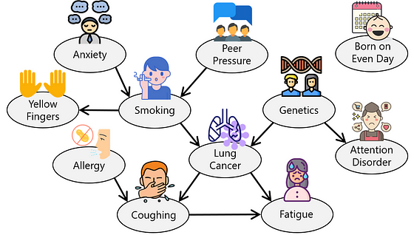

 | * Insights to gain from a causal graph

 |  | 1. Identifying causal influences: A causal graph can help pinpoint which variables have a causal impact on a particular outcome

 |  | 2. Tracing causal paths: A causal graph can also help trace the path of causality

 |  | 3. Uncovering common causes Causal graphs can reveal confounders, also known as common causes. In our example, “Lung Cancer” is a confounder because it is a common cause of both “Coughing” and “Fatigue.”

 | * The DirectLiNGAM method to learn causal graph with Python
 | but strong assumptions

Causal analysis overview: Causal inference versus experimentation versus causal discovery

 | 1. Understanding Causal Analysis

 |  | Causal analysis aims to uncover true causes and effects from data. You might have heard the phrase “correlation does NOT imply causation.”
 |  | This means that correlation alone does not tell us what actions to take to achieve a desired outcome. In many scenarios, correlation could be a combination of causation as well as confounding association.

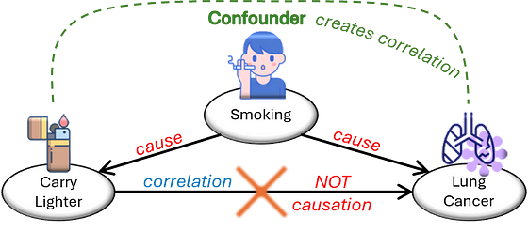

 | 2. Causal questions

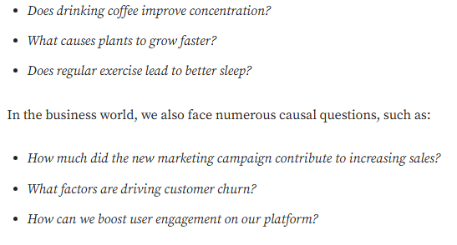

 | 3. Splitting up Causcal Analysis into subfields
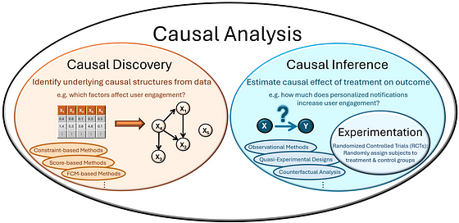

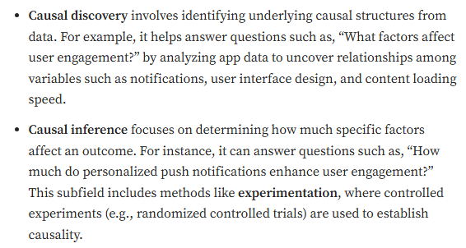

 | 4. Causal Discovery

 |  | * process of identifying causal relationships from observational data by creating a causal graph illustrating these relationships
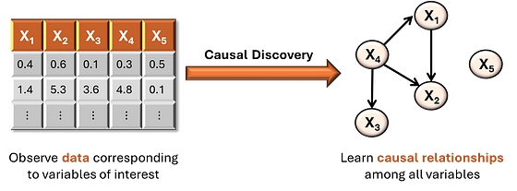

 |  | * Methods used for causal discovery

 |  |  | * Constrained based methods: |  |  | * Techniques that use conditional independence tests to infer causal relationships
 |  |  |  |  |  | * PC Algorithm, Fast Causal Inference Algorithm

 |  |  | * Score based Methods |  |  | * Approaches searching for the best-fitting causal graph
 |  |  |  |  |  | * Greedy Equivalence Search (GES), KCRL: Prior Knowledge Based Causal Discovery

 |  |  | * Functional causal models (FCMs) |  |  | * Models that represent the effect variable as a function of its direct causes and some noise term
 |  |  |  |  |  | * DirectLiNGAM, DECI (Structural Equation models)

 | 5. Causal Inference

 |  | * Definition of Causal Estimands

 |  |  | * Average Treatment Effect (ATE) |  |  | * The average effect of a treatment across the entire population. ATE = E [ Y(1) — Y(0) ]

 |  |  | * Conditional Average Treatment Effect (CATE) |  |  | * The average effect of a treatment for a specific subgroup within the population. CATE = E [ Y(1) — Y(0) | X = x ]

 |  |  | * Average Treatment Effect on the Treated (ATT) |  |  | * The average effect of a treatment on those who actually received the treatment. ATT = E [ Y(1) — Y(0) | T = 1 ]

 |  |  | * Individual Treatment Effect (ITE) |  |  | * The effect of a treatment on an individual. ITE = Y(1)_i — Y(0)_i

 |  | * Methods for causal inference

 |  |  | * Experimentation
 |  |  |  | * Experimentation is a method used to establish causal relationships by manipulating one or more variables and observing the effect on an outcome.
 |  |  |  | * One of the most rigorous forms of experimentation is the Randomized Controlled Trial (RCT)
 |  |  |  | * RCTs are considered the gold standard for establishing causality.

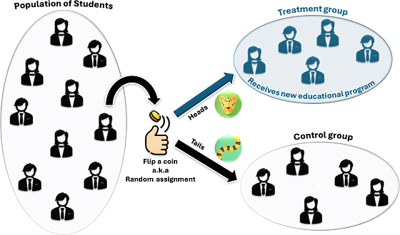

 |  |  |  | * Randomization helps create comparable groups by balancing both observed and unobserved characteristics to the treatment itself
 |  |  |  | between the treatment and control groups, allowing us to confidently attribute any differences in outcomes
 |  |  |  | * The causal effect is estimated as the difference in the average outcome between the treatment and control groups

 |  |  |  | * in practice (even with randomization) the two groups may not be exactly the same (and we won't achieve our parallel world) but we're pretty close

 |  |  |  | * through random assignment we remove the effects that confounders might have on the treatment variable because whether or not a student receives
 |  |  |  | the treatment is not influenced by external factors
 |  |  |  | -> this makes randomization a powerful tool for causal inference by minimizing the risk of confounding variables influencing the results

 |  |  |  | Types of experimentations

 |  |  |  |  | * Clinical trials | * specific type of RCT used exensively in the medical field to test the efficacy and safety of new treatments, drugs or medical devices

 |  |  |  |  | * A/B Testing | * commonly used in digital marketing / product dev.
 |  |  |  |  |  | * multiple versions of a feature or campaign (Version A / B) are tested simultaneously to determine which one performs better
 |  |  |  |  |  | * can involve more than two groups

 |  |  | * Non-Experimentation methods

 |  |  |  | * when conducting experimentation is not possible

 |  |  |  | * Observational methods |  | *rely on data collected without manipulating the study environment
 |  |  |  |  |  | * aim to control confounding factors to estimate causal effects
 |  |  |  |  |  | * particularly useful when conducting experiments is impractical or unehtical

 |  |  |  | * Quasi-Experimental designs |  | * used to identify causal relationships when random assignment to treatment and control groups is not feasible
 |  |  |  |  |  | * attempt to mimic the conditions of an experiment to estimate causal effects

 |  |  |  | * Counterfactual Analysis |  | * involves comparing the observed outcome with hypothetical outcome that would have occured if treatment has not been applied
 |  |  |  |  |  | * based on the potential oucomes framework

