Project overview
 |  |  |  |  |  | Which companies are moving in tandem ? |  |  | Correlation matrix
Hypothesis: |  |  |  | Questions: |  | Which companies better represent each sector? |  |  |  | Index cluster
 |  |  |  |  |  | Underlying factors of those companies? |  |  | PCA? Will give us an idea
 |  |  |  |  |  |  |  |  |  |  |  |  |  |  |  | Sector one by one instead of all the sectors at one time |  |  |  |  |  |  |  |  |  |  | # Strategies to be backtested/implemented

 | Automatic |  |  |  |  | Automatic |  |  |  |  | Automatic |  |  |  |  |  | Automatic |  |  |  | Automatic
 |  | 1 | Universe & period |  |  |  | 2 | Mkt Cap Clustering |  |  |  | 3 | Intra-sector pair-wise cross correlations |  |  |  |  | 4 | Index cluster |  |  | 5 | PCA
 |  |  |  |  |  |  |  |  |  |  |  |  |  |  |  |  |  |  |  |  |  |  |  |  |  |  |  | 1st
 |  |  |  |  |  |  |  |  |  |  |  |  |  |  |  |  |  |  |  |  |  |  |  |  |  | 1st ⃝ |  | Correlation of @ within one sector
1 | Variable: Market Cap |  |  |  |  | 1 | Data processing: Mkt cap % change |  |  |  | 1 | 1st condition: both companies > 100 Mkt Cap |  |  |  |  | 1 | Starting date: April 09 |  |  | 1 | PCA over few sectors
2 | Period: 2000 - 2018 (18 years) |  |  |  |  | 2 | Cluster variable: 7,5% |  |  |  | 2 | 2nd condition: correlation > 0.5 |  |  |  |  | 2 | Type: Price series for each sector cluster |  |  | 2 | Big & small one's |  |  |  |  |  | 2nd
3 | Frequency: Monthly |  |  |  |  | 3 | Clusters: A, B & C |  |  |  | 3 | Period: 2009 - 2018 (9y) |  |  |  |  | 3 | Quarterly rebalancement |  |  |  |  |  |  |  |  |  | Correlation of @ within # sectors
4 | Data: (+-) 6000 companies |  |  |  |  |  |  |  |  |  | 4 | Ranking companies by top 10 |  |  |  |  | 4 | Minimum variance function
 |  |  |  |  |  |  |  |  |  |  | 5 | Frequency of appearance >2 |  |  |  |  |  |  |  |  |  | Bank Private graph (example) |  |  |  |  |  | 3rd
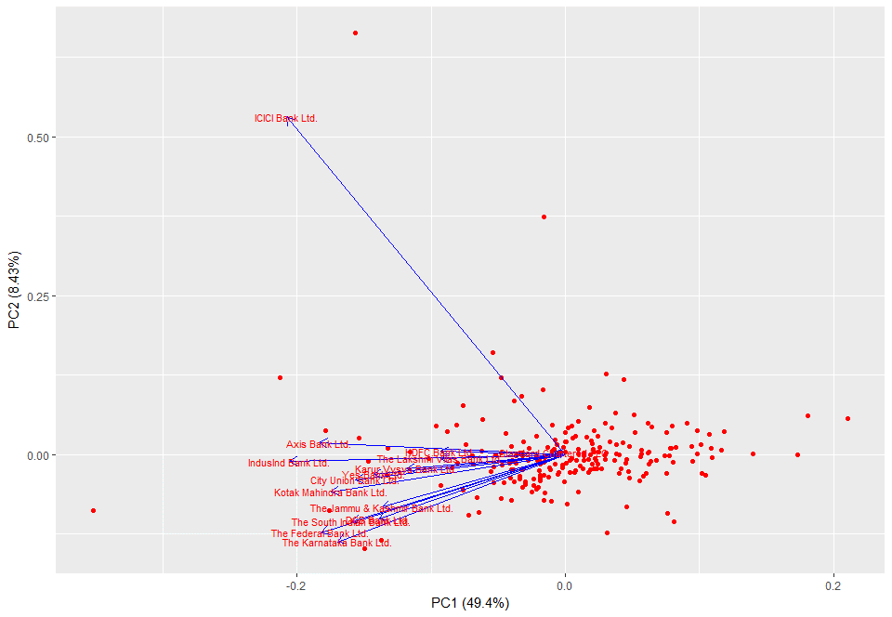
 |  |  |  |  |  |  |  |  |  |  |  |  |  |  |  |  |  |  |  |  |  |  |  |  |  |  | Types of analysis | Time frames (Lead/Lag)
 |  |  |  |  |  |  |  |  |  |  |  | Correlation matrix p/Sector |  |  |  | Cluster index construction
 | BSE & NSE (Max Mcap) |  |  |  |  | Market cap % change
 |  |  |  |  |  |  |  |  |  |  |  | P&G | Uni | Pepsico | Kraft
 |  |  |  |  |  |  |  |  |  |  | P&G | 1 | 0.8 | 0.4 | 0.5
 |  |  | A | > 7.5% |  |  |  |  |  |  | Uni | 0.8 | 1 | 0.2 | 0.7 | Capitalization weighted
 |  |  |  |  |  |  |  |  |  |  | Pepsico | 0.4 | 0.2 | 1 | 0.99
 |  |  |  |  |  |  |  |  |  |  | Kraft | 0.5 | 0.7 | 0.99 | 1 |  |  |  | Risk weighted
 |  |  | B | 0% - 7.5%

v
 |  |  | C | -7.5% <
 |  |  |  |  |  |  |  |  | Manual selection (on average >0.5) |  |  |  | 80 Clusters |  | (460 companies)
 |  |  |  |  |  |  |  |  |  |  |  |  |  |  |  |  |  |  |  |  |  | Sector | PC1 | PC2 | Companies count
 |  |  |  |  |  |  |  |  |  |  |  |  |  |  |  |  |  |  |  |  |  | Bank private | 50% | 8% | 10
 |  |  |  |  | Monthly data [2000-2018] |  |  |  | Automatic selection (>0.6) |  |  |  | 34 Clusters |  | (570 companies) |  |  |  |  |  |  | Chemicals | 45% | 7% | 9
 |  |  |  |  |  |  |  |  |  |  |  |  |  |  |  |  |  |  |  | Manual selection |  | Cement | 57% | 6% | 7
 |  |  |  |  |  |  |  |  |  |  |  |  |  |  |  |  |  |  |  |  |  | Agriculture | 48% | 15% | 7
 |  |  |  |  |  |  |  |  | Automatic selection (>0.7) |  |  |  | 16 Clusters |  | (120 companies) |  |  |  |  |  |  | Abrasives | 63% | 24% | 3

 |  |  |  |  |  |  |  |  | Automaticaly ranking companies |  |  |  | 80 Clusters |  | (500 companies)
 |  |  |  |  |  |  |  |  |  |  |  |  |  |  |  |  |  |  |  |  |  | Sector | PC1 | PC2 | Companies count
 |  |  |  |  |  |  |  |  |  |  |  |  |  |  |  |  |  |  |  |  |  | Bank private | 45% | 5% | 15
 |  |  |  |  |  |  |  |  |  |  |  |  |  |  |  |  |  |  |  |  |  | Chemicals | 27% | 7% | 56
 |  |  |  |  |  |  |  |  |  |  |  |  |  |  |  |  |  |  |  | Automatic selection (>0.6) |  | Cement | 56% | 6% | 23
 |  |  |  |  |  |  |  |  |  |  |  |  |  |  |  |  |  |  |  |  |  | Agriculture | 0% | 0% | 2
 |  |  |  |  |  |  |  |  |  |  |  |  |  |  |  |  |  |  |  |  |  | Abrasives | 0% | 0% | 0

