Screenshots
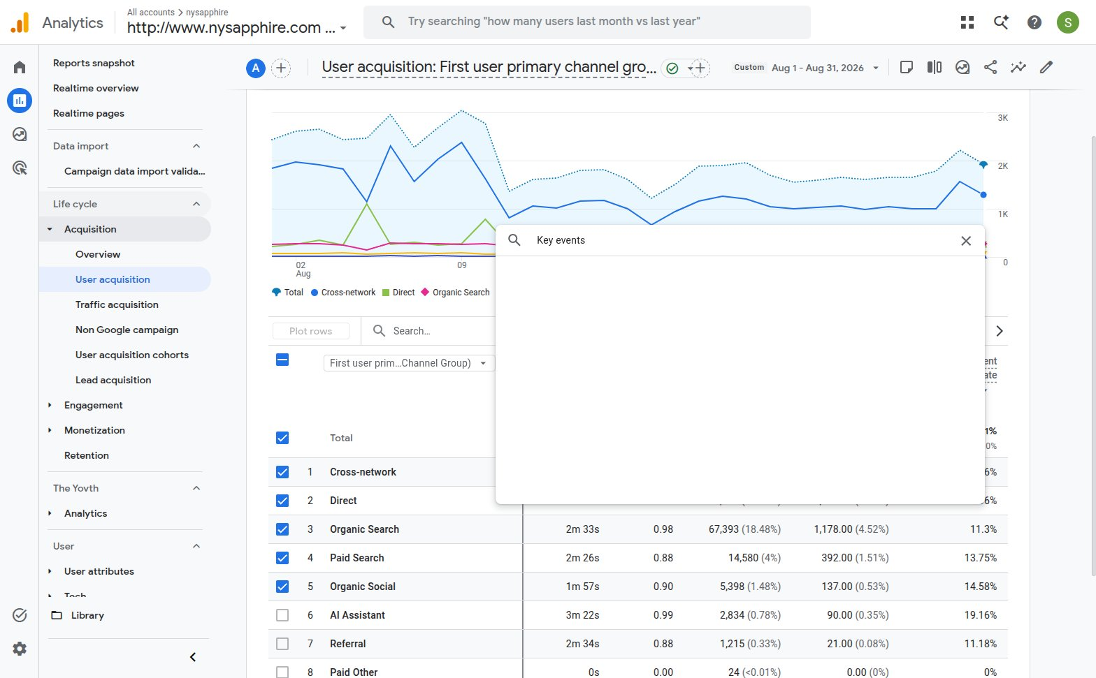
GSC UI - sc-domain:nysapphire.com - Custom 8/1/26-8/31/26 visible on the chart - Total clicks 8.6K / Total impressions 179K
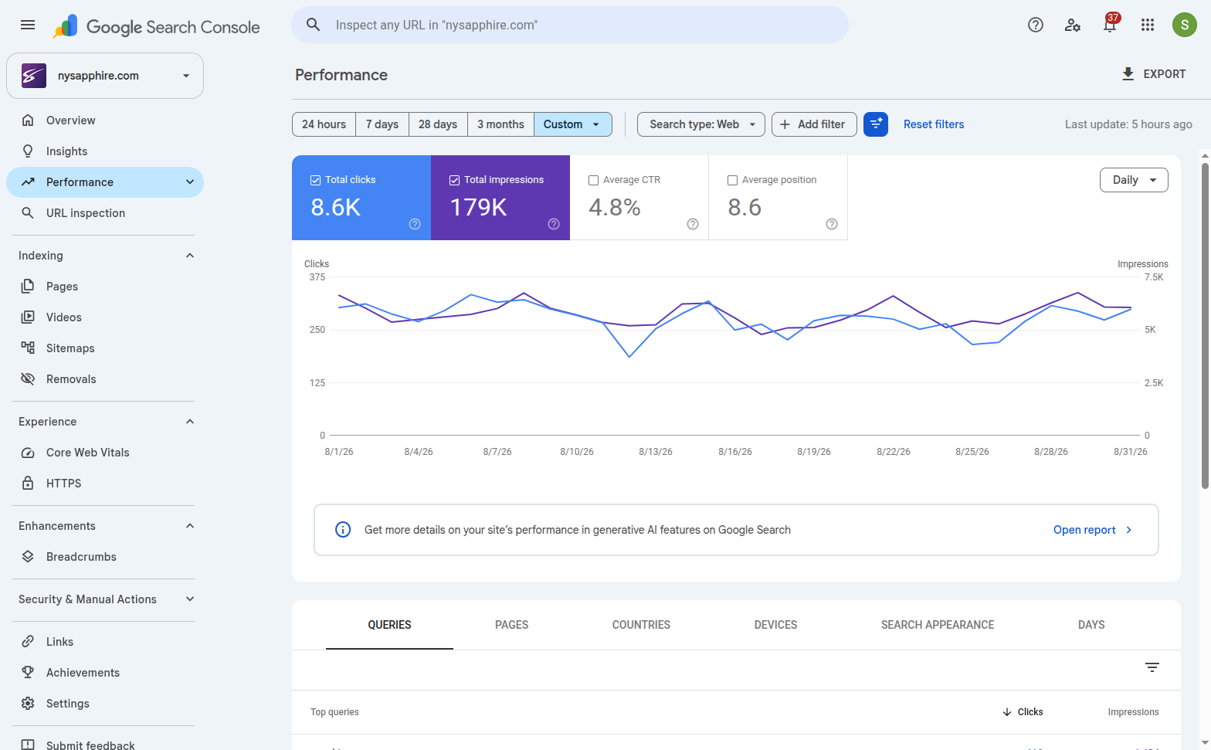

GA4 UI - nysapphire - Custom Aug 1 - Aug 31, 2026 - row Organic Search -> Total users 6,828
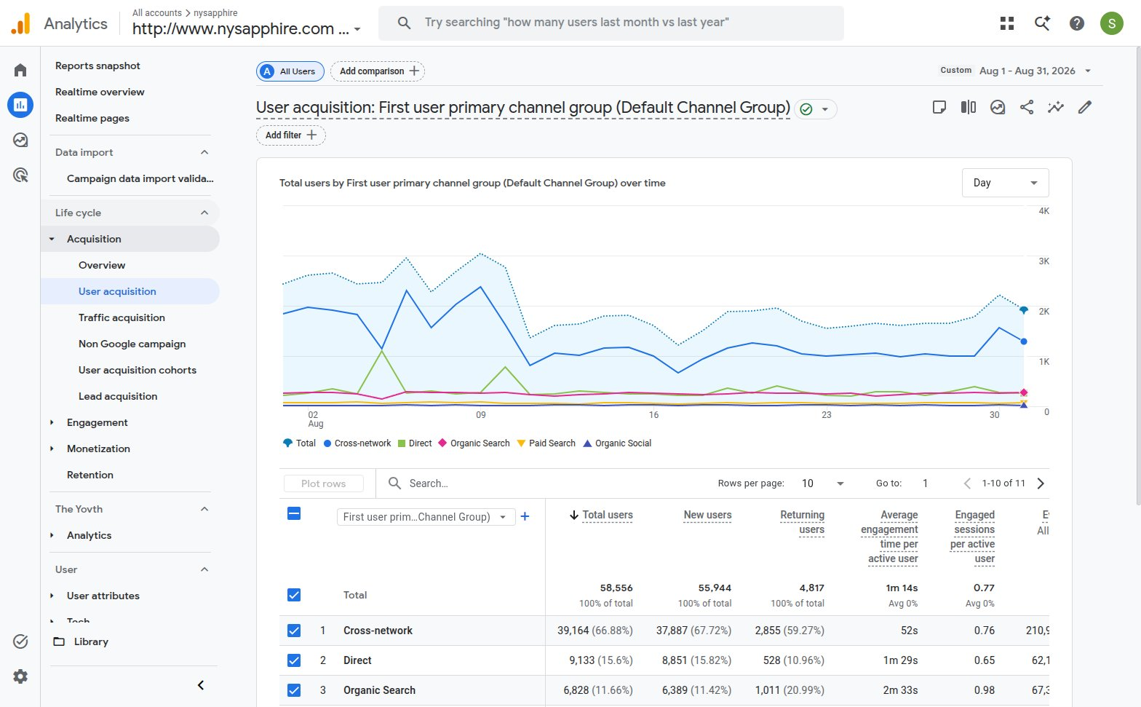

GA4 UI - same period - Key events column added manually - Organic Search -> 1,178.00

