2D Analysis
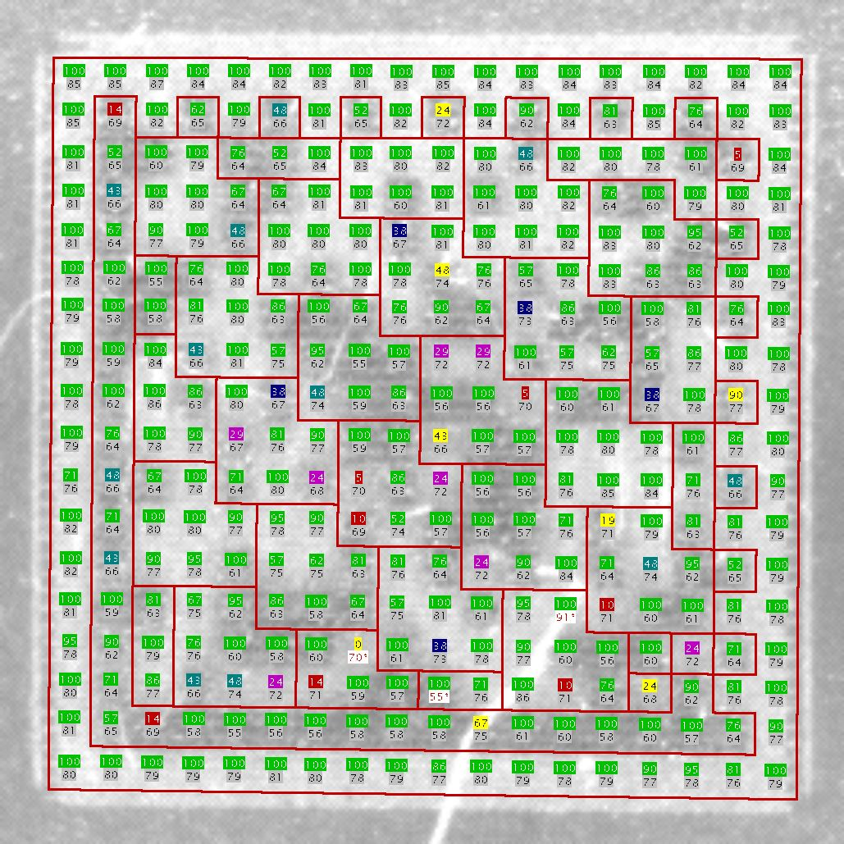
Please tell me process to calculate the following values ​​from the results of 2D analysis.
１． Unused EC 1.7 33％
２． Cell contrast 2.2 21％
３． Fixed pattern damage 2.0
４．１ Cell modulation 3.0
４．２ How do LVS determine the modulation of each cell?
５． MeanDark 62％
MeanLight 78％

