Sheet1
 | Object | Part Name | Description | Manufacturer Name | Manufacturer Part # | Supplier Name | Supplier Part # | Quantity | Unit price | Link | # Purchased
1 |  | Maisto R/C Rock Crawler Radio Control Vehicle (Colors May Vary) | Two motors and low gearing make for rugged off-road action Articulated front and rear suspension 6AA for the vehicle (Not included) and 2 AAA (Not included) for the controller Tri-Channel Transmitter, Go off-road today TPE tires for ultra grip | Maisto |  | Amazon |  | 1 | $29.99 | https://www.amazon.com/Maisto-Crawler-Control-Vehicle-Colors/dp/B00Y53XH9O/ref=sr_1_56?s=toys-and-games&ie=UTF8&qid=1519103841&sr=1-56&keywords=RC+car | 1
 | 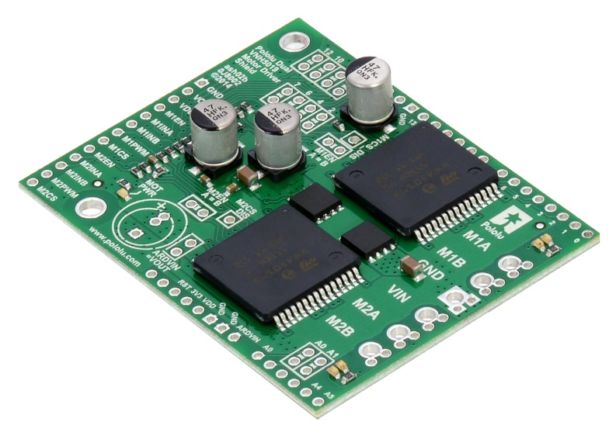 | VNH5019 | Its dual robust VNH5019 motor drivers operate from 5.5 to 24 V and can deliver a continuous 12 A (30 A peak) per motor, or a continuous 24 A (60 A peak) to a single motor connected to both channels | Pololu |  | Pololu | 2507 | 1 | $49.95 | https://www.pololu.com/product/2507 | 1
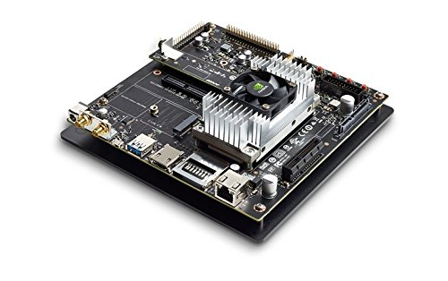 |  | Jetson TX2 Development Kit | Developer Kit for the Jetson TX2 module. Includes Jetson TX2 module with NVIDIA Pascal GPU, ARM 128-bit CPUs, 8 GB LPDDR4, 32 GB eMMC, Wi-Fi and BT Ready NVIDIA Pascal Embedded module loaded with 8GB of memory and 58.4 GB/s of memory bandwidth Wi-Fi and BT Ready | NVIDIA |  | Amazon |  | 1 | $559.99 | https://www.amazon.com/NVIDIA-Jetson-TX2-Development-Kit/dp/B06XPFH939 | 1
 | 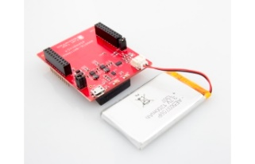 | Fuel Tank BoosterPack | The Fuel Tank BoosterPack from element14 and Texas Instruments allows Texas Instruments LaunchPads to be powered from a rechargeable lithium polymer battery BoosterPack, further enabling mobile application development and evaluation. | Texas Instruments |  | Texas Instruments |  | 1 | $24.99 | http://www.ti.com/tool/boostxl-battpack | 1
 | 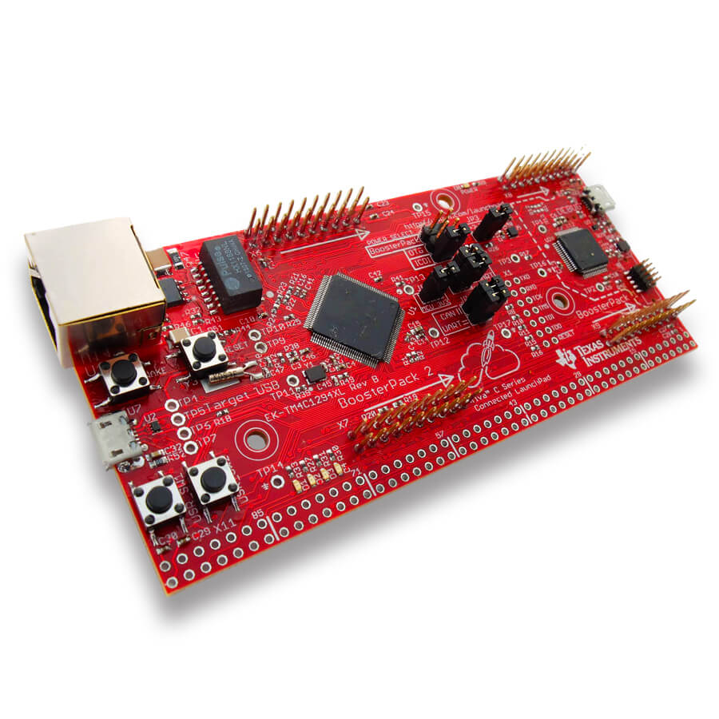 | Texas Instruments EK-TM4C1294XL | Development Boards & Kits - ARM Tiva C Series LaunchPad | Texas Instruments | EK-TM4C1294XL | Mouser | 595-EK-TM4C1294XL | 1 | $20.70 | https://www.mouser.com/ProductDetail/Texas-Instruments/EK-TM4C1294XL/?qs=YaA%252b3EhhSt21BnIfZSMnRQ%3D%3D&gclid=Cj0KCQiAiKrUBRD6ARIsADS2OLlihR8wtlMW0oQgKrYnqhzn0T6qOBCsyHQc_XdJT85kBZBP6wPSgtQaAjynEALw_wcB | 1
 | 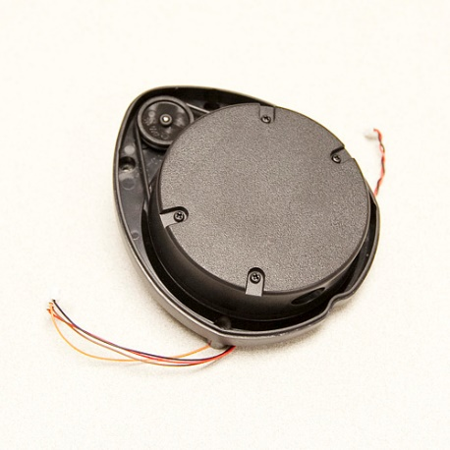 | Neato Robotics LIDAR | LIDAR used for obstacle avoidance and mapping by the neato XV-11 vaccum cleaner | Neato | N/A | eBay | N/A | 1 | $69.99 | https://www.ebay.com/i/323084656772?chn=ps | 1
 | 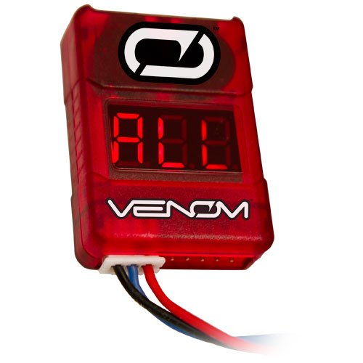 | Venom Low Voltage Monitor for 2S to 8S LiPo Batteries | Audible alarm. Adjustable low voltage alarm. Built-in balance plug port. | N/A | N/A | Amazon | N/A | 1 | $10.36 | https://www.amazon.com/gp/product/B0064SHG0Y/ref=oh_aui_detailpage_o03_s00?ie=UTF8&psc=1 | 1
 | 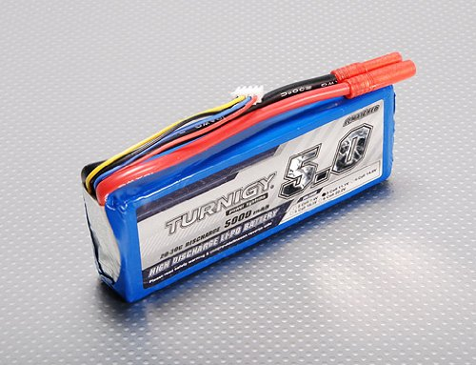 | Turnigy 5000mAh 3S 20C Lipo Pack | Minimum Capacity: 5000mAh Configuration: 3S1P / 11.1v / 3Cell Constant Discharge: 20C Peak Discharge (10sec): 30C Pack Weight: 412g | Turnigy | N/A | Amazon | N/A | 1 | $36.99 | https://www.amazon.com/gp/product/B00MVQ8VWA/ref=oh_aui_detailpage_o05_s01?ie=UTF8&psc=1 | 1

