Arduino Nano
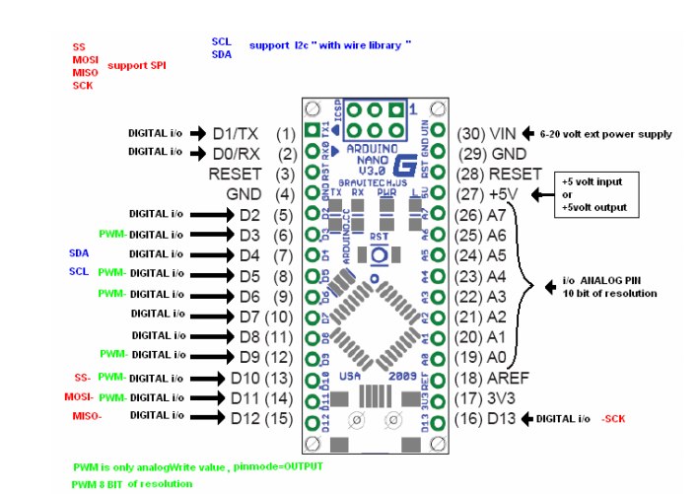

7 Segment Display
 | 3 DIGIT DISPLAY

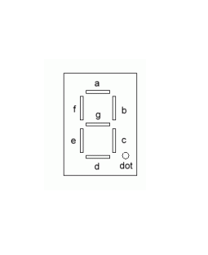
PINS | 6 | 7 | 8 | 9 | 10 | 11
 | +5V | a | f | +5V | +5V | b

PINS | 1 | 2 | 3 | 4 | 5
 | e | d | dot | c | g

 | 4 DIGIT DISPLAY

PINS | 7 | 8 | 9 | 10 | 11 | 12
 | +5V | a | f | +5V | +5V | b

 | 1 | 2 | 3 | 4 | 5 | 6 | Power V | LED V | Desired A | Resistor
PINS | e | d | dot | c | g | +5V | 5 | 2.2 | 0.0012 | 2333.3333333

 |  |  |  |  |  |  | Total Current of Display
 |  |  |  |  |  |  | 0.0096

