List1
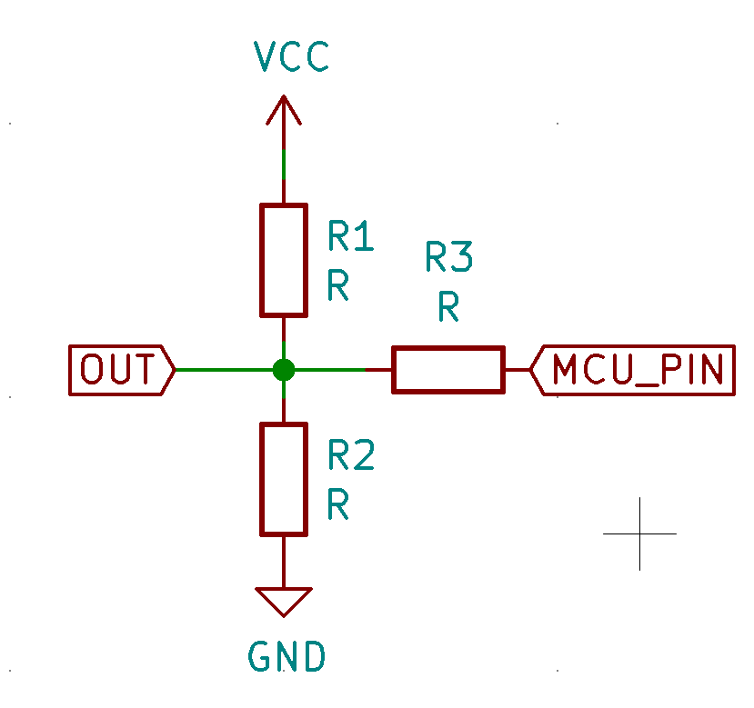
Resistor | Value |  | VCC | 3.30 V
R1 | 10000
R2 | 2400
R3 | 0

Scenario | Virtual resistor | Output Voltage | Divider Current
High impendance |  | 0.64 V | 0.3 mA
Low | 0 | 0.00 V | 0.3 mA
High | 0 | 3.30 V | 1.4 mA

