GSEA_info_Isoforms
Supplemental Table S6 Multi-omics integration data.
All the inputs used for MOFA integration and the final model trained can be accesed at https://github.com/RocesV/AS_heat_Pra/tree/main/Data/4.Integration_Metanetworks/Integration

Mercator4 bin | Latent Factor | Sign | Significative
PS | LF1 | Positive | *
cellular respiration | LF1 | Positive
CHO metabolism | LF1 | Positive
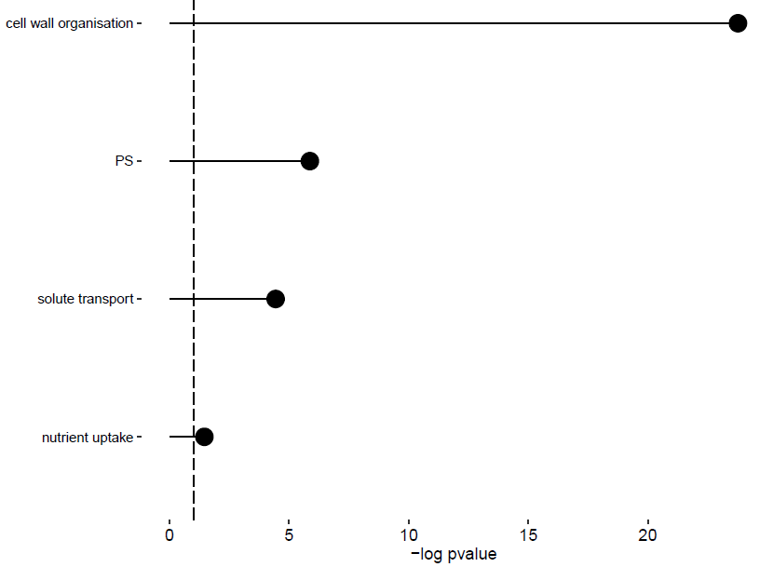
AA metabolism | LF1 | Positive
lipid metabolism | LF1 | Positive
nucleotide metabolism | LF1 | Positive
coenzyme metabolism | LF1 | Positive
polyamine metabolism | LF1 | Positive
secondary metabolism | LF1 | Positive
redox homeostasis | LF1 | Positive
phytormone action | LF1 | Positive
chromatin organisation | LF1 | Positive
cell cycle organisation | LF1 | Positive
DNA damage response | LF1 | Positive
RNA biosynthesis | LF1 | Positive
RNA processing | LF1 | Positive
protein biosynthesis | LF1 | Positive
protein modification | LF1 | Positive
protein homeostasis | LF1 | Positive
cytoskeleton organisation | LF1 | Positive
cell wall organisation | LF1 | Positive | *
vesicle trafficking | LF1 | Positive
protein translocation | LF1 | Positive
solute transport | LF1 | Positive | *
nutrient uptake | LF1 | Positive | *
external stimuli response | LF1 | Positive
multi-process regulation | LF1 | Positive
not assigned | LF1 | Positive
enzyme classification | LF1 | Positive
PS | LF2 | Positive | *
cellular respiration | LF2 | Positive
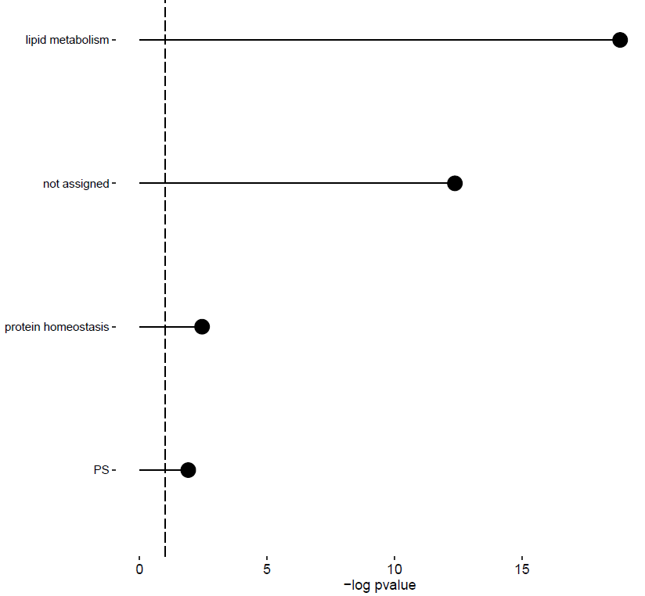
CHO metabolism | LF2 | Positive
AA metabolism | LF2 | Positive
lipid metabolism | LF2 | Positive | *
nucleotide metabolism | LF2 | Positive
coenzyme metabolism | LF2 | Positive
polyamine metabolism | LF2 | Positive
secondary metabolism | LF2 | Positive
redox homeostasis | LF2 | Positive
phytormone action | LF2 | Positive
chromatin organisation | LF2 | Positive
cell cycle organisation | LF2 | Positive
DNA damage response | LF2 | Positive
RNA biosynthesis | LF2 | Positive
RNA processing | LF2 | Positive
protein biosynthesis | LF2 | Positive
protein modification | LF2 | Positive
protein homeostasis | LF2 | Positive | *
cytoskeleton organisation | LF2 | Positive
cell wall organisation | LF2 | Positive
vesicle trafficking | LF2 | Positive
protein translocation | LF2 | Positive
solute transport | LF2 | Positive
nutrient uptake | LF2 | Positive
external stimuli response | LF2 | Positive
multi-process regulation | LF2 | Positive
not assigned | LF2 | Positive | *
enzyme classification | LF2 | Positive
PS | LF1 | Negative
cellular respiration | LF1 | Negative
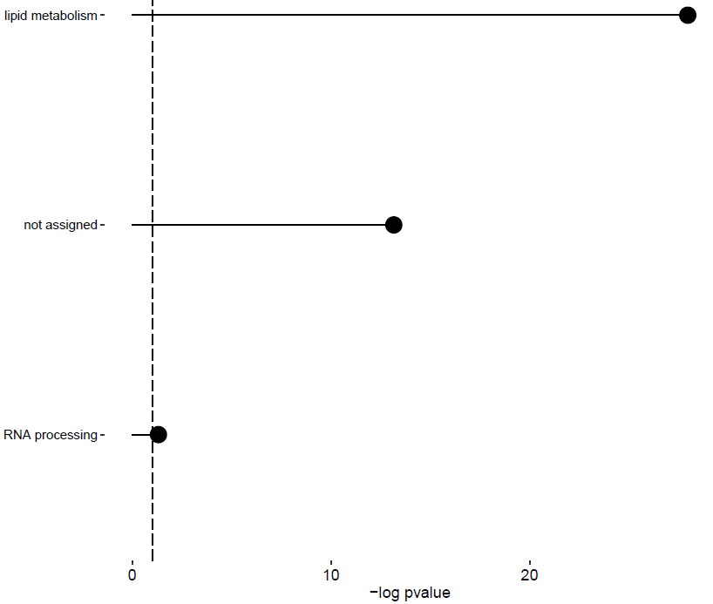
CHO metabolism | LF1 | Negative
AA metabolism | LF1 | Negative
lipid metabolism | LF1 | Negative | *
nucleotide metabolism | LF1 | Negative
coenzyme metabolism | LF1 | Negative
polyamine metabolism | LF1 | Negative
secondary metabolism | LF1 | Negative
redox homeostasis | LF1 | Negative
phytormone action | LF1 | Negative
chromatin organisation | LF1 | Negative
cell cycle organisation | LF1 | Negative
DNA damage response | LF1 | Negative
RNA biosynthesis | LF1 | Negative
RNA processing | LF1 | Negative | *
protein biosynthesis | LF1 | Negative
protein modification | LF1 | Negative
protein homeostasis | LF1 | Negative
cytoskeleton organisation | LF1 | Negative
cell wall organisation | LF1 | Negative
vesicle trafficking | LF1 | Negative
protein translocation | LF1 | Negative
solute transport | LF1 | Negative
nutrient uptake | LF1 | Negative
external stimuli response | LF1 | Negative
multi-process regulation | LF1 | Negative
not assigned | LF1 | Negative | *
enzyme classification | LF1 | Negative
PS | LF2 | Negative
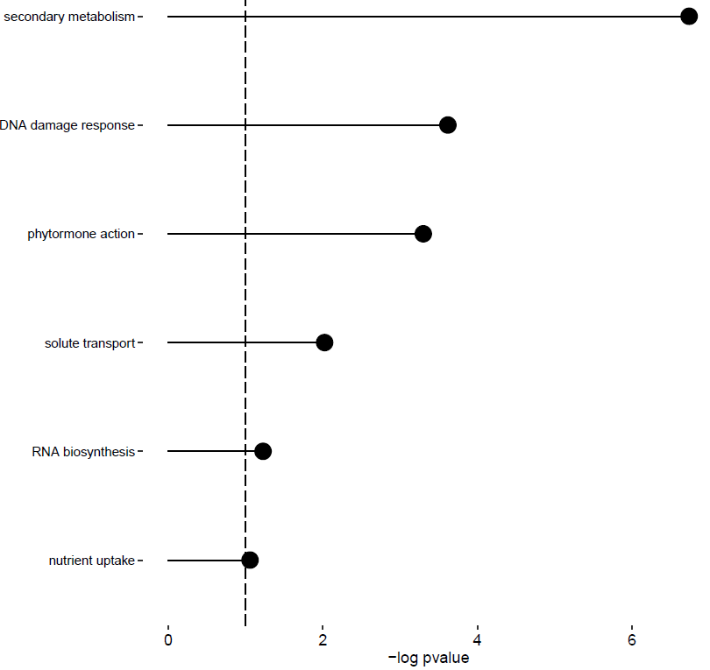
cellular respiration | LF2 | Negative
CHO metabolism | LF2 | Negative
AA metabolism | LF2 | Negative
lipid metabolism | LF2 | Negative
nucleotide metabolism | LF2 | Negative
coenzyme metabolism | LF2 | Negative
polyamine metabolism | LF2 | Negative
secondary metabolism | LF2 | Negative | *
redox homeostasis | LF2 | Negative
phytormone action | LF2 | Negative | *
chromatin organisation | LF2 | Negative
cell cycle organisation | LF2 | Negative
DNA damage response | LF2 | Negative | *
RNA biosynthesis | LF2 | Negative | *
RNA processing | LF2 | Negative
protein biosynthesis | LF2 | Negative
protein modification | LF2 | Negative
protein homeostasis | LF2 | Negative
cytoskeleton organisation | LF2 | Negative
cell wall organisation | LF2 | Negative
vesicle trafficking | LF2 | Negative
protein translocation | LF2 | Negative
solute transport | LF2 | Negative | *
nutrient uptake | LF2 | Negative | *
external stimuli response | LF2 | Negative
multi-process regulation | LF2 | Negative
not assigned | LF2 | Negative
enzyme classification | LF2 | Negative

GSEA_info_Proteins
Supplemental Table S6 Multi-omics integration data.
All the inputs used for MOFA integration and the final model trained can be accesed at https://github.com/RocesV/AS_heat_Pra/tree/main/Data/4.Integration_Metanetworks/Integration

Mercator4 bin | Latent Factor | Sign | Significative
PS | LF1 | Positive
cellular respiration | LF1 | Positive
CHO metabolism | LF1 | Positive
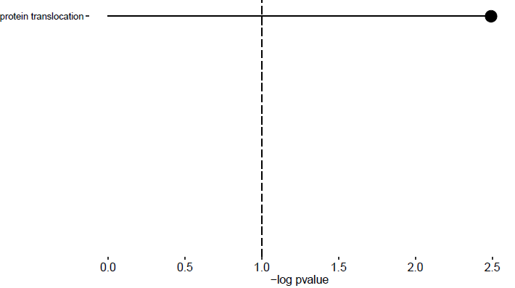
AA metabolism | LF1 | Positive
lipid metabolism | LF1 | Positive
nucleotide metabolism | LF1 | Positive
coenzyme metabolism | LF1 | Positive
polyamine metabolism | LF1 | Positive
secondary metabolism | LF1 | Positive
redox homeostasis | LF1 | Positive
phytormone action | LF1 | Positive
chromatin organisation | LF1 | Positive
cell cycle organisation | LF1 | Positive
DNA damage response | LF1 | Positive
RNA biosynthesis | LF1 | Positive
RNA processing | LF1 | Positive
protein biosynthesis | LF1 | Positive
protein modification | LF1 | Positive
protein homeostasis | LF1 | Positive
cytoskeleton organisation | LF1 | Positive
cell wall organisation | LF1 | Positive
vesicle trafficking | LF1 | Positive
protein translocation | LF1 | Positive | *
solute transport | LF1 | Positive
nutrient uptake | LF1 | Positive
external stimuli response | LF1 | Positive
multi-process regulation | LF1 | Positive
not assigned | LF1 | Positive
enzyme classification | LF1 | Positive
PS | LF2 | Positive
cellular respiration | LF2 | Positive
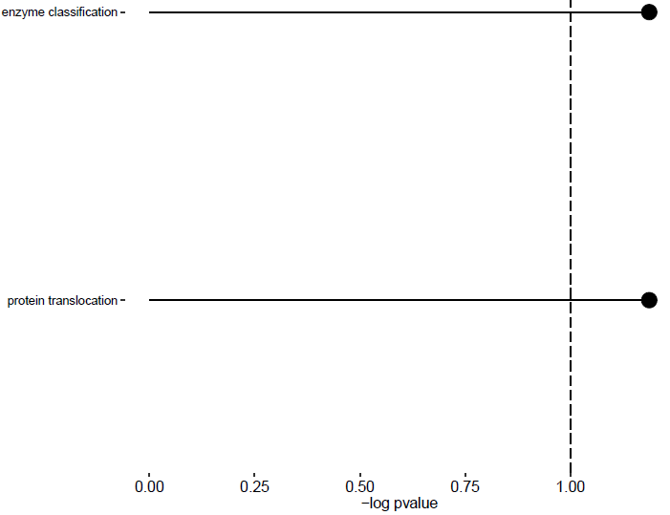
CHO metabolism | LF2 | Positive
AA metabolism | LF2 | Positive
lipid metabolism | LF2 | Positive
nucleotide metabolism | LF2 | Positive
coenzyme metabolism | LF2 | Positive
polyamine metabolism | LF2 | Positive
secondary metabolism | LF2 | Positive
redox homeostasis | LF2 | Positive
phytormone action | LF2 | Positive
chromatin organisation | LF2 | Positive
cell cycle organisation | LF2 | Positive
DNA damage response | LF2 | Positive
RNA biosynthesis | LF2 | Positive
RNA processing | LF2 | Positive
protein biosynthesis | LF2 | Positive
protein modification | LF2 | Positive
protein homeostasis | LF2 | Positive
cytoskeleton organisation | LF2 | Positive
cell wall organisation | LF2 | Positive
vesicle trafficking | LF2 | Positive
protein translocation | LF2 | Positive | *
solute transport | LF2 | Positive
nutrient uptake | LF2 | Positive
external stimuli response | LF2 | Positive
multi-process regulation | LF2 | Positive
not assigned | LF2 | Positive
enzyme classification | LF2 | Positive | *
PS | LF1 | Negative
cellular respiration | LF1 | Negative
CHO metabolism | LF1 | Negative
AA metabolism | LF1 | Negative | *
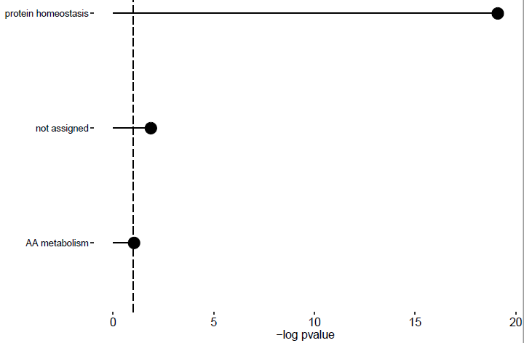
lipid metabolism | LF1 | Negative
nucleotide metabolism | LF1 | Negative
coenzyme metabolism | LF1 | Negative
polyamine metabolism | LF1 | Negative
secondary metabolism | LF1 | Negative
redox homeostasis | LF1 | Negative
phytormone action | LF1 | Negative
chromatin organisation | LF1 | Negative
cell cycle organisation | LF1 | Negative
DNA damage response | LF1 | Negative
RNA biosynthesis | LF1 | Negative
RNA processing | LF1 | Negative
protein biosynthesis | LF1 | Negative
protein modification | LF1 | Negative
protein homeostasis | LF1 | Negative | *
cytoskeleton organisation | LF1 | Negative
cell wall organisation | LF1 | Negative
vesicle trafficking | LF1 | Negative
protein translocation | LF1 | Negative
solute transport | LF1 | Negative
nutrient uptake | LF1 | Negative
external stimuli response | LF1 | Negative
multi-process regulation | LF1 | Negative
not assigned | LF1 | Negative | *
enzyme classification | LF1 | Negative
PS | LF2 | Negative
cellular respiration | LF2 | Negative
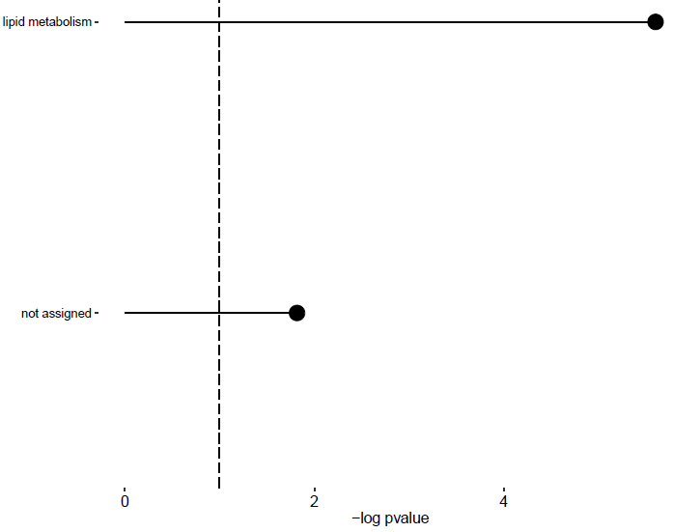
CHO metabolism | LF2 | Negative
AA metabolism | LF2 | Negative
lipid metabolism | LF2 | Negative | *
nucleotide metabolism | LF2 | Negative
coenzyme metabolism | LF2 | Negative
polyamine metabolism | LF2 | Negative
secondary metabolism | LF2 | Negative
redox homeostasis | LF2 | Negative
phytormone action | LF2 | Negative
chromatin organisation | LF2 | Negative
cell cycle organisation | LF2 | Negative
DNA damage response | LF2 | Negative
RNA biosynthesis | LF2 | Negative
RNA processing | LF2 | Negative
protein biosynthesis | LF2 | Negative
protein modification | LF2 | Negative
protein homeostasis | LF2 | Negative
cytoskeleton organisation | LF2 | Negative
cell wall organisation | LF2 | Negative
vesicle trafficking | LF2 | Negative
protein translocation | LF2 | Negative
solute transport | LF2 | Negative
nutrient uptake | LF2 | Negative
external stimuli response | LF2 | Negative
multi-process regulation | LF2 | Negative
not assigned | LF2 | Negative | *
enzyme classification | LF2 | Negative

