Summary
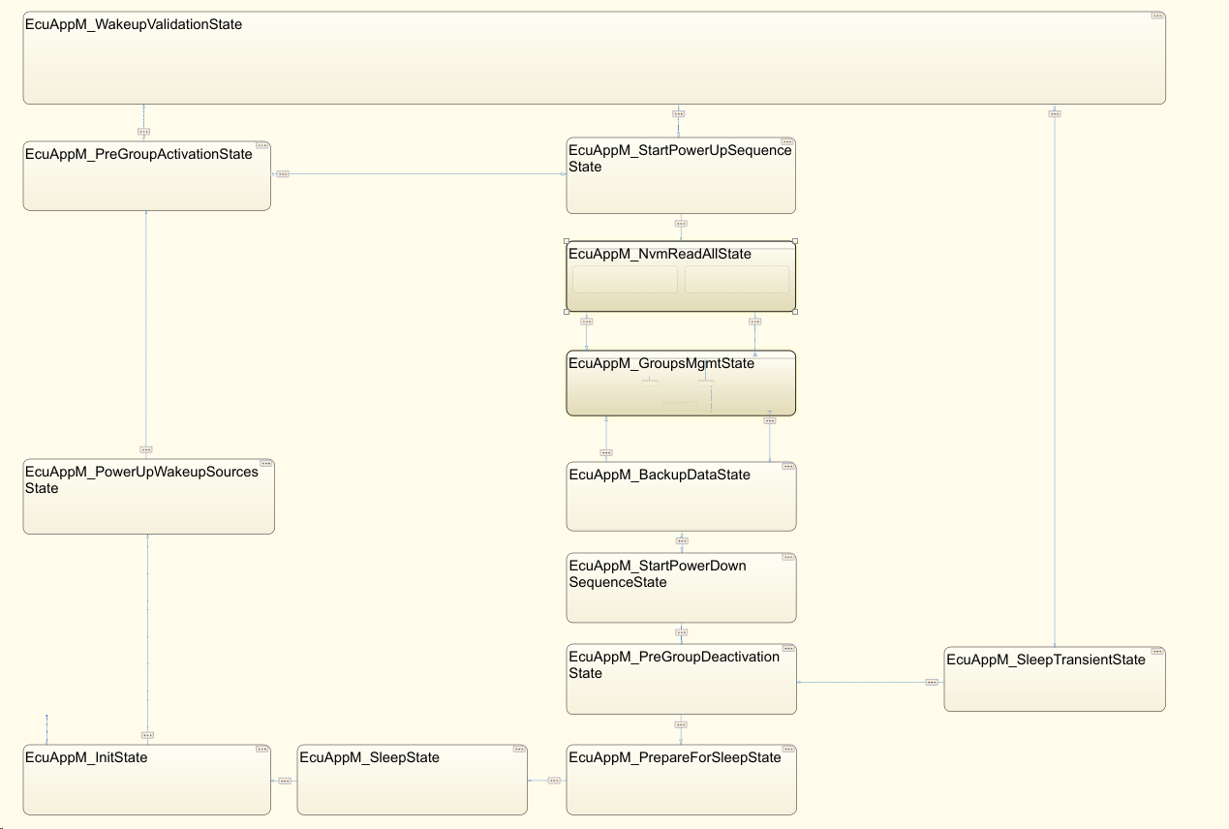
SL NO | Summary Points
1 | Measurements are taken in Toyota Program 38xd.
2 | Sheet Wakeup_Sleep_States_Timings having the each state timings, From Normal wakeup to sleep.
3 | Sheet RTC_Wakeup_SleepStates_Timings having the each state timings, From RTC(Partial) wakeup to sleep.
4 | To undertand ECUAPPM module states please refer below high level state machine chart.

ECUAPPM high level state chart

Wakeup_Sleep_States_Timings
Sl No | Test Case | Evidnance | Time | Comments
EcuAppM Wakeup States Timings
1 | Measure the timing from EcuAppM_InitState to EcuAppM_PowerUpWakeupSourcesState. | 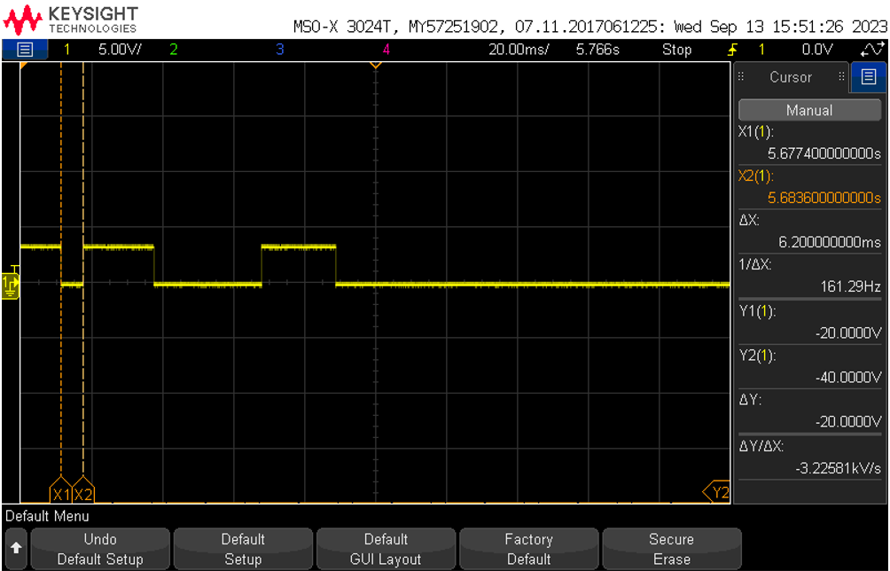 | 6.2ms
2 | Measure the timing from EcuAppM_PowerUpWakeupSourcesState to EcuAppM_PreGroupActivationState. | 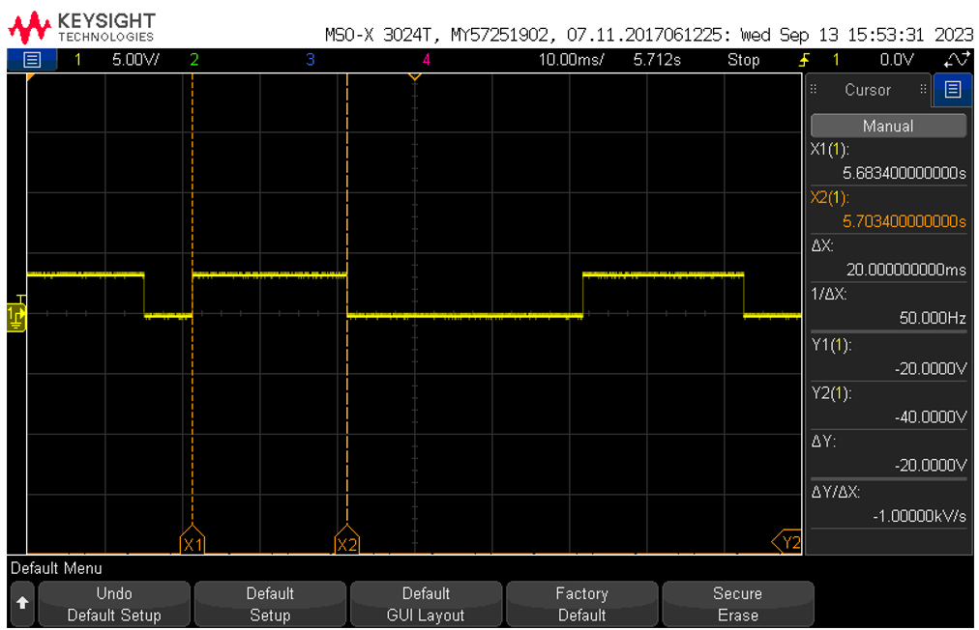 | 20ms
3 | Measure the timing from EcuAppM_PreGroupActivationState to EcuAppM_StartPowerUpSequenceState. | 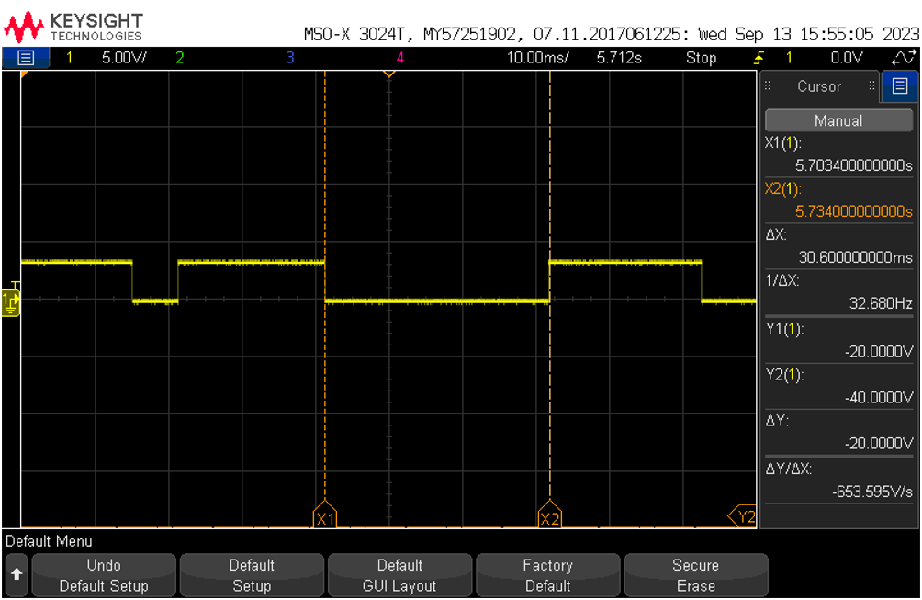 | 30.6ms
4 | Measure the timing from EcuAppM_StartPowerUpSequenceState to EcuAppM_NvmReadAllState. | 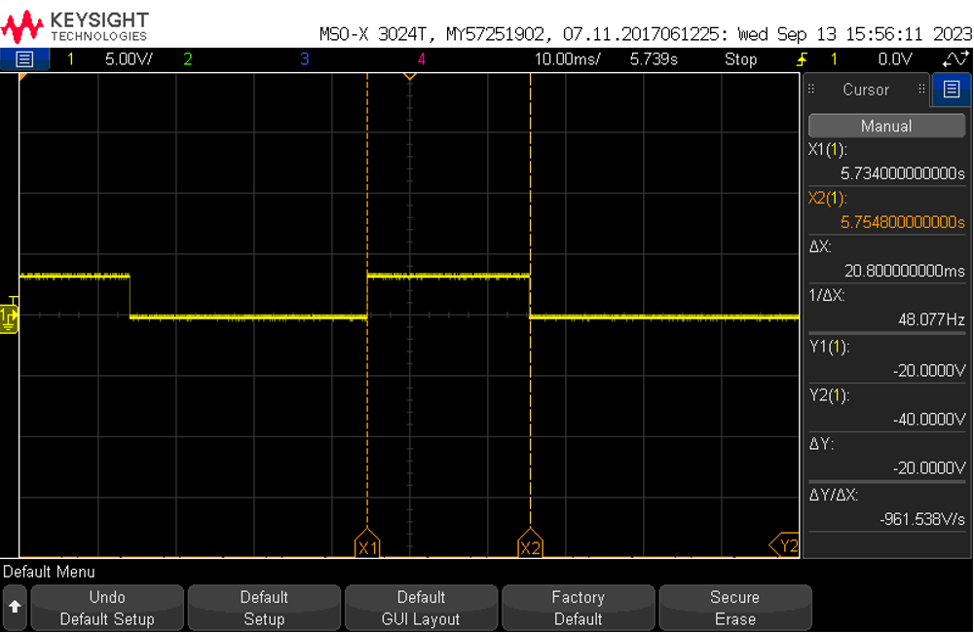 | 20.8ms
5 | Measure the timing from EcuAppM_NvmReadAllState to EcuAppM_GroupsMgmtState. | 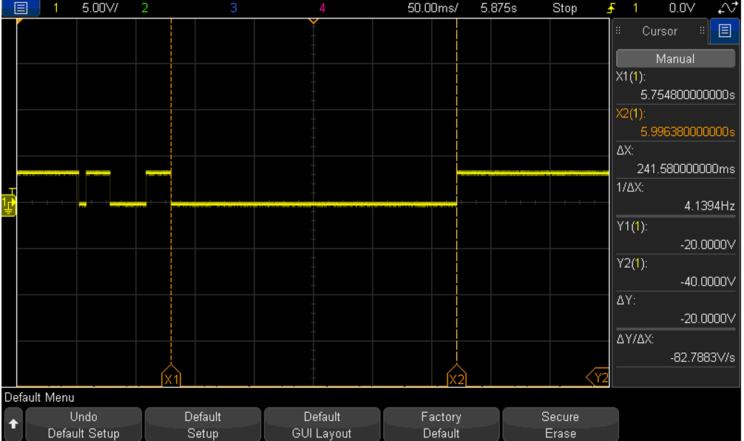 | 241.5ms

EcuAppM Sleep States Timing
1 | Measure the timing from EcuAppM_BackupDataState to EcuAppM_StartPowerDownSequenceState. | 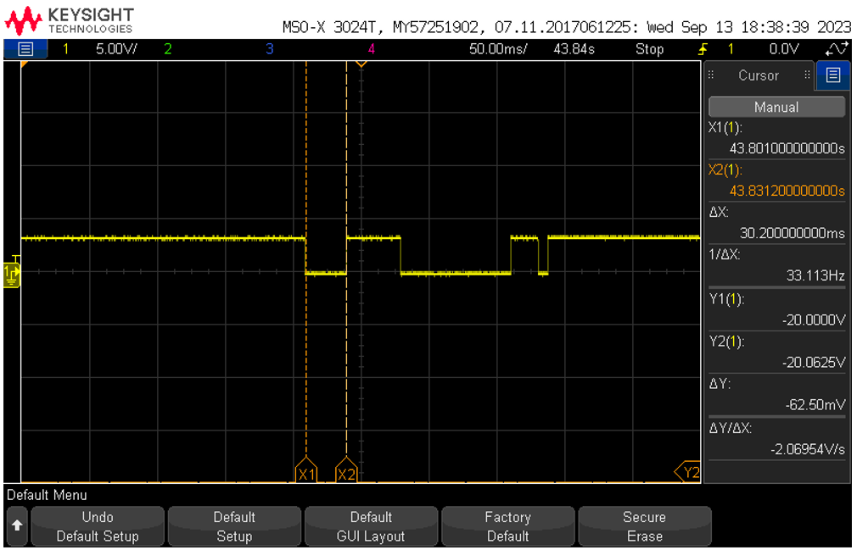 | 30.2ms
2 | Measure the timing from EcuAppM_StartPowerDownSequenceState to EcuAppM_PreGroupDeactivationState. | 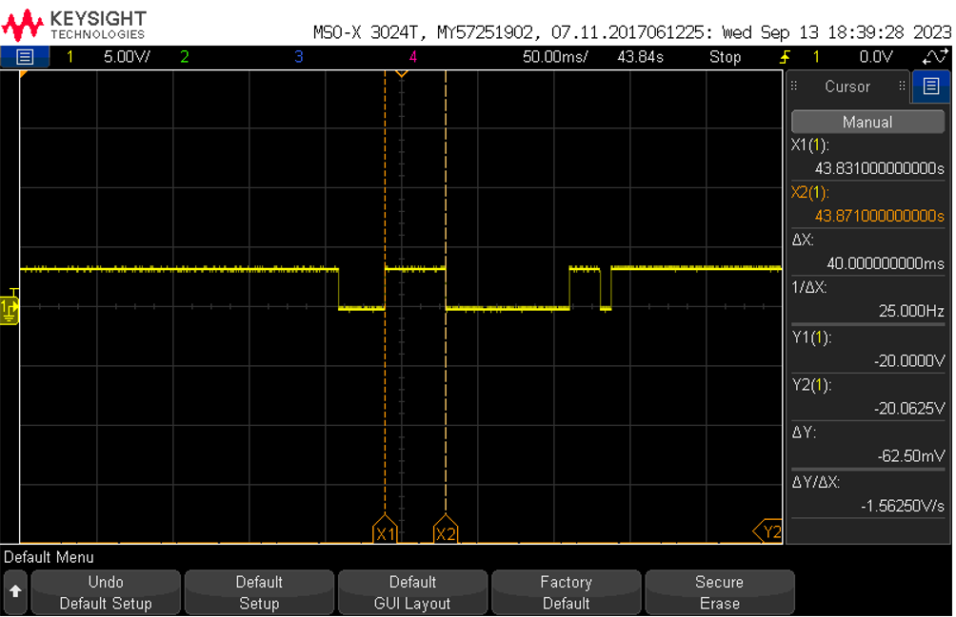 | 40ms
3 | Measure the timing from EcuAppM_PreGroupDeactivationState to EcuAppM_PrepareForSleepState. | 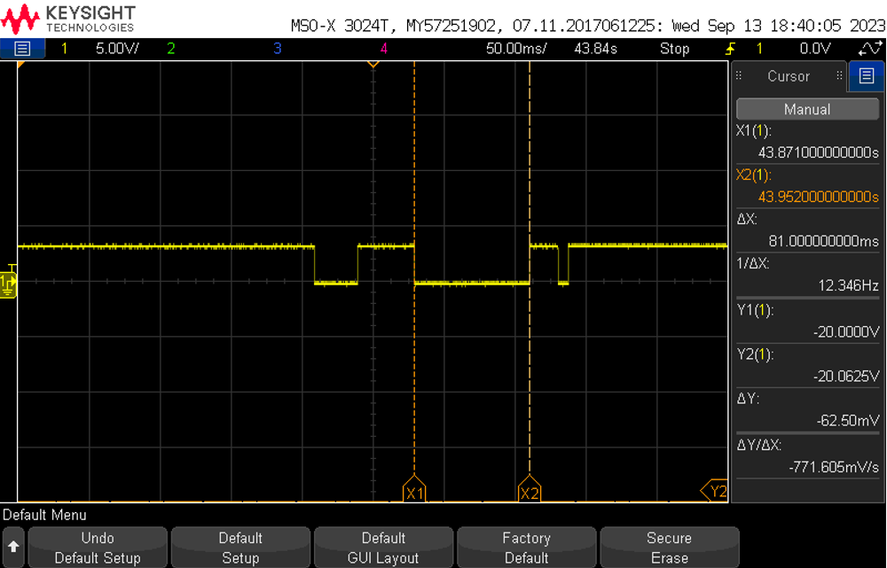 | 43.9ms
4 | Measure the timing from EcuAppM_PrepareForSleepState to EcuAppM_SleepState. | 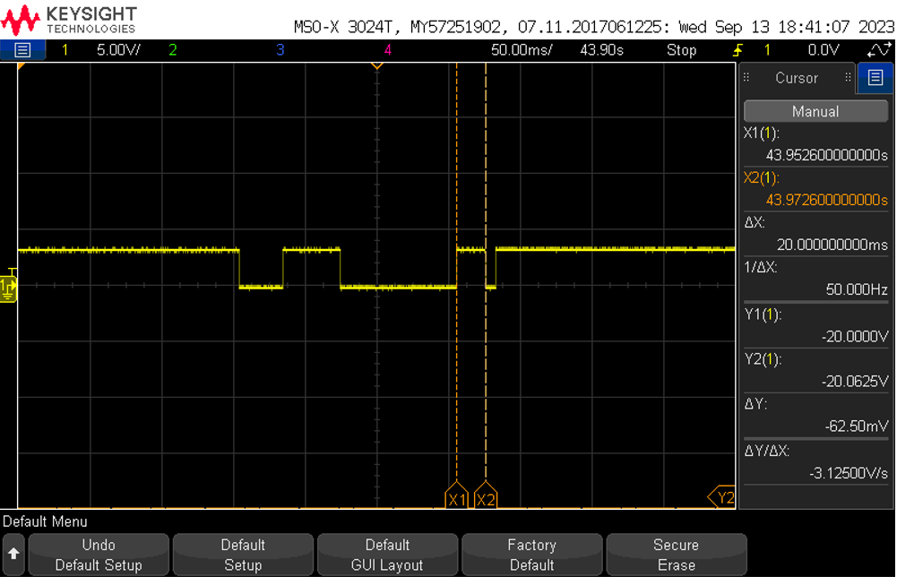 | 20ms

Total Sleep Sequence time in ECUAppM State Machine
1 | Measure the timing from EcuAppM_BackupDataState to EcuAppM_SleepState. | 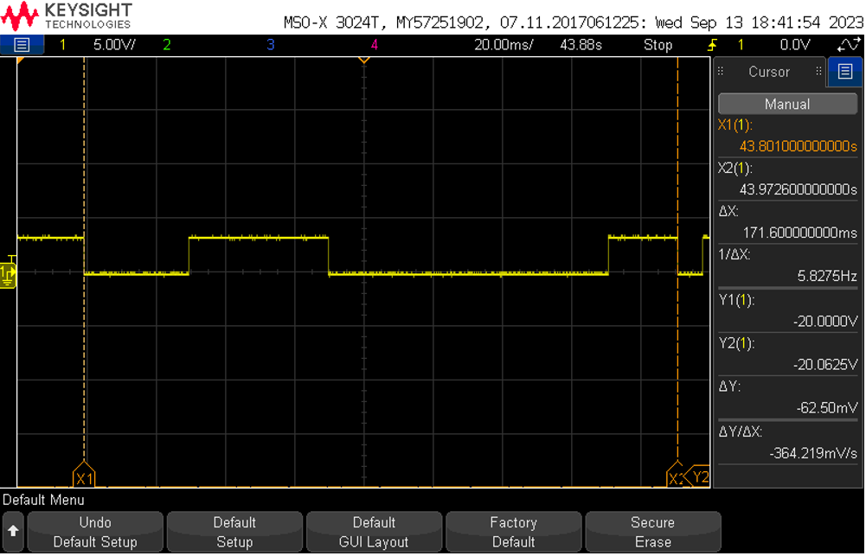 | 171.6ms

RTC_Wakeup_SleepStates_Timings
Sl No | Test Case | Evidnance | Timing in ms | Comments
EcuAppM RTC(Partial)Powerup States Timings
1 | Measure the timing from EcuAppM_InitState to EcuAppM_PowerUpWakeupSourcesState. | 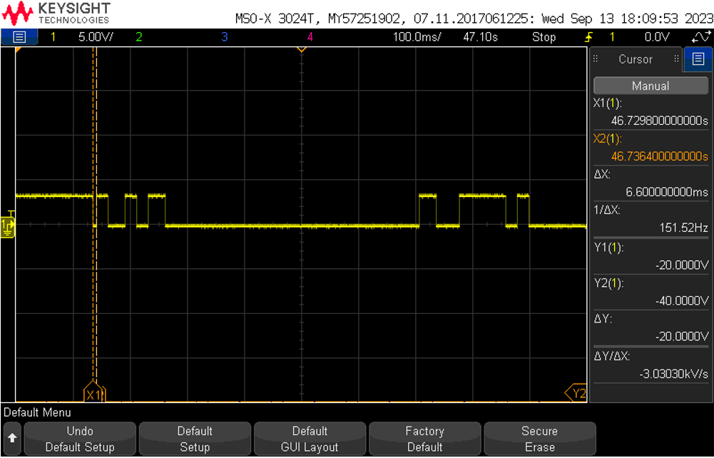 | 6.6ms
2 | Measure the timing from EcuAppM_PowerUpWakeupSourcesState to EcuAppM_PreGroupActivationState. |  | 20.2ms
3 | Measure the timing from EcuAppM_PreGroupActivationState to EcuAppM_WakeupValidationState. | 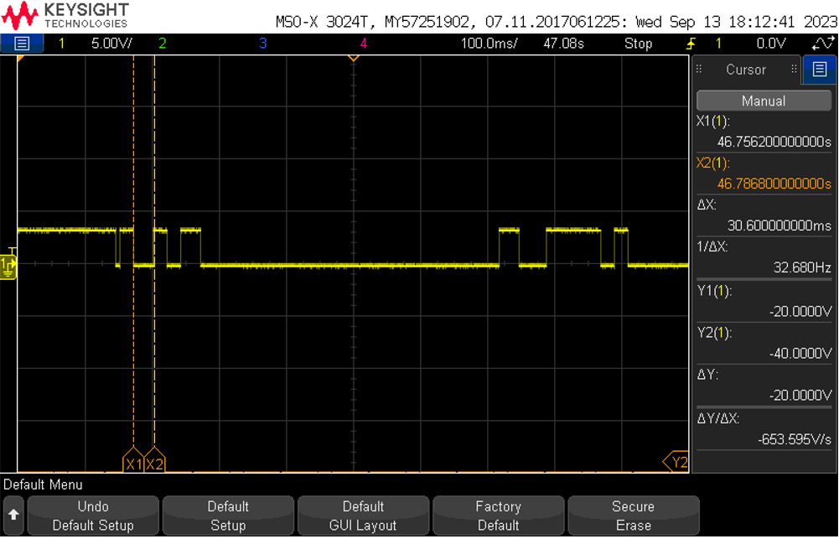 | 30.6ms
4 | Measure the timing from EcuAppM_WakeupValidationState to EcuAppM_StartPowerUpSequenceState. | 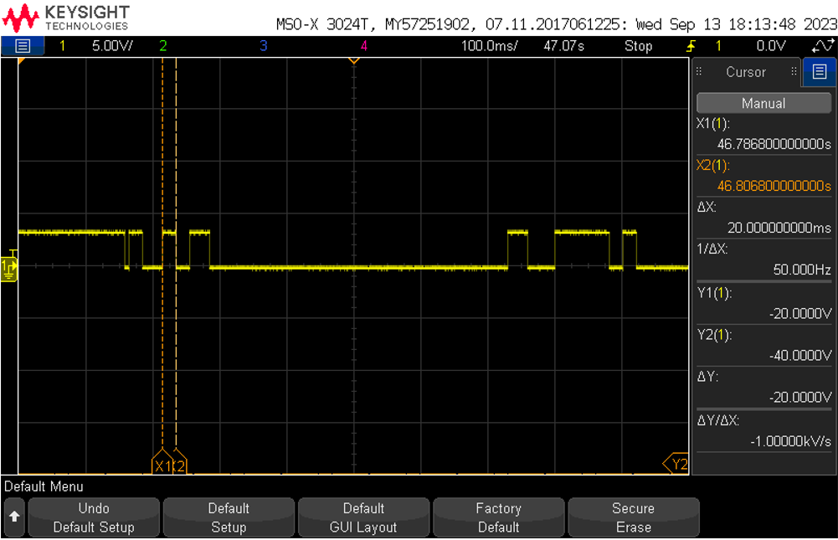 | 20ms
5 | Measure the timing from EcuAppM_StartPowerUpSequenceState to EcuAppM_NvmReadAllState. | 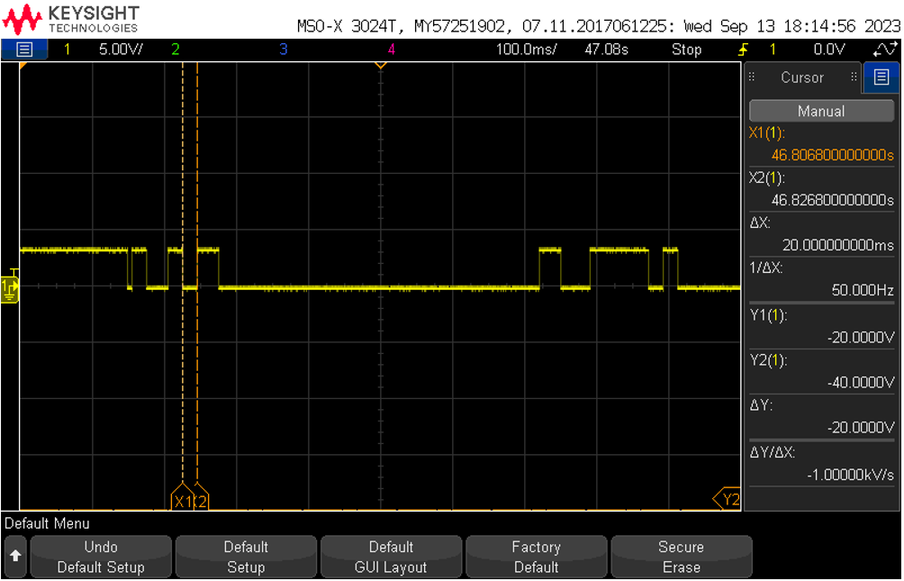 | 20ms
6 | Measure the timing from EcuAppM_NvmReadAllState to EcuAppM_GroupsMgmtState. |  | 30.4ms
7
8
9
10
11
EcuAppM RTC(Partial) Powerdown States Timing
1 | Measure the timing from EcuAppM_BackupDataState to EcuAppM_StartPowerDownSequenceState. | 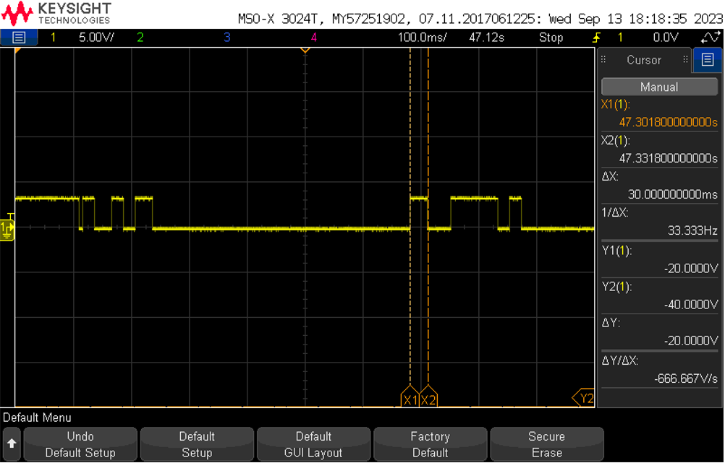 | 30ms
2 | Measure the timing from EcuAppM_StartPowerDownSequenceState to EcuAppM_PreGroupDeactivationState. |  | 40.6ms
3 | Measure the timing from EcuAppM_PreGroupDeactivationState to EcuAppM_PrepareForSleepState. | 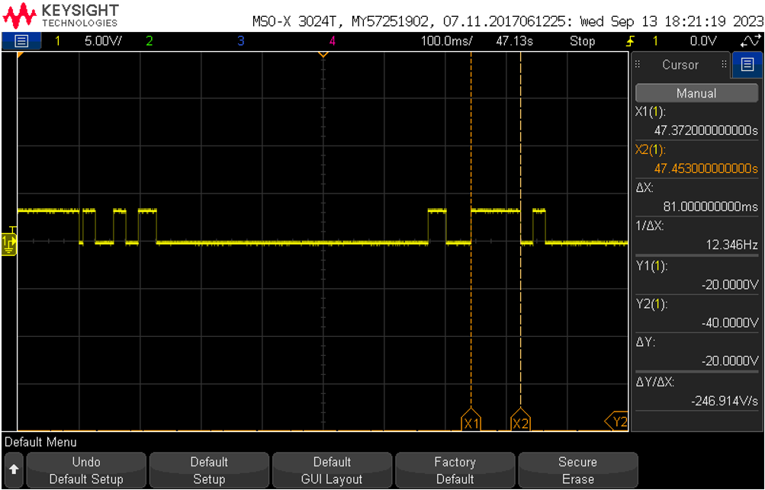 | 81ms
4 | Measure the timing from EcuAppM_PrepareForSleepState to EcuAppM_SleepState. |  | 20.4ms
5
6
7
8
9
RTC(Partial) From Wakeup to Sleep Timing in ECUAppM States
1 | Measure the timing from EcuAppM_InitState to EcuAppM_SleepState. |  | 743.6ms
2
3
4
5
6

